Analysis
Analysis
Dashboard
1. Total Salary | 6. Salary / Locations |  | 8. Salary / Experience |  | 9. Salary / Department
Salaries | Row Labels | Average of Salary | Row Labels | Sum of Salary | Row Labels | Sum of Salary
4.96M | Indianapolis | 10571 | 37 | 16899 | Finance | 578556
Report
 | San Jose | 10275 | 33 | 26501 | HR | 476532
2. Employees | Fort Worth | 9927 | 28 | 35825 | IT | 972200
Employees | Seattle | 9806 | 29 | 42463 | Marketing | 717913
500 | Denver | 9731 | 31 | 51252 | Operations | 652381
 | Houston | 9648 | 23 | 54592 | R&D | 860157
3. Locations | Philadelphia | 9624 | 32 | 58656 | Sales | 704918
Locations | Grand Total | 9925.314 | 27 | 60615 | Grand Total | 4962657
7 |  |  | 34 | 61629
 | 7. Salary / Education |  | 20 | 85500 | 10. Top 10 Jobs
4. Departments | Row Labels | Average of Salary | 7 | 88362 | Row Labels | Avg_Salary
Departments | Master | 10197.954128 | 25 | 96031 | System Admin | $12,670
7 | High School | 9952.0666667 | 30 | 96446 | R&D Manager | $12,415
 | BSC | 9816.6832061 | 10 | 106848 | Data Scientist | $12,050
5. Avarage Salary | PhD | 9755.9166667 | 26 | 129459 | Software Engineer | $11,956
Avg_Salary | Grand Total | 9925.314 | 18 | 132168 | IT Manager | $11,926
$9,925 |  |  | 22 | 137213 | Research Analyst | $10,707
 | 11. Total Salary / Gender |  | 21 | 138629 | Financial Analyst | $10,237
 | Row Labels | Sum of Salary | 6 | 141882 | Sales Executive | $10,008
 | Female | 52.8% | 24 | 147130 | Logistics Coordinator | $9,542
 | Male | 47.2% | 13 | 160165 | Operations Manager | $9,471
 | Grand Total | 100.00% | 0 | 168433 | SEO Specialist | $9,417
 |  |  | 5 | 170424 | Marketing Manager | $9,350
 | 12. Gender / Employees |  | 14 | 173365 | Accountant | $9,342
 | Row Labels | Employees | 15 | 174653 | Finance Manager | $9,126
 | Female | 52.20% | 2 | 182791 | Account Manager | $8,908
 | Male | 47.80% | 11 | 183107 | Operations Executive | $8,808
 | Grand Total | 100.00% | 19 | 183827 | Recruiter | $8,642
 |  |  | 17 | 185625 | Sales Manager | $8,429
 |  |  | 4 | 195902 | HR Manager | $8,237
 |  |  | 12 | 212089 | HR Assistant | $7,696
 |  |  | 9 | 213778 | Marketing Executive | $7,453
 |  |  | 8 | 229244 | Grand Total | $9,925
 |  |  | 3 | 252154
 |  |  | 16 | 276970
 |  |  | 1 | 292030
 |  |  | Grand Total | 4962657
Key Performance Indicators

Salary / Locations
Salary / Education
Salary / Experience

Salary / Departments
Top 10

Dashboard
Salary Analysis
Dashboard
7
Locatons
500
Total Employees
7
Departments

Analysis
Dashboard

Report

Salary / Locations
 | Total
Indianapolis | 10571
San Jose | 10275
Fort Worth | 9927
Seattle | 9806
Denver | 9731
Houston | 9648
Philadelphia | 9624
Top 10
 | Total
System Admin | $12,670
R&D Manager | $12,415
Data Scientist | $12,050
Software Engineer | $11,956
IT Manager | $11,926
Research Analyst | $10,707
Financial Analyst | $10,237
Sales Executive | $10,008
Logistics Coordinator | $9,542
Operations Manager | $9,471
SEO Specialist | $9,417
Marketing Manager | $9,350
Accountant | $9,342
Finance Manager | $9,126
Account Manager | $8,908
Operations Executive | $8,808
Recruiter | $8,642
Sales Manager | $8,429
HR Manager | $8,237
HR Assistant | $7,696
Marketing Executive | $7,453
Salary / Experience
 | Total
37 | 16899
33 | 26501
28 | 35825
29 | 42463
31 | 51252
23 | 54592
32 | 58656
27 | 60615
34 | 61629
20 | 85500
7 | 88362
25 | 96031
30 | 96446
10 | 106848
26 | 129459
18 | 132168
22 | 137213
21 | 138629
6 | 141882
24 | 147130
13 | 160165
0 | 168433
5 | 170424
14 | 173365
15 | 174653
2 | 182791
11 | 183107
19 | 183827
17 | 185625
4 | 195902
12 | 212089
9 | 213778
8 | 229244
3 | 252154
16 | 276970
1 | 292030
$4,962,657
Total Salary

Filters

 | Total
Female | 52.20%
Male | 47.80%

Salary / Departments
 | Total
Finance | 578556
HR | 476532
IT | 972200
Marketing | 717913
Operations | 652381
R&D | 860157
Sales | 704918
Salary / Education
 | Total
Master | 10197.954128
High School | 9952.0666667
BSC | 9816.6832061
PhD | 9755.9166667

 | Total
Female | 52.8%
Male | 47.2%

Report
Analysis
Dashboard
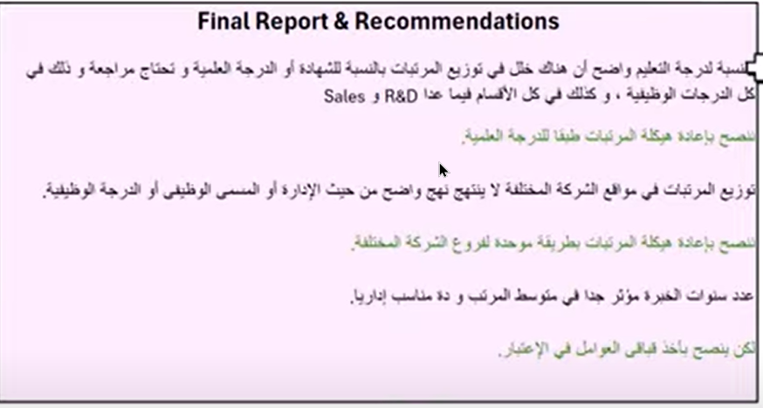

Report

