Pivot_Tables
Total Win by Top 4 Of Captains
Count of Match ID | Column Labels
Row Labels | Win
Sergio Busquets | 68
Marc-André ter Stegen | 28
Lionel Messi | 130
Andrés Iniesta | 69
Grand Total | 295

Total GF & GA by Comp

Row Labels | Sum of GF | Sum of GA
Champions Lg | 201 | 119
Copa del Rey | 163 | 58
Europa Lg | 13 | 12
La Liga | 907 | 348
Supercopa de España | 31 | 30
UEFA Super Cup | 5 | 4
Grand Total | 1320 | 571

Results by Comp
 | Draw | Lose | Win
Champions Lg | 18 | 21 | 56
Copa del Rey | 7 | 10 | 44
Europa Lg | 4 | 2 | 2
La Liga | 67 | 50 | 263
Supercopa de España | 3 | 7 | 7
UEFA Super Cup |  |  | 1
Count of Result | Column Labels
Row Labels | Draw | Lose | Win | Grand Total
Champions Lg | 18 | 21 | 56 | 95
Copa del Rey | 7 | 10 | 44 | 61
Europa Lg | 4 | 2 | 2 | 8
La Liga | 67 | 50 | 263 | 380
Supercopa de España | 3 | 7 | 7 | 17
UEFA Super Cup |  |  | 1 | 1
Grand Total | 99 | 90 | 373 | 562

Total GA & GF by Season

Row Labels | Sum of GF | Sum of GA
2015/2016 | 167 | 51
2016/2017 | 171 | 58
2017/2018 | 141 | 42
2018/2019 | 138 | 56
2019/2020 | 93 | 45
2020/2021 | 139 | 70
2021/2022 | 86 | 62
2022/2023 | 101 | 46
2023/2024 | 110 | 69
2024/2025 | 174 | 72
Grand Total | 1320 | 571

Average of Poss by Formation

Row Labels | Average of Poss
3-1-4-2 | 70
3-2-4-1 | 59
3-3-3-1 | 62
3-4-1-2 | 58
3-4-3 | 68
3-5-2 | 60
4-1-4-1 | 69
4-2-3-1 | 65
4-3-1-2 | 68
4-3-3 | 65
4-4-1-1 | 61
4-4-2 | 62
Grand Total | 65

Total Attendance by Venue

Row Labels | Sum of Attendance
Away | 8.54M
Home | 15.92M
Neutral | 355.1K
Grand Total | 24.81M

Total Attendance by Date
Row Labels | Sum of Attendance
2015 | 1.55M
2016 | 3.13M
2017 | 3.16M
2018 | 3.2M
2019 | 3.24M
2020 | 773.1K
2021 | 835.6K
2022 | 2.63M
2023 | 2.61M
2024 | 2.06M
2025 | 1.63M
Grand Total | 24.81M

Total Results of Matches

Row Labels | Count of Result
Draw | 99
Lose | 90
Win | 373
Grand Total | 562

Home_Page
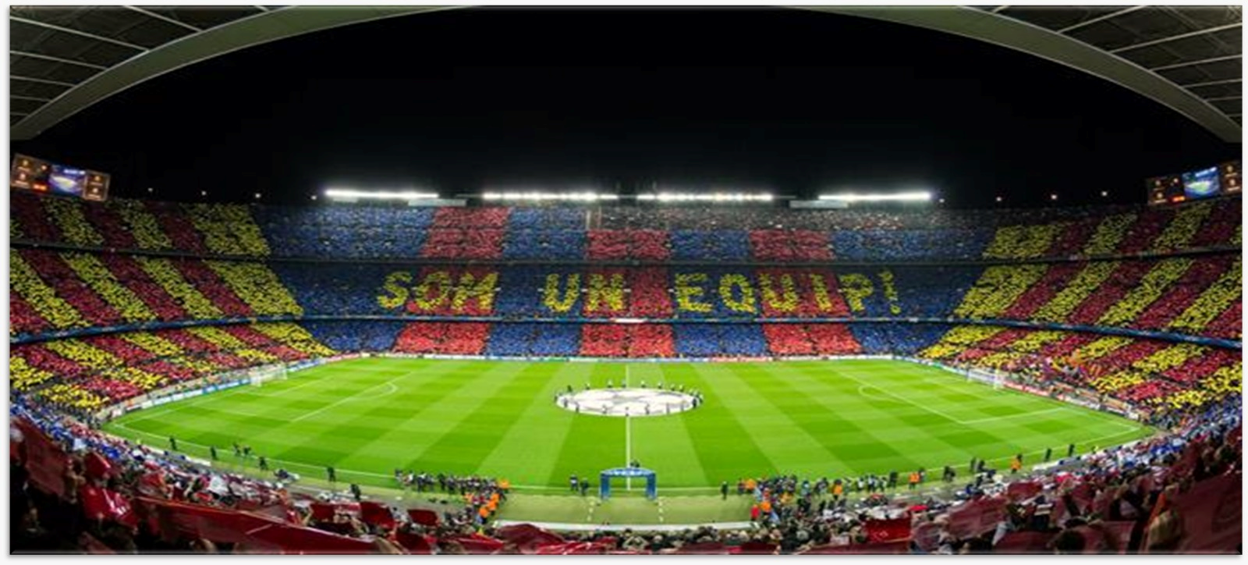
`

FC Barcelona analytics
Mahmoud Ahmed

Page1
FC Barcelona analytics
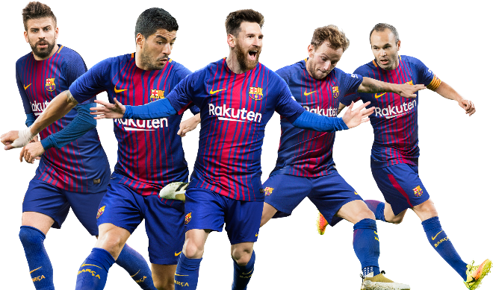

562
1320
GA
571
Win
373
Lose
90
Draw
99

Total Results of Matches
 | Total
Draw | 99
Lose | 90
Win | 373
Total Attendance by Date
 | Total
2015 | 1.55M
2016 | 3.13M
2017 | 3.16M
2018 | 3.2M
2019 | 3.24M
2020 | 773.1K
2021 | 835.6K
2022 | 2.63M
2023 | 2.61M
2024 | 2.06M
2025 | 1.63M

Total Win by Top 4 Of Captains
 | Win
Sergio Busquets | 68
Marc-André ter Stegen | 28
Lionel Messi | 130
Andrés Iniesta | 69
Total GF & GA by Comp
 | Sum of GF | Sum of GA
Champions Lg | 201 | 119
Copa del Rey | 163 | 58
Europa Lg | 13 | 12
La Liga | 907 | 348
Supercopa de España | 31 | 30
UEFA Super Cup | 5 | 4
Over the course of 562 matches, FC Barcelona maintained a formidable offensive identity, scoring 1,320 goals at an average of more than two goals per game. Despite the sharp fluctuations in fan attendance after 2019 due to the constraints of the COVID-19 pandemic, Lionel Messi remains the defining figure among the club's captains with 130 victories under his leadership, reflecting the strong correlation between the team's success and exceptional technical leadership on the pitch.

562
1320
571
373
90
99

Page2
FC Barcelona analytics

Matches
562
GF
1320
GA
571
Win
373
Lose
90
Draw
99

Results by Comp
 | Draw | Lose | Win
Champions Lg | 18 | 21 | 56
Copa del Rey | 7 | 10 | 44
Europa Lg | 4 | 2 | 2
La Liga | 67 | 50 | 263
Supercopa de España | 3 | 7 | 7
UEFA Super Cup |  |  | 1
Total GA & GF by Season
 | Sum of GF | Sum of GA
2015/2016 | 167 | 51
2016/2017 | 171 | 58
2017/2018 | 141 | 42
2018/2019 | 138 | 56
2019/2020 | 93 | 45
2020/2021 | 139 | 70
2021/2022 | 86 | 62
2022/2023 | 101 | 46
2023/2024 | 110 | 69
2024/2025 | 174 | 72

Average of Poss by Formation
 | Total
3-1-4-2 | 70
3-2-4-1 | 59
3-3-3-1 | 62
3-4-1-2 | 58
3-4-3 | 68
3-5-2 | 60
4-1-4-1 | 69
4-2-3-1 | 65
4-3-1-2 | 68
4-3-3 | 65
4-4-1-1 | 61
4-4-2 | 62
Total Attendance by Venue
 | Total
Away | 8.54M
Home | 15.92M
Neutral | 355.1K
Analysis of match dynamics reveals that FC Barcelona’s performance remains heavily tied to possession-based football, with the 4-1-4-1 and 4-3-1-2 formations yielding the highest average possession rates. While La Liga stands as the primary source of victories and goals, the data shows a significant reliance on Home attendance, which has historically peaked at over 15 million cumulative fans, underscoring the vital role of the Spotify Camp Nou in driving the team’s competitive edge across all competitions

Key_Notes
FC Barcelona Analytics

Key Insights
Strategic Recommendations

Dominant Offensive Engine: The team has maintained a formidable scoring rate of 2.35 goals per match (1,320 goals in 562 matches). However, the win rate of 66% suggests that while the offense is elite, defensive lapses or draws (18%) have prevented total dominance.
The "Messi" Leadership Peak: Historical data confirms a heavy reliance on Lionel Messi’s leadership, accounting for 130 victories as captain—nearly double the next highest performer. This highlights a "Leadership Concentration Risk" since his departure.
Tactical Efficiency: The 4-1-4-1 and 4-3-1-2 formations yield the highest average possession rates. This indicates that Barcelona’s philosophy is most effective when the midfield is saturated to control the game tempo.
Attendance & Venue Correlation: There is a direct correlation between Home Attendance and match outcomes. The sharp decline in attendance in 2020 (COVID-19) and 2025 (Stadium renovations/Montjuïc move) poses a risk to the "home-field advantage" and match-day revenue.
Competition Weight: La Liga remains the primary driver of goals and wins, whereas performance in the Champions League shows higher volatility, suggesting a need for better "Big Match" management.
1. Bridge the Leadership Gap
Implement a Leadership Development Program for younger stars (e.g., Gavi, Lamine Yamal). Since the data shows a drop in win-consistency post-Messi, the team must transition from "Superstar Dependency" to a "Shared Leadership" model.
2. Optimize Away Performance
The data shows a significant reliance on Home support. The coaching staff should develop specific tactical setups for Away games to improve the win ratio when the crowd advantage is absent, focusing on defensive stability (reducing the 571 Goals Against).
3. Monetize Digital Engagement
With physical attendance dropping to 1.63M in 2025 due to stadium logistics, the club should launch Global Digital Membership kits and "Virtual VIP" experiences to protect core revenue streams during the renovation period.
4. Formation Standardization
Stick to the 4-1-4-1 system during high-stakes matches. The analytics prove this formation maximizes possession, which is Barcelona’s primary defensive and offensive tool ("Defending with the ball").
5. Defensive Cost-Benefit Analysis
While the "Goals For" (GF) is impressive, the "Goals Against" (GA) is nearly 43% of the goals scored. I recommend targeted scouting for "High-Recovery" defenders to bring the GA/GF ratio down, ensuring that high possession translates into more Clean Sheets.

