bar chart
product categories | %evol YoY
optic | -36% | 3000 | 51%
sun | -25% | 2000 | 34%
contact lenses | -15% | 1500 | 25% | Overall new customers lost, 51% of optical ones have not been recruited in 2024 compared to last year
audio | 1% | 600 | 10%
New Customers Recruitment by Product Categories in YoY Evolution
 |  | 5900

line graph
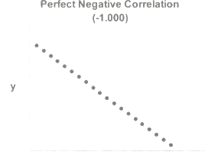
year | 2nd pair AVG price | new cust.
2019 | 1 € | 4000
2022 | 21 € | 1500
2024 | 30 € | 800

Correlations between solar 2nd pair price and new customers recruitment
Correlations between solar 2nd pair price and new customers recruitment

 |  |  | depicts a negative and strong correlation but not perfectly so

tell story with graph colors
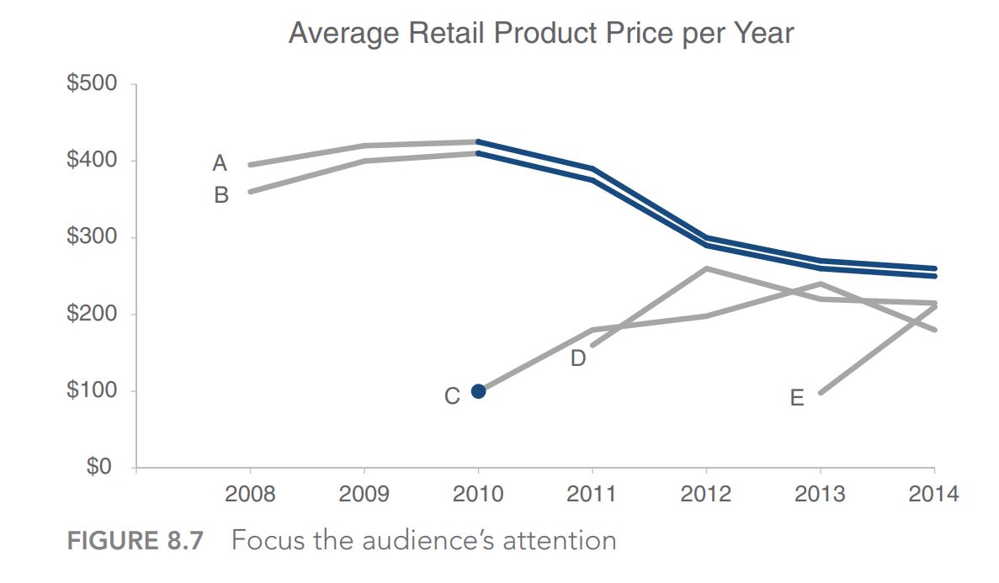


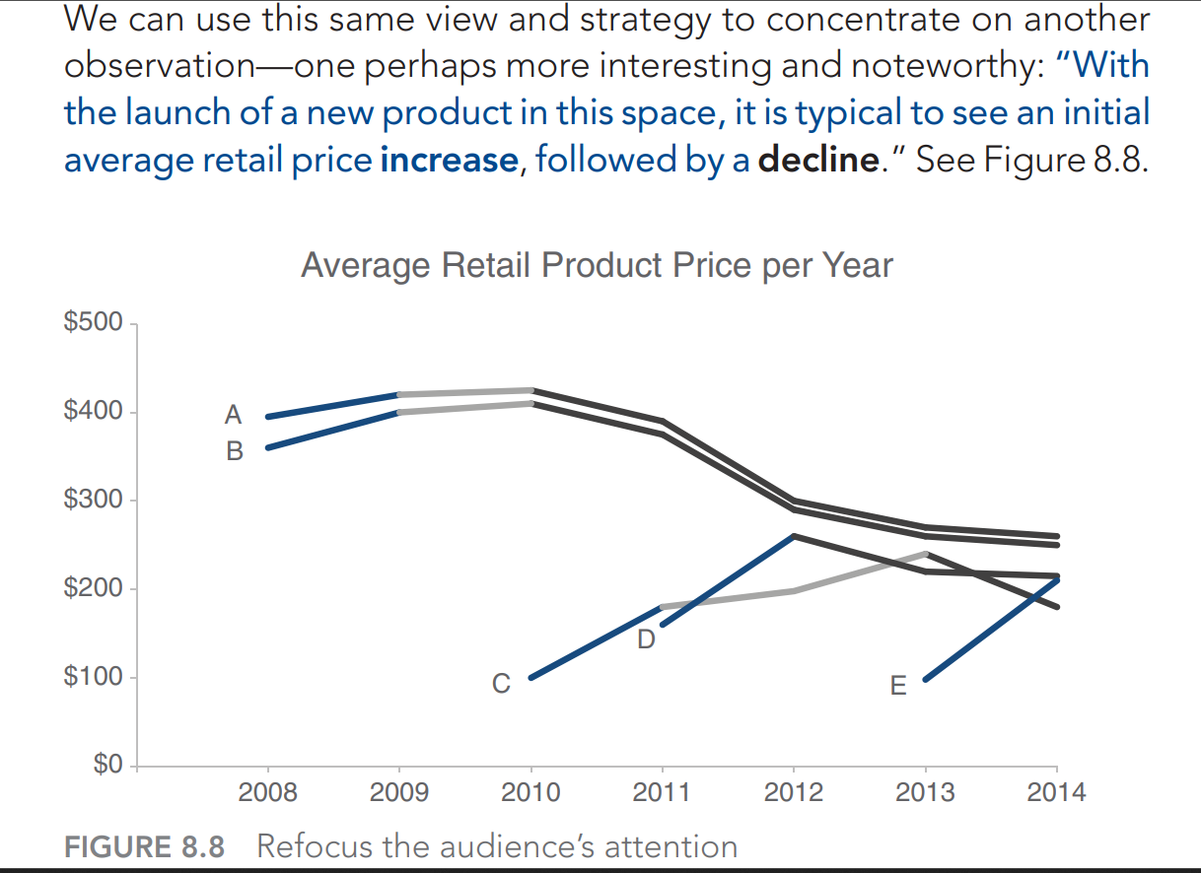

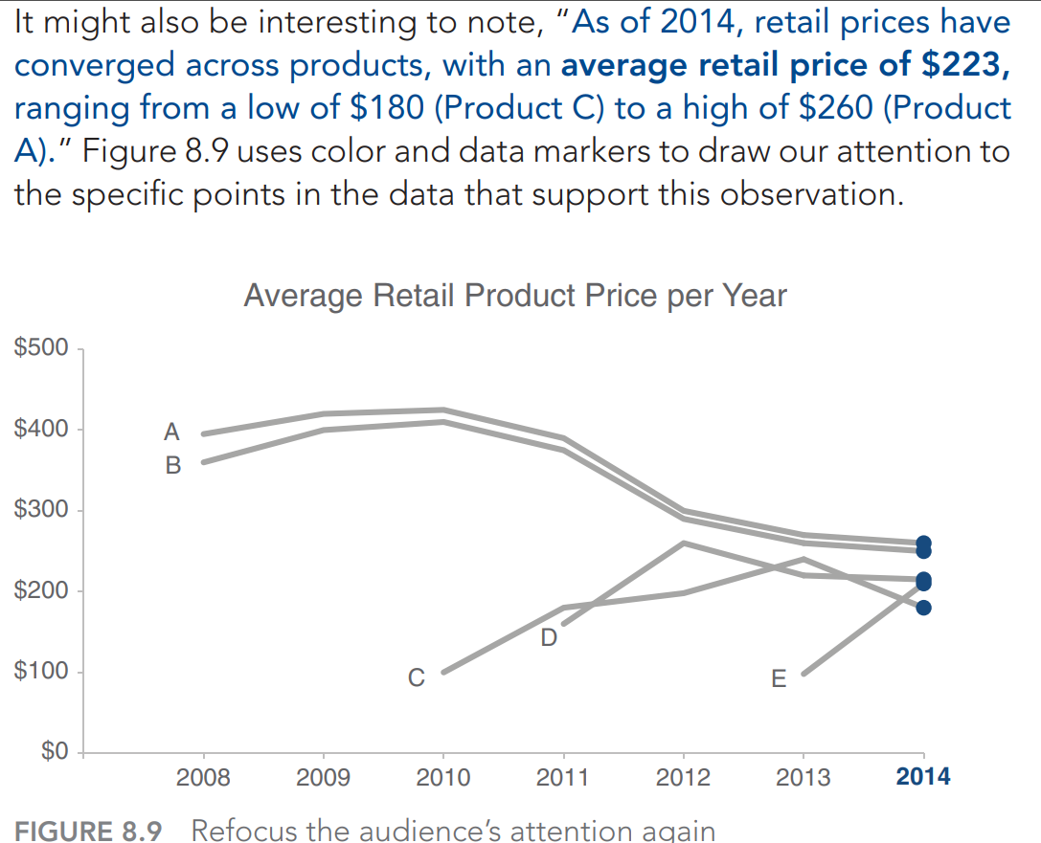

slopegraph
year | health | education | energy | transport | year | 2018 | 2024 | features created for data label (10.)
2018 | 16% | 20% | 70% | 60% |  | 2018 | 2024 |  |  | 1 | 2
2019 | 20% | 22% | 65% | 57% | health | 15% | 55% | 1 | 2 | 15% | 55% health
2020 | 25% | 25% | 50% | 55% | education | 20% | 45% | 1 | 2 | 20% | 45% education
2021 | 37% | 27% | 40% | 45% | energy | 70% | 35% | 1 | 2 | 70% | 35% energy
2022 | 40% | 30% | 40% | 45% | transport | 60% | 40% | 1 | 2 | 60% | 40% transport
2023 | 45% | 32% | 40% | 40%
2024 | 55% | 35% | 35% | 40%
case study : why does the life expectancy improved in the last 5 years in Sénégal ?

Health investment increased of 30% since 2020
Life expectancy improved by 40% since 2018 thanks to the increase of health investment .

bars
New & Existing Customers by Store
New & Existing Customers by Cluster
stores | type | clusters | store | Repeat | New
BRET | CC | cluster1 | BRET CC | 38% | 28%
ANN | RP | cluster1 | ANN RP | 25% | 15%
NICE | CV | cluster2 | NICE CV | 7% | 3%
FONT | CC | cluster3 | FONT CC | 17% | 10%
VAN | CC | cluster3 | VAN CC | 5% | 2%
PUGET | RP | cluster4 | PUGET RP | 9% | -2%

 | new | repeat
cluster1 | 32% | 22%
cluster2 | 7% | 3%
cluster3 | 11% | 6%
cluster4 | 9% | -2%

6 weeks
4 weeks of analysis

