City Location map
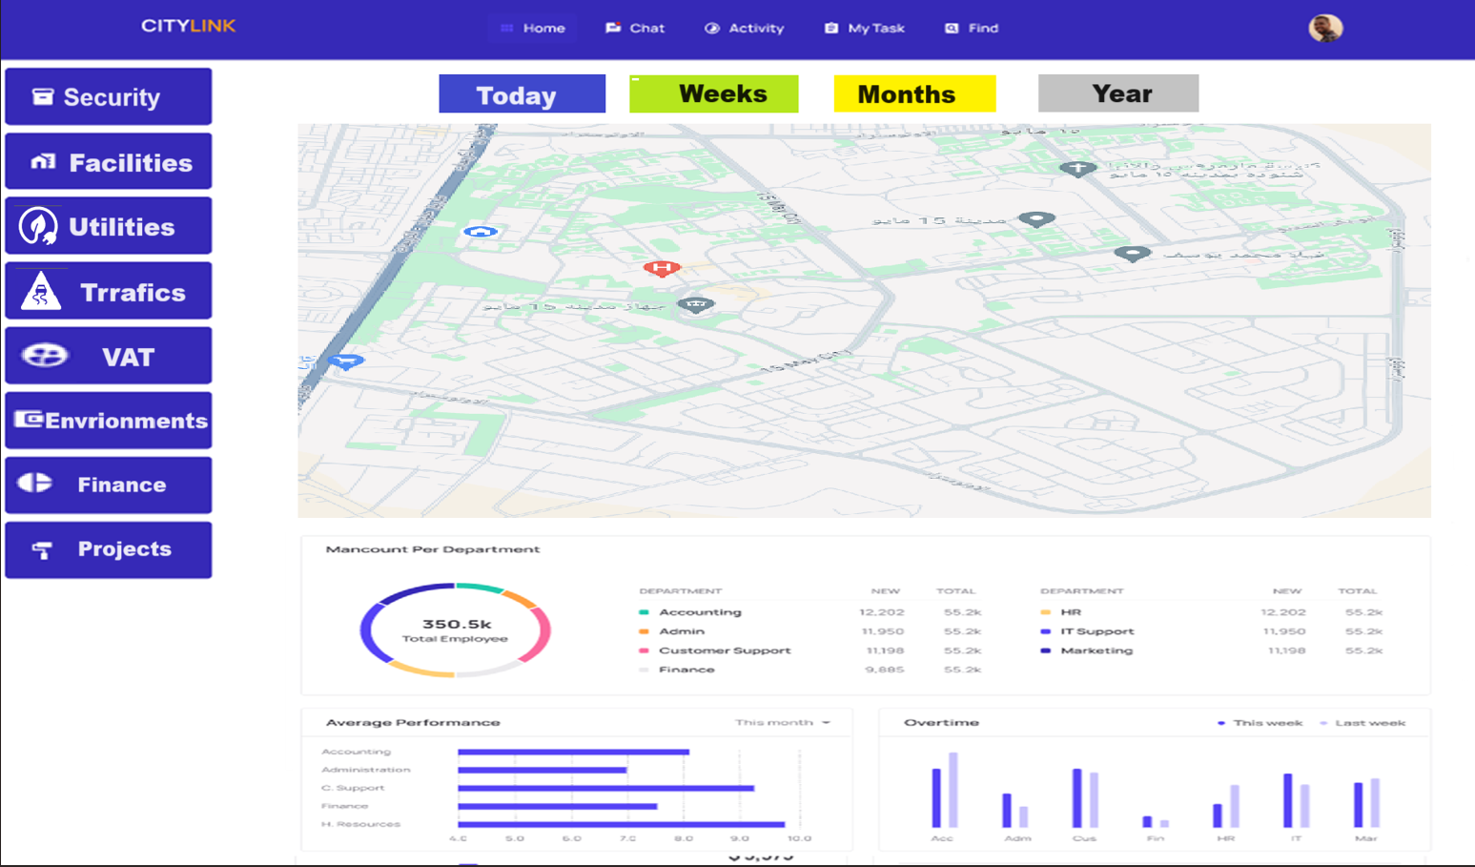
Gates | 29.83101037900778, 31.35683551570605
 | 29.81992787586966, 31.352854491568657
 | 29.8691136602577, 31.35441337224198
Malls | 29.827660373340212, 31.366260126990948
 | 29.826286534263044, 31.364750415906148
 | 29.832448100159773, 31.358806480526734
Roads Issues | 29.869948779701563, 31.351790412307277
 | 29.868468030994855, 31.36862427650469
 | 29.832448100159773, 31.358806480526734
 | 29.829040828491046, 31.369877854303542
Pub Facilities | 29.84335229294439, 31.36322895511419
 | 29.841548732411884, 31.358014277865227
 | 29.832448100159773, 31.358806480526734
 | 29.832214392914423, 31.357971809187088
Roads Issues | 29.869948779701563, 31.351790412307277
 | 29.82743269779407, 31.36502134691576
 | 29.832448100159773, 31.358806480526734
VAT | 29.831969521567995, 31.358476952577604
 | 29.832448100159773, 31.358806480526734
 | 29.823022976884612, 31.365618888882942
 | 29.83083263651639, 31.36643208867308
 | 29.832448100159773, 31.358806480526734

