12. Materiality
12. Materiality
This report focuses on the sustainability risks, opportunities and impacts that hold significant relevance for both our organisation and our stakeholders. Given the importance of reflecting current and emerging trends, we undertook a materiality assessment in 2023. This process included: - Engaging with internal and external stakeholders. - Facilitating workshops and virtual surveys with a diverse range of internal stakeholders. representing Cleanaway’s business units. - Utilisation of survey feedback to aggregate, assign weights and evaluate scores. - Streamlining and reordering of topics based on internal input. - Adjusting our material topic definitions to convey clear and concise messaging. Throughout the assessment process, we considered evolving global Environmental, Social and Governance (ESG) trends and the alignment with our Blueprint 2030 strategy. While reaffirming the significance of our material topics, the outcomes of the assessment also prompted certain adjustments aimed at simplification and reprioritisation of material topics. In particular: Culture, diversity and inclusion: amalgamation of Workplace culture and engagement and Diversity, equity and inclusion to better represent the interdependence and management of these aspects. Strategic infrastructure: renamed from Strategic Assets to align to Blueprint 2030; importance increased. Health, Safety and Environment: increased in importance as these topics are foundational to everything we do at Cleanaway. Low Carbon Energy Generation: removed as a separate topic and incorporated into Strategic infrastructure. We remain committed to prioritising material topics based on their importance and impact level on Cleanaway and our stakeholders. These topics are systematically linked to our ESG pillars: People, Planet and Prosperity. Subsequently, we developed a refreshed materiality matrix to visually illustrate the relative significance of these topics for Clea
12.1 Summary Table
Sustainability Pillar | Topic | Definition
People | Workforce safety, health & wellbeing | Workforce health and safety is foundational at Cleanaway. We do this through excellence in managing risk and compliance obligations, enabled by fit-for-purpose systems and processes.
 | Labour practices | Organised labour plays an important role in the waste industry. Cleanaway acts to ensure adherence and appropriateness of Enterprise Agreements, appropriate workers compensation and upholding of labour rights.
 | Community impact management | Understanding and mitigating the potential impact that our operations may have on the surrounding community.
 | Culture, Diversity and Inclusion | Fostering a positive culture at Cleanaway that aligns with our guiding principles and leadership model. We celebrate the different experiences, knowledge, family structures, nationalities, and hobbies that everyone has. We know that when people can be themselves at work, they are happier and safer, feel valued, empowered, and like they belong; and that’s something that benefits us all.
 | Talent attraction and retention | Attracting and retaining the best talent in a competitive job market by providing rewarding opportunities for career development, building performance-focused and values-aligned teams, and ensuring our employees are challenged and inspired to succeed in their careers.
 | Community education and engagement | Engaging with our customers and communities, to improve waste management and resource recovery practices and positively contribute to the economic, environmental, and social wellbeing of the communities in which we operate.
Planet | Environmental Impacts and compliance | Environment is foundational at Cleanaway. We are committed to continually improving our environmental standards for the benefit of the environment, our employees, stakeholders, and the community.
 | Circular economy | Enabling the circular economy by integrating and extending our leading network of infrastructure assets to provide high circularity low-carbon solutions. Cleanaway partners with our customers, technology providers, industry, and governments to meet Australia’s complex waste needs.
 | Climate risk | Identifying and responding to physical and transitional climate risks, and through this ensuring climate change adaptation, mitigation and resilience strategies are embedded as part of Cleanaway's risk management framework..
 | 1.5°C ambition | Reduction of Cleanaway’s Scope 1 and 2 greenhouse gas emissions in line with a science-based pathway to limit global warming to 1.5°C above pre-industrial levels.
 | Water consumption | Strategies to measure, monitor and reduce Cleanaway's water consumption.
Prosperity | Advocacy and policy leadership | Engaging and guiding policy makers and regulators to address constraints in current systems of production, consumption, recovery and reuse.
 | Customer experience | Bringing together service, value and sustainability to meet customers' changing needs, values and goals.
 | Strategic Infrastructure | Integrating and extending our leading network of infrastructure assets through the effective implementation of Cleanaway’s Blueprint 2030 strategy.
 | Partnerships for integrated solutions | Leveraging values-aligned industry and customer partnerships to deliver fit-for-purpose and/or innovative solutions that drive diversion and support Cleanaway’s vertically integrated model.
 | Responsible supply chain | Working with our customers, employees, suppliers, and other relevant stakeholders to identify and mitigate any social and environmental risks in our operations and supply chain, including modern slavery.
 | Governance, accountability & transparency | Integrity of Cleanaway's governance systems to deliver ethical business operations. Includes a focus on robust risk management, anti-corruption, fair remuneration practices and transparent disclosure of business performance and practices.
 | Economic contribution | Sustainable financial performance to deliver shareholder returns over the long term, ensure organisational sustainability, and contribute to a strong Australian economy through creation of reliable employment as well as transparent tax contributions. Effectively managing acquisitions, mergers, and joint ventures to ensure the long-term growth of the business.

11.2 FY23 Materiality matrix
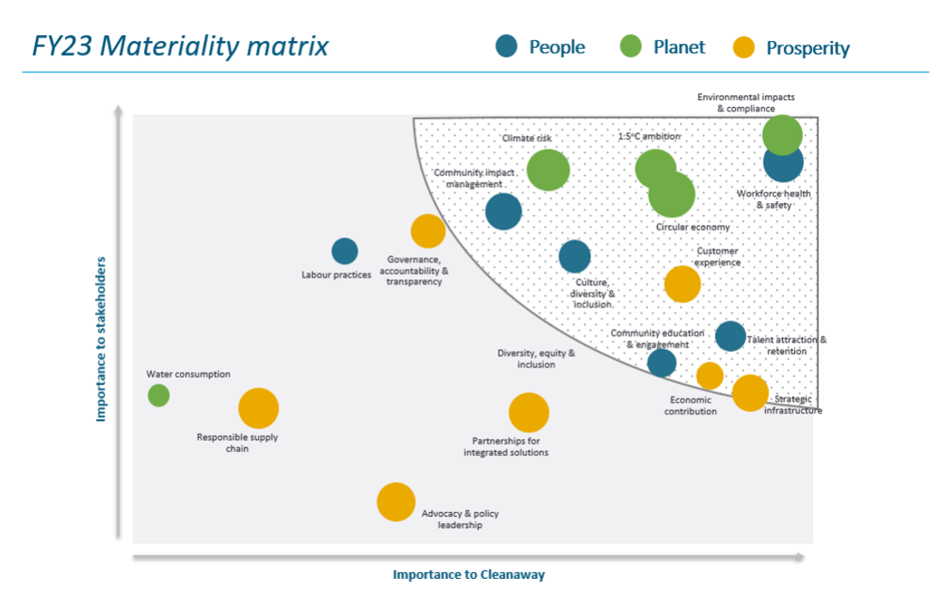

The size of the bubble within the matrix corresponds to the potential impact of the respective topic on people, the planet, and prosperity.

13. UN SDGs
12. United Nations Sustainable Development Goals
The SDGs were developed by the United Nations in 2015 as a blueprint to achieve a more sustainable and equitable future for all by 2030. The SDGs consist of 17 goals and 169 related targets that seek to end poverty, protect the planet and ensure all people enjoy peace and prosperity. All UN Member States have adopted the SDGs Whilst Cleanaway recognises the importance and interdependence of all 17 goals, we have identified and prioritised eight core SDGs most relevant to our business that we can contribute to. We know that alignment does not equate to impact. The SDGs represent an ambitious agenda and we will work in the coming years to make the strategic and operational changes required to make a positive contribution. We also know that partnerships are important in achieving our goals. Our FY22 Sustainability Report provides information on how we are working with other companies to improve Australia’s resource recovery and recycling capacity, advance Australia’s transition to a circular economy and contributing to the SDGs.

Our alignment to SDGs
SDG | How this aligns to our business
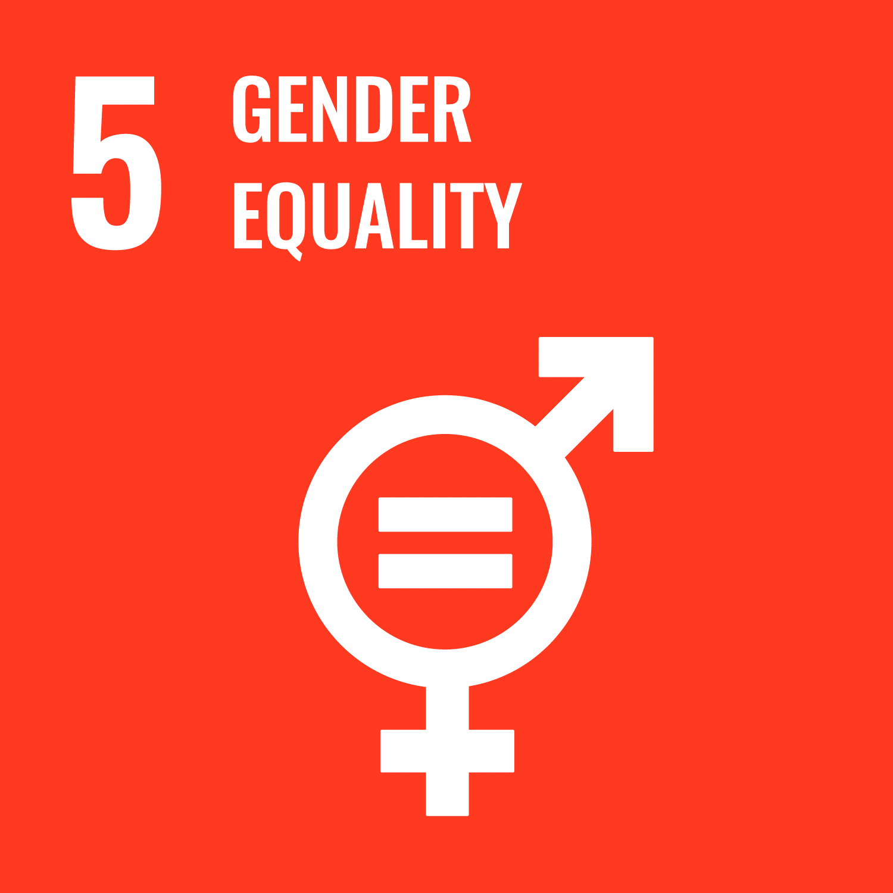 | Our employees come from diverse backgrounds, experience, skills and needs. This gives us a deep appreciation of the competitiveness, flexibility, and resilience that diversity brings. Whether it’s a different background or a different way of thinking, our business is stronger with those perspectives being heard. An important part of fostering a diverse and inclusive workplace is increasing female participation across our workforce. Effective from FY22, we have introduced new female participation targets aligned to 40:40 Vision.
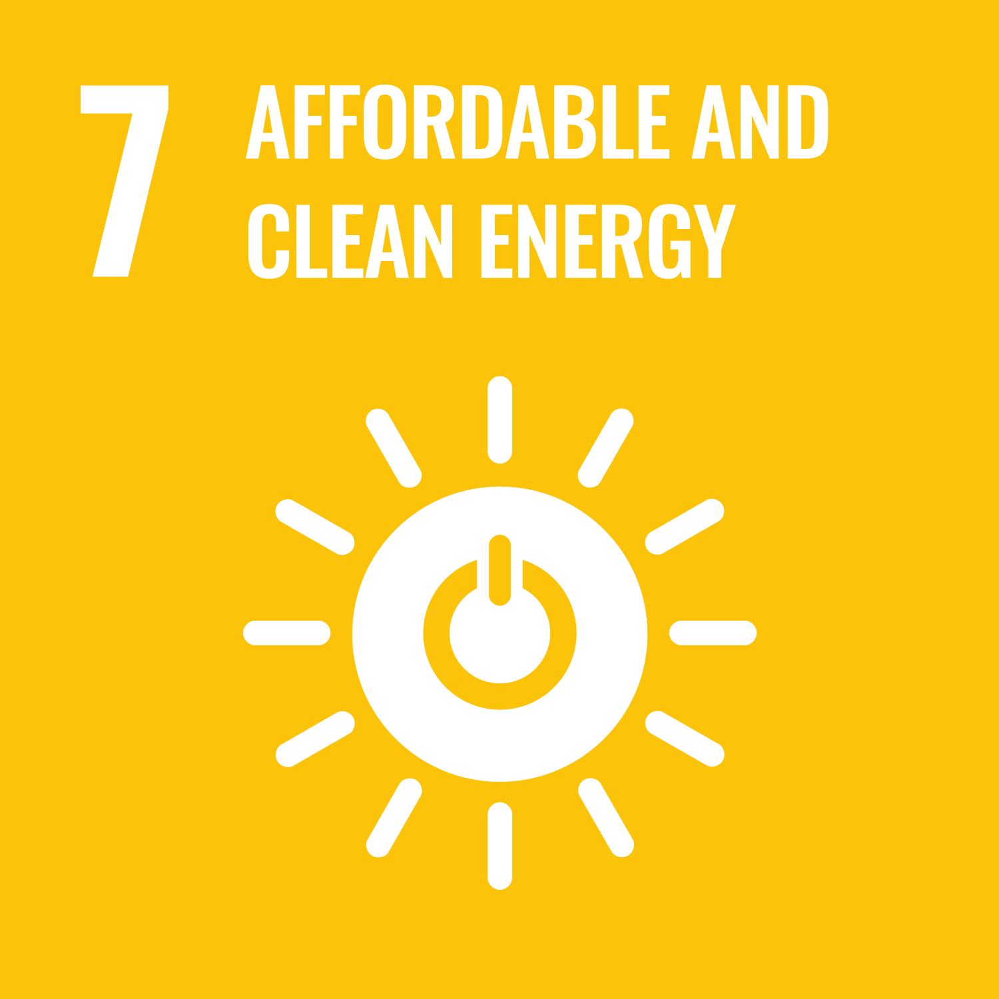 | At present, resource recovery is not an option for all waste streams, and a large proportion go to landfill, where they generate greenhouse gases. By capturing gas from our landfills, we generate enough renewable electricity to power ~47,200 average homes and help reduce Australia’s reliance on fossil fuels. The majority of our heavy vehicles run on diesel. We are trialling electric vehicles in our fleet to reduce these emissions, and are a foundation partner of the Viva Energy New Energies Service Station Project which will see us procure and trial hydrogen fuel cell heavy vehicles.* Energy from waste represents an important alternative to engineered landfill for managing waste that cannot be sustainably recovered. In addition to the safe and clean management of residual waste, it also enables the generation of low carbon clean energy.
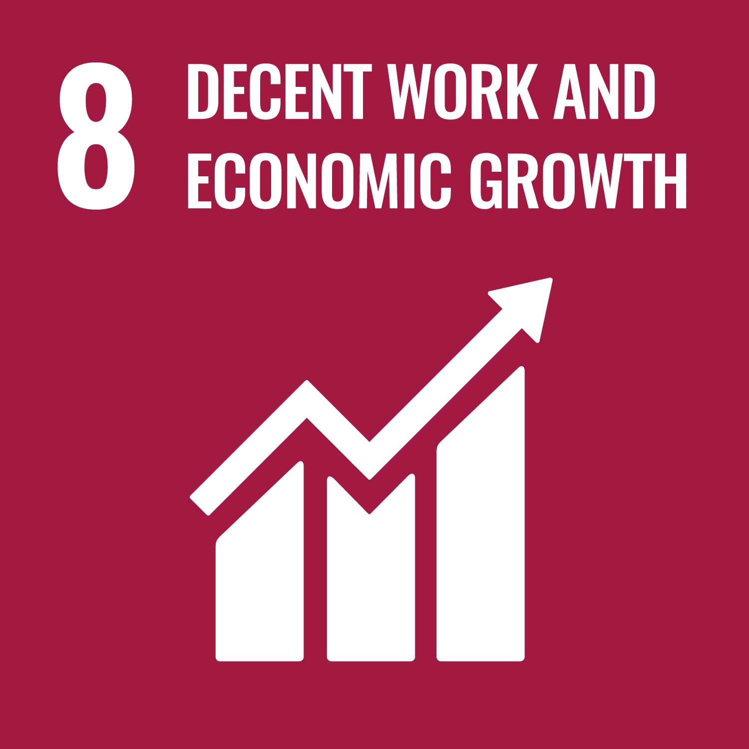 | We provide direct employment for more than 7,500 people across 330+ sites all around Australia. We develop our people’s skills and strive to provide a safe working environment. Collecting and processing waste poses safety hazards that we need to manage to keep our people safe. We are also mindful of our responsibilities in relation to labour rights and modern slavery, both in our own operations and our supply chain.
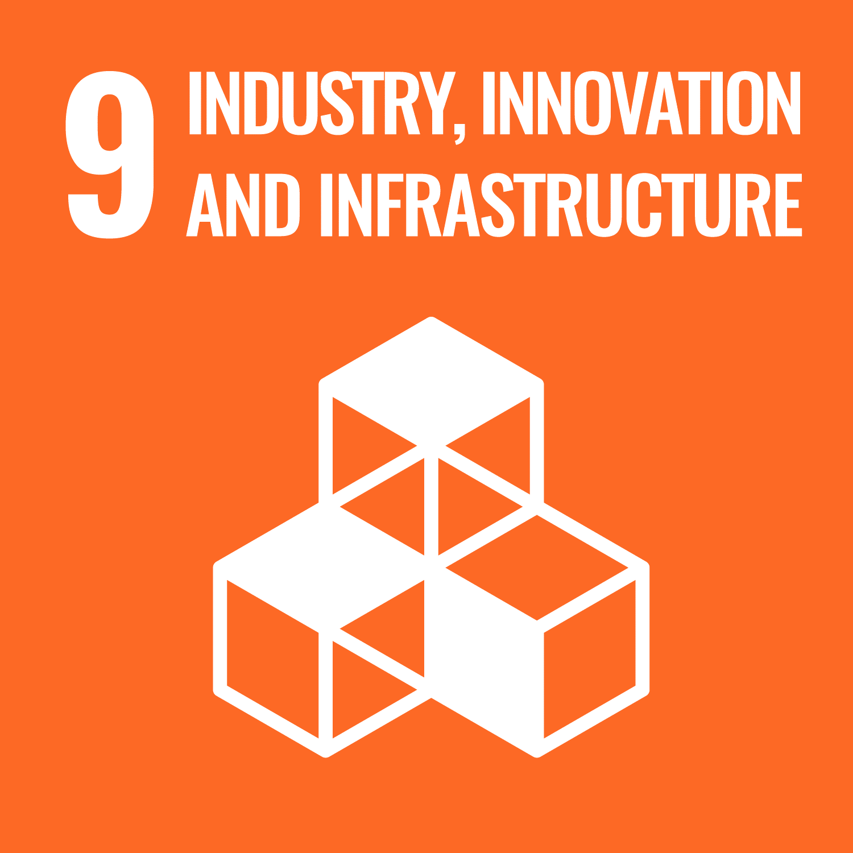 | Our network of prized assets provide critical infrastructure to support a circular economy and create a sustainable future, with the capacity to service the needs of the market. We continuously explore leading technology and processes to enable the circular economy and deliver innovative customer solutions.
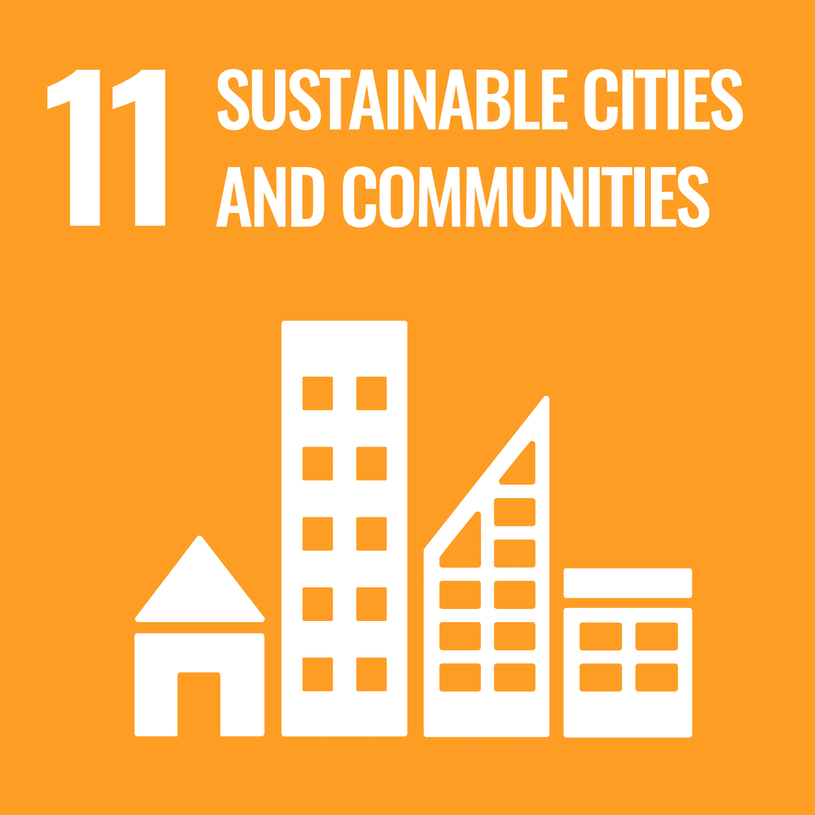 | By helping cities to manage their waste effectively, our services help to reduce the environmental impact of cities and enhance inclusive and sustainable urbanisation.
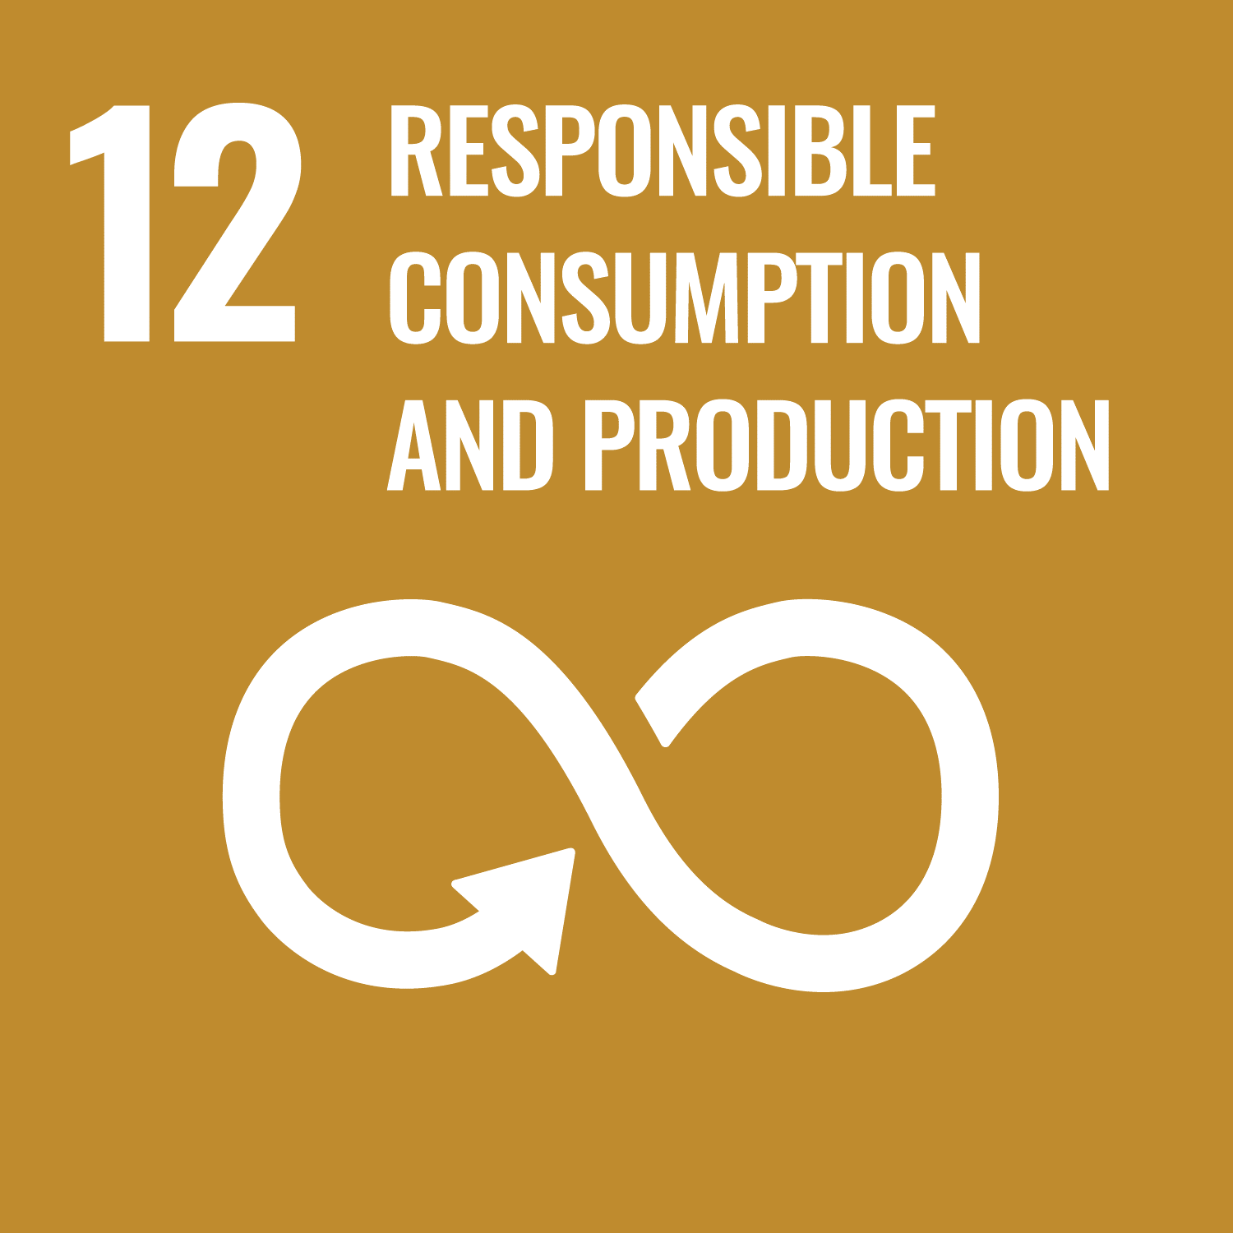 | Cleanaway has a critical role to play in the sustainable management and use of natural resources, the responsible management of chemicals and waste, and supporting the reduction in waste generation. We believe that waste is a resource, and we focus on extracting the maximum value from every tonne. While we work towards more integrated services, we also actively partner with other organisations to drive our vision forward.
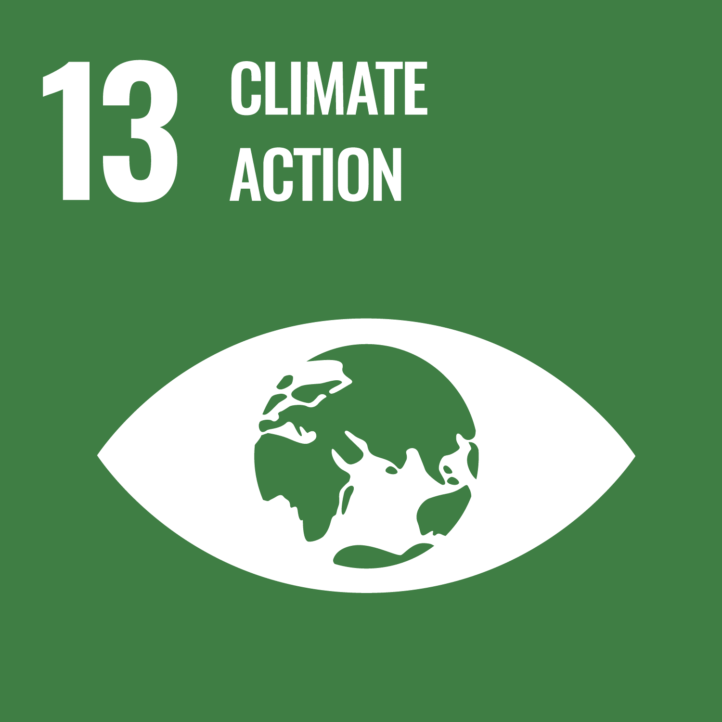 | We are working to reduce our GHG footprint. We recognise that landfill presents a particular challenge, as waste will continue to produce GHG emissions though natural decomposition long after it is disposed of. We are actively investing in ways to minimise this impact. Our resource recovery activities also help to reduce GHG emissions.
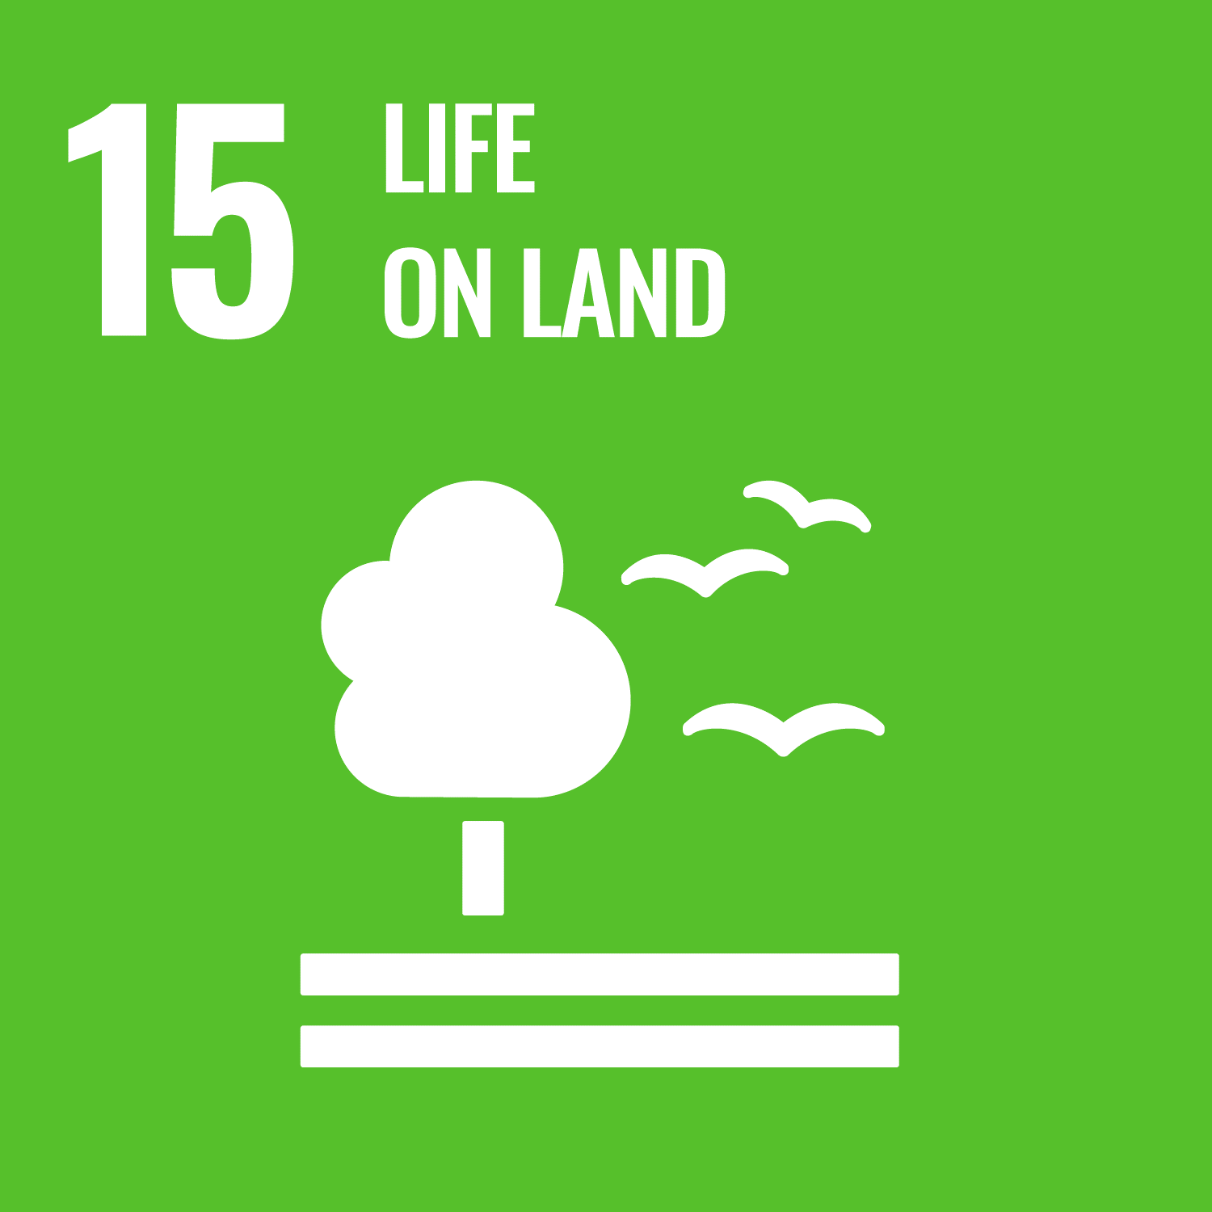 | We adhere to all environmental legislation and licensing requirements to minimise adverse effects on the environments in which we operate. We endeavour to secure and conduct regular checks of all our facilities to prevent contaminants escaping and causing harm to the environment.
 | * Source: https://www.cleanaway.com.au/about-us/our-business/ourfleet/

