Sheet1
Please note, this spreadsheet contains information on, and links to, the components we used to build Alto originally. The links are by way of suggestion only and are not intended as any endorsement or recommendation to use these particular suppliers. Depending on your location, availability of suppliers, and date accessing this, some of these components may not be available to you, and may have changed price. If a component specified here is not available, try sourcing a suitable alternative with similar electrical and physical properties. Be aware, when using alternative components, you might have to make some adjustments to the supplied design.

Protoboard Parts
Component | Image | Part Number | Quantity | US Supplier | Price ($) | UK Supplier | Price (£) | Notes
Adafruit Perma Proto Bonnet Mini Kit | 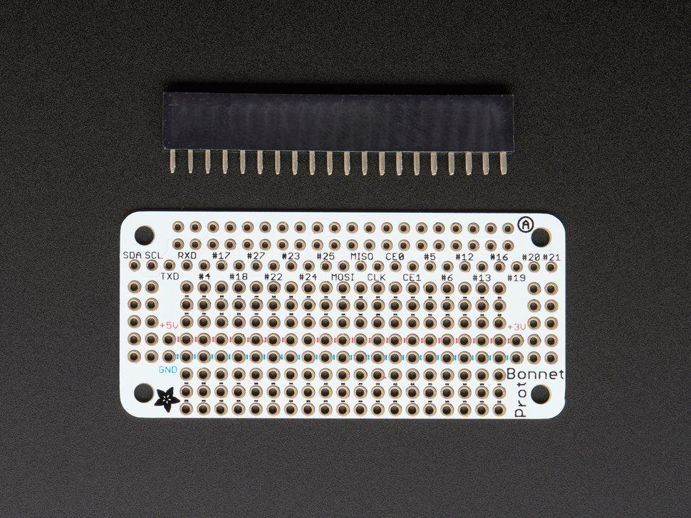 | 3203 | 1 | https://www.adafruit.com/product/3203 | $4.50 | https://thepihut.com/products/adafruit-perma-proto-bonnet-mini-kit | £4.00
Hookup wire | 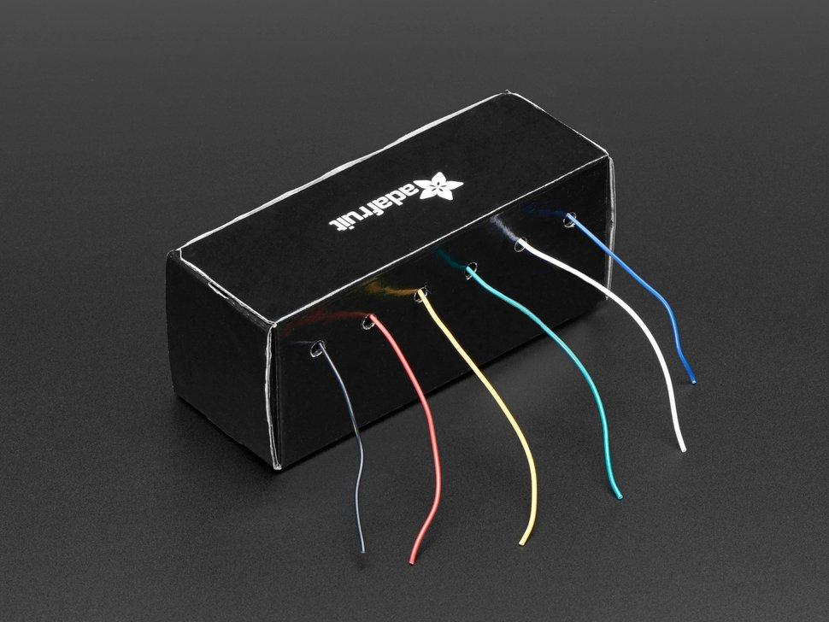 | 1311 | 1 pack | https://www.adafruit.com/product/1311 | $15.95 | https://thepihut.com/products/hook-up-wire-spool-set-22awg-stranded-core-6-x-25ft | £18.50

PCB Parts
Component | Image | Part Number | Quantity | US Supplier | Price ($) | UK Supplier | Price (£) | Notes
PCB | 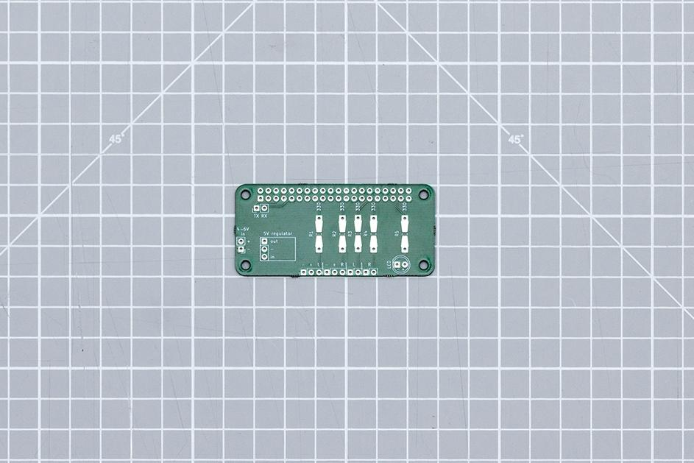 |  | 1 |  |  |  |  | This PCB is a custom part made to order. Please refer to the Github Repo to download the gerber files for fabrication
2x20 way socket strip, 0.1 inch (2.54mm) pitch | 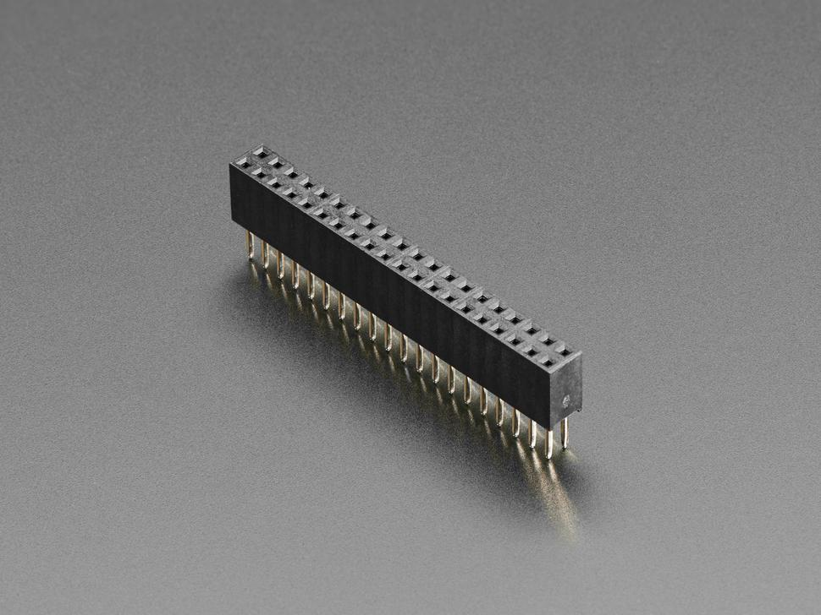 | 4079 | 1 | https://www.adafruit.com/product/4079 | $1.95 | https://thepihut.com/products/2x20-socket-riser-header-for-raspberry-pi-hats-and-bonnets | £2.00

Common parts for both Protoboard and PCB builds
Component | Image | Part Number | Quantity | US Supplier | Price ($) | UK Supplier | Price (£) | Notes
Polulu 5V step up step down regulator | 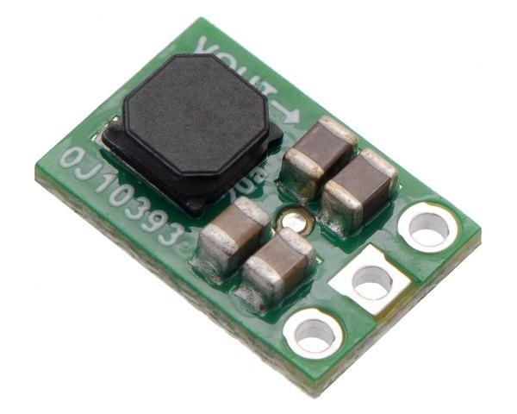 | S9V11F5 | 1 | https://www.pololu.com/product/2836 | $5.95 | https://coolcomponents.co.uk/products/5v-step-up-step-down-voltage-regulator-s9v11f5 | £5.41
220 or 330 Ohm 1/4W through hole resistors | 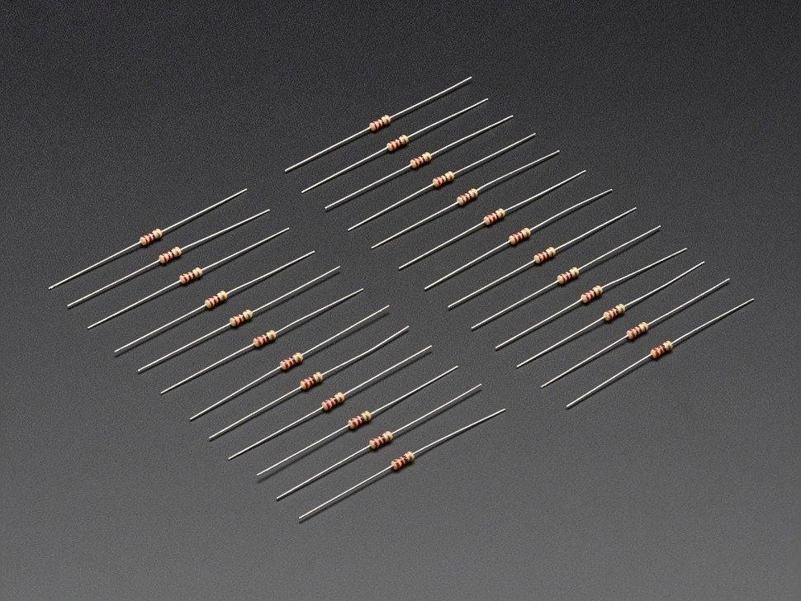 | 2780 | 1 pack | https://www.adafruit.com/product/2780 | $0.75 | https://coolcomponents.co.uk/collections/passive-components/products/resistors-10-pack?variant=31496785264701 | £1.20
Straight pin header, 0.1 inch (2.54mm) pitch, 20-40 pins | 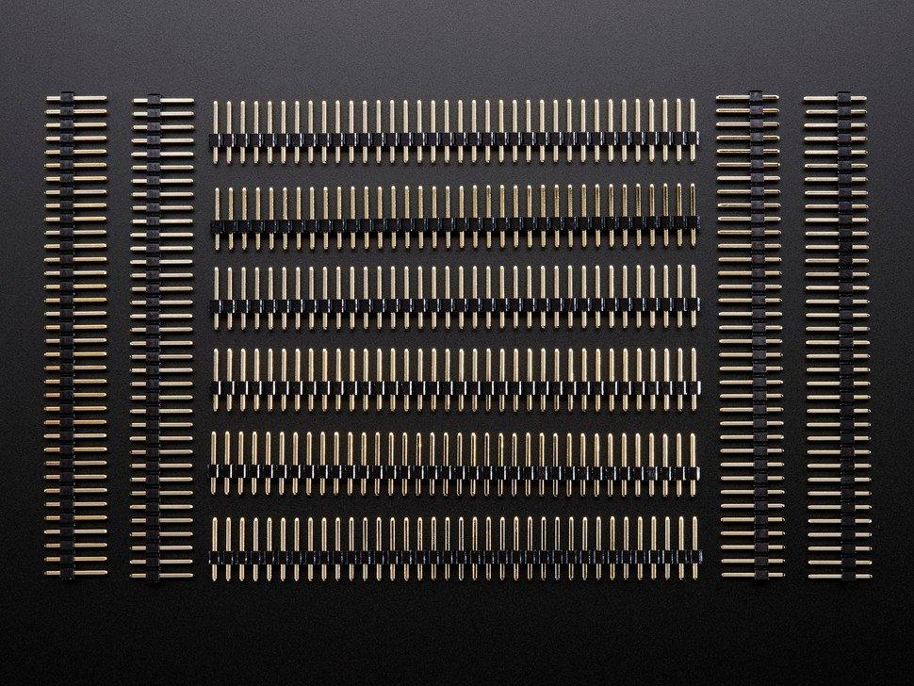 | 392 | at least 16 pins | https://www.adafruit.com/product/392 | $4.95 | https://thepihut.com/products/break-away-0-1-36-pin-strip-male-header-black-10-pack | £4.50
White LED | 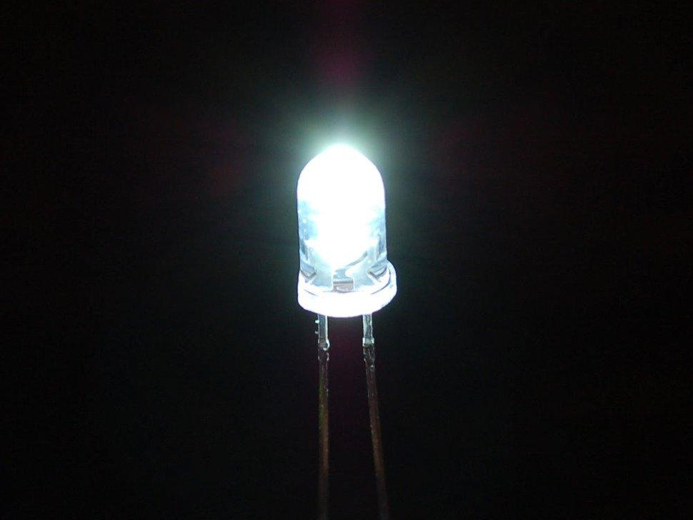 | 754 | at least 1 | https://www.adafruit.com/product/754 | $6.95 | https://thepihut.com/products/ultra-bright-led-5mm-white-10-pack | £1.50 | Any alternative LEDs with a similar power consumption can be used
USB Micro-B Breakout Board | 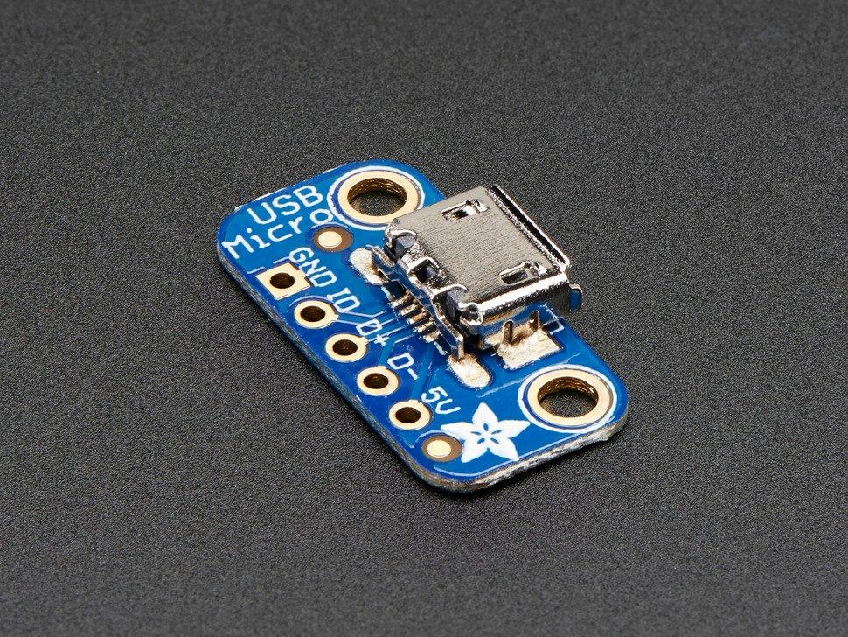 | 1833 | 1 | https://www.adafruit.com/product/1833 | $1.50 | https://thepihut.com/products/adafruit-usb-micro-b-breakout-board | £1.50 | Alternative USB connector types can be used depending on what cables you have
Female/Female Jumper Wires | 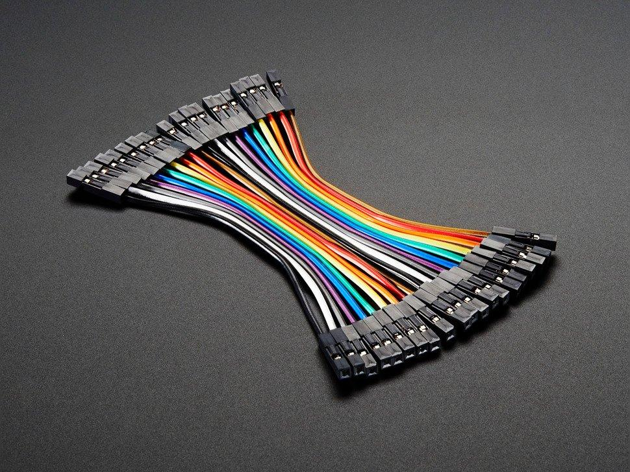 | 1951 | 1 pack | https://www.adafruit.com/product/1951 | $1.95 | https://thepihut.com/products/premium-female-female-jumper-wires-40-x-6 | £3.50
Raspberry Pi Zero WH | 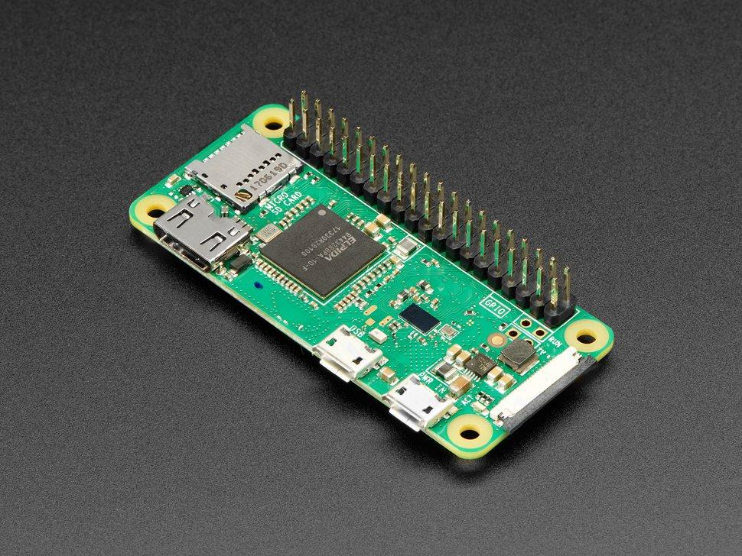 | 3708 | 1 | https://www.adafruit.com/product/3708 | $14.00 | https://thepihut.com/products/raspberry-pi-zero-wh-with-pre-soldered-header | £13.50
Coral USB Accelerator | 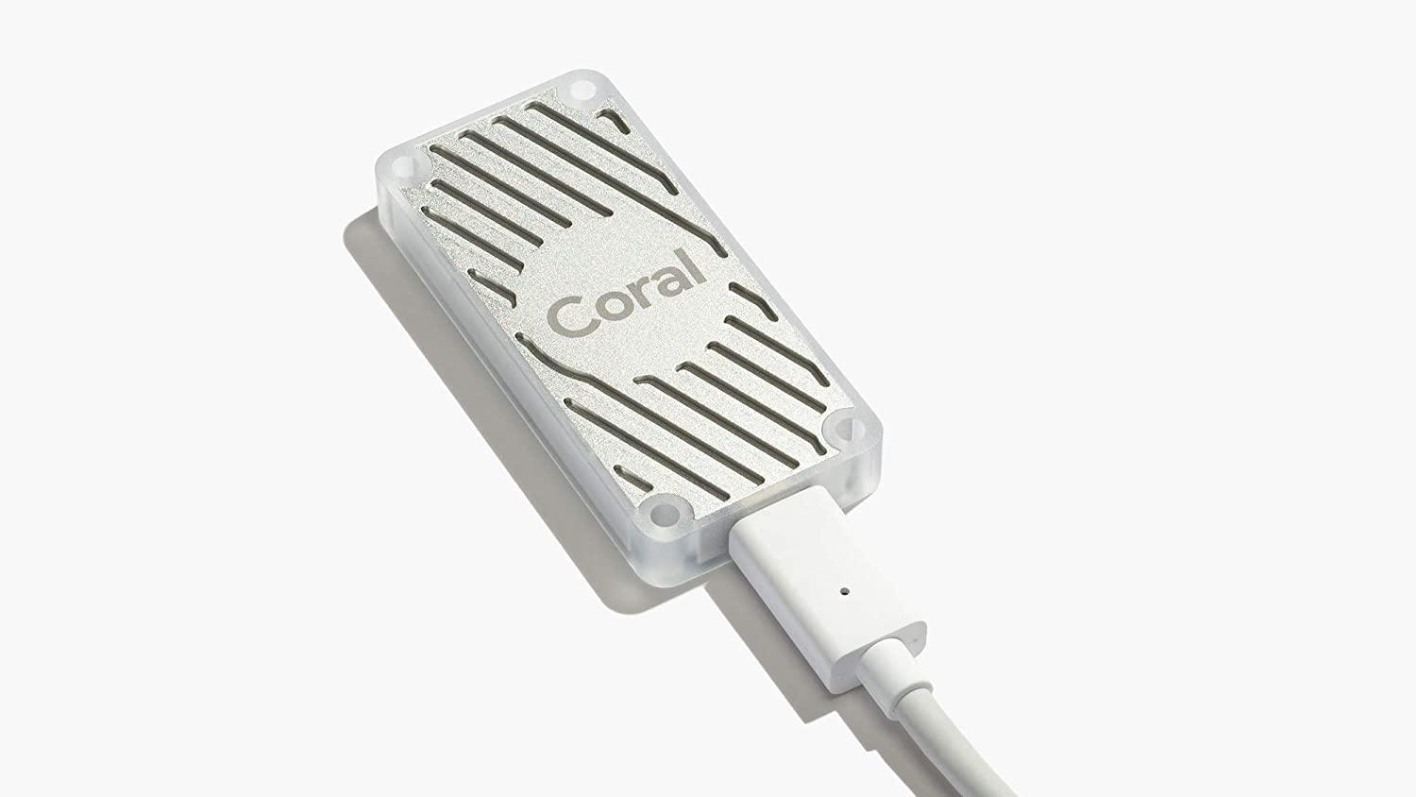 |  | 1 | https://coral.ai/products/accelerator | $59.99 | https://thepihut.com/products/coral-usb-accelerator | £59.00
Right angle USB micro B to type C cable | 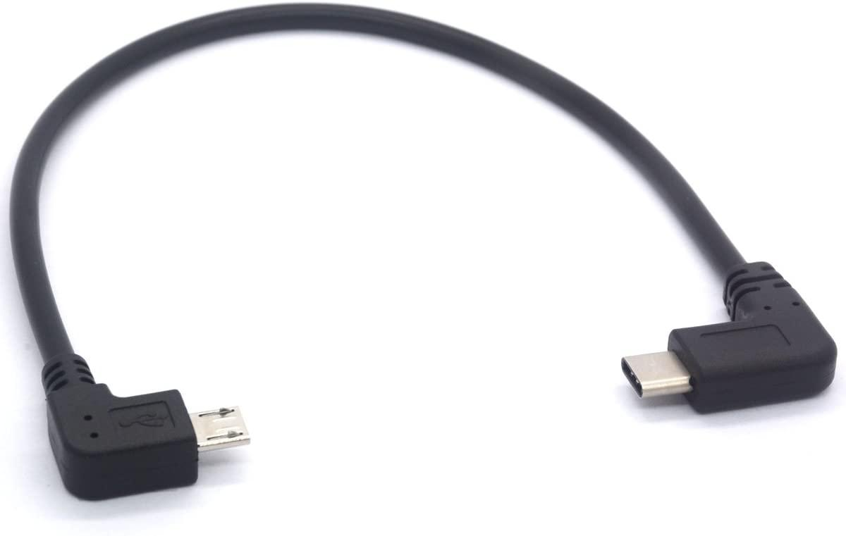 |  | 1 |  |  | https://www.amazon.co.uk/Type-Micro-Cable-Degree-Extension/dp/B07DMY3D4Z/ref=sr_1_12 | £7.99 | If you're having trouble sourcing this component, it is possible to convert a USB C cable with this connector. However, this requires delicate soldering and is not reccomended.
Raspberry Pi Camera | 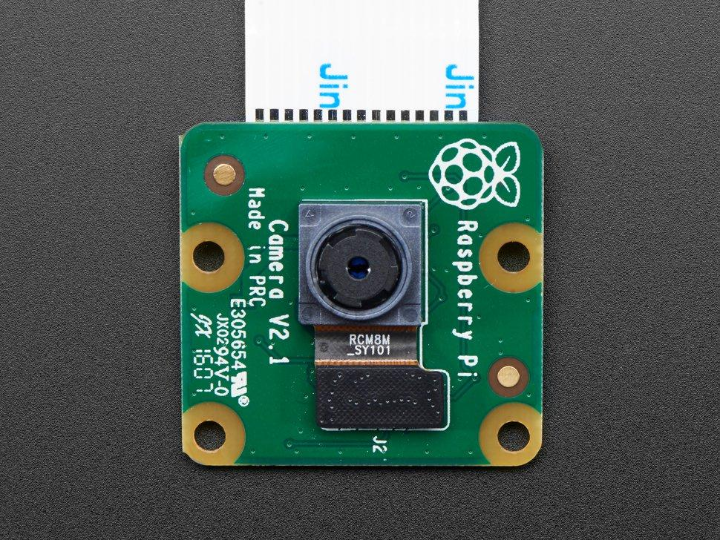 | 3099 | 1 | https://www.adafruit.com/product/3099 | $29.95 | https://thepihut.com/products/raspberry-pi-camera-module | £24.00
Raspberry Pi Zero v1.3 Camera Cable | 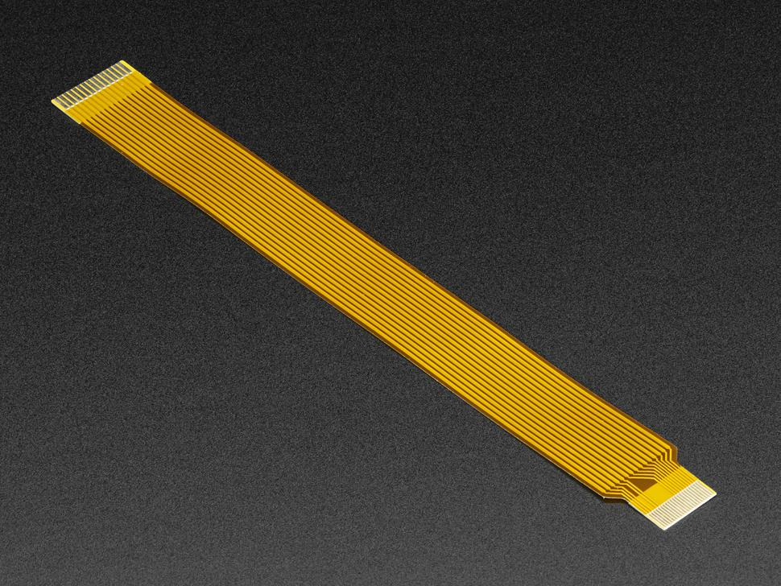 | 3157 | 1 | https://www.adafruit.com/product/3157 | $5.95 | https://thepihut.com/products/raspberry-pi-zero-camera-adapter | £4.00
Micro SD Card (>8GB) | 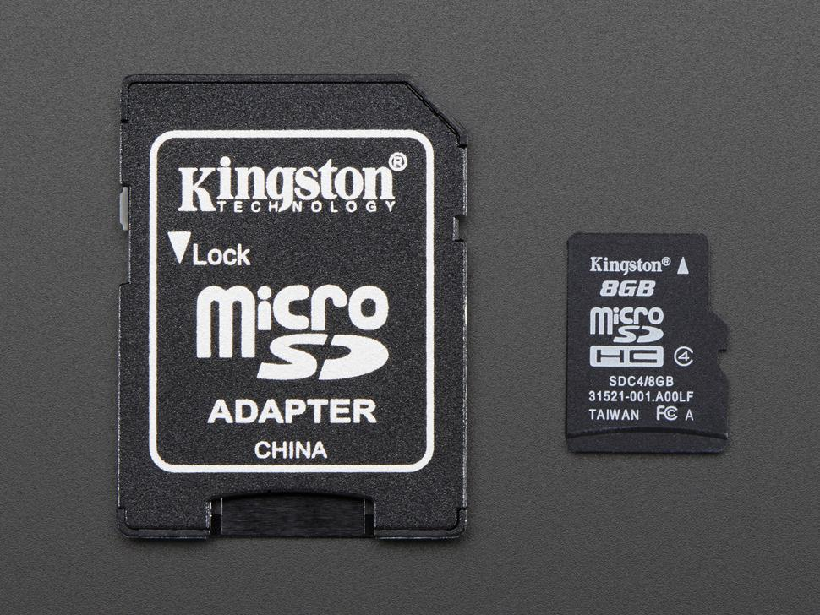 | 1294 | 1 | https://www.adafruit.com/product/1294 | $9.95 | https://thepihut.com/products/sd-microsd-memory-card-8-gb-sdhc | £9.00
SG92R Micro Servos | 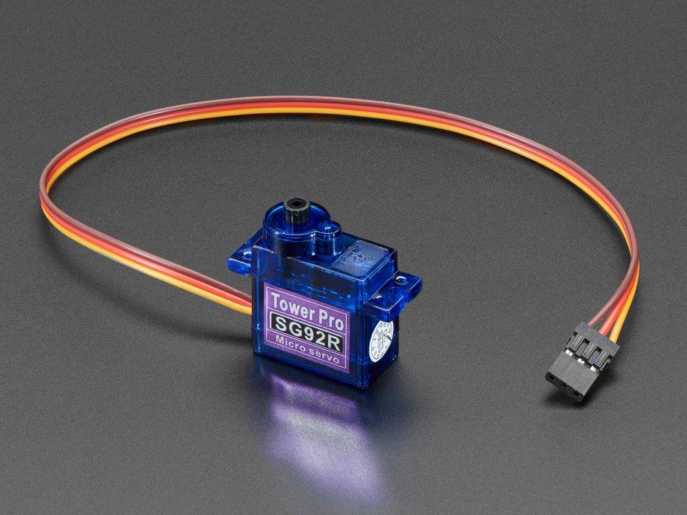 | 169 | 2 | https://www.adafruit.com/product/169 | $5.95 | https://thepihut.com/products/micro-servo | £5.50
Momentary tactile push buttons | 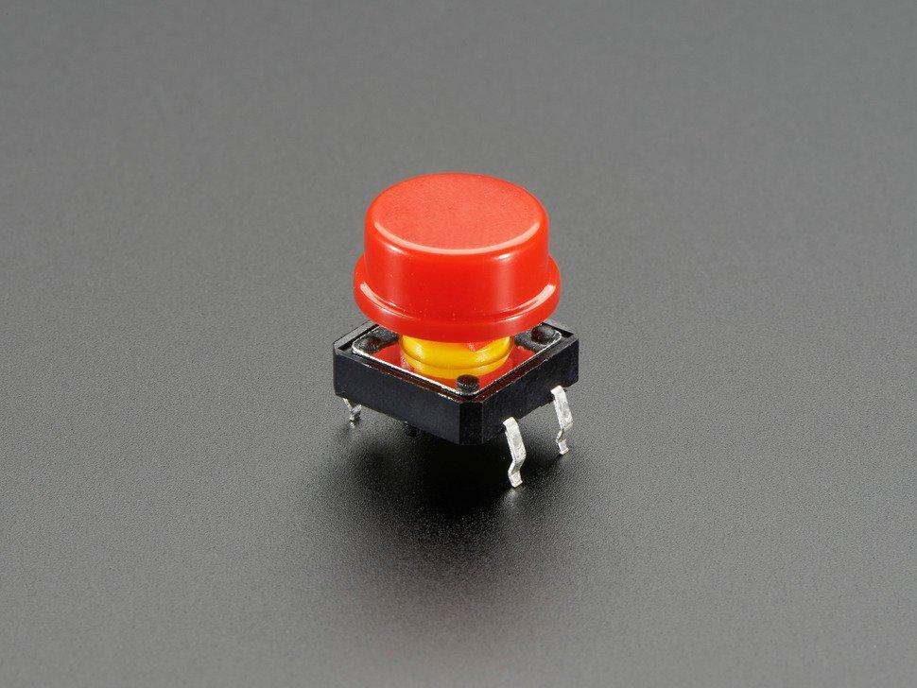 | 1009 | at least 2 buttons | https://www.adafruit.com/product/1009 | $5.95 | https://thepihut.com/products/colorful-round-tactile-button-switch-assortment-15-pack | £5.50
USB Serial Adaptor | 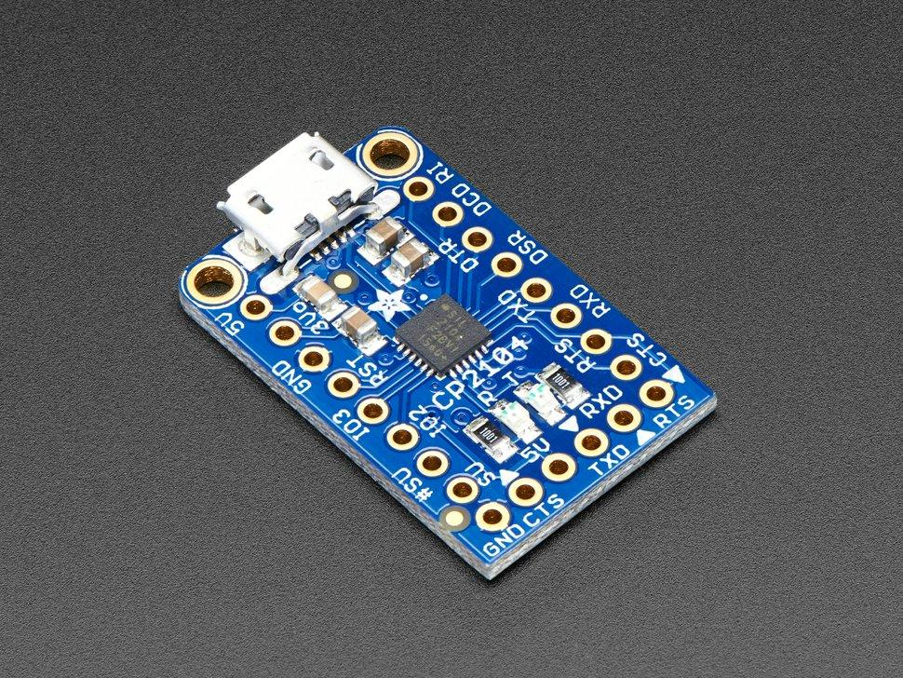 | 3309 | 1 | https://www.adafruit.com/product/3309 | $5.95 | https://thepihut.com/products/adafruit-cp2104-friend-usb-to-serial-converter | £5.50

Craft Materials
Component | Image | Part Number | Quantity | US Supplier | Price ($) | UK Supplier | Price (£) | Notes
2mm Cardboard (Flute E) |  |  | at least 3 A4 sheets | https://www.amazon.com/dp/B088M38SZ3/ | $16.99 | https://modelshop.co.uk/Shop/Item/Card-corrugated-sandwich-3-5mm/ITM6524 | £1.85 per sheet | Available at most good craft stores. We have used single corrigated Flute E card (approx. 2mm thick). Alternative thicknesses can be used, but will require alterations to the casing design
White card |  |  | at least 4 A4 sheets | https://www.amazon.com/Accent-188179R-Opaque-Thick-Cardstock/dp/B0114MUOOO | $16.54 | https://www.amazon.co.uk/House-Card-Paper-300-gsm/dp/B01G6H86P6 | £5.99 | For Alto's outer casing. We used 300gsm matt card, but any A4 card or paper can be used as an alternative.
Coloured card | 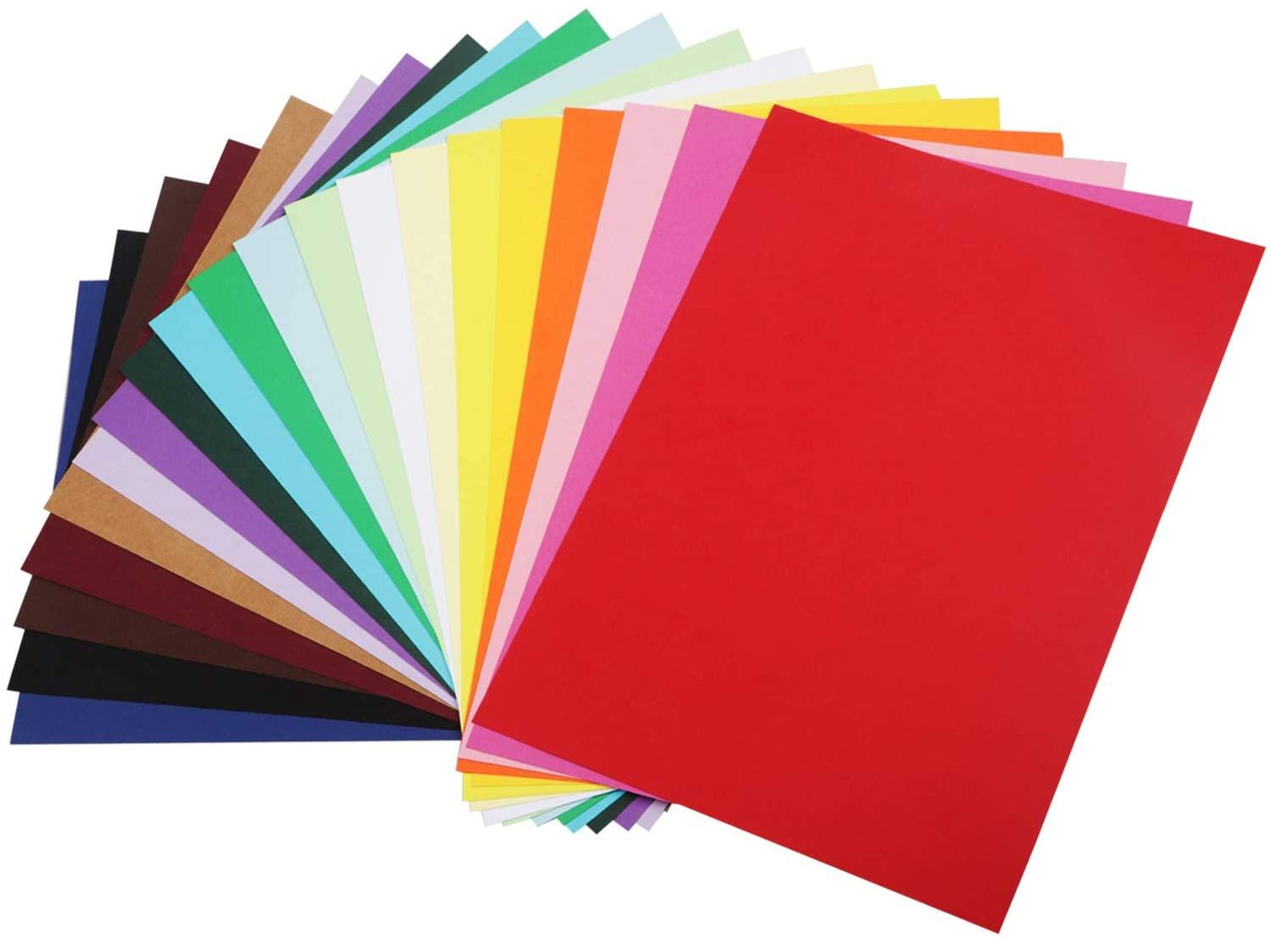 |  | at least 3 A4 sheets | https://www.amazon.com/Yeesun-Coloured-Construction-Assorted-Decoration/dp/B08B5S98NZ/ | $9.99 | https://www.amazon.co.uk/Coloured-Card-A4-Asst-10/dp/B0027IUILY?th=1&psc=1 | £2.25 | We used colored card to highlight Alto's arms, buttons and camera. This is optional, and any card can be used as an alternative

Tools
Component | Image | Part Number | Quantity | US Supplier | Price ($) | UK Supplier | Price (£) | Notes
Metal Rule |  |  | 1 | https://www.amazon.com/Folding-Guard-Use-Stanley-Leather-Quilting/dp/B01HI8U6TQ | $16.99 | https://www.amazon.co.uk/Guard-Centimetres-Quilting-Imperial-Global-Ltd/dp/B01HI8U6TQ | £12.99 | For best results, use a steel ruler. A safety ruler is reccomended when using with a craft knife.
Craft knife |  |  | 1 | https://www.amazon.com/X-Acto-XZ3601-X-ACTO-Knife-Safety/dp/B005KRSWM6/ | $6.99 | https://www.amazon.co.uk/Blue-Spot-Soft-Precision-Knife/dp/B002HMRUWA/ | £5.40
Stapler and staples | 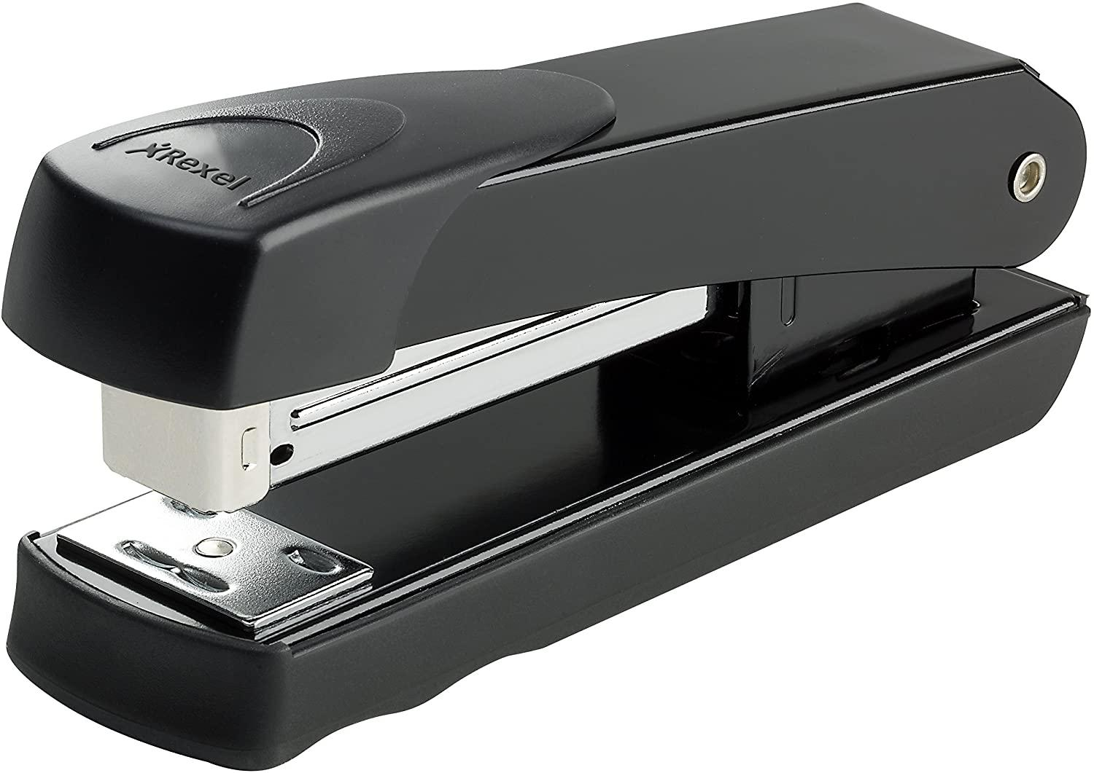 |  | 1 | https://www.amazon.com/AmazonBasics-Stapler-1000-Staples-Black/dp/B079ZV4V3C/ | $6.49 | https://www.amazon.co.uk/Rexel-Meteor-Stapler-Capacity-2100019/dp/B000SHUYOC/ | £5.40
Cutting matt | 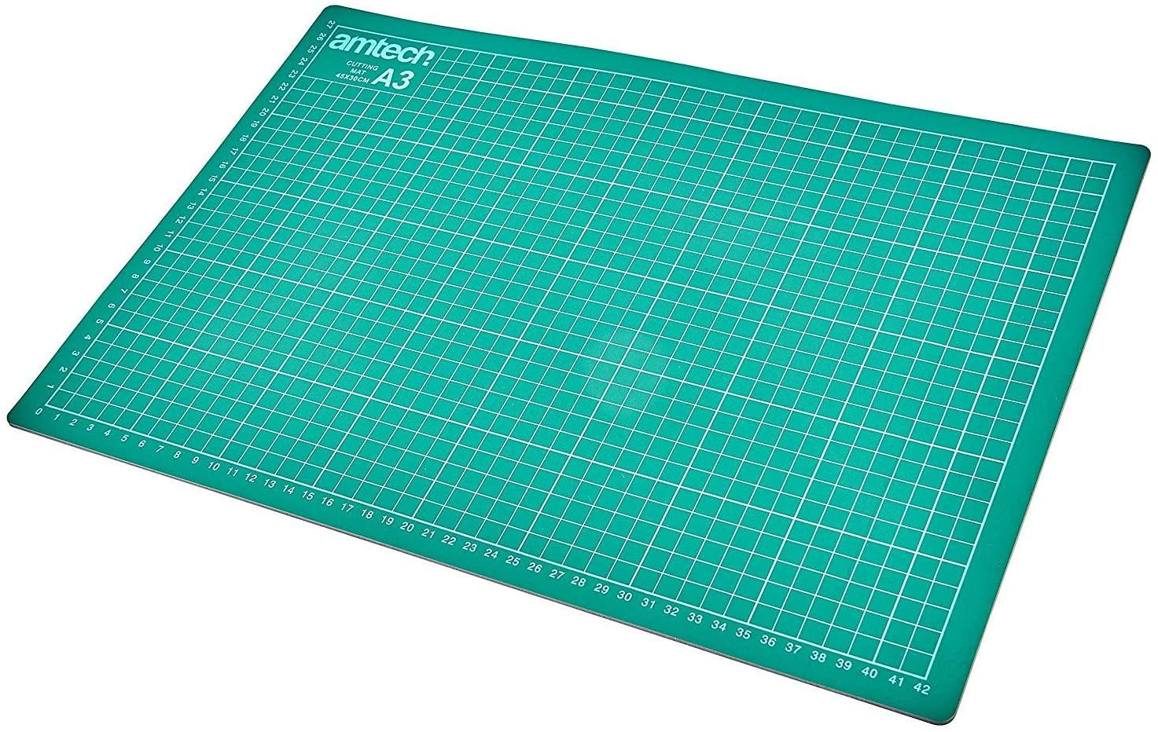 |  | 1 | https://www.amazon.com/ASTONBAY-Double-Sided-Quilting-Crafting-Painting/dp/B08BNVQ93N/ | $12.99 | https://www.amazon.co.uk/Amtech-S0518-Cutting-Mat-A3/dp/B001IOZUHK/ | £5.99
Glue stick |  |  | 1 | https://www.amazon.com/Avery-Washable-Nontoxic-Permanent-00161/dp/B000BQPA8U/ | $1.49 | https://www.amazon.co.uk/Pritt-Stick-Standard-10g-1478529/dp/B001P3W8YC/ | £1.69
Paper printer |  |  | 1 |  |  |  |  | You will need a printer to print out the paper templates for your Alto case. Any printer capable of printing A4 paper size or larger can be used.
Bone folder (optional) | 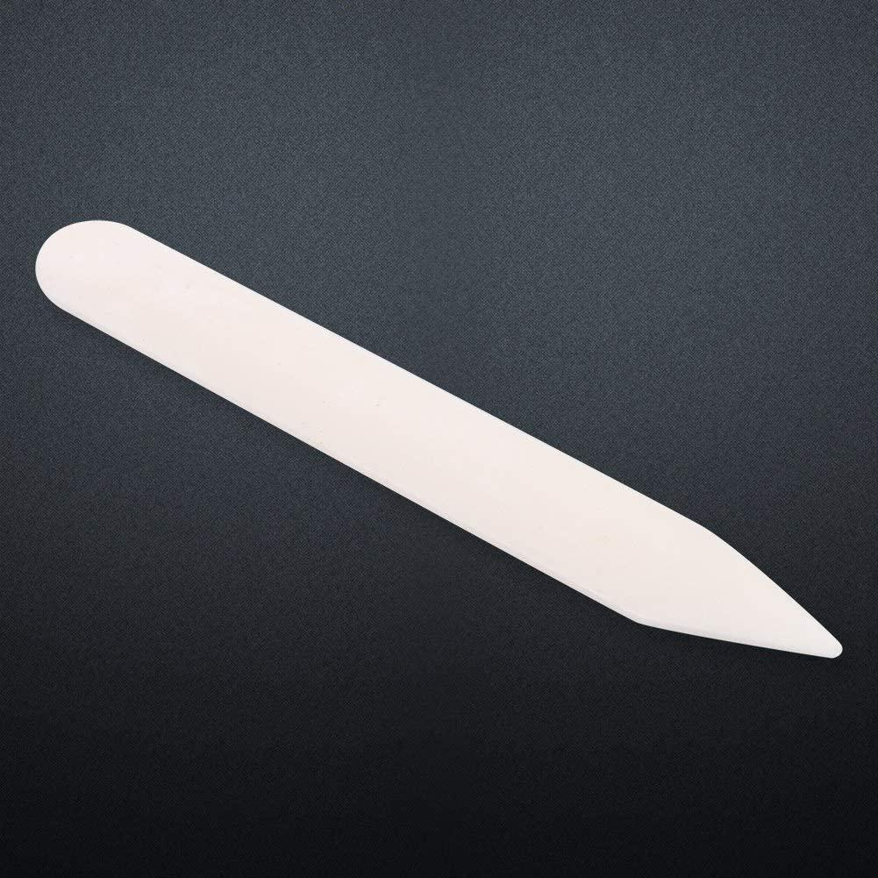 |  | 1 | https://www.amazon.com/VENCINK-Creasing-Scrapbooking-Burnishing-Bookbinding/dp/B01MT6U2OO | $6.69 | https://www.amazon.co.uk/Genuine-Scoring-Creasing-Crafting-Scrapbooking/dp/B07ZZ1WHWJ/ | £8.49 | Bone folders help produce crisp folds in your paper and card. However, its possible to acheive the same effect using other narrow blunt objects like keys or coins

