Progression


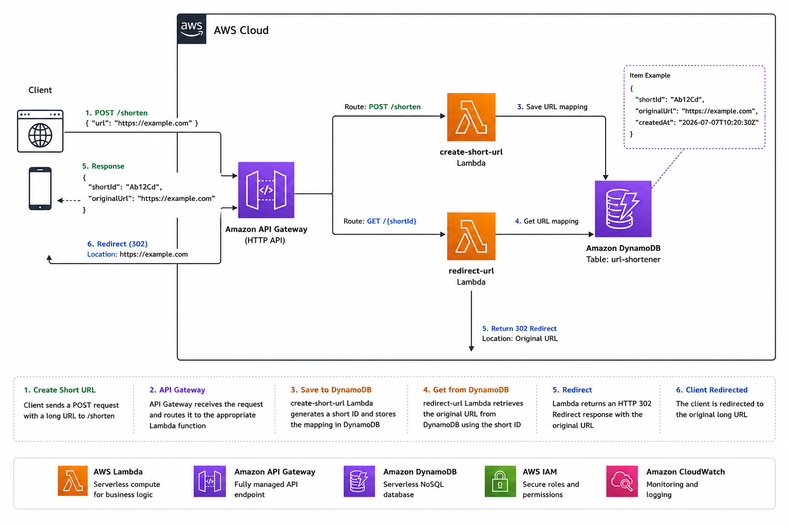

Overview:

This project is a serverless URL shortener built using AWS Lambda, API Gateway, and DynamoDB. The application provides two REST endpoints: one for creating short URLs and another for redirecting users to the original URL.

Client │ POST /shorten ▼ API Gateway ▼ create-short-url Lambda ▼ Generate shortId ▼ DynamoDB ▼ Return JSON Response

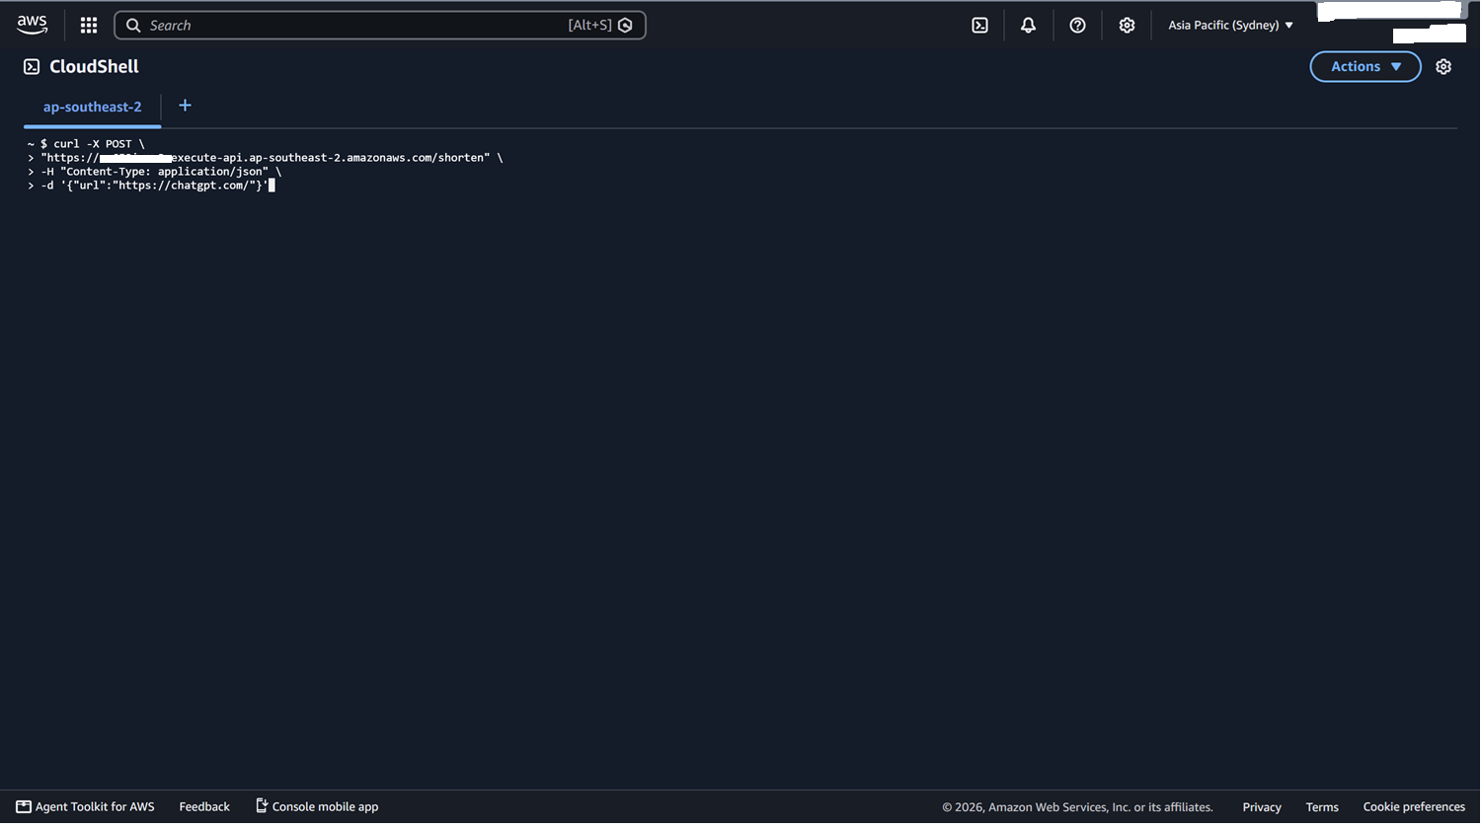

DynamoDB

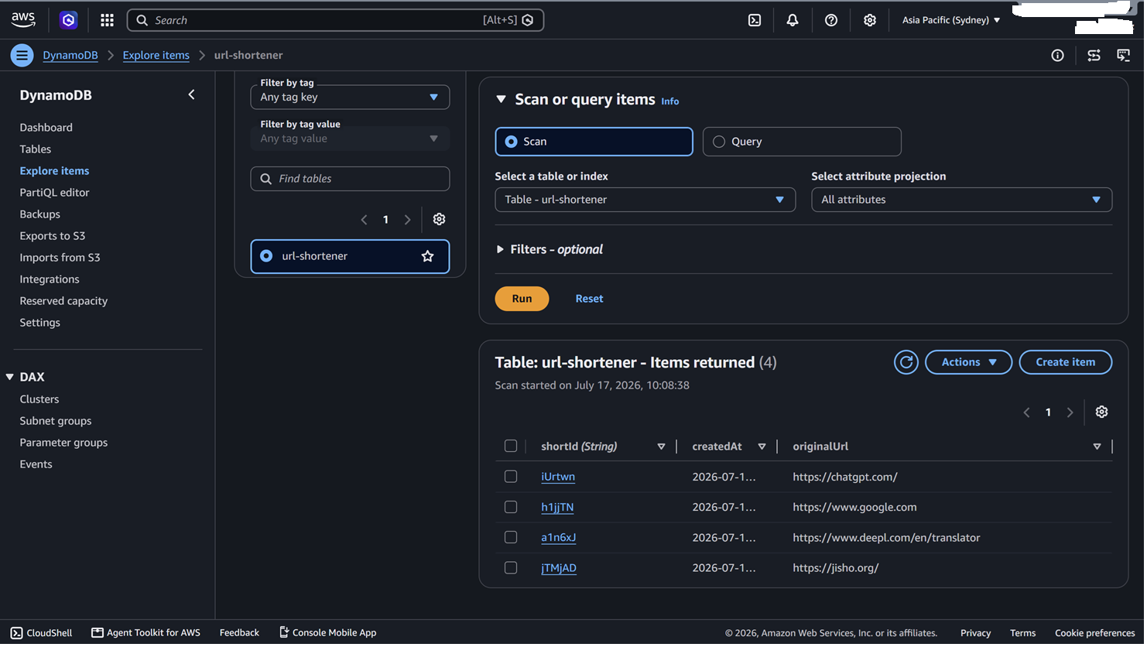

Browser │ GET /Ab12Cd ▼ API Gateway ▼ redirect-url Lambda ▼ DynamoDB ▼ HTTP 302 ▼ Google



Lambda

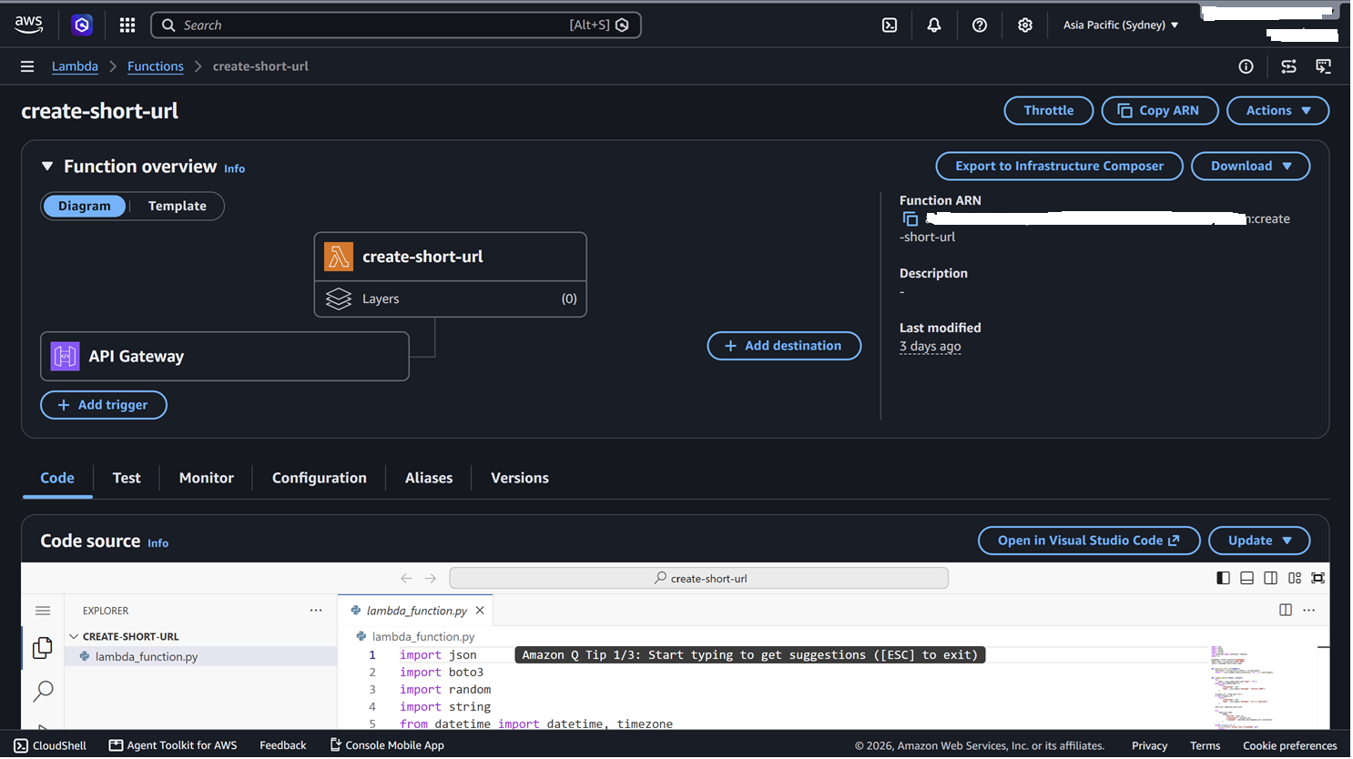

 | create-short-url Receives a POST request Generates a random short ID Stores the mapping in DynamoDB

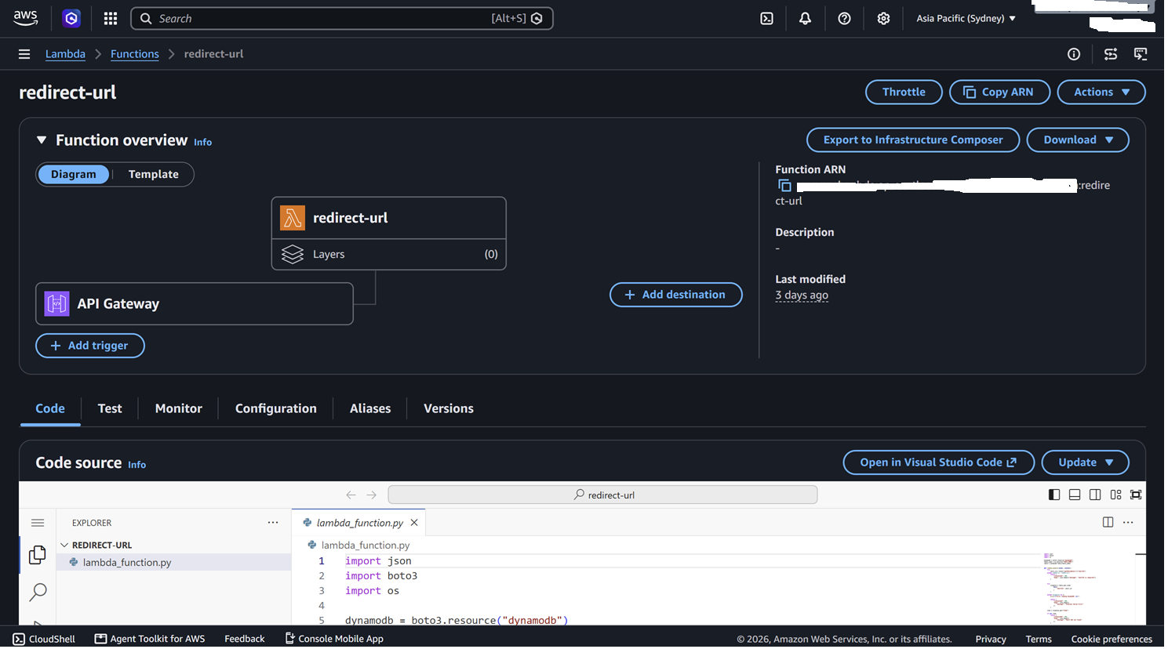

 | redirect-url Receives a GET request Looks up the original URL Returns HTTP 302 Redirect

API Gateway

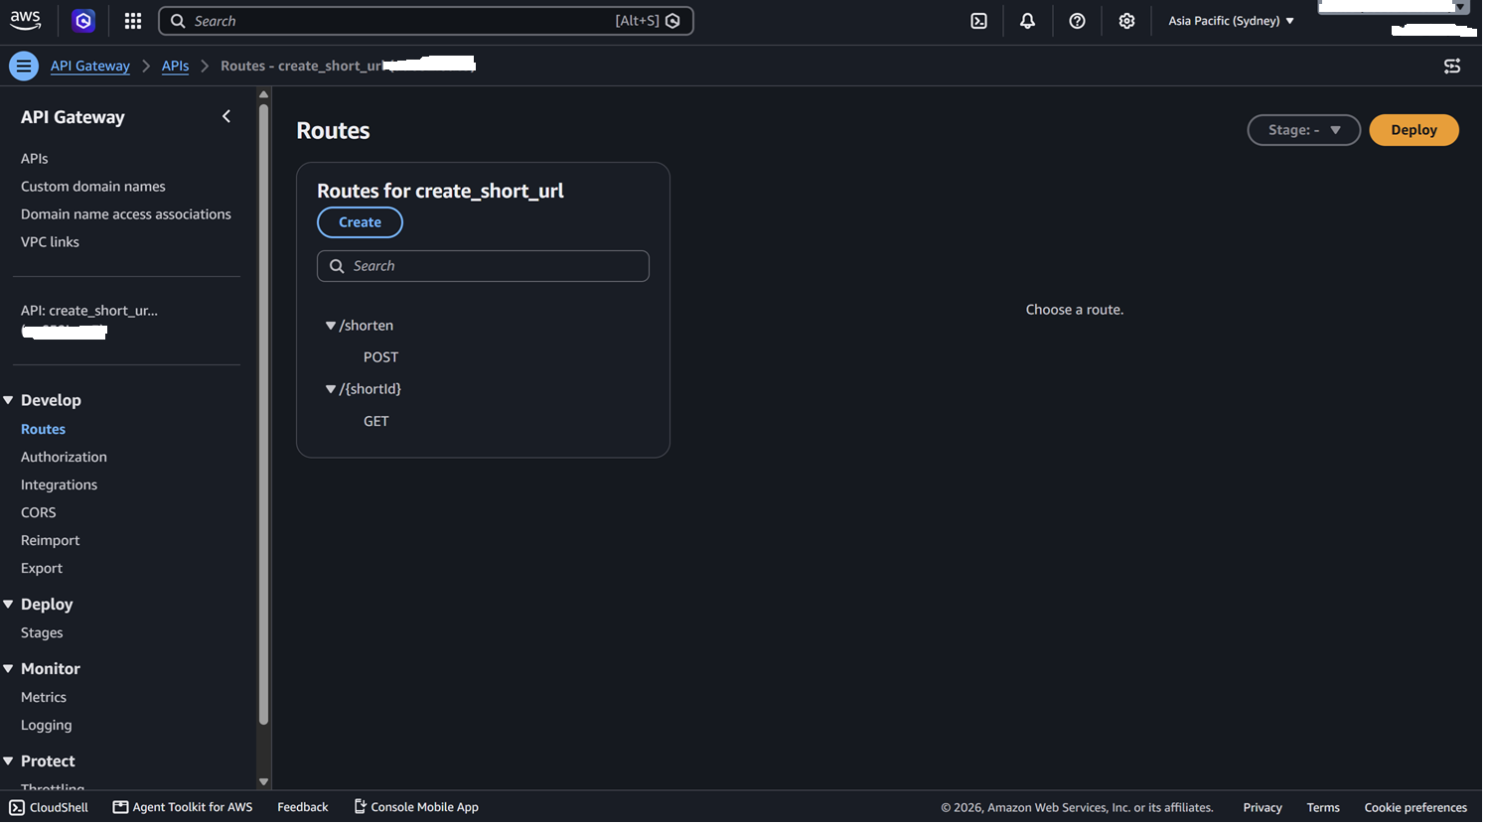

 | API Gateway routes incoming HTTP requests to the appropriate Lambda function.

