Deterministic Demand
A | 400 |  | B | 10 |  | Beginning | 400
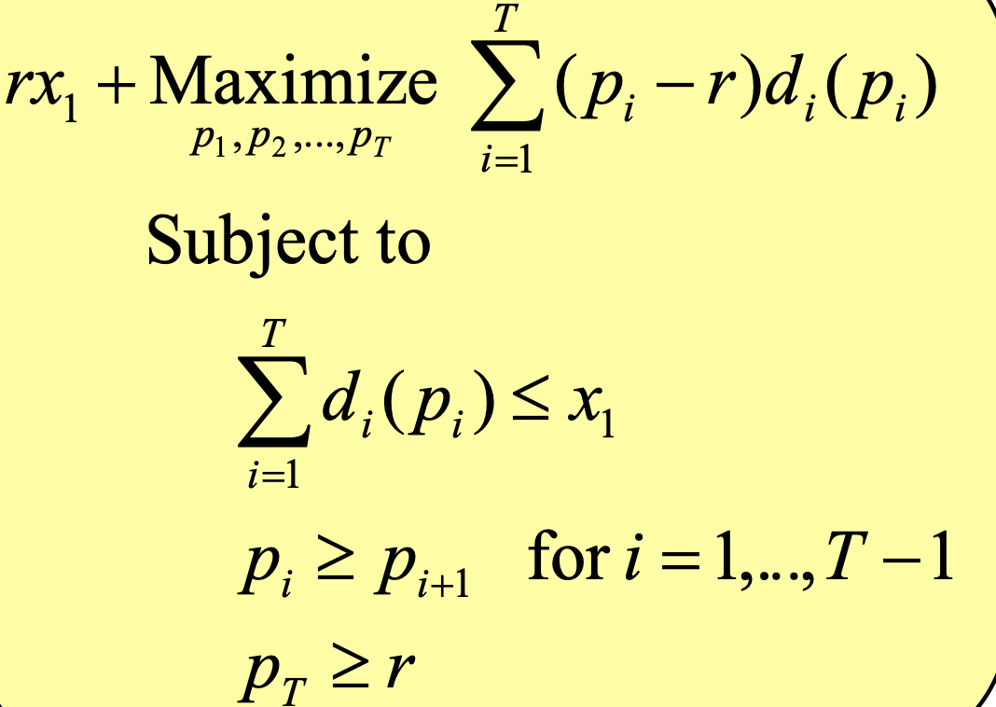
 | P | Change | P-r | Demand | Current inventory | Real Revenue | model revenue
Period 1 | 32.499999991 |  | 27.499999991 | 75.000000092 | 324.99999991 | 2437.5000023 | 2062.5000018
Period 2 | 24.999996989 | 7.5000030015 | 19.999996989 | 75.000030015 | 249.99996989 | 1875.0005246 | 1500.0003745
Period 3 | 17.499995866 | 7.5000011232 | 12.499995866 | 75.000011232 | 174.99995866 | 1312.4998865 | 937.49983035
after season | 5 |  |  |  | 174.99995866 | 874.9997933 | 874.9997933

 |  |  |  | Objective function | 5375

