Deterministic Demand
A | 400 |  | B | 10 |  | Beginning | 800
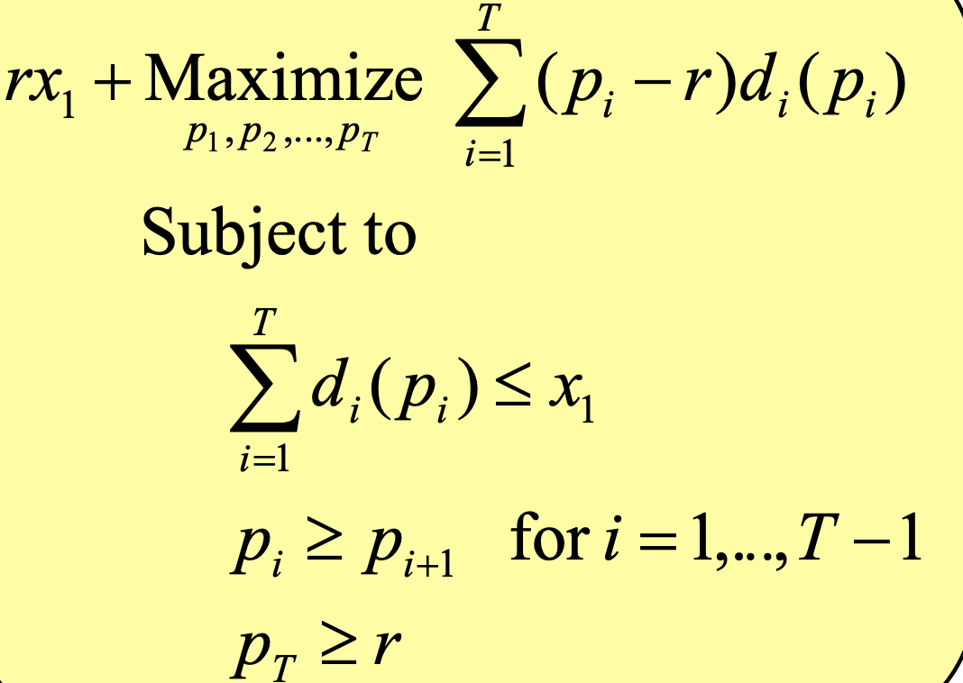
 | P | Change | P-r | Demand | Current inventory | Real Revenue | model revenue
Period 1 | 56.666656273 |  | 51.666656273 | 0 | 800 | 0 | 0
Period 2 | 56.666656273 | 0 | 51.666656273 | 233.33343727 | 566.66656273 | 13222.225687 | 12055.5585
Period 3 | 33.333300443 | 23.333355831 | 28.333300443 | 233.33355831 | 333.33300443 | 7777.7776024 | 6611.1098109
after season | 5 |  |  |  | 333.33300443 | 1666.6650221 | 1666.6650221

 |  |  |  | Objective function | 20333.333333

