Deterministic Demand
A | 400 |  | B | 10 |  | Beginning | 800
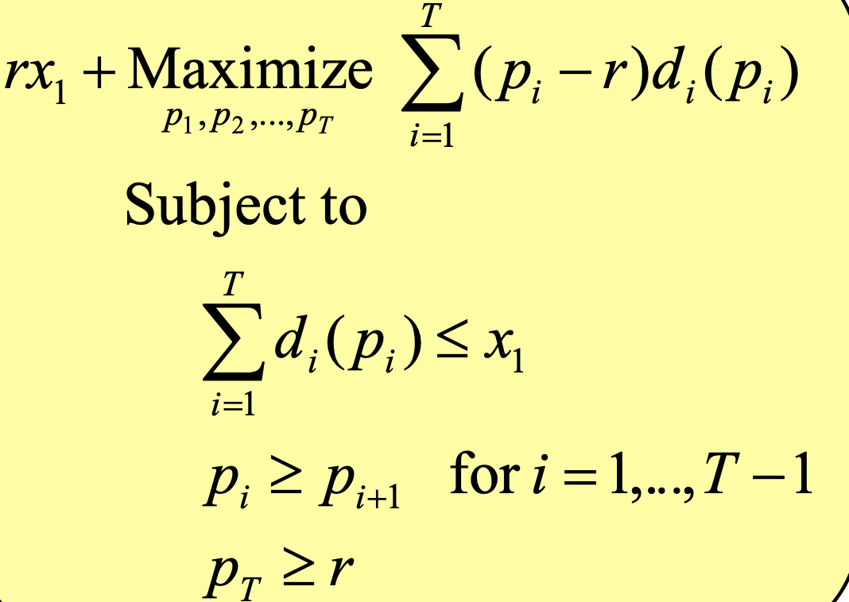
 | P | Change | P-r | Demand | Current inventory | Real Revenue | model revenue
Period 1
Period 2
Period 3
after season

 |  |  |  | Objective function

