hashDemo
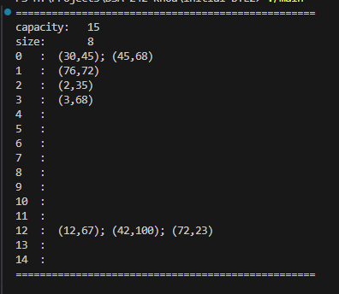
Test | Expected | My result
void hashDemo1() { | ==================================================
int keys[] = {2, 12, 42, 72, 3, 45, 76, 30}; | capacity: 15
int values[] = {35, 67, 100, 23, 68, 68, 72, 45}; | size: 8
xMap<int, int> hash(&xMap<int, int>::simpleHash); | 0 : (30,45); (45,68)
for (int idx = 0; idx < 8; idx++) { | 1 : (76,72)
hash.put(keys[idx], values[idx]); | 2 : (2,35)
} | 3 : (3,68)
hash.println(); | 4:00:00
} | 5:00:00
 | 6:00:00
 | 7:00:00
 | 8:00:00
 | 9:00:00
 | 10:00:00
 | 11:00:00
 | 12 : (12,67); (42,100); (72,23)
 | 13:00:00
 | 14:00:00
 | ==================================================

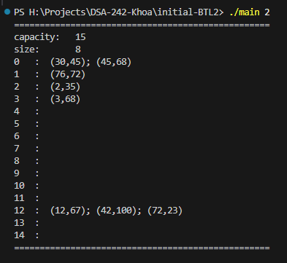
void hashDemo2() { | ==================================================
int keys[] = {2, 12, 42, 72, 3, 45, 76, 30}; | capacity: 15
int values[] = {35, 67, 100, 23, 68, 68, 72, 45}; | size: 8
 | 0 : (30,45); (45,68)
xMap<int, int*> hashMap( | 1 : (76,72)
&xMap<int, int*>::simpleHash, | 2 : (2,35)
0.75, | 3 : (3,68)
&valueEQ, | 4:00:00
&xMap<int, int*>::freeValue, | 5:00:00
0, //keyEQ | 6:00:00
0 //deleteKeys | 7:00:00
); | 8:00:00
for (int idx = 0; idx < 8; idx++) { | 9:00:00
hashMap.put(keys[idx], new int(values[idx])); | 10:00:00
} | 11:00:00
hashMap.println(0, &value2str); | 12 : (12,67); (42,100); (72,23)
} | 13:00:00
 | 14:00:00
 | ==================================================

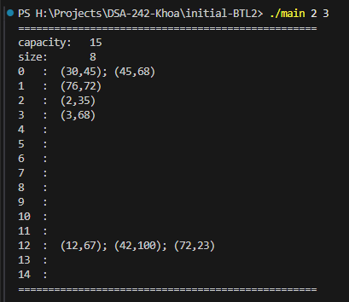
void hashDemo3() { | ==================================================
int keys[] = {2, 12, 42, 72, 3, 45, 76, 30}; | capacity: 15
int values[] = {35, 67, 100, 23, 68, 68, 72, 45}; | size: 8
 | 0 : (30,45); (45,68)
xMap<int*, int*> hashMap( | 1 : (76,72)
&hashFunc, | 2 : (2,35)
0.75, | 3 : (3,68)
&valueEQ, | 4:00:00
&xMap<int*, int*>::freeValue, | 5:00:00
&keyEQ, | 6:00:00
&xMap<int*, int*>::freeKey | 7:00:00
); | 8:00:00
for (int idx = 0; idx < 8; idx++) { | 9:00:00
hashMap.put(new int(keys[idx]), new int(values[idx])); | 10:00:00
} | 11:00:00
hashMap.println(&key2str, &value2str); | 12 : (12,67); (42,100); (72,23)
int* pkey = new int(42); | 13:00:00
hashMap.remove(pkey, &deleteKey); | 14:00:00
delete pkey; | ==================================================
hashMap.println(&key2str, &value2str);
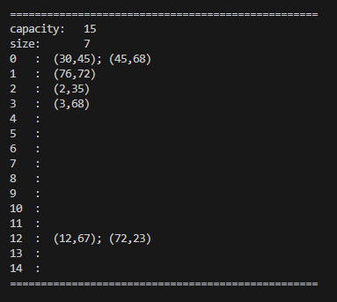
} | ==================================================
 | capacity: 15
 | size: 7
 | 0 : (30,45); (45,68)
 | 1 : (76,72)
 | 2 : (2,35)
 | 3 : (3,68)
 | 4:00:00
 | 5:00:00
 | 6:00:00
 | 7:00:00
 | 8:00:00
 | 9:00:00
 | 10:00:00
 | 11:00:00
 | 12 : (12,67); (72,23)
 | 13:00:00
 | 14:00:00
 | ==================================================

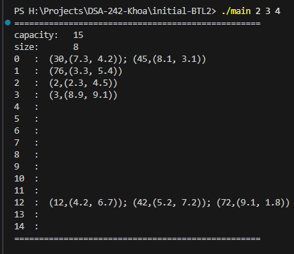
void hashDemo4() { | ==================================================
int keys[] = {2, 12, 42, 72, 3, 45, 76, 30}; | capacity: 15
Point * values[] = { | size: 8
new Point(2.3, 4.5), new Point(4.2, 6.7), | 0 : (30,(7.3, 4.2)); (45,(8.1, 3.1))
new Point(5.2, 7.2), new Point(9.1, 1.8), | 1 : (76,(3.3, 5.4))
new Point(8.9, 9.1), new Point(8.1, 3.1), | 2 : (2,(2.3, 4.5))
new Point(3.3, 5.4), new Point(7.3, 4.2) | 3 : (3,(8.9, 9.1))
}; | 4:00:00
 | 5:00:00
xMap<int*, Point*> hashMap( | 6:00:00
&hashFunc, | 7:00:00
0.75, | 8:00:00
&Point::pointEQ, | 9:00:00
&xMap<int*, Point*>::freeValue, | 10:00:00
&keyEQ, | 11:00:00
&xMap<int*, Point*>::freeKey | 12 : (12,(4.2, 6.7)); (42,(5.2, 7.2)); (72,(9.1, 1.8))
); | 13:00:00
for (int idx = 0; idx < 8; idx++) { | 14:00:00
hashMap.put(new int(keys[idx]), values[idx]); | ==================================================
}
hashMap.println(&key2str, &point2str);
}

void hashDemo5() { | Keys: [30, 45, 76, 2, 3, 12, 42, 72]
int keys[] = {2, 12, 42, 72, 3, 45, 76, 30}; | Values: [45, 68, 72, 35, 68, 67, 100, 23]
int values[] = {35, 67, 100, 23, 68, 68, 72, 45};
xMap<int, int> hash(&xMap<int, int>::simpleHash);
for (int idx = 0; idx < 8; idx++) {
hash.put(keys[idx], values[idx]);
}

DLinkedList<int> keyset = hash.keys();
cout << "Keys: " << keyset.toString() << endl;
DLinkedList<int> valueset = hash.values();
cout << "Values: " << valueset.toString() << endl;
}

void hashDemo6() { | table size: 360145
int count = 10000000; | current count: 200000
//int count = 100; | real load factor: 0.555332
int *keys = genIntArray(count, 0, 199999, true, 42); | max #collisions: 1
xMap<int, int*> hash(&xMap<int, int*>::simpleHash);
for (int idx = 0; idx < count; idx++) {
hash.put(keys[idx], 0);
}
//hash.println();

DLinkedList<int> clashes = hash.clashes();
int max = -1;
for (DLinkedList<int>::Iterator it = clashes.begin(); it != clashes.end(); it++) {
int item = *it;
if (item > max) max = item;
}

cout << "table size: " << hash.getCapacity() << endl;
cout << "current count: " << hash.size() << endl;
cout << "real load factor: " << (float) hash.size() / hash.getCapacity() << endl;
cout << "max #collisions: " << max << endl;
delete []keys;
}

void hashDemo7() { | table size: 366
xMap<string, string> map(&stringHash); | current count: 247
for (int c = 0; c < ncountry * 3; c += 3) { | real load factor: 0.674863
string name = countries[c]; | max #collisions: 4
string capital = countries[c + 1]; | Capital of Vietnam is Hanoi
map.put(name, capital);
}
DLinkedList<int> clashes = map.clashes();
int max = -1;
for (DLinkedList<int>::Iterator it = clashes.begin(); it != clashes.end(); it++) {
int item = *it;
if (item > max) max = item;
}
cout << "table size: " << map.getCapacity() << endl;
cout << "current count: " << map.size() << endl;
cout << "real load factor: " << (float) map.size() / map.getCapacity() << endl;
cout << "max #collisions: " << max << endl;

string country = "Vietnam";
cout << "Capital of " << country << " is " << map.get("Vietnam") << endl;
}

void hashDemo8(){
xMap<int, string> map(&xMap<int, string>::intKeyHash);
map.put(1, "One");
map.put(2, "Two");
map.put(3, "Three");

// Check if the map contains a specific key
cout << "Contains key 2: " << (map.containsKey(2) ? "Yes" : "No") << endl; // Output: Yes
cout << "Contains key 4: " << (map.containsKey(4) ? "Yes" : "No") << endl; // Output: No

// Check if the map contains a specific value
cout << "Contains value 'Two': " << (map.containsValue("Two") ? "Yes" : "No") << endl; // Output: Yes
cout << "Contains value 'Four': " << (map.containsValue("Four") ? "Yes" : "No") << endl; // Output: No

// Check if the map is empty
cout << "Is map empty: " << (map.empty() ? "Yes" : "No") << endl; // Output: No
}

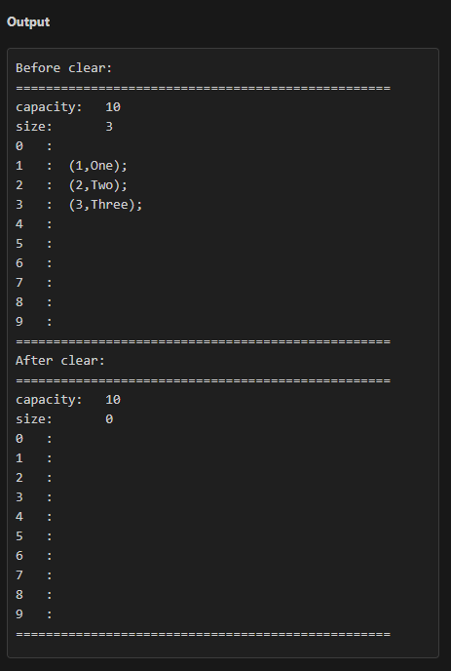
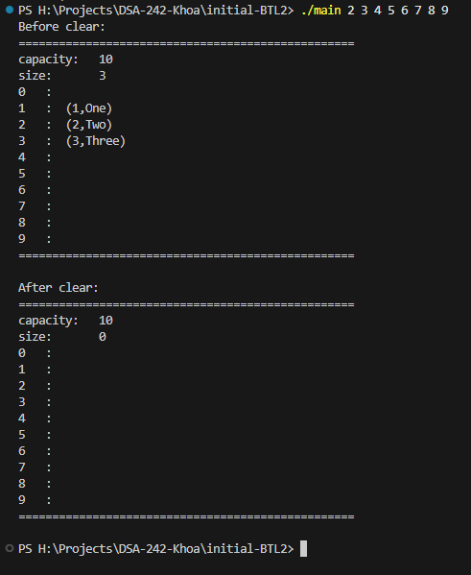
void hashDemo9(){
xMap<int, string> map(&xMap<int, string>::intKeyHash);
map.put(1, "One");
map.put(2, "Two");
map.put(3, "Three");

cout << "Before clear:" << endl;
map.println();

map.clear();

cout << "After clear:" << endl;
map.println();
}

huffManDemo
Test | Expected | My result
 | Code for A: 2
void tc_huffman1001() { | Decoded string: A
XArrayList<pair<char, int>> symbolFreqs;
symbolFreqs.add(make_pair('A', 5));
symbolFreqs.add(make_pair('B', 3));

HTree tree;
tree.build(symbolFreqs);

xMap<char, string> codeTable(&charHashFunc);
tree.generateCodes(codeTable);

string codeA = codeTable.get('A');
cout << "Code for A: " << codeA << endl;

string decoded = tree.decode(codeA);
cout << "Decoded string: " << decoded << endl;
}

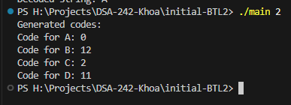
 | Generated codes:
void tc_huffman1002() { | Code for A: 0
XArrayList<pair<char, int>> symbolFreqs; | Code for B: 12
symbolFreqs.add(make_pair('A', 5)); | Code for C: 2
symbolFreqs.add(make_pair('B', 3)); | Code for D: 11
symbolFreqs.add(make_pair('C', 7));
symbolFreqs.add(make_pair('D', 2));

HTree tree;
tree.build(symbolFreqs);

xMap<char, string> codeTable(&charHashFunc);
tree.generateCodes(codeTable);

cout << "Generated codes:" << endl;
for (char ch = 'A'; ch <= 'D'; ++ch) {
string code = codeTable.get(ch);
cout << "Code for " << ch << ": " << code << endl;
}
}

void tc_huffman1003() { | Code for Z: 0
XArrayList<pair<char, int>> symbolFreqs; | Decoded string: Z
symbolFreqs.add(make_pair('X', 4));
symbolFreqs.add(make_pair('Y', 6));
symbolFreqs.add(make_pair('Z', 2));

HTree tree;
tree.build(symbolFreqs);

xMap<char, string> codeTable(&charHashFunc);
tree.generateCodes(codeTable);

string codeZ = codeTable.get('Z');
cout << "Code for Z: " << codeZ << endl;

string decoded = tree.decode(codeZ);
cout << "Decoded string: " << decoded << endl;
}

void tc_huffman1004() { | Decoded string from invalid code: \x00
XArrayList<pair<char, int>> symbolFreqs;
symbolFreqs.add(make_pair('M', 3));
symbolFreqs.add(make_pair('N', 5));

HTree tree;
tree.build(symbolFreqs);

xMap<char, string> codeTable(&charHashFunc);
tree.generateCodes(codeTable);

string decoded = tree.decode("0");
cout << "Decoded string from invalid code: " << decoded << endl;
}

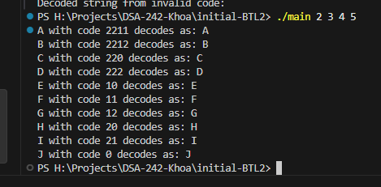
void tc_huffman1005() { | A with code 011 decodes as: A
XArrayList<pair<char, int>> symbolFreqs; | B with code 012 decodes as: B
const string symbols = "ABCDEFGHIJ"; | C with code 00 decodes as: C
int n = symbols.size(); | D with code 02 decodes as: D
for (int i = 0; i < n; ++i) { | E with code 10 decodes as: E
symbolFreqs.add(make_pair(symbols[i], (i + 1) * 2)); | F with code 11 decodes as: F
} | G with code 12 decodes as: G
 | H with code 20 decodes as: H
HTree tree; | I with code 21 decodes as: I
tree.build(symbolFreqs); | J with code 22 decodes as: J

xMap<char, string> codeTable(&charHashFunc);
tree.generateCodes(codeTable);

for (char ch : symbols) {
string code = codeTable.get(ch);
string decoded = tree.decode(code);
cout << ch << " with code " << code << " decodes as: " << decoded << endl;
}
}

