PRD
Product Requirement Document (PRD) - Version: 1.0

Template Name |  | Task Management App
Goals & Objective |  | The goal of this website is to provide a tracker and efficient platform for individuals and businesses to track the task activity by using all advanced technology. From this website admin/user can : - Admin can assugn task and subtask to users - Search/Filter task - See the progress of each task - Provide reminder of due date and over due date through email - Send multiple comments on the task - Upload files
Client Information
Product Type |  | Web Application
Domain |  | Web2
Access Layers |  | Admin,User
Design Required |  | Yes

Phase | Item No | Specification [Role] | Screen Definition | User Story | Acceptance Criteria | UI Screen / Wireframe | Tags
Feature: 1 |  | Task Assignment
phase 1 | 1 | Add task [Admin] | <Form> <input=title> <input=userId> <input=description> <input=dueDate> <button=Add task> <link=My tasks> | - Enter title (input) - Enter userId[user] (input) - Enter description (input) [optional] - Enter dueDate (input) - Choose user type [user,miner] - Click Add task (button) [Logic: If the user id and information registered on the databse then admin can assign task successfully] - My tasks (link) [Logic: redirect to My tasks page] | - Admin can select user and define task and subtasks. - Assigned tasks are saved to DB and reflected in user dashboard. | 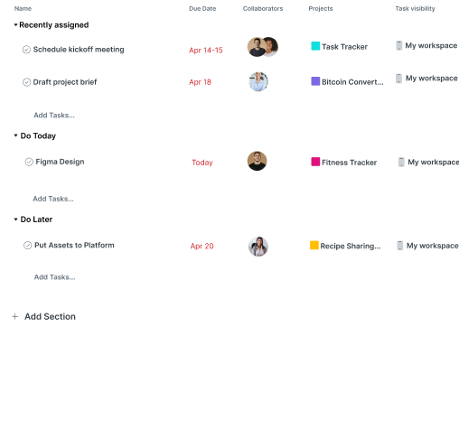 | assign,task

Feature: 2 |  | Task
phase 1 | 4 | Search [Admin][User] | -Enter title(search input) | -search/filter task with title and complete | - Tasks are filterable by complete. - Search returns relevant task title. |  | search/filter, task
phase 1 | 5
phase 1 | 6
Feature: 3 |  | Progress Tracker
phase 1 | 7 | Progress Tracking[Admin,User] | Task Progress Page | -Minotor progress of each task | - Each task shows % completed based on subtasks and file submissions. - Progress auto-updates on submission or status change.C1 |  | progressss
phase 1 | 8
Feature: 4 |  | Reminder
phase 2 | 9 | Email Reminder[system->user] | N/A (Background feature) | - user receive email reminders for upcoming or overdue tasks. | - Email sent X days before due date. - Email sent once a task is overdue. - Emails are clear and include task title + due info. |  | email,remainder,automation
Feature: 5 |  | All comments
phase 2 | 10 | Comments[Admin][User] | <Comment Box> <input=content> | - leave and read multiple comments on a task for better collaboration | - - Users can add/edit/delete their own comments. - Comments appear in chronological orde.A+C28Fil | 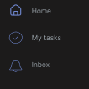 | comments,task, collaboration
Feature: 6 |  | File Upload
phase 2 | 11 | Upload[Admin][User] | File Upload Page | - Files can be uploaded . - Files are attached to the relevant task. | - full row is clickable - once clicked it'll redirect to another page [block view page where block details will be shown] - Block number should be in desending order [latest block should be in the top] - Block Size should be in MB - Number of trx should be in number [ negative number not allowed ] - Miner name |  | file-upload, task
Feature: 7 |  | Mempool
Feature: 8 |  | Mine Blocks
Feature: 9 |  | Verify Blocks
Feature: 10 |  | Profile
Feature: 11 |  | Transaction details
Feature: 12 |  | Block details
Feature: 13 |  | Notification
Feature: 14 |  | Fllowed User
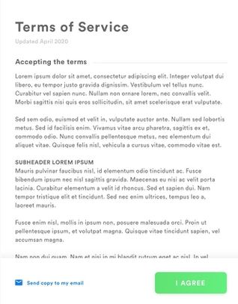
Feature: 15 |  | Legal Agreement Feature
Feature: 16 |  | Transaction History
Feature: 17 |  | About
Feature: 18 |  | Learning Portal
Feature: 19 |  | Deposit
Feature: 20 |  | FAQ
Feature: 21 |  | Currency Converstion
Feature: 22 |  | Request Bitcoin
Feature: 22 |  | Bill Payment

