UC_Cancellation
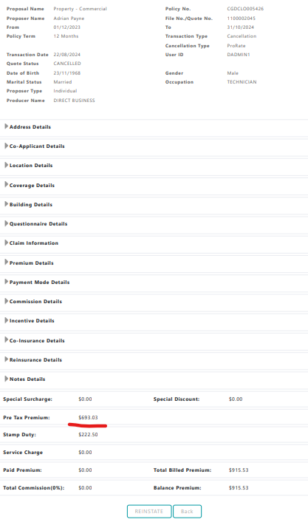
 |  | CO-OPERATORS GENERAL INSURANCE COMPANY LIMITED

 |  | Patrick E. McDonald Building, Upper Collymore Rock, St. Michael, Barbados.

 |  | Tel:2464318600 Email:insure@test.com

Ceded Premium

 | User Name |  | Contract Name | Transaction Type | Policy Number | Location | Building | Policy Term | Effective Date | Expiry Date | Transaction Date | Pre-Tax Premium | Stamp Fee | QST |  |  | RET |  |  | SUR
 |  |  |  |  |  |  |  |  |  |  |  |  |  | Ceded Premium | Not CAT Commission | CAT Commission | Ceded Premium | Not CAT Commission | CAT Commission | Ceded Premium | Not CAT Commission | CAT Commission
NON-AUTO | DADMIN1 |  | GC QUOTA SHARE & SURPLUS | Cancellation | CGDCLO005426 | 1 | 1 | 12 | 2023-12-01 | 2024-10-31 | 2024-08-22 09:43:12 | -$ 693.00 | $ 0.00 | -$ 450.45 | -$ 93.54 | -$ 35.44 | -$ 242.55 | $ 0.00 | $ 0.00
 |  |  |  | Endorsement | CGDCLO005424 | 1 | 2 | 12 | 2024-03-01 | 2024-10-31 | 2024-08-22 05:18:23 | -$ 14,659.84 | $ 0.00 | -$ 4,764.45 | -$ 989.39 | -$ 374.87 | -$ 2,565.47 | $ 0.00 | $ 0.00 | -$ 7,329.92 | -$ 1,280.24 | -$ 532.74
 |  |  |  |  |  | 2 | 1 | 12 | 2024-03-01 | 2024-10-31 | 2024-08-22 05:18:23 | -$ 6,578.85 | $ 0.00 | -$ 4,276.25 | -$ 888.01 | -$ 336.46 | -$ 2,302.60 | $ 0.00 | $ 0.00
 |  |  |  |  | CGDHMS005425 | 1 | 1 | 12 | 2023-11-01 | 2024-10-31 | 2024-08-22 06:30:19 | -$ 1,235.52 | $ 0.00 | -$ 803.09 | -$ 166.77 | -$ 63.19 | -$ 432.43 | $ 0.00 | $ 0.00
 |  |  |  | New Business | CGDCLO005424 | 1 | 1 | 12 | 2023-11-01 | 2024-10-31 | 2024-08-22 05:10:46 | $ 56,699.99 | $ 1,820.00 | $ 8,189.99 | $ 1,700.73 | $ 644.38 | $ 4,410.00 | $ 0.00 | $ 0.00 | $ 44,100.00 | $ 7,702.50 | $ 3,205.18
 |  |  |  |  |  | 1 | 2 | 12 | 2023-11-01 | 2024-10-31 | 2024-08-22 05:10:46 | $ 21,900.00 | $ 1,820.00 | $ 7,117.50 | $ 1,478.02 | $ 560.00 | $ 3,832.50 | $ 0.00 | $ 0.00 | $ 10,950.00 | $ 1,912.52 | $ 795.84
 |  |  |  |  |  | 2 | 1 | 12 | 2023-11-01 | 2024-10-31 | 2024-08-22 05:10:46 | $ 9,828.00 | $ 1,820.00 | $ 6,388.20 | $ 1,326.57 | $ 502.62 | $ 3,439.80 | $ 0.00 | $ 0.00
 |  |  |  |  | CGDCLO005426 | 1 | 1 | 12 | 2023-11-01 | 2024-10-31 | 2024-08-22 09:38:45 | $ 8,455.00 | $ 222.50 | $ 5,495.75 | $ 1,141.24 | $ 432.40 | $ 2,959.25 | $ 0.00 | $ 0.00
 |  |  |  |  | CGDHMS005425 | 1 | 1 | 12 | 2023-11-01 | 2024-10-31 | 2024-08-22 06:15:40 | $ 7,722.00 | $ 195.00 | $ 5,019.30 | $ 1,042.30 | $ 394.91 | $ 2,702.70 | $ 0.00 | $ 0.00
 |  |  |  |  |  |  |  |  |  | Total: |  | $ 81,437.78 | $ 5,877.50 | $ 21,916.50 | $ 4,551.16 | $ 1,724.36 | $ 11,801.20 | $ 0.00 | $ 0.00 | $ 47,720.08 | $ 8,334.78 | $ 3,468.28

Sheet1
HOMG042955

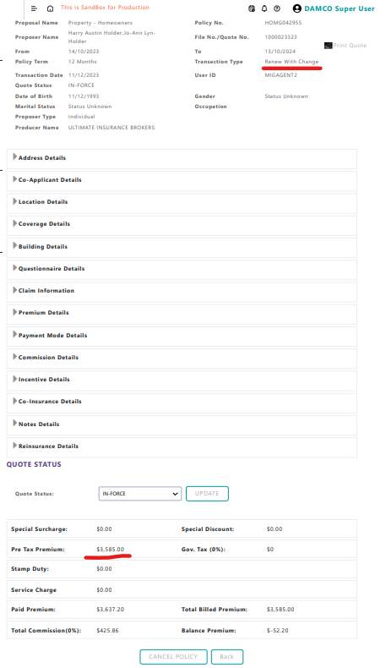
 |  | Renew with | 3585 | 2330.25 | 1254.75
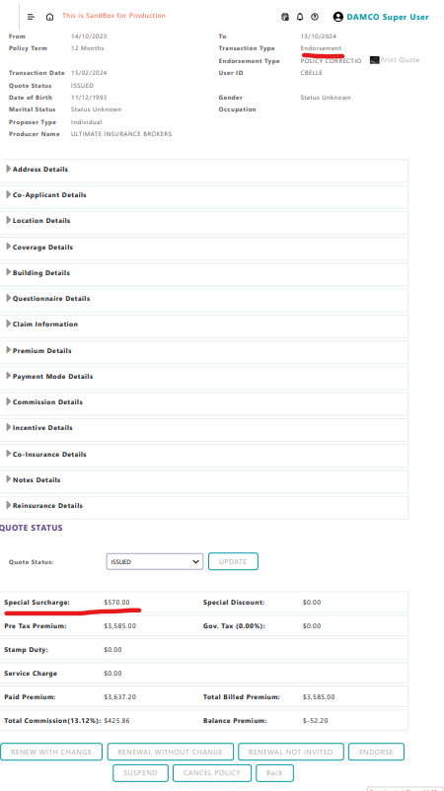

 | Endorse special surcharge was added

HOMG043051

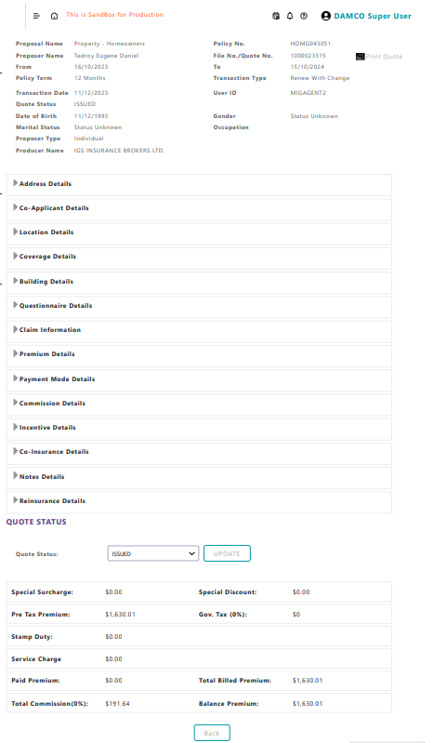
 |  | Flat cancel
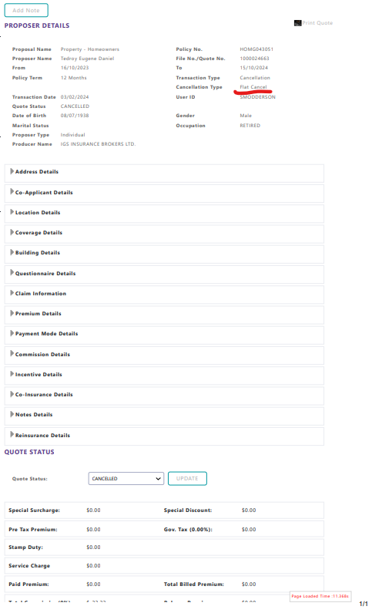

Cancellation all entries are -ve

Images
