Annexure
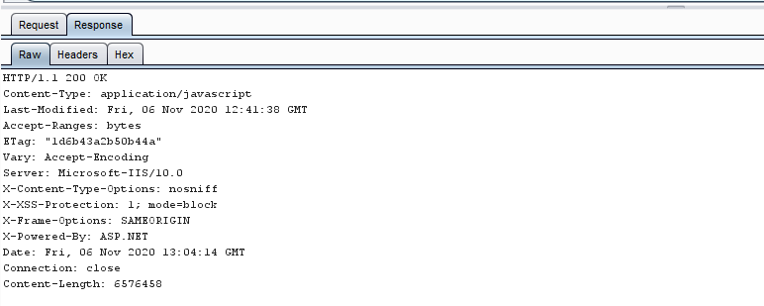
Malicious File Upload
1. Uplaod a php file by manipulating the extension to .php.pdf | 2. Upload the file and intercept request on proxy tool | 3. In proxy tool change the file name to .php and forward the request | 4. We were able to upload a .php file in the application
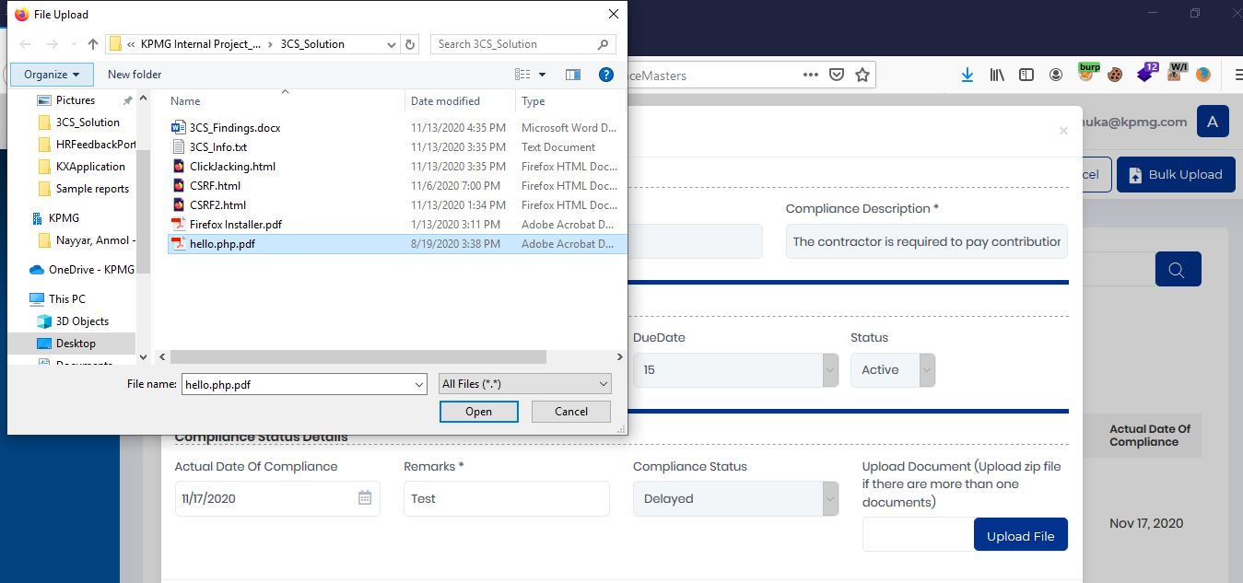
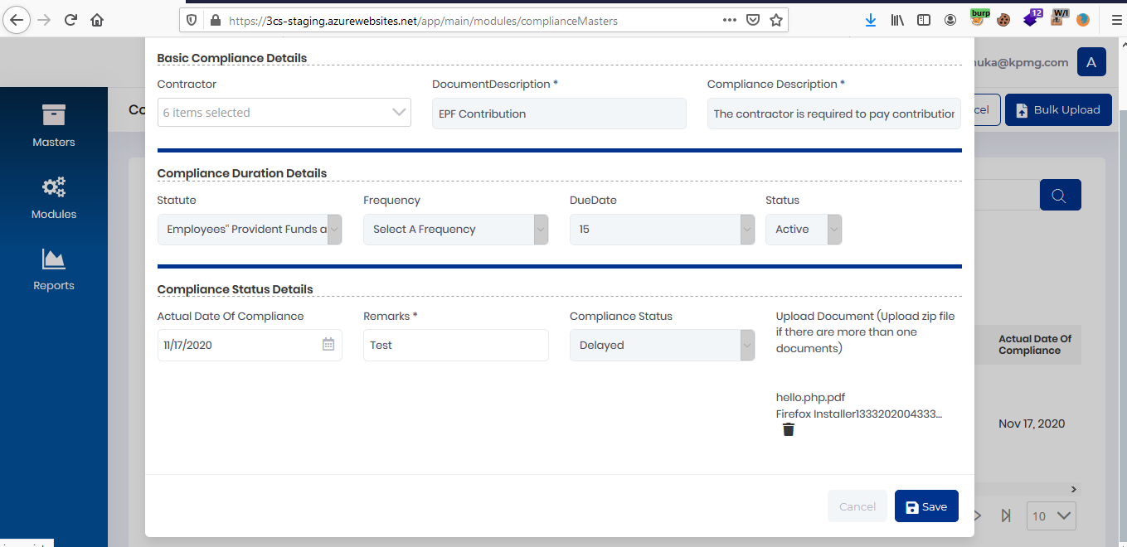
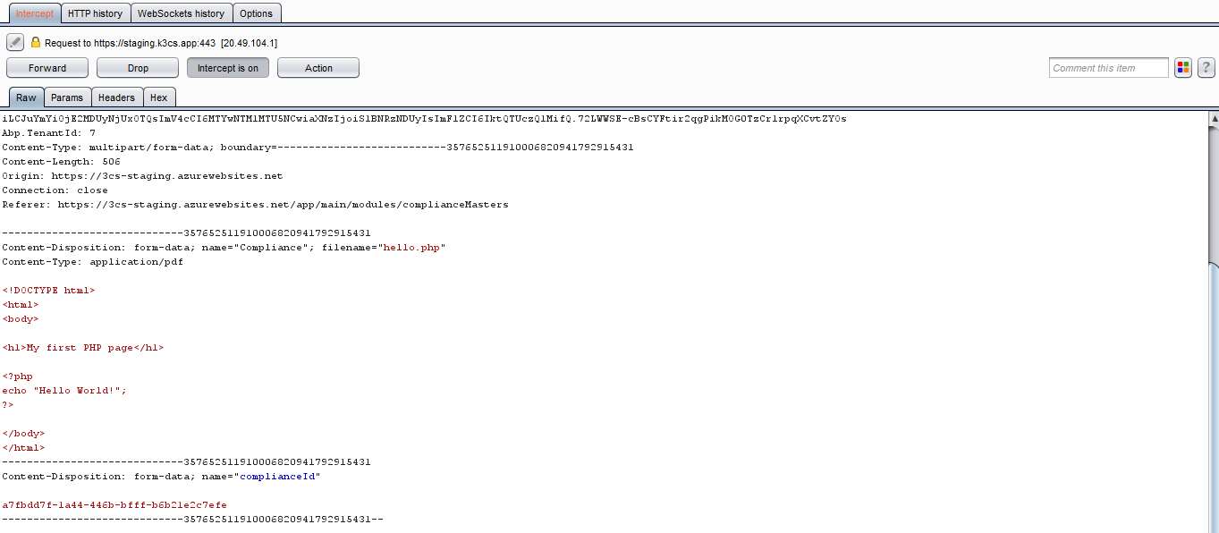
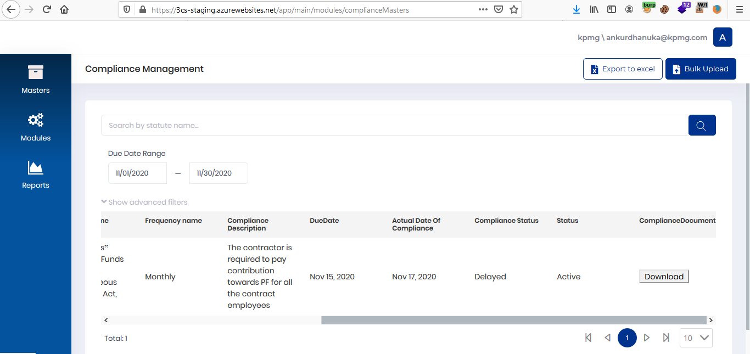

5. Select a firefox installer file by changing its extesnion to .pdf | 6. The file was successfully uploaded

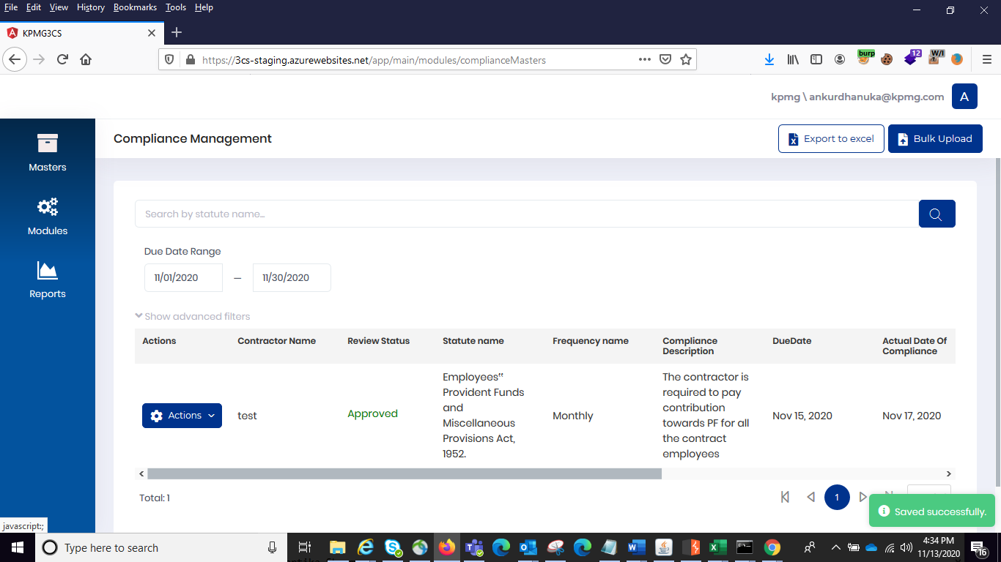

Email Flooding Attack
1. Input the mail in forgot password functionality | 2. Intercept the request on proxy tool and send it to repeater | 3. On repeating the requests multiple times through the repeater we were able to perform email flooding attack in the application
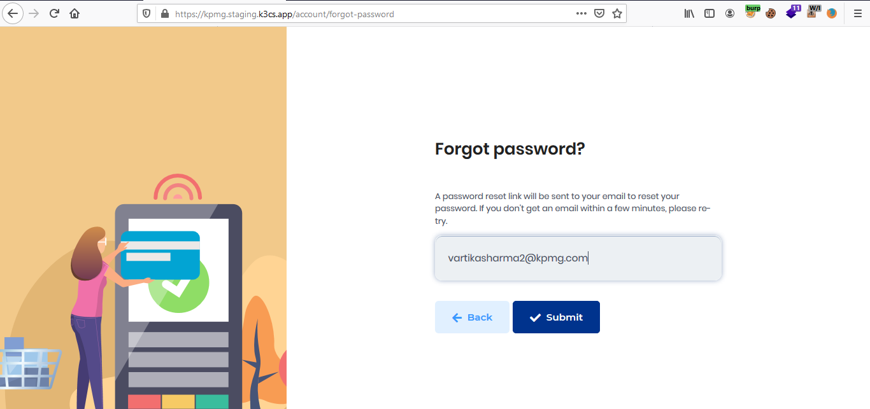

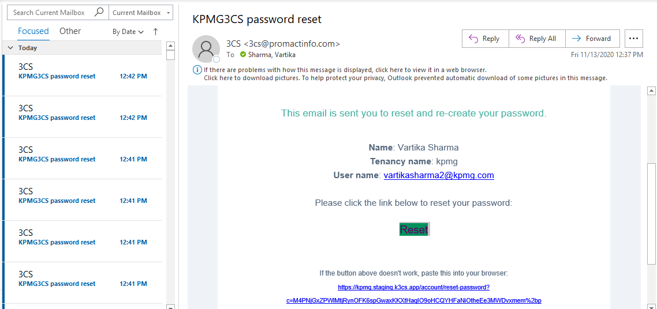

Concurrent Login Enabled
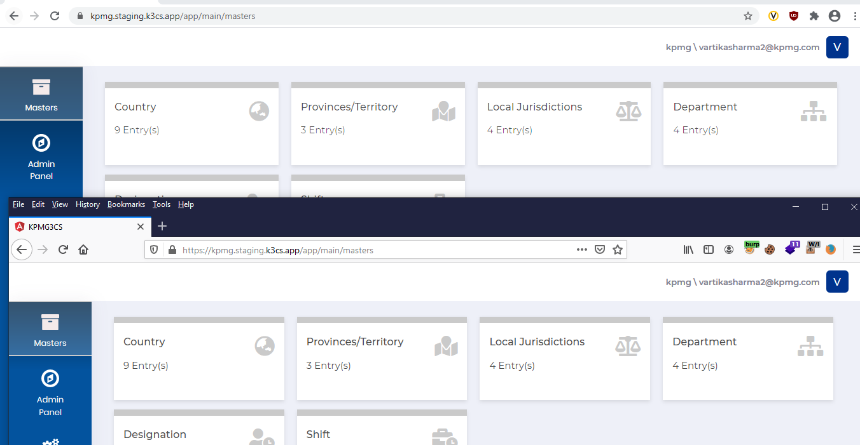

ClickJacking
1. Craft a HTML Page with iframe Tag as shown | 2. Run the crafted HTML Page and observe that site is vulnerable to ClickJacking
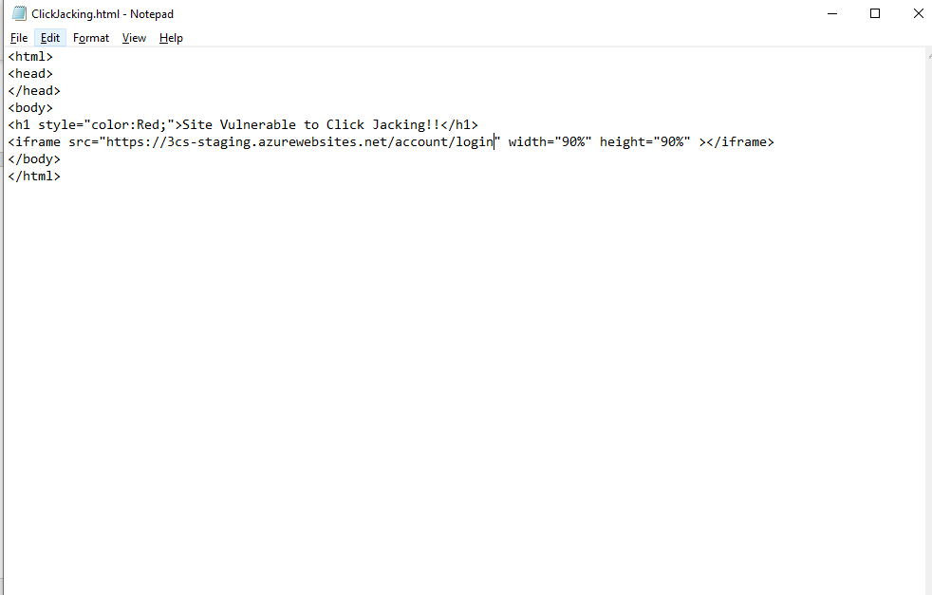
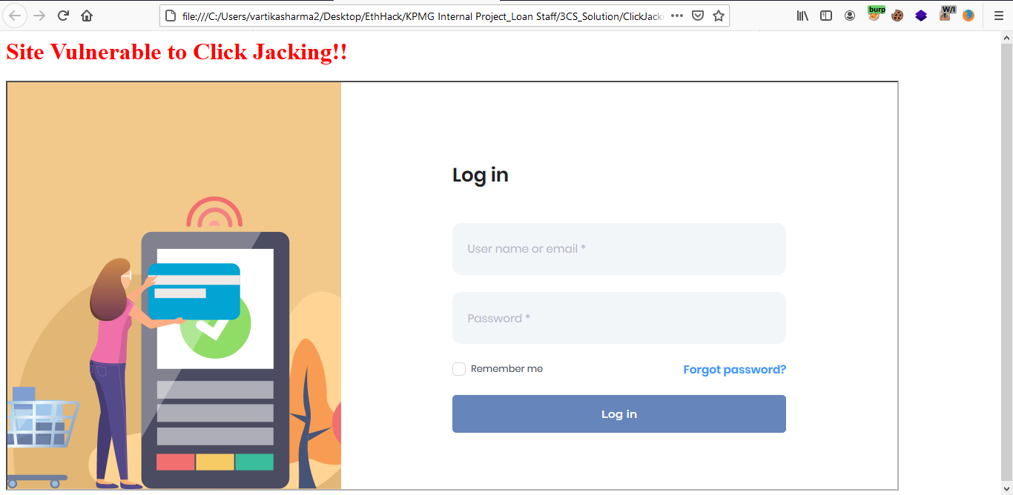

Missing Security Headers
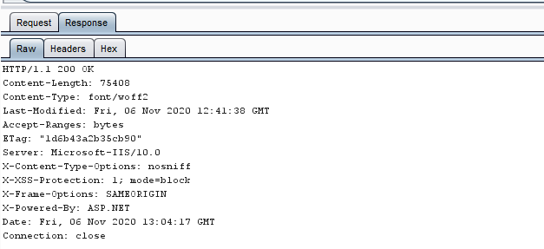

Path of Cookie Is Set To Root


Idle Session Timeout Not Implemented

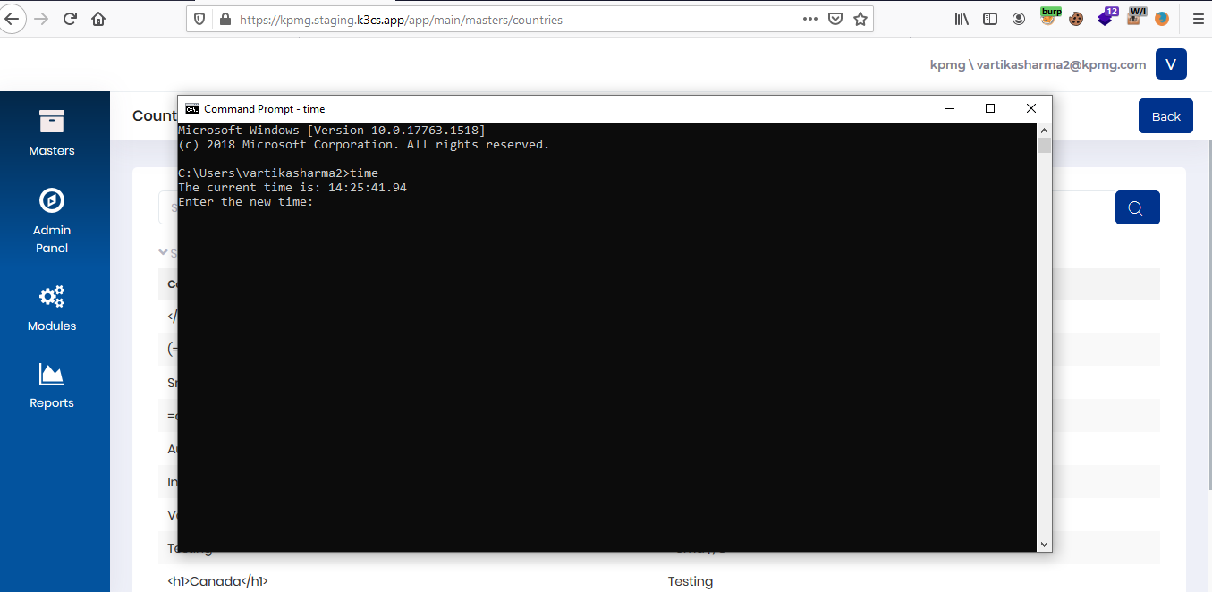
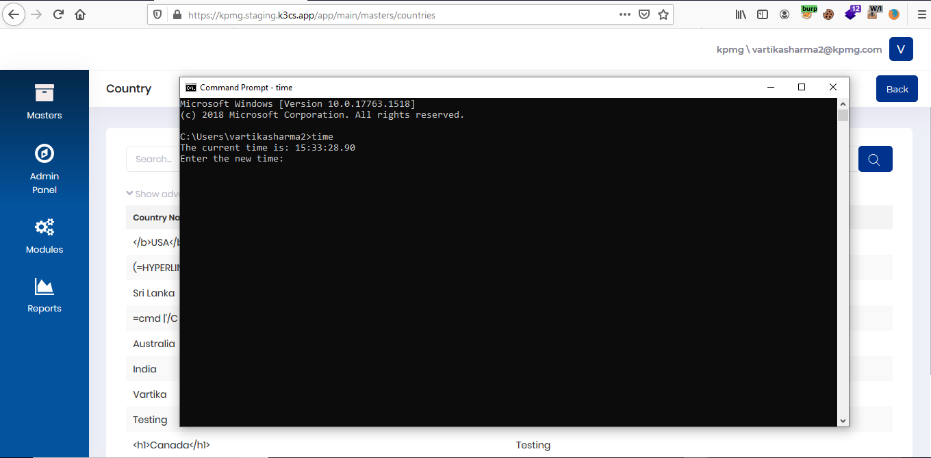

Security Token In URL
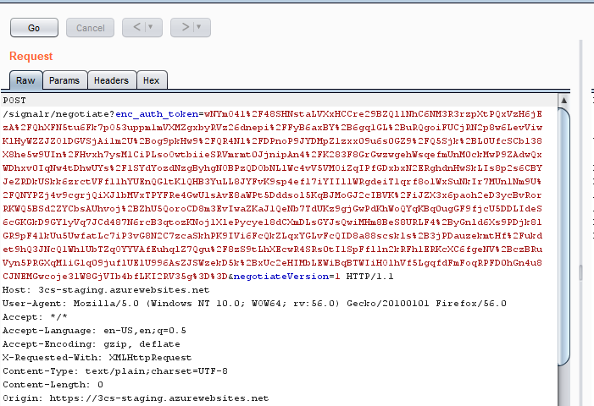

Lack Of Input Validation
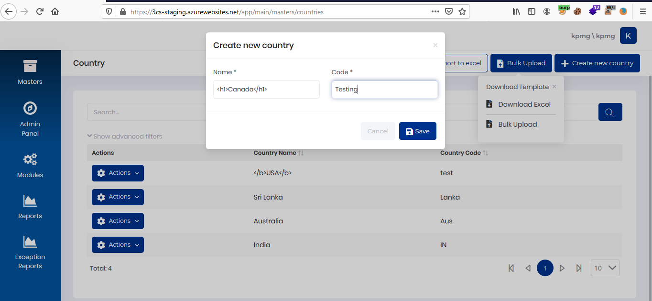
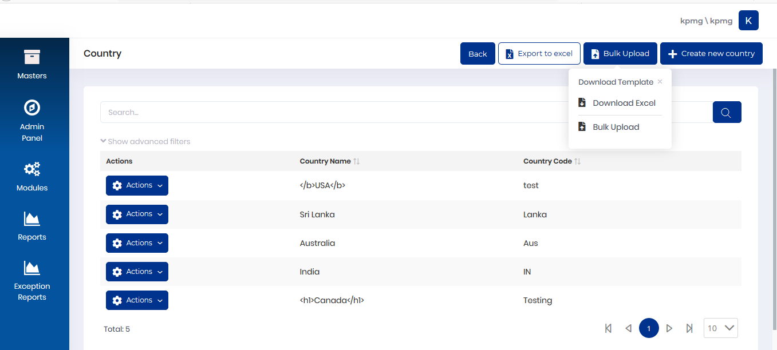

Information Disclosure Through Server Banner

Revalidation Annexure
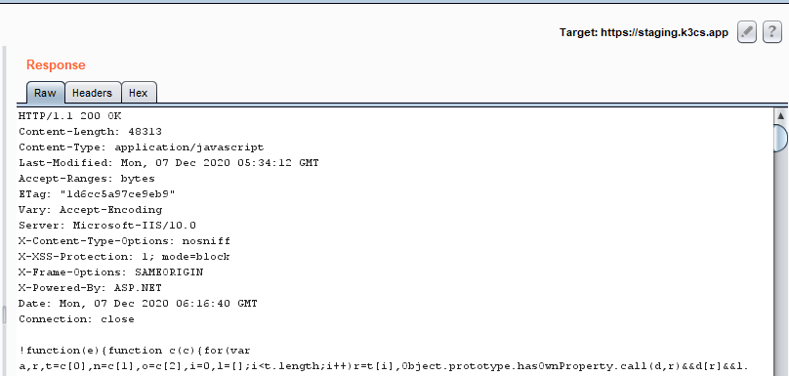
Malicious File Upload
1. Uplaod a php file by manipulating the extension to .php.pdf | 2. Upload the file and intercept request on proxy tool | 3. In proxy tool change the file name to .php and forward the request | 4. We were able to upload a .php file in the application
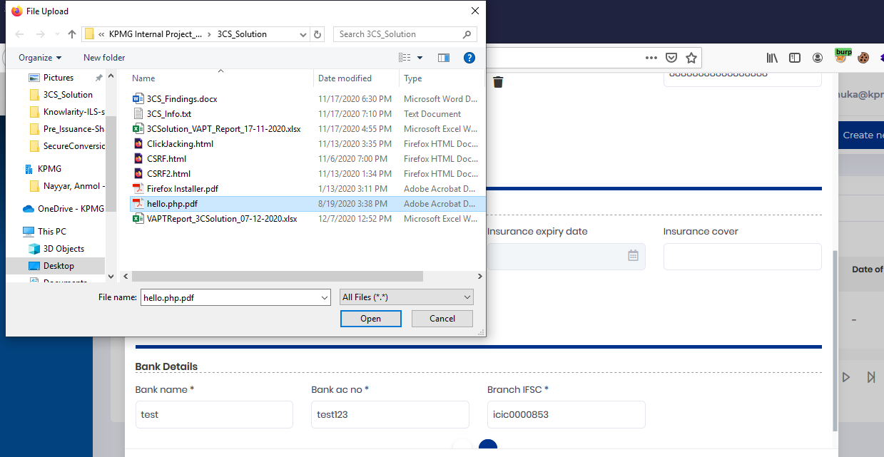
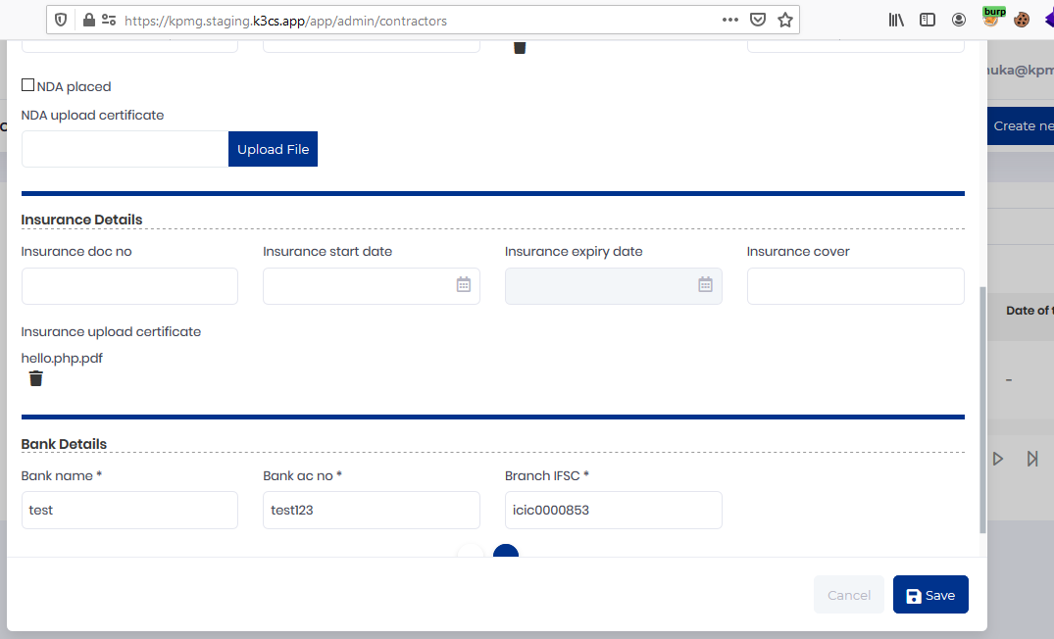
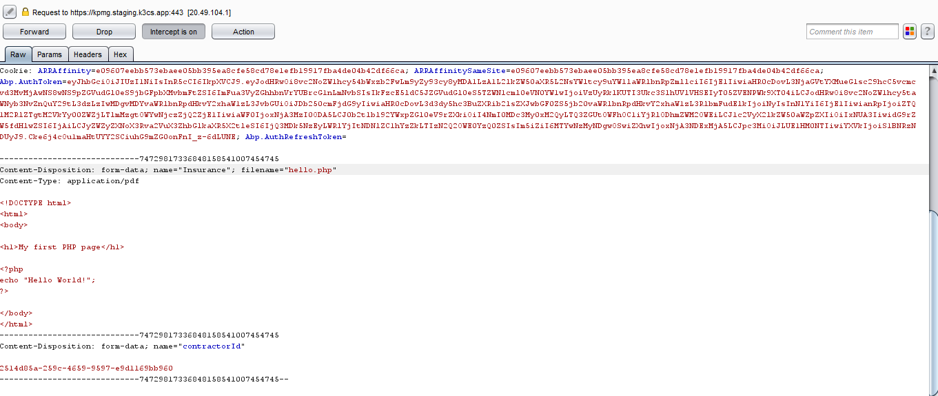
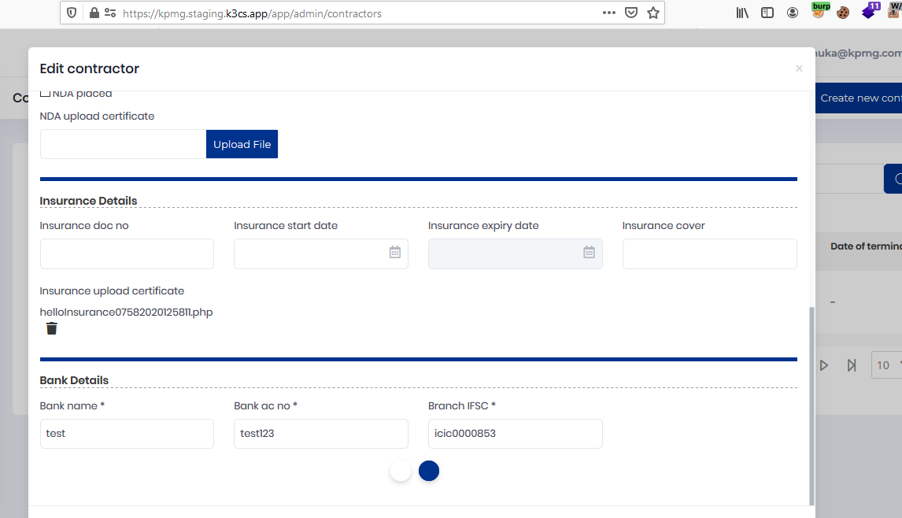

5. Select a firefox installer file by changing its extesnion to .pdf | 6. The file was successfully uploaded
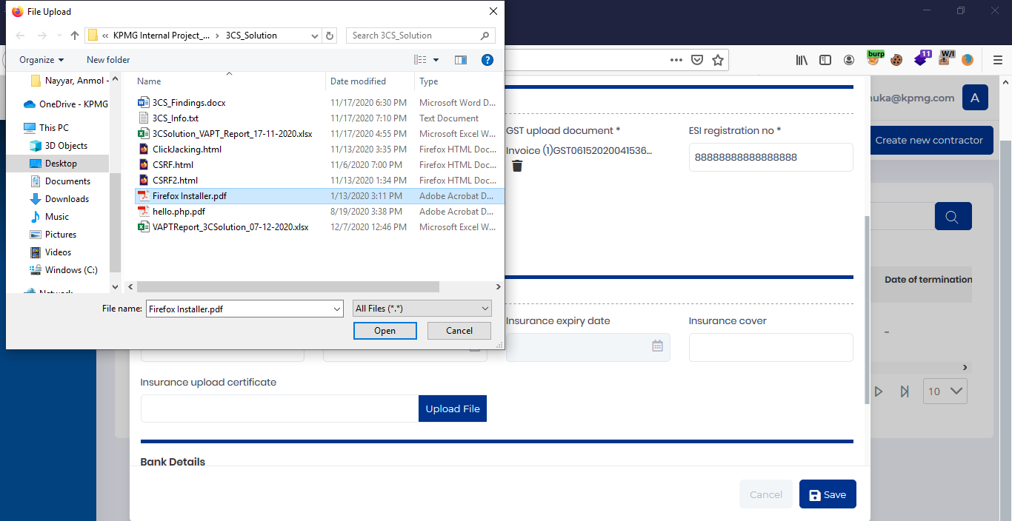
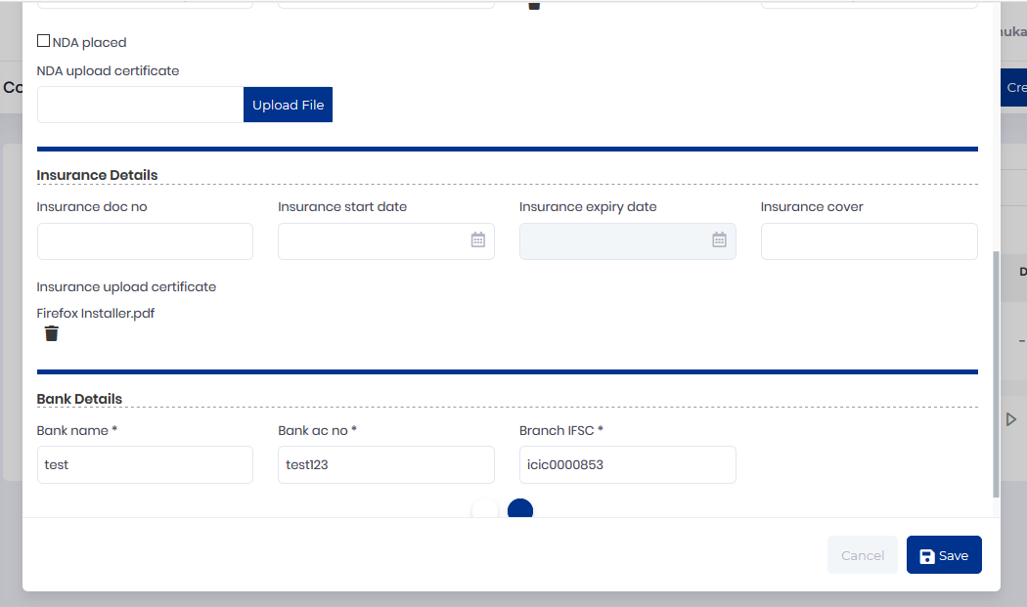

Concurrent Login Enabled
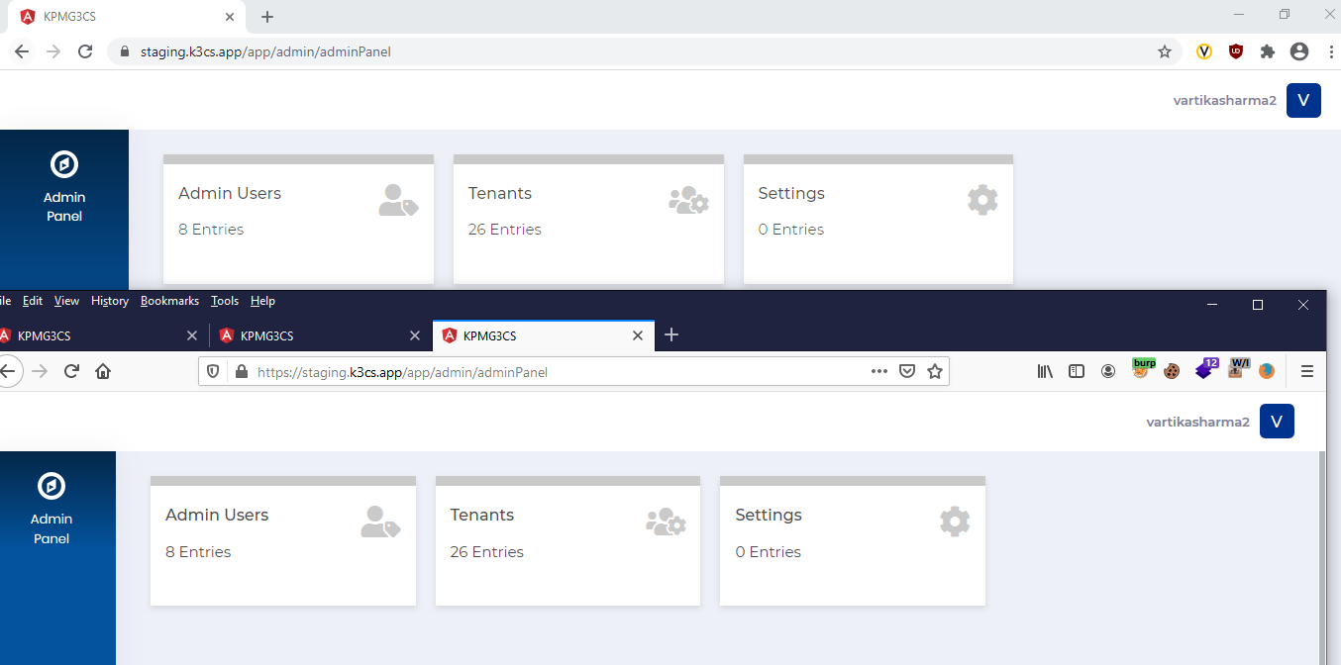

Information Disclosure Through Server Banner

