HT-1
Null Hypothesis | 95% or above prefer Home Remedies | p>= | 0.95 | n | 540
Alternate Hypothesis | Less than 95% prefer Home Remedies | p< | 0.95 | p₀ | 0.95
 |  |  |  | q₀ | 0.05 | Z-cal | > Z-tab
 |  |  |  | p̅ | 0.9463 | Since Z-cal is in : | Accepted zone
We use 1 sided Z-test |  |  |  | q̅ | 0.0537 | Hypothesis is : | Accepted
 |  |  |  | α | 0.05
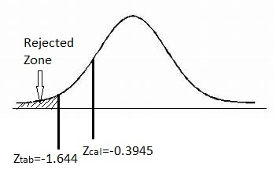
 |  |  |  | Standard Error | 0.0093788572312

 |  |  |  | Z-table | -1.644853627

 |  |  |  | Z-cal | -0.39450435259

HT-2
Null Hypothesis | 85% or more have used 5 or more Home Remedies | p>= | 0.85 | n | 540
Alternate Hypothesis | Less than 85% have used 5 or more Home Remedies | p< | 0.85 | p₀ | 0.85
 |  |  |  | q₀ | 0.15 | Z-cal | < Z-tab
 |  |  |  | p̅ | 0.8111 | Since Z-cal is in : | Rejected zone
We use 1 sided Z-test |  |  |  | q̅ | 0.1889 | Hypothesis is : | Rejected
 |  |  |  | α | 0.05
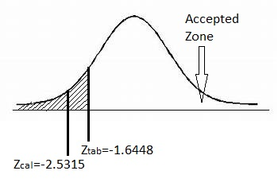
 |  |  |  | Standard Error | 0.015365907429

 |  |  |  | Z-table | -1.644853627

 |  |  |  | Z-cal | -2.5315784427

HT-3
Null Hypothesis | 5% or less have not used any Home Remedies | p<= | 0.05 | n | 540
Alternate Hypothesis | More than 5% have not used any Home Remedies | p> | 0.05 | p₀ | 0.05
 |  |  |  | q₀ | 0.95 | Z-cal | < Z-tab
 |  |  |  | p̅ | 0.0222 | Since Z-cal is in : | Accepted zone
We use 1 sided Z-test |  |  |  | q̅ | 0.9778 | Hypothesis is : | Accepted
 |  |  |  | α | 0.05
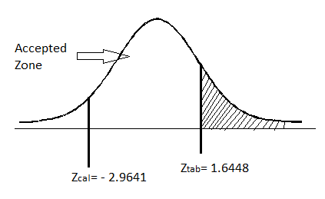
 |  |  |  | Standard Error | 0.0093788572312

 |  |  |  | Z-table | 1.644853627

 |  |  |  | Z-cal | -2.9641137843

