6 Divisions
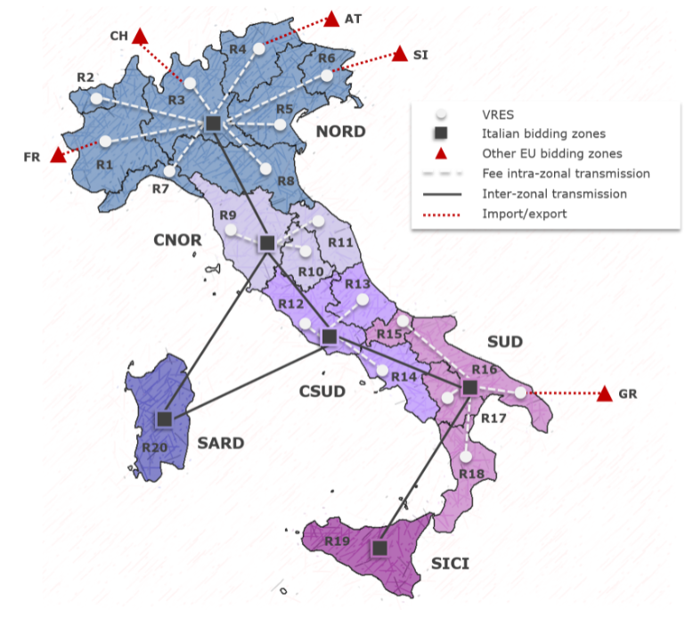
 | [GW] |  |  |  |  |  |  |  |  |  |  |  |  | [GWh]
 | Coal | Coal USC | CCGT | Waste-to-energy | Bio-Energy | Oil and other fossil | Geothermal | Wind | PV farm | PV rooftop | Hydro dam | Hydro ror | PHS | PHS_Storage | LAT | LON
NORD |  |  | 28 | 0 | 0 | 0.9 |  | 0 | 0 | 0 | 7.362 | 3.83 | 0 | 0 | 45.219847 | 9.624722
CNOR | 0 |  | 2 | 0 | 0 | 2.16 | 0 | 0 | 0 | 0 | 0.79 | 0.31 |  |  | 43.46075 | 11.861967
CSUD |  | 0 | 8.8 | 0 | 0 | 0.9 |  | 0 | 0 | 0 | 0.563 | 0.49 | 0 | 0 | 41.63409 | 13.335471
SUD | 0 |  | 8.8 | 0 | 0 | 2.618 |  | 0 | 0 | 0 | 0.687 | 0.26 |  |  | 40.678274 | 16.597098
SICI |  |  | 4 |  | 0 | 1.41 |  | 0 | 0 | 0 | 0 | 0 | 0 | 0 | 37.511642 | 15.085379
SARD | 0 |  | 0 | 0 | 0 | 1.2 |  | 0 | 0 | 0 | 0 | 0 | 0 | 0 | 40.302551 | 9.319396
ITA | 0 | 0 | 51.6 | 0 | 0 | 9.188 | 0 | 0 | 0 | 0 | 9.402 | 4.89 | 0 | 0
ITA max |  |  |  |  |  |  | 2 | 60.00 | 90 |  | 10 | 8 | 10

