Data
No. | Level | Type of BR | Type of design | Unit No. | Unit Code | Balcony orientation | View | GFA (m2) | NSA (m2) | Outdoor area | Price in USD (Excl. VAT) | Price in USD (Incl. VAT) | Price psm (excl. VAT) | Price psm (incl. VAT) | K number
15 | 3 | 1BR | 1A | 01 | CA-03.01 | N | GOT river | 47.57 | 43.61 |  | $102,971 | $113,037 | $2,361 | $2,592 | 0.95
27 | 3A | 1BR | 1A | 01 | CA-3A.01 | N | GOT river | 47.57 | 43.61 |  | $103,224 | $113,315 | $2,367 | $2,598 | 0.95
39 | 5 | 1BR | 1A | 01 | CA-05.01 | N | GOT river | 47.57 | 43.61 |  | $103,730 | $113,872 | $2,379 | $2,611 | 0.96
51 | 6 | 1BR | 1A | 01 | CA-06.01 | N | GOT river | 47.57 | 43.61 |  | $104,742 | $114,985 | $2,402 | $2,637 | 0.97
63 | 7 | 1BR | 1A | 01 | CA-07.01 | N | GOT river | 47.57 | 43.61 |  | $103,730 | $113,872 | $2,379 | $2,611 | 0.96
75 | 8 | 1BR | 1A | 01 | CA-08.01 | N | GOT river | 47.57 | 43.61 |  | $104,742 | $114,985 | $2,402 | $2,637 | 0.97
87 | 9 | 1BR | 1A | 01 | CA-09.01 | N | GOT river | 47.57 | 43.61 |  | $104,742 | $114,985 | $2,402 | $2,637 | 0.97
99 | 10 | 1BR | 1A | 01 | CA-10.01 | N | GOT river | 47.57 | 43.61 |  | $103,477 | $113,594 | $2,373 | $2,605 | 0.96
111 | 11 | 1BR | 1A | 01 | CA-11.01 | N | GOT river | 47.57 | 43.61 |  | $103,224 | $113,315 | $2,367 | $2,598 | 0.95
123 | 12 | 1BR | 1A | 01 | CA-12.01 | N | GOT river | 47.57 | 43.61 |  | $102,971 | $113,037 | $2,361 | $2,592 | 0.95
135 | 12A | 1BR | 1A | 01 | CA-12A.01 | N | GOT river | 47.57 | 43.61 |  | $102,971 | $113,037 | $2,361 | $2,592 | 0.95
147 | 14 | 1BR | 1A | 01 | CA-14.01 | N | GOT river | 47.57 | 43.61 |  | $102,718 | $112,759 | $2,355 | $2,586 | 0.95
159 | 15 | 1BR | 1A | 01 | CA-15.01 | N | GOT river | 47.57 | 43.61 |  | $102,718 | $112,759 | $2,355 | $2,586 | 0.95
171 | 16 | 1BR | 1A | 01 | CA-16.01 | N | GOT river | 47.57 | 43.61 |  | $103,477 | $113,594 | $2,373 | $2,605 | 0.96
183 | 17 | 1BR | 1A | 01 | CA-17.01 | N | GOT river | 47.57 | 43.61 |  | $102,465 | $112,480 | $2,350 | $2,579 | 0.95
17 | 3 | 1BR | 1B | 03 | CA-03.03 | NE | GOT river | 45.28 | 40.18 |  | $98,014 | $107,595 | $2,439 | $2,678 | 0.98
29 | 3A | 1BR | 1B | 03 | CA-3A.03 | NE | GOT river | 45.28 | 40.18 |  | $98,255 | $107,860 | $2,445 | $2,684 | 0.99
41 | 5 | 1BR | 1B | 03 | CA-05.03 | NE | GOT river | 45.28 | 40.18 |  | $98,736 | $108,390 | $2,457 | $2,698 | 0.99
53 | 6 | 1BR | 1B | 03 | CA-06.03 | NE | GOT river | 45.28 | 40.18 |  | $99,700 | $109,450 | $2,481 | $2,724 | 1.00
65 | 7 | 1BR | 1B | 03 | CA-07.03 | NE | GOT river | 45.28 | 40.18 |  | $98,736 | $108,390 | $2,457 | $2,698 | 0.99
77 | 8 | 1BR | 1B | 03 | CA-08.03 | NE | GOT river | 45.28 | 40.18 |  | $99,700 | $109,450 | $2,481 | $2,724 | 1.00
89 | 9 | 1BR | 1B | 03 | CA-09.03 | NE | GOT river | 45.28 | 40.18 |  | $99,700 | $109,450 | $2,481 | $2,724 | 1.00
101 | 10 | 1BR | 1B | 03 | CA-10.03 | NE | GOT river | 45.28 | 40.18 |  | $98,496 | $108,125 | $2,451 | $2,691 | 0.99
113 | 11 | 1BR | 1B | 03 | CA-11.03 | NE | GOT river | 45.28 | 40.18 |  | $98,255 | $107,860 | $2,445 | $2,684 | 0.99
125 | 12 | 1BR | 1B | 03 | CA-12.03 | NE | GOT river | 45.28 | 40.18 |  | $98,014 | $107,595 | $2,439 | $2,678 | 0.98
137 | 12A | 1BR | 1B | 03 | CA-12A.03 | NE | GOT river | 45.28 | 40.18 |  | $98,014 | $107,595 | $2,439 | $2,678 | 0.98
149 | 14 | 1BR | 1B | 03 | CA-14.03 | NE | GOT river | 45.28 | 40.18 |  | $97,773 | $107,331 | $2,433 | $2,671 | 0.98
161 | 15 | 1BR | 1B | 03 | CA-15.03 | NE | GOT river | 45.28 | 40.18 |  | $97,773 | $107,331 | $2,433 | $2,671 | 0.98
173 | 16 | 1BR | 1B | 03 | CA-16.03 | NE | GOT river | 45.28 | 40.18 |  | $98,496 | $108,125 | $2,451 | $2,691 | 0.99
185 | 17 | 1BR | 1B | 03 | CA-17.03 | NE | GOT river | 45.28 | 40.18 |  | $97,532 | $107,066 | $2,427 | $2,665 | 0.98
20 | 3 | 1BR | 1C | 06 | CA-03.06 | SW | SG river & garden | 49.28 | 44.93 |  | $111,128 | $122,002 | $2,473 | $2,715 | 1.00
32 | 3A | 1BR | 1C | 06 | CA-3A.06 | SW | SG river & garden | 49.28 | 44.93 |  | $113,749 | $124,885 | $2,532 | $2,780 | 1.02
44 | 5 | 1BR | 1C | 06 | CA-05.06 | SW | SG river & garden | 49.28 | 44.93 |  | $116,632 | $128,056 | $2,596 | $2,850 | 1.05
56 | 6 | 1BR | 1C | 06 | CA-06.06 | SW | SG river & garden | 49.28 | 44.93 |  | $117,943 | $129,497 | $2,625 | $2,882 | 1.06
68 | 7 | 1BR | 1C | 06 | CA-07.06 | SW | SG river & garden | 49.28 | 44.93 |  | $117,418 | $128,921 | $2,613 | $2,869 | 1.05
80 | 8 | 1BR | 1C | 06 | CA-08.06 | SW | SG river & garden | 49.28 | 44.93 |  | $118,467 | $130,074 | $2,637 | $2,895 | 1.06
92 | 9 | 1BR | 1C | 06 | CA-09.06 | SW | SG river & garden | 49.28 | 44.93 |  | $118,467 | $130,074 | $2,637 | $2,895 | 1.06
104 | 10 | 1BR | 1C | 06 | CA-10.06 | SW | SG river & garden | 49.28 | 44.93 |  | $117,943 | $129,497 | $2,625 | $2,882 | 1.06
116 | 11 | 1BR | 1C | 06 | CA-11.06 | SW | SG river & garden | 49.28 | 44.93 |  | $117,943 | $129,497 | $2,625 | $2,882 | 1.06
128 | 12 | 1BR | 1C | 06 | CA-12.06 | SW | SG river & garden | 49.28 | 44.93 |  | $117,943 | $129,497 | $2,625 | $2,882 | 1.06
140 | 12A | 1BR | 1C | 06 | CA-12A.06 | SW | SG river & garden | 49.28 | 44.93 |  | $117,418 | $128,921 | $2,613 | $2,869 | 1.05
152 | 14 | 1BR | 1C | 06 | CA-14.06 | SW | SG river & garden | 49.28 | 44.93 |  | $117,418 | $128,921 | $2,613 | $2,869 | 1.05
164 | 15 | 1BR | 1C | 06 | CA-15.06 | SW | SG river & garden | 49.28 | 44.93 |  | $117,156 | $128,633 | $2,608 | $2,863 | 1.05
176 | 16 | 1BR | 1C | 06 | CA-16.06 | SW | SG river & garden | 49.28 | 44.93 |  | $117,943 | $129,497 | $2,625 | $2,882 | 1.06
188 | 17 | 1BR | 1C | 06 | CA-17.06 | SW | SG river & garden | 49.28 | 44.93 |  | $116,632 | $128,056 | $2,596 | $2,850 | 1.05
21 | 3 | 1BR | 1D | 07 | CA-03.07 | S | SG river & garden | 50.42 | 45.73 |  | $113,699 | $124,824 | $2,486 | $2,730 | 1.00
33 | 3A | 1BR | 1D | 07 | CA-3A.07 | S | SG river & garden | 50.42 | 45.73 |  | $116,380 | $127,774 | $2,545 | $2,794 | 1.03
45 | 5 | 1BR | 1D | 07 | CA-05.07 | S | SG river & garden | 50.42 | 45.73 |  | $119,330 | $131,018 | $2,609 | $2,865 | 1.05
57 | 6 | 1BR | 1D | 07 | CA-06.07 | S | SG river & garden | 50.42 | 45.73 |  | $123,353 | $135,443 | $2,697 | $2,962 | 1.09
69 | 7 | 1BR | 1D | 07 | CA-07.07 | S | SG river & garden | 50.42 | 45.73 |  | $122,816 | $134,853 | $2,686 | $2,949 | 1.08
81 | 8 | 1BR | 1D | 07 | CA-08.07 | S | SG river & garden | 50.42 | 45.73 |  | $123,889 | $136,033 | $2,709 | $2,975 | 1.09
93 | 9 | 1BR | 1D | 07 | CA-09.07 | S | SG river & garden | 50.42 | 45.73 |  | $123,889 | $136,033 | $2,709 | $2,975 | 1.09
105 | 10 | 1BR | 1D | 07 | CA-10.07 | S | SG river & garden | 50.42 | 45.73 |  | $123,353 | $135,443 | $2,697 | $2,962 | 1.09
117 | 11 | 1BR | 1D | 07 | CA-11.07 | S | SG river & garden | 50.42 | 45.73 |  | $123,353 | $135,443 | $2,697 | $2,962 | 1.09
129 | 12 | 1BR | 1D | 07 | CA-12.07 | S | SG river & garden | 50.42 | 45.73 |  | $123,353 | $135,443 | $2,697 | $2,962 | 1.09
141 | 12A | 1BR | 1D | 07 | CA-12A.07 | S | SG river & garden | 50.42 | 45.73 |  | $122,816 | $134,853 | $2,686 | $2,949 | 1.08
153 | 14 | 1BR | 1D | 07 | CA-14.07 | S | SG river & garden | 50.42 | 45.73 |  | $122,816 | $134,853 | $2,686 | $2,949 | 1.08
165 | 15 | 1BR | 1D | 07 | CA-15.07 | S | SG river & garden | 50.42 | 45.73 |  | $122,548 | $134,558 | $2,680 | $2,942 | 1.08
177 | 16 | 1BR | 1D | 07 | CA-16.07 | S | SG river & garden | 50.42 | 45.73 |  | $123,353 | $135,443 | $2,697 | $2,962 | 1.09
189 | 17 | 1BR | 1D | 07 | CA-17.07 | S | SG river & garden | 50.42 | 45.73 |  | $122,012 | $133,968 | $2,668 | $2,930 | 1.08
142 | 12A | 1BR | 1E | 03 | CA-12A.08 | S | SG river & garden | 54.13 | 49.62 |  | $130,702 | $143,509 | $2,634 | $2,892 | 1.06
22 | 3 | 1BR | 1E | 08 | CA-03.08 | S | SG river & garden | 54.13 | 49.62 |  | $122,065 | $134,009 | $2,460 | $2,701 | 0.99
34 | 3A | 1BR | 1E | 08 | CA-3A.08 | S | SG river & garden | 54.13 | 49.62 |  | $124,944 | $137,175 | $2,518 | $2,765 | 1.01
46 | 5 | 1BR | 1E | 08 | CA-05.08 | S | SG river & garden | 54.13 | 49.62 |  | $128,111 | $140,659 | $2,582 | $2,835 | 1.04
58 | 6 | 1BR | 1E | 08 | CA-06.08 | S | SG river & garden | 54.13 | 49.62 |  | $131,277 | $144,142 | $2,646 | $2,905 | 1.07
70 | 7 | 1BR | 1E | 08 | CA-07.08 | S | SG river & garden | 54.13 | 49.62 |  | $130,702 | $143,509 | $2,634 | $2,892 | 1.06
82 | 8 | 1BR | 1E | 08 | CA-08.08 | S | SG river & garden | 54.13 | 49.62 |  | $131,853 | $144,776 | $2,657 | $2,918 | 1.07
94 | 9 | 1BR | 1E | 08 | CA-09.08 | S | SG river & garden | 54.13 | 49.62 |  | $131,853 | $144,776 | $2,657 | $2,918 | 1.07
106 | 10 | 1BR | 1E | 08 | CA-10.08 | S | SG river & garden | 54.13 | 49.62 |  | $131,277 | $144,142 | $2,646 | $2,905 | 1.07
118 | 11 | 1BR | 1E | 08 | CA-11.08 | S | SG river & garden | 54.13 | 49.62 |  | $131,277 | $144,142 | $2,646 | $2,905 | 1.07
130 | 12 | 1BR | 1E | 08 | CA-12.08 | S | SG river & garden | 54.13 | 49.62 |  | $131,277 | $144,142 | $2,646 | $2,905 | 1.07
154 | 14 | 1BR | 1E | 08 | CA-14.08 | S | SG river & garden | 54.13 | 49.62 |  | $130,702 | $143,509 | $2,634 | $2,892 | 1.06
166 | 15 | 1BR | 1E | 08 | CA-15.08 | S | SG river & garden | 54.13 | 49.62 |  | $130,414 | $143,192 | $2,628 | $2,886 | 1.06
178 | 16 | 1BR | 1E | 08 | CA-16.08 | S | SG river & garden | 54.13 | 49.62 |  | $131,277 | $144,142 | $2,646 | $2,905 | 1.07
190 | 17 | 1BR | 1E | 08 | CA-17.08 | S | SG river & garden | 54.13 | 49.62 |  | $129,838 | $142,559 | $2,617 | $2,873 | 1.05
25 | 3 | 1BR | 1F | 11 | CA-03.11 | N | GOT river | 52.54 | 47.48 |  | $119,318 | $130,994 | $2,513 | $2,759 | 1.01
37 | 3A | 1BR | 1F | 11 | CA-3A.11 | N | GOT river | 52.54 | 47.48 |  | $119,597 | $131,302 | $2,519 | $2,765 | 1.01
49 | 5 | 1BR | 1F | 11 | CA-05.11 | N | GOT river | 52.54 | 47.48 |  | $120,156 | $131,916 | $2,531 | $2,778 | 1.02
61 | 6 | 1BR | 1F | 11 | CA-06.11 | N | GOT river | 52.54 | 47.48 |  | $121,274 | $133,146 | $2,554 | $2,804 | 1.03
73 | 7 | 1BR | 1F | 11 | CA-07.11 | N | GOT river | 52.54 | 47.48 |  | $120,156 | $131,916 | $2,531 | $2,778 | 1.02
85 | 8 | 1BR | 1F | 11 | CA-08.11 | N | GOT river | 52.54 | 47.48 |  | $121,274 | $133,146 | $2,554 | $2,804 | 1.03
97 | 9 | 1BR | 1F | 11 | CA-09.11 | N | GOT river | 52.54 | 47.48 |  | $121,274 | $133,146 | $2,554 | $2,804 | 1.03
109 | 10 | 1BR | 1F | 11 | CA-10.11 | N | GOT river | 52.54 | 47.48 |  | $119,877 | $131,609 | $2,525 | $2,772 | 1.02
121 | 11 | 1BR | 1F | 11 | CA-11.11 | N | GOT river | 52.54 | 47.48 |  | $119,597 | $131,302 | $2,519 | $2,765 | 1.01
133 | 12 | 1BR | 1F | 11 | CA-12.11 | N | GOT river | 52.54 | 47.48 |  | $119,318 | $130,994 | $2,513 | $2,759 | 1.01
145 | 12A | 1BR | 1F | 11 | CA-12A.11 | N | GOT river | 52.54 | 47.48 |  | $119,318 | $130,994 | $2,513 | $2,759 | 1.01
157 | 14 | 1BR | 1F | 11 | CA-14.11 | N | GOT river | 52.54 | 47.48 |  | $119,038 | $130,687 | $2,507 | $2,752 | 1.01
169 | 15 | 1BR | 1F | 11 | CA-15.11 | N | GOT river | 52.54 | 47.48 |  | $119,038 | $130,687 | $2,507 | $2,752 | 1.01
181 | 16 | 1BR | 1F | 11 | CA-16.11 | N | GOT river | 52.54 | 47.48 |  | $119,877 | $131,609 | $2,525 | $2,772 | 1.02
193 | 17 | 1BR | 1F | 11 | CA-17.11 | N | GOT river | 52.54 | 47.48 |  | $118,759 | $130,380 | $2,501 | $2,746 | 1.01
16 | 3 | 2BR | 2A | 02 | CA-03.02 | E | Double GOT river | 93.07 | 87.52 |  | $216,311 | $237,490 | $2,472 | $2,714 | 1.00
28 | 3A | 2BR | 2A | 02 | CA-3A.02 | E | Double GOT river | 93.07 | 87.52 |  | $216,806 | $238,034 | $2,477 | $2,720 | 1.00
40 | 5 | 2BR | 2A | 02 | CA-05.02 | E | Double GOT river | 93.07 | 87.52 |  | $217,796 | $239,123 | $2,489 | $2,732 | 1.00
52 | 6 | 2BR | 2A | 02 | CA-06.02 | E | Double GOT river | 93.07 | 87.52 |  | $219,776 | $241,301 | $2,511 | $2,757 | 1.01
64 | 7 | 2BR | 2A | 02 | CA-07.02 | E | Double GOT river | 93.07 | 87.52 |  | $217,796 | $239,123 | $2,489 | $2,732 | 1.00
76 | 8 | 2BR | 2A | 02 | CA-08.02 | E | Double GOT river | 93.07 | 87.52 |  | $219,776 | $241,301 | $2,511 | $2,757 | 1.01
88 | 9 | 2BR | 2A | 02 | CA-09.02 | E | Double GOT river | 93.07 | 87.52 |  | $219,776 | $241,301 | $2,511 | $2,757 | 1.01
100 | 10 | 2BR | 2A | 02 | CA-10.02 | E | Double GOT river | 93.07 | 87.52 |  | $217,301 | $238,579 | $2,483 | $2,726 | 1.00
112 | 11 | 2BR | 2A | 02 | CA-11.02 | E | Double GOT river | 93.07 | 87.52 |  | $216,806 | $238,034 | $2,477 | $2,720 | 1.00
124 | 12 | 2BR | 2A | 02 | CA-12.02 | E | Double GOT river | 93.07 | 87.52 |  | $216,311 | $237,490 | $2,472 | $2,714 | 1.00
136 | 12A | 2BR | 2A | 02 | CA-12A.02 | E | Double GOT river | 93.07 | 87.52 |  | $216,311 | $237,490 | $2,472 | $2,714 | 1.00
148 | 14 | 2BR | 2A | 02 | CA-14.02 | E | Double GOT river | 93.07 | 87.52 |  | $215,816 | $236,945 | $2,466 | $2,707 | 0.99
160 | 15 | 2BR | 2A | 02 | CA-15.02 | E | Double GOT river | 93.07 | 87.52 |  | $215,816 | $236,945 | $2,466 | $2,707 | 0.99
172 | 16 | 2BR | 2A | 02 | CA-16.02 | E | Double GOT river | 93.07 | 87.52 |  | $217,301 | $238,579 | $2,483 | $2,726 | 1.00
184 | 17 | 2BR | 2A | 02 | CA-17.02 | E | Double GOT river | 93.07 | 87.52 |  | $215,321 | $236,401 | $2,460 | $2,701 | 0.99
18 | 3 | 2BR | 2B | 04 | CA-03.04 | NE | GOT river | 83.31 | 77.06 |  | $180,335 | $197,963 | $2,340 | $2,569 | 0.94
30 | 3A | 2BR | 2B | 04 | CA-3A.04 | NE | GOT river | 83.31 | 77.06 |  | $180,778 | $198,451 | $2,346 | $2,575 | 0.95
42 | 5 | 2BR | 2B | 04 | CA-05.04 | NE | GOT river | 83.31 | 77.06 |  | $181,664 | $199,425 | $2,357 | $2,588 | 0.95
54 | 6 | 2BR | 2B | 04 | CA-06.04 | NE | GOT river | 83.31 | 77.06 |  | $183,436 | $201,375 | $2,380 | $2,613 | 0.96
66 | 7 | 2BR | 2B | 04 | CA-07.04 | NE | GOT river | 83.31 | 77.06 |  | $181,664 | $199,425 | $2,357 | $2,588 | 0.95
78 | 8 | 2BR | 2B | 04 | CA-08.04 | NE | GOT river | 83.31 | 77.06 |  | $183,436 | $201,375 | $2,380 | $2,613 | 0.96
90 | 9 | 2BR | 2B | 04 | CA-09.04 | NE | GOT river | 83.31 | 77.06 |  | $183,436 | $201,375 | $2,380 | $2,613 | 0.96
102 | 10 | 2BR | 2B | 04 | CA-10.04 | NE | GOT river | 83.31 | 77.06 |  | $181,221 | $198,938 | $2,352 | $2,582 | 0.95
114 | 11 | 2BR | 2B | 04 | CA-11.04 | NE | GOT river | 83.31 | 77.06 |  | $180,778 | $198,451 | $2,346 | $2,575 | 0.95
126 | 12 | 2BR | 2B | 04 | CA-12.04 | NE | GOT river | 83.31 | 77.06 |  | $180,335 | $197,963 | $2,340 | $2,569 | 0.94
138 | 12A | 2BR | 2B | 04 | CA-12A.04 | NE | GOT river | 83.31 | 77.06 |  | $180,335 | $197,963 | $2,340 | $2,569 | 0.94
150 | 14 | 2BR | 2B | 04 | CA-14.04 | NE | GOT river | 83.31 | 77.06 |  | $179,891 | $197,476 | $2,334 | $2,563 | 0.94
162 | 15 | 2BR | 2B | 04 | CA-15.04 | NE | GOT river | 83.31 | 77.06 |  | $179,891 | $197,476 | $2,334 | $2,563 | 0.94
174 | 16 | 2BR | 2B | 04 | CA-16.04 | NE | GOT river | 83.31 | 77.06 |  | $181,221 | $198,938 | $2,352 | $2,582 | 0.95
186 | 17 | 2BR | 2B | 04 | CA-17.04 | NE | GOT river | 83.31 | 77.06 |  | $179,448 | $196,988 | $2,329 | $2,556 | 0.94
19 | 3 | 2BR | 2C | 05 | CA-03.05 | SE | SG river & garden | 86.32 | 80.10 |  | $204,755 | $224,811 | $2,556 | $2,807 | 1.03
31 | 3A | 2BR | 2C | 05 | CA-3A.05 | SE | SG river & garden | 86.32 | 80.10 |  | $204,755 | $224,811 | $2,556 | $2,807 | 1.03
43 | 5 | 2BR | 2C | 05 | CA-05.05 | SE | SG river & garden | 86.32 | 80.10 |  | $204,296 | $224,306 | $2,551 | $2,800 | 1.03
55 | 6 | 2BR | 2C | 05 | CA-06.05 | SE | SG river & garden | 86.32 | 80.10 |  | $206,591 | $226,831 | $2,579 | $2,832 | 1.04
67 | 7 | 2BR | 2C | 05 | CA-07.05 | SE | SG river & garden | 86.32 | 80.10 |  | $205,673 | $225,821 | $2,568 | $2,819 | 1.03
79 | 8 | 2BR | 2C | 05 | CA-08.05 | SE | SG river & garden | 86.32 | 80.10 |  | $207,509 | $227,841 | $2,591 | $2,844 | 1.04
91 | 9 | 2BR | 2C | 05 | CA-09.05 | SE | SG river & garden | 86.32 | 80.10 |  | $207,509 | $227,841 | $2,591 | $2,844 | 1.04
103 | 10 | 2BR | 2C | 05 | CA-10.05 | SE | SG river & garden | 86.32 | 80.10 |  | $206,591 | $226,831 | $2,579 | $2,832 | 1.04
115 | 11 | 2BR | 2C | 05 | CA-11.05 | SE | SG river & garden | 86.32 | 80.10 |  | $206,591 | $226,831 | $2,579 | $2,832 | 1.04
127 | 12 | 2BR | 2C | 05 | CA-12.0S | SE | SG river & garden | 86.32 | 80.10 |  | $206,591 | $226,831 | $2,579 | $2,832 | 1.04
139 | 12A | 2BR | 2C | 05 | CA-12A.05 | SE | SG river & garden | 86.32 | 80.10 |  | $205,673 | $225,821 | $2,568 | $2,819 | 1.03
151 | 14 | 2BR | 2C | 05 | CA-14.05 | SE | SG river & garden | 86.32 | 80.10 |  | $205,673 | $225,821 | $2,568 | $2,819 | 1.03
163 | 15 | 2BR | 2C | 05 | CA-15.05 | SE | SG river & garden | 86.32 | 80.10 |  | $205,214 | $225,316 | $2,562 | $2,813 | 1.03
175 | 16 | 2BR | 2C | 05 | CA-16.05 | SE | SG river & garden | 86.32 | 80.10 |  | $206,591 | $226,831 | $2,579 | $2,832 | 1.04
187 | 17 | 2BR | 2C | 05 | CA-17.05 | SE | SG river & garden | 86.32 | 80.10 |  | $204,296 | $224,306 | $2,551 | $2,800 | 1.03
23 | 3 | 2BR | 2D | 09 | CA-03.09 | W | SG river & garden | 87.09 | 80.63 |  | $187,127 | $205,417 | $2,321 | $2,548 | 0.94
35 | 3A | 2BR | 2D | 09 | CA-3A.09 | W | SG river & garden | 87.09 | 80.63 |  | $191,759 | $210,512 | $2,378 | $2,611 | 0.96
47 | 5 | 2BR | 2D | 09 | CA-05.09 | W | SG river & garden | 87.09 | 80.63 |  | $201,486 | $221,212 | $2,499 | $2,744 | 1.01
59 | 6 | 2BR | 2D | 09 | CA-06.09 | W | SG river & garden | 87.09 | 80.63 |  | $203,802 | $223,759 | $2,528 | $2,775 | 1.02
71 | 7 | 2BR | 2D | 09 | CA-07.09 | W | SG river & garden | 87.09 | 80.63 |  | $202,876 | $222,740 | $2,516 | $2,762 | 1.01
83 | 8 | 2BR | 2D | 09 | CA-08.09 | W | SG river & garden | 87.09 | 80.63 |  | $204,728 | $224,778 | $2,539 | $2,788 | 1.02
95 | 9 | 2BR | 2D | 09 | CA-09.09 | W | SG river & garden | 87.09 | 80.63 |  | $204,728 | $224,778 | $2,539 | $2,788 | 1.02
107 | 10 | 2BR | 2D | 09 | CA-10.09 | W | SG river & garden | 87.09 | 80.63 |  | $203,802 | $223,759 | $2,528 | $2,775 | 1.02
119 | 11 | 2BR | 2D | 09 | CA-11.09 | W | SG river & garden | 87.09 | 80.63 |  | $203,802 | $223,759 | $2,528 | $2,775 | 1.02
131 | 12 | 2BR | 2D | 09 | CA-12.09 | W | SG river & garden | 87.09 | 80.63 |  | $203,802 | $223,759 | $2,528 | $2,775 | 1.02
143 | 12A | 2BR | 2D | 09 | CA-12A.09 | W | SG river & garden | 87.09 | 80.63 |  | $202,876 | $222,740 | $2,516 | $2,762 | 1.01
155 | 14 | 2BR | 2D | 09 | CA-14.09 | W | SG river & garden | 87.09 | 80.63 |  | $202,876 | $222,740 | $2,516 | $2,762 | 1.01
167 | 15 | 2BR | 2D | 09 | CA-15.09 | W | SG river & garden | 87.09 | 80.63 |  | $202,412 | $222,231 | $2,510 | $2,756 | 1.01
179 | 16 | 2BR | 2D | 09 | CA-16.09 | W | SG river & garden | 87.09 | 80.63 |  | $203,802 | $223,759 | $2,528 | $2,775 | 1.02
191 | 17 | 2BR | 2D | 09 | CA-17.09 | W | SG river & garden | 87.09 | 80.63 |  | $201,486 | $221,212 | $2,499 | $2,744 | 1.01
24 | 3 | 2BR | 2E | 10 | CA-03.10 | N | GOT river | 65.25 | 59.99 |  | $141,241 | $155,049 | $2,354 | $2,585 | 0.95
36 | 3A | 2BR | 2E | 10 | CA-3A.10 | N | GOT river | 65.25 | 59.99 |  | $141,589 | $155,430 | $2,360 | $2,591 | 0.95
48 | 5 | 2BR | 2E | 10 | CA-05.10 | N | GOT river | 65.25 | 59.99 |  | $142,283 | $156,194 | $2,372 | $2,604 | 0.96
60 | 6 | 2BR | 2E | 10 | CA-06.10 | N | GOT river | 65.25 | 59.99 |  | $143,671 | $157,721 | $2,395 | $2,629 | 0.96
72 | 7 | 2BR | 2E | 10 | CA-07.10 | N | GOT river | 65.25 | 59.99 |  | $142,283 | $156,194 | $2,372 | $2,604 | 0.96
84 | 8 | 2BR | 2E | 10 | CA-08.10 | N | GOT river | 65.25 | 59.99 |  | $143,671 | $157,721 | $2,395 | $2,629 | 0.96
96 | 9 | 2BR | 2E | 10 | CA-09.10 | N | GOT river | 65.25 | 59.99 |  | $143,671 | $157,721 | $2,395 | $2,629 | 0.96
108 | 10 | 2BR | 2E | 10 | CA-10.10 | N | GOT river | 65.25 | 59.99 |  | $141,936 | $155,812 | $2,366 | $2,597 | 0.95
120 | 11 | 2BR | 2E | 10 | CA-11.10 | N | GOT river | 65.25 | 59.99 |  | $141,589 | $155,430 | $2,360 | $2,591 | 0.95
132 | 12 | 2BR | 2E | 10 | CA-12.10 | N | GOT river | 65.25 | 59.99 |  | $141,241 | $155,049 | $2,354 | $2,585 | 0.95
144 | 12A | 2BR | 2E | 10 | CA-12A.10 | N | GOT river | 65.25 | 59.99 |  | $141,241 | $155,005 | $2,354 | $2,584 | 0.95
156 | 14 | 2BR | 2E | 10 | CA-14.10 | N | GOT river | 65.25 | 59.99 |  | $140,894 | $154,667 | $2,349 | $2,578 | 0.95
168 | 15 | 2BR | 2E | 10 | CA-15.10 | N | GOT river | 65.25 | 59.99 |  | $140,894 | $154,667 | $2,349 | $2,578 | 0.95
180 | 16 | 2BR | 2E | 10 | CA-16.10 | N | GOT river | 65.25 | 59.99 |  | $141,936 | $155,812 | $2,366 | $2,597 | 0.95
192 | 17 | 2BR | 2E | 10 | CA-17.10 | N | GOT river | 65.25 | 59.99 |  | $140,547 | $154,285 | $2,343 | $2,572 | 0.94
26 | 3 | 2BR | 2F | 12 | CA-03.12 | N | GOT river | 72.38 | 67.23 |  | $152,826 | $167,757 | $2,273 | $2,495 | 0.92
38 | 3A | 2BR | 2F | 12 | CA-3A-12 | N | GOT river | 72.38 | 67.23 |  | $153,211 | $168,180 | $2,279 | $2,502 | 0.92
50 | 5 | 2BR | 2F | 12 | CA-05.12 | N | GOT river | 72.38 | 67.23 |  | $153,981 | $169,027 | $2,290 | $2,514 | 0.92
62 | 6 | 2BR | 2F | 12 | CA-06.12 | N | GOT river | 72.38 | 67.23 |  | $155,520 | $170,721 | $2,313 | $2,539 | 0.93
74 | 7 | 2BR | 2F | 12 | CA-07.12 | N | GOT river | 72.38 | 67.23 |  | $153,981 | $169,027 | $2,290 | $2,514 | 0.92
86 | 8 | 2BR | 2F | 12 | CA-08.12 | N | GOT river | 72.38 | 67.23 |  | $155,520 | $170,721 | $2,313 | $2,539 | 0.93
98 | 9 | 2BR | 2F | 12 | CA-09.12 | N | GOT river | 72.38 | 67.23 |  | $155,520 | $170,721 | $2,313 | $2,539 | 0.93
110 | 10 | 2BR | 2F | 12 | CA-10.12 | N | GOT river | 72.38 | 67.23 |  | $153,596 | $168,604 | $2,285 | $2,508 | 0.92
122 | 11 | 2BR | 2F | 12 | CA-11.12 | N | GOT river | 72.38 | 67.23 |  | $153,211 | $168,180 | $2,279 | $2,502 | 0.92
134 | 12 | 2BR | 2F | 12 | CA-12.12 | N | GOT river | 72.38 | 67.23 |  | $152,826 | $167,757 | $2,273 | $2,495 | 0.92
146 | 12A | 2BR | 2F | 12 | CA-12A.12 | N | GOT river | 72.38 | 67.23 |  | $152,826 | $167,757 | $2,273 | $2,495 | 0.92
158 | 14 | 2BR | 2F | 12 | CA-14.12 | N | GOT river | 72.38 | 67.23 |  | $152,441 | $167,333 | $2,267 | $2,489 | 0.91
170 | 15 | 2BR | 2F | 12 | CA-15.12 | N | GOT river | 72.38 | 67.23 |  | $152,441 | $167,333 | $2,267 | $2,489 | 0.91
182 | 16 | 2BR | 2F | 12 | CA-16.12 | N | GOT river | 72.38 | 67.23 |  | $153,596 | $168,604 | $2,285 | $2,508 | 0.92
194 | 17 | 2BR | 2F | 12 | CA-17.12 | N | GOT river | 72.38 | 67.23 |  | $152,056 | $166,910 | $2,262 | $2,483 | 0.91

 |  |  |  |  |  |  |  |  |  |  |  |  | $2,482 | $2,725

Base price reference
No. | Level | Type of BR | Type of design | Unit No. | Unit Code | Balcony orientation | View | GFA (m2) | NSA (m2) | Outdoor area | Price in USD (Excl. VAT) | Price in USD (Incl. VAT) | Price psm (excl. VAT) | Price psm (incl. VAT)
17 | 3 | 1BR | 1B | 03 | CA-03.03 | NE | GOT river | 45.28 | 40.18 |  | $98,014 | $107,595 | $2,439 | $2,678
15 | 3 | 1BR | 1A | 01 | CA-03.01 | N | GOT river | 47.57 | 43.61 |  | $102,971 | $113,037 | $2,361 | $2,592
20 | 3 | 1BR | 1C | 06 | CA-03.06 | SW | SG river & garden | 49.28 | 44.93 |  | $111,128 | $122,002 | $2,473 | $2,715
21 | 3 | 1BR | 1D | 07 | CA-03.07 | S | SG river & garden | 50.42 | 45.73 |  | $113,699 | $124,824 | $2,486 | $2,730
25 | 3 | 1BR | 1F | 11 | CA-03.11 | N | GOT river | 52.54 | 47.48 |  | $119,318 | $130,994 | $2,513 | $2,759
22 | 3 | 1BR | 1E | 08 | CA-03.08 | S | SG river & garden | 54.13 | 49.62 |  | $122,065 | $134,009 | $2,460 | $2,701
24 | 3 | 2BR | 2E | 10 | CA-03.10 | N | GOT river | 65.25 | 59.99 |  | $141,241 | $155,049 | $2,354 | $2,585
26 | 3 | 2BR | 2F | 12 | CA-03.12 | N | GOT river | 72.38 | 67.23 |  | $152,826 | $167,757 | $2,273 | $2,495
18 | 3 | 2BR | 2B | 04 | CA-03.04 | NE | GOT river | 83.31 | 77.06 |  | $180,335 | $197,963 | $2,340 | $2,569
19 | 3 | 2BR | 2C | 05 | CA-03.05 | SE | SG river & garden | 86.32 | 80.10 |  | $204,755 | $224,811 | $2,556 | $2,807
12 | 2 | 2BR | 2D | 05 | CA-02.05 | W | garden | 87.09 | 80.63 |  | $182,032 | $199,812 | $2,258 | $2,478
14 | 2 | 2BR | 2H | 07 | CA-02.07 | N | GOT river | 89.53 | 83.27 |  | $196,179 | $215,362 | $2,356 | $2,586
16 | 3 | 2BR | 2A | 02 | CA-03.02 | E | Double GOT river | 93.07 | 87.52 |  | $216,311 | $237,490 | $2,472 | $2,714
11 | 2 | 2BR | 2G | 04 | CA-02.04 | S | garden | 104.55 | 96.19 |  | $224,087 | $245,988 | $2,330 | $2,557
13 | 2 | 3BR | 3D | 06 | CA-02.06 | W | GOT river | 117.79 | 109.88 |  | $226,780 | $248,886 | $2,064 | $2,265
8 | 2 | 3BR | 3A | 01 | CA-02.01 | E | GOT river | 123.49 | 116.42 |  | $237,754 | $260,929 | $2,042 | $2,241
9 | 2 | 3BR | 3B | 02 | CA-02.02 | SE | GOT river | 128.59 | 118.74 |  | $240,734 | $264,183 | $2,027 | $2,225
10 | 2 | 3BR | 3C | 03 | CA-02.03 | SE | garden | 135.60 | 126.39 |  | $290,638 | $319,043 | $2,300 | $2,524

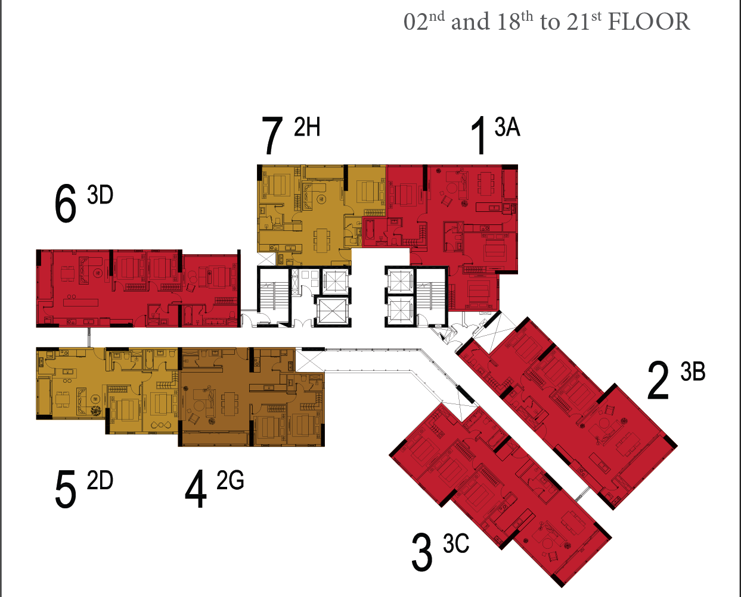
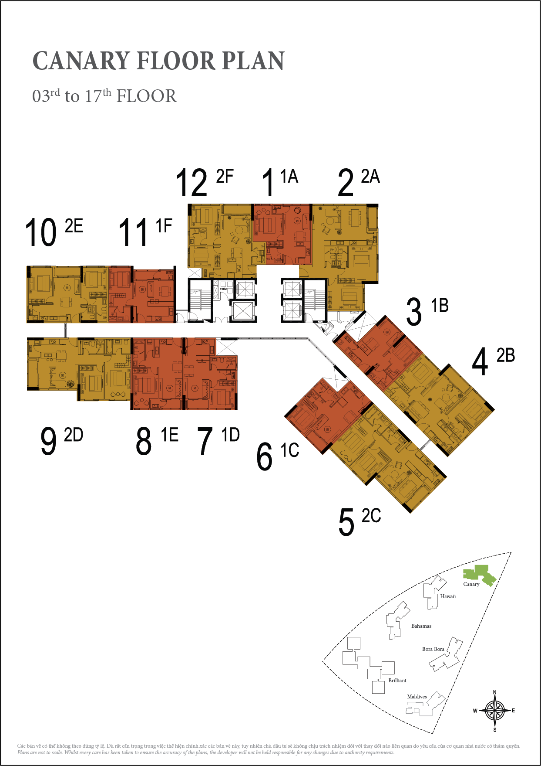
 |  |  |  |  |  |  |  |  |  |  |  |  |  |  | Type of design | View | Balcony orientation
 |  |  |  |  |  |  |  |  |  |  |  |  |  |  | 1A | SG river | N
 |  |  |  |  |  |  |  |  |  |  |  |  |  |  | 1B | GOT river | NE
 |  |  |  |  |  |  |  |  |  |  |  |  |  |  | 1C | SG river & garden | SW
 |  |  |  |  |  |  |  |  |  |  |  |  |  |  | 1D | SG river & garden | S
 |  |  |  |  |  |  |  |  |  |  |  |  |  |  | 1E | SG river & garden | S
 |  |  |  |  |  |  |  |  |  |  |  |  |  |  | 1F | SG river | N
 |  |  |  |  |  |  |  |  |  |  |  |  |  |  | 2A | SG river | E
 |  |  |  |  |  |  |  |  |  |  |  |  |  |  | 2B | GOT river | NE
 |  |  |  |  |  |  |  |  |  |  |  |  |  |  | 2C | GOT river | SE
 |  |  |  |  |  |  |  |  |  |  |  |  |  |  | 2D | SG river & garden | W
 |  |  |  |  |  |  |  |  |  |  |  |  |  |  | 2E | SG river | N
 |  |  |  |  |  |  |  |  |  |  |  |  |  |  | 2F | SG river | N
 |  |  |  |  |  |  |  |  |  |  |  |  |  |  | 2G | Garden | S
 |  |  |  |  |  |  |  |  |  |  |  |  |  |  | 2H | SG river | N
 |  |  |  |  |  |  |  |  |  |  |  |  |  |  | 3A | SG river | E
 |  |  |  |  |  |  |  |  |  |  |  |  |  |  | 3B | GOT river | SE
 |  |  |  |  |  |  |  |  |  |  |  |  |  |  | 3C | Garden | SE
 |  |  |  |  |  |  |  |  |  |  |  |  |  |  | 3D | SG river | W

 |  | Code
 |  | 1BR | M
 |  | 2BR | FM
 |  | N | S1 |  | 3A | Binh Thanh
 |  | NE | S2 |  | 12A | Phu Nhuan
 |  | S | C1 |  | 13 | Thu Duc
 |  | SW | C2 |  | 14 | Binh Chanh
 |  | E | T1 |  | 15 | Hoc Mon
 |  | SE | S3 |  | 16 | Cu Chi
 |  | W | T2 |  | 17 | Can Gio
 |  | GOT river | Basic |  | 1 | 1
 |  | SG river | Intermediate |  | 2 | 2
 |  | Double GOT river | Upper-intermediate |  | 3 | 3
 |  | SG river & garden | Proficient |  | 4 | 4
 |  | Garden | Novice |  | 5 | 5
 |  |  |  |  | 6 | 6
 |  |  |  |  | 7 | 7
 |  |  |  |  | 8 | 8
 |  |  |  |  | 9 | 9
 |  |  |  |  | 10 | 10
 |  |  |  |  | 11 | 11
 |  |  |  |  | 12 | 12

