NaI_W
NaI + water
Temperature [K] | Temperature [°C] | Concentration [mol/kg_W] | Viscosity [µPas] | reference | p=10MPa
302 | 29 | 0.06 | 812 | table3
321 | 48 | 0.06 | 566
344 | 71 | 0.06 | 403
367 | 94 | 0.06 | 308
387 | 114 | 0.06 | 252
409 | 136 | 0.06 | 210
432 | 159 | 0.06 | 178
455 | 182 | 0.06 | 155
480 | 207 | 0.06 | 136
504 | 231 | 0.06 | 121
538 | 265 | 0.06 | 105
574 | 301 | 0.06 | 89
311 | 38 | 0.166 | 684
329 | 56 | 0.166 | 504
345 | 72 | 0.166 | 405
367 | 94 | 0.166 | 314
387 | 114 | 0.166 | 259
411 | 138 | 0.166 | 212
430 | 157 | 0.166 | 185
452 | 179 | 0.166 | 163
469 | 196 | 0.166 | 149
489 | 216 | 0.166 | 135
504 | 231 | 0.166 | 126
522 | 249 | 0.166 | 117
543 | 270 | 0.166 | 107
571 | 298 | 0.166 | 94
305 | 32 | 0.552 | 774
326 | 53 | 0.552 | 541
349 | 76 | 0.552 | 396
365 | 92 | 0.552 | 329
391 | 118 | 0.552 | 258
406 | 133 | 0.552 | 227
423 | 150 | 0.552 | 200
444 | 171 | 0.552 | 175
463 | 190 | 0.552 | 158
484 | 211 | 0.552 | 141
497 | 224 | 0.552 | 134
522 | 249 | 0.552 | 121
547 | 274 | 0.552 | 110
568 | 295 | 0.552 | 101
305 | 32 | 1.754 | 814
321 | 48 | 1.754 | 619
332 | 59 | 1.754 | 531
348 | 75 | 1.754 | 436
365 | 92 | 1.754 | 361
389 | 116 | 1.754 | 288
400 | 127 | 1.754 | 263
412 | 139 | 1.754 | 240
424 | 151 | 1.754 | 222
443 | 170 | 1.754 | 197
464 | 191 | 1.754 | 176
483 | 210 | 1.754 | 161
505 | 232 | 1.754 | 148
527 | 254 | 1.754 | 136
308 | 35 | 3 | 851
322 | 49 | 3 | 683
334 | 61 | 3 | 577
352 | 79 | 3 | 472
368 | 95 | 3 | 396
390 | 117 | 3 | 327
402 | 129 | 3 | 297
415 | 142 | 3 | 270
431 | 158 | 3 | 244
444 | 171 | 3 | 229
465 | 192 | 3 | 204
489 | 216 | 3 | 184
516 | 243 | 3 | 166
302 | 29 | 4.7 | 1116
318 | 45 | 4.7 | 849
337 | 64 | 4.7 | 661
353 | 80 | 4.7 | 566
371 | 98 | 4.7 | 480
391 | 118 | 4.7 | 409
405 | 132 | 4.7 | 373
423 | 150 | 4.7 | 335
444 | 171 | 4.7 | 300
461 | 188 | 4.7 | 278
483 | 210 | 4.7 | 254
501 | 228 | 4.7 | 240
521 | 248 | 4.7 | 224

NaBr_W
Temperature [K] | Temperature [°C] | Concentration [mol/kg_W] | Viscosity [µPas] | reference | 10 Mpa
291.15 | 18 | 2.96 | 1290 | table1
298.15 | 25 | 2.96 | 1112
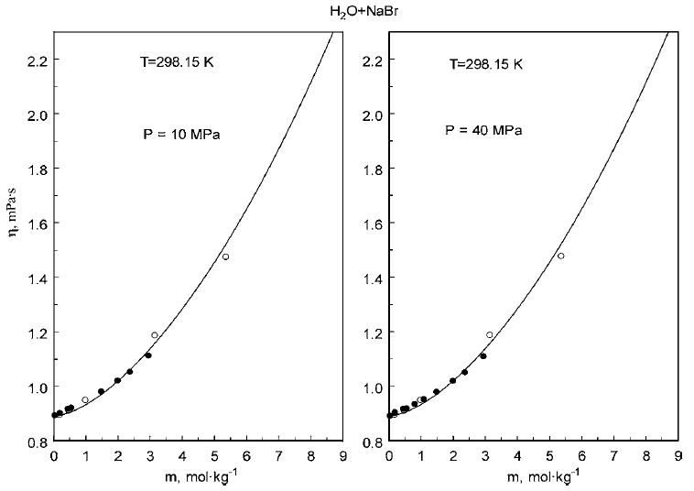
303.75 | 31 | 2.96 | 994
310.75 | 38 | 2.96 | 877
323.21 | 50 | 2.96 | 717
334.5 | 61 | 2.96 | 612
363.8 | 91 | 2.96 | 437
384 | 111 | 2.96 | 360
397 | 124 | 2.96 | 324
421 | 148 | 2.96 | 273
448 | 175 | 2.96 | 233
472 | 199 | 2.96 | 207
496 | 223 | 2.96 | 185
536 | 263 | 2.96 | 158
559 | 286 | 2.96 | 144
574 | 301 | 2.96 | 135
298.15 | 25 | 2 | 1020
303.75 | 31 | 2 | 919
323 | 50 | 2 | 653
344 | 71 | 2 | 487
367 | 94 | 2 | 364
399 | 126 | 2 | 282
423 | 150 | 2 | 236
472 | 199 | 2 | 179
522 | 249 | 2 | 144
559 | 286 | 2 | 124
573 | 300 | 2 | 117
298.15 | 25 | 1.5 | 980
308.75 | 36 | 1.5 | 796
323 | 50 | 1.5 | 625
348 | 75 | 1.5 | 442
363 | 90 | 1.5 | 372
384 | 111 | 1.5 | 301
398 | 125 | 1.5 | 267
450 | 177 | 1.5 | 189
499 | 226 | 1.5 | 148
546 | 273 | 1.5 | 122
574 | 301 | 1.5 | 109
583 | 310 | 1.5 | 104
323 | 50 | 0.82 | 586
348 | 75 | 0.82 | 419
361 | 88 | 0.82 | 358
379 | 106 | 0.82 | 297
399 | 126 | 0.82 | 249
425 | 152 | 0.82 | 206
446 | 173 | 0.82 | 180
497 | 224 | 0.82 | 139
522 | 249 | 0.82 | 126
547 | 274 | 0.82 | 114
572 | 299 | 0.82 | 102
288 | 15 | 0.46 | 1142
298 | 25 | 0.46 | 917
306 | 33 | 0.46 | 773
326 | 53 | 0.46 | 553
347 | 74 | 0.46 | 408
364 | 91 | 0.46 | 334
384 | 111 | 0.46 | 272
396 | 123 | 0.46 | 256
425 | 152 | 0.46 | 198
471 | 198 | 0.46 | 151
498 | 225 | 0.46 | 133
547 | 274 | 0.46 | 109
573 | 300 | 0.46 | 97
298.15 | 25 | 0.05 | 893
308.75 | 36 | 0.05 | 716
323 | 50 | 0.05 | 553
348 | 75 | 0.05 | 380
364 | 91 | 0.05 | 316
384 | 111 | 0.05 | 267
398 | 125 | 0.05 | 225
424 | 151 | 0.05 | 185
450 | 177 | 0.05 | 157
499 | 226 | 0.05 | 122
524 | 251 | 0.05 | 108
549 | 276 | 0.05 | 97
572 | 299 | 0.05 | 87

KBr_W
Temperature [°C] | mass fraction [kg/kg_W] | Viscosity [µPas] | reference
9.2 | 0.1 | 10750 | ref |  | concentraciones muy bajas
20.5 | 0.1 | 9030
28.2 | 0.1 | 8030
11.8 | 0.054 | 11160
20.8 | 0.054 | 9300
32.7 | 0.054 | 7510
10.6 | 0.029 | 12060
20.8 | 0.029 | 9480
31.2 | 0.029 | 7650
8 | 0.017 | 13350
19.7 | 0.017 | 9930
30.7 | 0.017 | 7670

Temperature [K] | Temperature [°C] | Concentration [mol/kg_W] | Viscosity [µPas] | reference | p=10MPa
298.15 | 25 | 0.12 | 885 | ref2 | citas 24-36 son papers sobre otros sistemas NaNO3, Li2SO4, LiI, NaBr, etc.
312.45 | 39.3 | 0.12 | 662 | Abdulagatov, Ilmutdin M
321.85 | 48.7 | 0.12 | 561
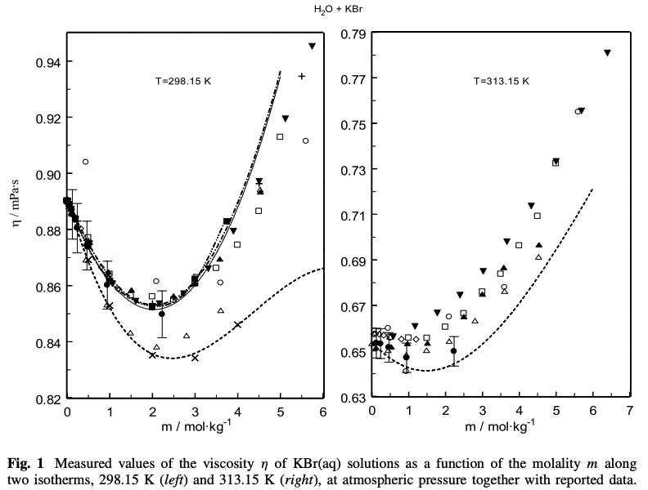
347.25 | 74.1 | 0.12 | 386
370.95 | 97.8 | 0.12 | 292
388.45 | 115.3 | 0.12 | 246
399.19 | 126.04 | 0.12 | 224
424.85 | 151.7 | 0.12 | 184
446.35 | 173.2 | 0.12 | 160
470.95 | 197.8 | 0.12 | 139
497.35 | 224.2 | 0.12 | 122
524.95 | 251.8 | 0.12 | 108
574.45 | 301.3 | 0.12 | 87
298.15 | 25 | 0.24 | 880
312.45 | 39.3 | 0.24 | 643
347.25 | 74.1 | 0.24 | 380
370.95 | 97.8 | 0.24 | 290
388.45 | 115.3 | 0.24 | 248
399.19 | 126.04 | 0.24 | 227
424.85 | 151.7 | 0.24 | 183
446.35 | 173.2 | 0.24 | 159
470.95 | 197.8 | 0.24 | 139
497.35 | 224.2 | 0.24 | 123
524.95 | 251.8 | 0.24 | 111
574.45 | 301.3 | 0.24 | 89
298.15 | 25 | 0.47 | 874
312.45 | 39.3 | 0.47 | 641
321.85 | 48.7 | 0.47 | 550
347.25 | 74.1 | 0.47 | 379
370.95 | 97.8 | 0.47 | 293
388.45 | 115.3 | 0.47 | 250
399.19 | 126.04 | 0.47 | 230
424.85 | 151.7 | 0.47 | 190
446.35 | 173.2 | 0.47 | 160
470.95 | 197.8 | 0.47 | 141
497.35 | 224.2 | 0.47 | 125
524.95 | 251.8 | 0.47 | 112
574.45 | 301.3 | 0.47 | 92
298.15 | 25 | 0.94 | 860
312.45 | 39.3 | 0.94 | 651
321.85 | 48.7 | 0.94 | 555
347.25 | 74.1 | 0.94 | 387
370.95 | 97.8 | 0.94 | 297
388.45 | 115.3 | 0.94 | 259
399.19 | 126.04 | 0.94 | 232
424.85 | 151.7 | 0.94 | 192
446.35 | 173.2 | 0.94 | 168
470.95 | 197.8 | 0.94 | 147
497.35 | 224.2 | 0.94 | 131
524.95 | 251.8 | 0.94 | 117
574.45 | 301.3 | 0.94 | 97
298.15 | 25 | 2.23 | 849
312.45 | 39.3 | 2.23 | 646
321.85 | 48.7 | 2.23 | 560
347.25 | 74.1 | 2.23 | 401
370.95 | 97.8 | 2.23 | 322
388.45 | 115.3 | 2.23 | 277
399.19 | 126.04 | 2.23 | 256
424.85 | 151.7 | 2.23 | 217
446.35 | 173.2 | 2.23 | 188
470.95 | 197.8 | 2.23 | 167
497.35 | 224.2 | 2.23 | 151
524.95 | 251.8 | 2.23 | 138
574.45 | 301.3 | 2.23 | 114

Hoja1
 |  |  | NaCl - KCl mixtures | (H2O + LiBr + LiI + LiCl) System
 |  |  |  |  | 2500 - 14590 µPas
 |  |  |  | ref2
method: (casi siempre)
The Ostwald’s Viscometer was used to determine the viscosity by flow time method.

 | The negative viscosities are attributed to the association of the solvent

The study of aqueous solutions of certain electrolytes exhibiting negative viscosity has led to the view that the cations are the effective agents in lowering the viscosity of the solvent while the anions and the undissociated molecules invariably tend to increase it undissociatedmolecules invariably tend to increase it.4
It seemed desirable to test this theory by working with non-aqueous solutions in which the degree of ionization is known to be less than in water.
ref
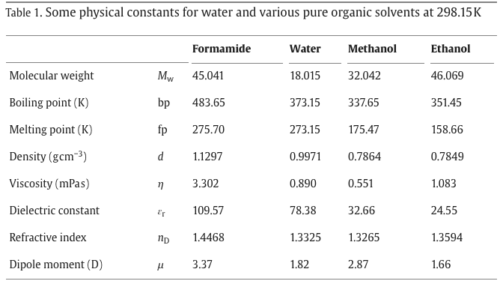
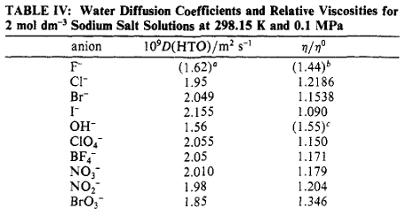

 |  | ref

 |  |  |  | ref

LiCl_M+J.D.eq
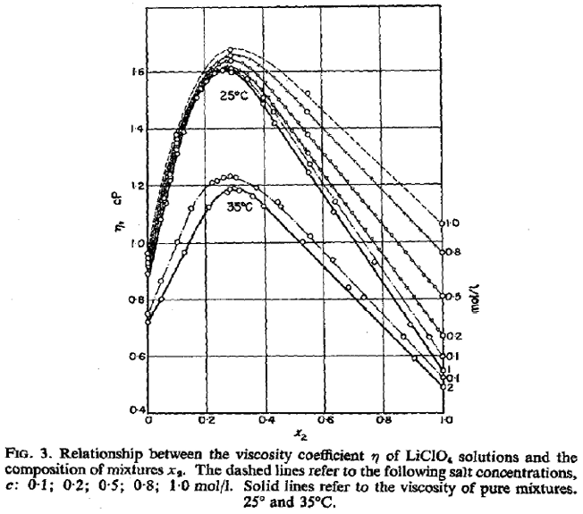
x : mole fraction of methanol | Temperature [°C] | Concentration [mol_LiClO4/l] | Viscosity [µPas] | reference | (Lithium perchlorate)
0 | 25 | 0.0034 | 891 | table1 | LiClO4
 | 25 | 0.007 | 892 |  |  |  |  |  |  |  |  | x-Achse es la composición de Methanol-Agua
 | 25 | 0.015 | 892 |  |  |  |  |  |  |  |  | existo un maximo a mitad
 | 25 | 0.07 | 895
 | 25 | 0.13 | 899
 | 25 | 0.32 | 911
 | 25 | 0.49 | 925
 | 25 | 0.73 | 940
 | 25 | 1.01 | 960
0.29 | 25 | 0.006 | 1582
 | 25 | 0.045 | 1587
 | 25 | 0.156 | 1597
 | 25 | 0.339 | 1612
 | 25 | 0.522 | 1634
 | 25 | 0.78 | 1660
 | 25 | 1 | 1682
0.55 | 25 | 0.0055 | 1246
 | 25 | 0.013 | 1248
 | 25 | 0.047 | 1259
 | 25 | 0.099 | 1278
 | 25 | 0.2 | 1311
 | 25 | 0.58 | 1412
 | 25 | 0.76 | 1460
 | 25 | 1 | 1522
1 | 25 | 0.009 | 557
 | 25 | 0.019 | 564
 | 25 | 0.026 | 566
 | 25 | 0.068 | 583
 | 25 | 0.135 | 621
 | 25 | 0.4 | 737
 | 25 | 0.65 | 871
 | 25 | 0.96 | 1028

 | Temperature [°C] | Concentration [mol_LiCl/l] | Viscosity [µPas] | reference
0 | 40 | 0.005 | 660 | Table 2
 | 40 | 0.016 | 662
 | 40 | 0.026 | 663
 | 40 | 0.035 | 664
 | 40 | 0.045 | 665
 | 40 | 0.05 | 666 |  |  |  |  |  |  | no salirse del rango que está medido. Concentraciones muy altas no sirven
0.4 | 40 | 0.005 | 1430 |  |  |  |  |  |  |  |  | explicación
 | 40 | 0.016 | 1437 |  |  |  |  |  |  | Jones–Dole equation |  | pag 13 section 2
 | 40 | 0.026 | 1448 |  |  |  |  |  | ŋ/ŋ0 | 1+A*C0,5+B*C |  |  | 25°C
 | 40 | 0.035 | 1455 |  |  |  |  |  |  |  |  |  | visk_MeOH | visk_water
 | 40 | 0.045 | 1462 |  |  |  |  | ref | ref |  |  |  | 543 | 889
 | 40 | 0.05 | 1466 |  |  | x [kg/kg] | c [mol/l] | A [L0,5*mol-0,5] | B [L/mol] | ŋ/ŋ0 [-] | ŋ0 [µPas] | ŋ [µPas]
0.6 | 40 | 0.005 | 1023 |  |  | 0 | 1 | 0.0103 | 0.1408 | 1.1511 | 889 | 1023.33
 | 40 | 0.016 | 1046 |  |  | 0.2 | 1 | 0.021 | 0.1477 | 1.1687 | 819.8 | 958.10
 | 40 | 0.026 | 1060 |  |  | 0.4 | 1 | 0.1024 | 0.2508 | 1.3532 | 750.6 | 1015.71
 | 40 | 0.035 | 1075 |  |  | 0.5 | 1 | 0.1834 | 0.3842 | 1.5676 | 716 | 1122.40
 | 40 | 0.045 | 1088 |  |  | 0.6 | 1 | 0.2919 | 0.5721 | 1.864 | 681.4 | 1270.13
 | 40 | 0.05 | 1093 |  |  | 0.8 | 1 | 0.3409 | 0.6503 | 1.9912 | 612.2 | 1219.01
1 | 40 | 0.005 | 459 |  |  | 1 | 1 | -0.0366 | 0.832 | 1.7954 | 543 | 974.90
 | 40 | 0.016 | 461
 | 40 | 0.026 | 462
 | 40 | 0.035 | 464
 | 40 | 0.045 | 465
 | 40 | 0.05 | 466

NaCl_W
 | Temperature [°C] | Concentration [mol/kg_W] | Viscosity [µPas] | reference | p = const |  | T [°C] | Water Viscosity [µPas] | reference | p=1 | Temperature [°C] | Concentration [mol/kg_W] | rel. Viscosity | Viscosity [µPas] | reference
sol1 | 18 | 0.4755 | 1089 | ref |  |  | 10 | 1308 | ref |  | 10 | 0.1 | 1.0087 | 1319.38 | table 5 (pag 44)
 | 23.5 | 0.4755 | 958 |  |  | Figure 4 - same plot trend | 15 | 1137 | ref2 |  | 20 | 0.1 | 1.0091 | 1009.10
NaCl in water
 | 28 | 0.4755 | 868 |  |  |  | 20 | 1000 | table1 |  | 30 | 0.1 | 1.0096 | 804.65
 | 40.5 | 0.4755 | 679 |  |  |  | 25 | 889 | table 5 |  | 40 | 0.1 | 1.01 | 660.54
 | 54 | 0.4755 | 548 |  |  |  | 30 | 797 |  |  | 50 | 0.1 | 1.0104 | 552.69
 | 69 | 0.4755 | 430 |  |  |  | 35 | 720 |  |  | 60 | 0.1 | 1.0108 | 471.03
 | 84 | 0.4755 | 356 |  |  |  | 40 | 654 |  |  | 70 | 0.1 | 1.0113 | 406.54
 | 96 | 0.4755 | 311 |  |  |  | 45 | 597 |  |  | 80 | 0.1 | 1.0117 | 358.14
 | 108.5 | 0.4755 | 274 |  |  |  | 50 | 547 |  |  | 90 | 0.1 | 1.0121 | 318.81
 | 126 | 0.4755 | 234 |  |  |  | 55 | 504 |  |  | 100 | 0.1 | 1.0125 | 284.51
 | 148 | 0.4755 | 198 |  |  |  | 60 | 466 |  |  | 120 | 0.1 | 1.0134 | 235.11
sol2 | 19 | 1.4713 | 1164 |  |  |  | 65 | 432 |  |  | 140 | 0.1 | 1.0142 | 199.80
 | 25 | 1.4713 | 1024 |  |  |  | 70 | 402 |  |  | 160 | 0.1 | 1.0151 | 172.57
 | 30 | 1.4713 | 918 |  |  |  | 75 | 377 |  |  | 180 | 0.1 | 1.0159 | 152.39
 | 40.5 | 1.4713 | 751 |  |  |  | 80 | 354 |  |  | 10 | 0.5 | 1.0457 | 1367.78
 | 54 | 1.4713 | 598 |  |  |  | 85 | 333 |  |  | 20 | 0.5 | 1.0476 | 1047.60
 | 70 | 1.4713 | 478 |  |  |  | 90 | 315 |  |  | 30 | 0.5 | 1.0494 | 836.37
 | 78.5 | 1.4713 | 425 |  |  |  | 95 | 296 |  |  | 40 | 0.5 | 1.0513 | 687.55
 | 98.5 | 1.4713 | 340 |  |  |  | 100 | 281 |  |  | 50 | 0.5 | 1.0532 | 576.10
 | 120 | 1.4713 | 278 |  |  |  | 110 | 255 |  |  | 60 | 0.5 | 1.055 | 491.63
 | 135.5 | 1.4713 | 246 |  |  |  | 120 | 232 |  |  | 70 | 0.5 | 1.0569 | 424.87
 | 152 | 1.4713 | 218 |  |  |  | 130 | 213 |  |  | 80 | 0.5 | 1.0587 | 374.78
sol3 | 19 | 2.5514 | 1289 |  |  |  | 140 | 197 |  |  | 90 | 0.5 | 1.0606 | 334.09
 | 25 | 2.5514 | 1132 |  |  |  | 150 | 182 |  |  | 100 | 0.5 | 1.0624 | 298.53
 | 30.5 | 2.5514 | 1016 |  |  |  | 160 | 170 |  |  | 120 | 0.5 | 1.0662 | 247.36
 | 41 | 2.5514 | 834 |  |  |  | 170 | 160 |  |  | 140 | 0.5 | 1.0699 | 210.77
 | 60 | 2.5514 | 618 |  |  |  | 180 | 150 |  |  | 160 | 0.5 | 1.0736 | 182.51
 | 80 | 2.5514 | 474 |  |  |  |  |  |  |  | 180 | 0.5 | 1.0773 | 161.60
 | 101 | 2.5514 | 378
 | 121 | 2.5514 | 314
 | 136 | 2.5514 | 278
 | 151 | 2.5514 | 249
sol4 | 19.5 | 3.2672 | 1401
 | 25 | 3.2672 | 1241
 | 31 | 3.2672 | 1096
 | 40 | 3.2672 | 926
 | 55 | 3.2672 | 723
 | 70 | 3.2672 | 584
 | 84 | 3.2672 | 494
 | 98.5 | 3.2672 | 421
 | 113 | 3.2672 | 366
 | 131.5 | 3.2672 | 313
 | 154 | 3.2672 | 265
sol5 | 25.5 | 4.4289 | 1412
 | 35 | 4.4289 | 1166
 | 35.5 | 4.4289 | 1151
 | 45 | 4.4289 | 974
 | 56 | 4.4289 | 818
 | 71 | 4.4289 | 662
 | 85 | 4.4289 | 558
 | 97 | 4.4289 | 489
 | 114 | 4.4289 | 414
 | 129 | 4.4289 | 361
sol6 | 27.5 | 5.4054 | 1525
 | 44.5 | 5.4054 | 1092
 | 60 | 5.4054 | 854
 | 80 | 5.4054 | 654
 | 94 | 5.4054 | 556
 | 101 | 5.4054 | 524
 | 131 | 5.4054 | 395
 | 148 | 5.4054 | 347

NaCl_E
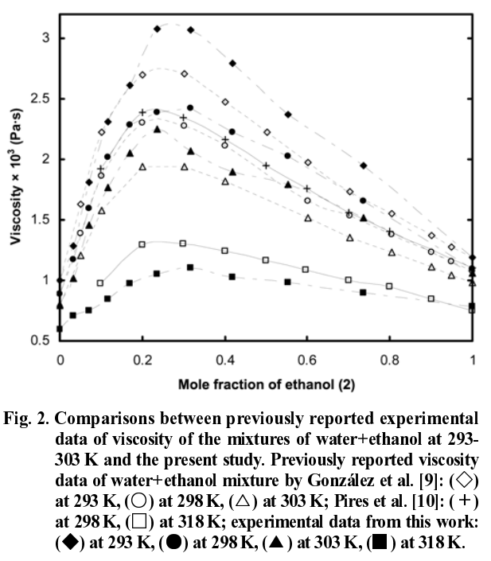
Temperature [°C] | Concentration [mol/l] | Concentration of ethanol [wt%] | Viscosity [µPas] | reference | T [°C] | ethanol Viscosity [µPas] | reference
25 | 0.5 | 2 | 930 | ref | 0 | 1873 | ref | ref
25 | 0.5 | 3.9 | 1000 |  | 30 | 983
25 | 0.5 | 8 | 1150 |  | 50 | 684
25 | 0.5 | 12.1 | 1380 |  | 75 | 459
25 | 0.5 | 16.3 | 1600 |  | 100 | 323
25 | 0.5 | 20.6 | 2000
25 | 0.5 | 43.8 | 2400
25 | 0.5 | 70 | 2100

