Cases and CFR worksheet
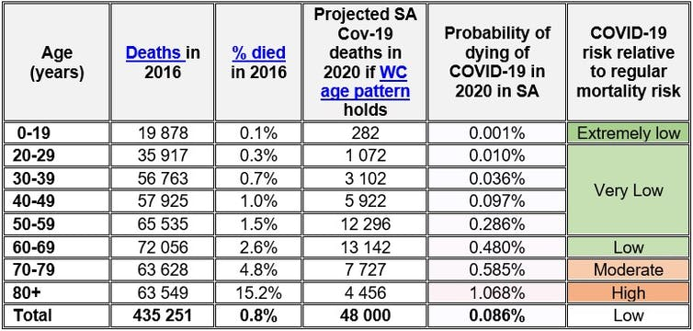
 | Cases | 7142 |  |  |  |  |  |  |  | Total Deaths | SA | May 3rd |  | SA |  | May 2nd |  |  |  | Deaths and cases |  |  |  |  |  | Source https://www.nicd.ac.za/wp-content/uploads/2020/05/Week-18-Weekly-Epidemiology-Brief-Template-V8.pdf |  | Source of mortality https://www.nicd.ac.za/covid-19-update-46/
 |  |  | COVID-19 deaths |  |  |  |  |  |  | 123 | Age | Cases SA | Cases SA after execluding LTCF | Age | Deaths SA after execluding LTCF | Deaths SA | CFR SA | % of deaths |  | Age | Deaths | % | Cases | % | CFR
Age | Cases | % of total cases | Age | Cases | CFR | CFR*cases | Deaths | % of total population | %deaths |  | 0-9 | 215 | 215 | 0-9 | 0.13423062932 | 0.13423062932 | 0.00062432850846 | 0.0010873504893 |  | 0-19 | 0.44743543107 | 0.00089919072834 | 550 | 0.028152439576 | 0.00081351896557
0-4 | 118 | 0.016498881432 | 0-4 | 118 | 0.00062432850846 | 0.073670763999 | 0.073403744194 | 0.10905230866 | 0.00059677840809 |  | 10-19 | 335 | 335 | 10-19 | 0.31320480175 | 0.31320480175 | 0.0009349397067 | 0.0025371511417 |  | 20-59 | 49 | 0.090729154572 | 5812 | 0.6872755801 | 0.0084308327598
5-9 | 97 | 0.013562639821 | 5-9 | 97 | 0.00062432850846 | 0.060559865321 | 0.06034036599 | 0.10602354291 | 0.00049057208122 |  | 20-29 | 1459 | 1459 | 20-29 | 1 | 1 | 0.00068540095956 | 0.0081006138079 |  | 60+ | 74 | 0.9083716547 | 790 | 0.28457198033 | 0.093670886076
10-14 | 141 | 0.019714765101 | 10-14 | 141 | 0.0009349397067 | 0.13182649865 | 0.13134869329 | 0.10064259404 | 0.0010678755552 |  | 30-39 | 1933 | 1933 | 30-39 | 6 | 6 | 0.0031039834454 | 0.048603682847 |  | Total | 123.44743543 | 1 | 7152 | 1 | 0.01726054746
15-19 | 194 | 0.027125279642 | 15-19 | 194 | 0.0009349397067 | 0.1813783031 | 0.18072089715 | 0.086860257167 | 0.0014692755865 |  | 40-49 | 1419 | 1419 | 40-49 | 19 | 19 | 0.013389711064 | 0.15391166235
20-24 | 571 | 0.079837807606 | 20-24 | 571 | 0.00068540095956 | 0.39136394791 | 0.38994544864 | 0.089115355387 | 0.0031702882003 |  | 50-59 | 1001 | 1001 | 50-59 | 23 | 23 | 0.022977022977 | 0.18631411758
25-29 | 888 | 0.12416107383 | 25-29 | 888 | 0.00068540095956 | 0.60863605209 | 0.60643004973 | 0.093990948958 | 0.0049303256075 |  | 60-69 | 480 | 480 | 60-69 | 30 | 30 | 0.0625 | 0.24301841424
30-34 | 991 | 0.13856263982 | 30-34 | 991 | 0.0031039834454 | 3.0760475944 | 3.0648984549 | 0.089340617182 | 0.024917873617 |  | 70-79 | 231 | 231 | 70-79 | 28 | 28 | 0.12121212121 | 0.22681718662 | https://www.sanews.gov.za/south-africa/covid-19-deaths-rare-children-nicd-confirms
35-39 | 942 | 0.1317114094 | 35-39 | 942 | 0.0031039834454 | 2.9239524056 | 2.9133545353 | 0.071343767658 | 0.02368580923 |  | 80+ | 79 | 79 | 80+ | 16 | 16 | 0.20253164557 | 0.12960982093
40-44 | 754 | 0.10542505593 | 40-44 | 754 | 0.013389711064 | 10.095842142 | 10.059249746 | 0.054304834394 | 0.081782518261 |  |  | 7152 | 7152 |  | 123.44743543 | 123.44743543 | 0.01726054746 | 1
45-49 | 665 | 0.09298098434 | 45-49 | 665 | 0.013389711064 | 8.9041578576 | 8.871884723 | 0.04579936358 | 0.072129144089 |  | 60+ | 790 | 790 | 60+ | 74 | 74 | 0.093670886076 | 0.59944542178 |  | Deaths in children | N | %of cases | %of children deaths
50-54 | 570 | 0.079697986577 | 50-54 | 570 | 0.022977022977 | 13.096903097 | 13.04943335 | 0.037552372481 | 0.10609295407 |  |  |  |  |  |  |  |  |  |  | 0-9 | 3 | 0.0010913059294 | 0.3
55-59 | 431 | 0.060262863535 | 55-59 | 431 | 0.022977022977 | 9.9030969031 | 9.8672031122 | 0.033354158755 | 0.080221163514 |  | LTCF | 0 |  |  | 0 |  |  |  |  | 10-19 | 7 | 0.002546380502 | 0.7
60-64 | 281 | 0.039289709172 | 60-64 | 281 | 0.0625 | 17.5625 | 17.49884469 | 0.027152682941 | 0.14226703 |  |  |  |  |  | Total deaths | 123 |  |  |  | 0-19 | 10 | 0.0036376864314
65-69 | 199 | 0.027824384787 | 65-69 | 199 | 0.0625 | 12.4375 | 12.392420261 | 0.021690328013 | 0.10075138424 |  |  |  |  |  |  |  |  |  |  | total deaths | 2749
70-74 | 141 | 0.019714765101 | 70-74 | 141 | 0.12121212121 | 17.090909091 | 17.028963063 | 0.015836887429 | 0.13844685417 |  | Reported Deaths and Recoveries:
75-79 | 90 | 0.012583892617 | 75-79 | 90 | 0.12121212121 | 10.909090909 | 10.869550891 | 0.0093988114362 | 0.08837033245 |  | Regrettably, we report 7 more COVID-19 related deaths: 6 from Western Cape and 1 from KwaZulu Natal. This brings the total deaths
80+ | 79 | 0.011045861298 | 80+ | 79 | 0.20253164557 | 16 | 15.942007974 | 0.0085411690068 | 0.12960982093 |  | nationally to 138. |  |  |  |  |  |  |  | According to the Department of Health’s recent statistics released on Wednesday, of the 2 749 COVID-19 related deaths recorded since the outbreak, three are children between the ages of zero and nine, while seven are between 10 and 19 years. – SAnews.gov.za
Total | 7152 | 1 | Total | 7152 | 0.01726054746 | 123.44743543 | 123 | 1 | 1

 |  |  |  | 7152 | 0.017197986577 |  | 123

 |  |  |  |  |  |  |  |  |  |  |  |  |  |  |  |  |  |  |  |  |  |  |  |  |  |  | Source of death below 19: https://www.nicd.ac.za/wp-content/uploads/2020/08/Epidemiology-Covid-Under-18-years-V2.pdf

 |  |  |  |  |  |  |  |  |  |  |  |  |  |  |  |  |  |  |  |  |  |  |  |  |  | https://images.theconversation.com/files/345262/original/file-20200702-111242-1mxg3cp.jpg?ixlib=rb-1.1.0&q=15&auto=format&w=600&h=287&fit=crop&dpr=3

