Cable
 | Figure1 |  |  |  |  |  |  |  |  |  | Figure2 |  |  |  |  |  | Figure3 |  |  | Figure4
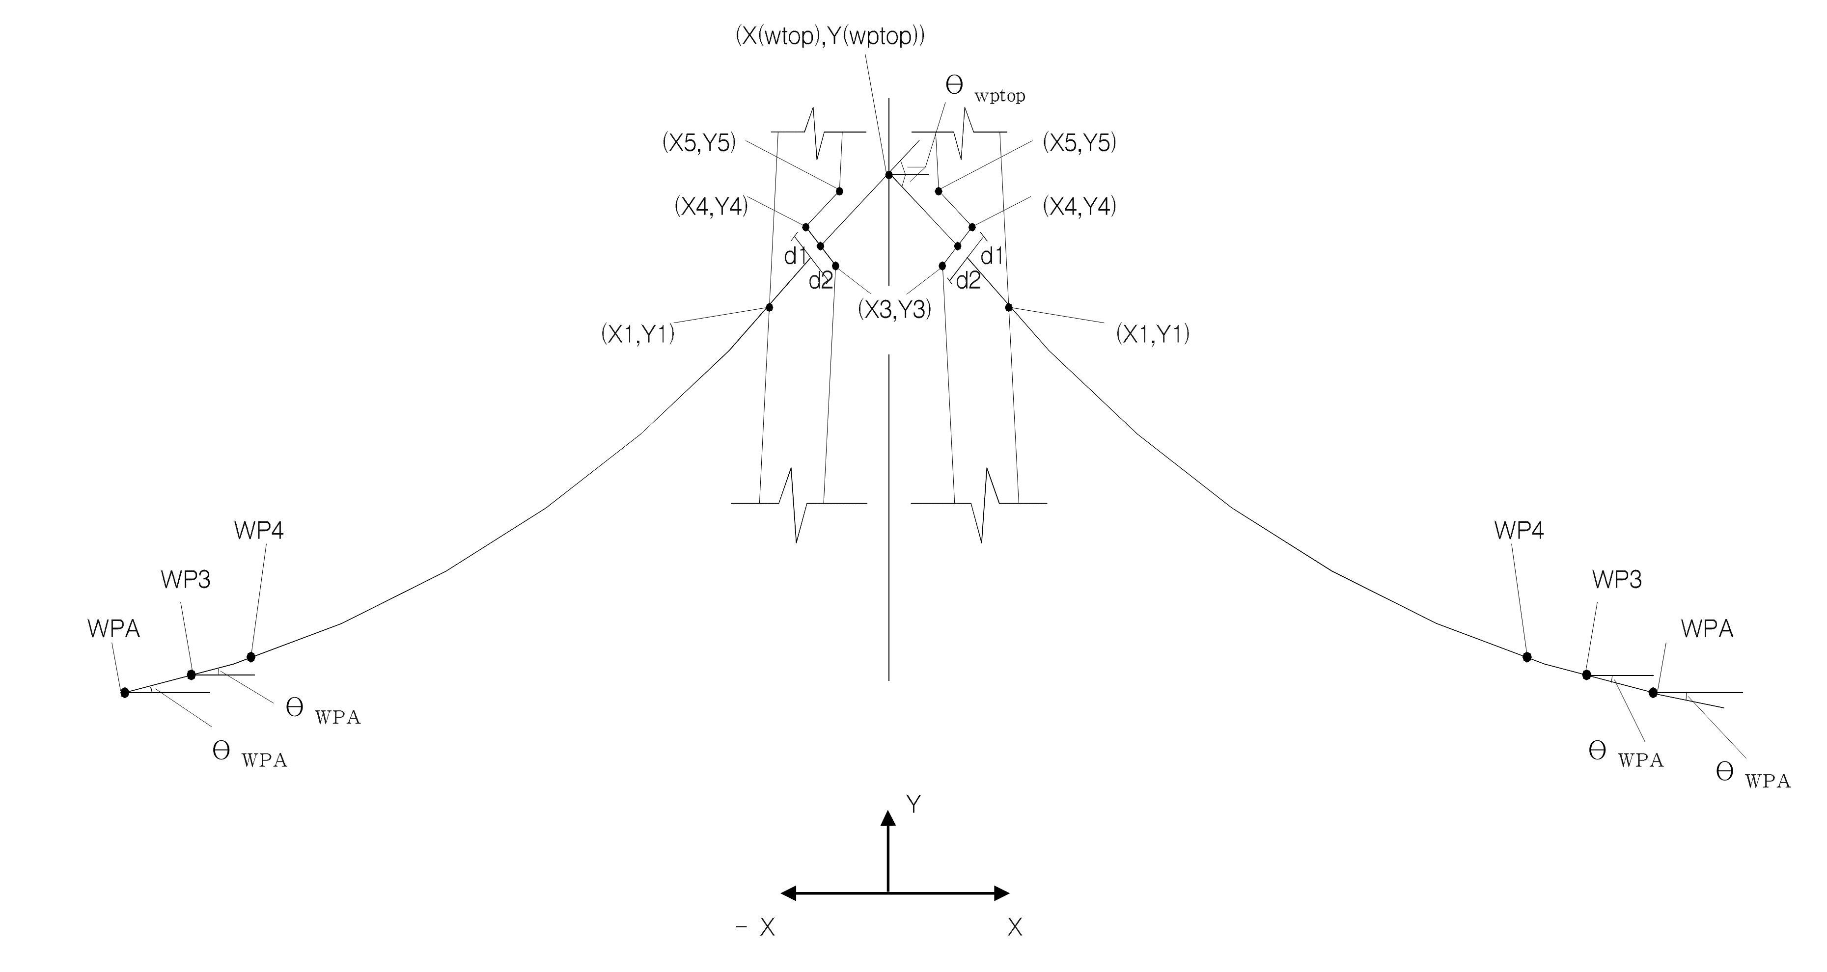
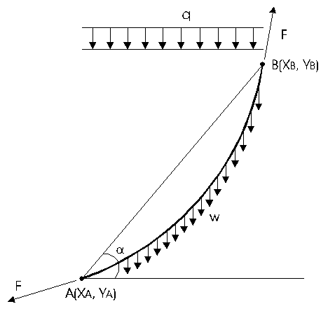

Station of pylon | Cable ID | Station of cable | Dimension of the anchorage at deck (refers to fig. | Dimension of the anchorage at deck (refers to fig. | Refers to fig. | Refers to fig. | Area of cable (m2) | Cable force (ton) | weight of cable (ton/m) | Young's modulus of cable (ton/m2) | First trial input | Refers to fig. | Refers to fig.
PY1 | Cable # | Station | L2 | L3 | X(WPTOP) | Y(WPTOP) | A | F | W | E | X2(1) | d2 | d1 | off | B1 | B2 | D1 | D2 | t_shim
3812 | 1 | 3606 | 3.753 | 2.2 | 0 | 177.893 | 0.01275 | 620.4 | 0.1133 | 19300000 | -3.5 | 0.45 | 0.45 | 1.18 | 173.913 | 482.784 | 173.913 | 743.654 | 0.08
4282 | 2 | 4302 | 2.029 | 1.975 | 0 | 132.263 | 0.007705 | 455.4 | 0.06898 | 19300000 | 3.5 | 0.4 | 0.4 | 1.18 | -173.913 | 485.1543 | -173.913 | 763.4152 | 0.08

