Cable
 | Figure1 |  |  |  |  |  |  |  |  |  | Figure2 |  |  | Figure3 | Figure4
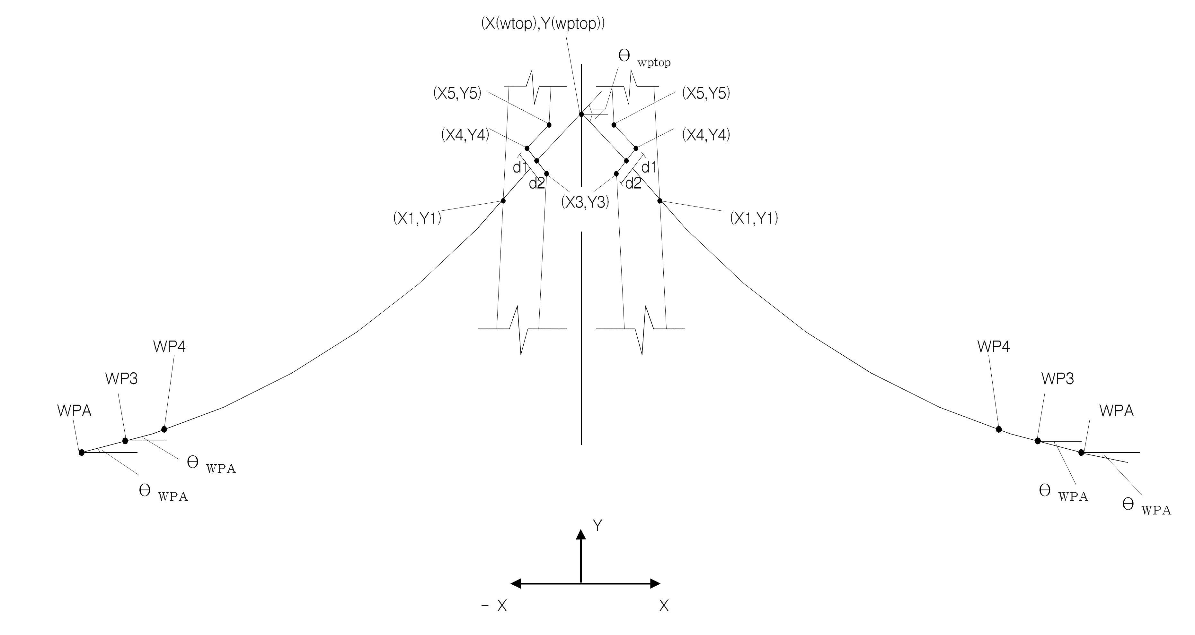
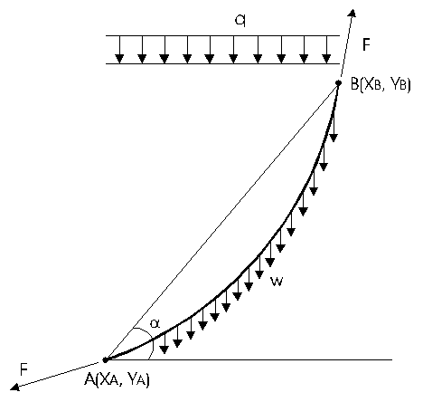

Station of pylon | Cable ID | Station of cable | Dimension of the anchorage at deck (refers to fig. | Dimension of the anchorage at deck (refers to fig. | Refers to fig. | Refers to fig. | Area of cable (m2) | Cable force (kN) | weight of cable (kN/m) | Young's modulus of cable | First trial input | Refers to fig. | Refers to fig.
PY1 | Cable # | Station | L2 | L3 | X(WPTOP) | Y(WPTOP) | A | F | W | E | X2(1) | d2 | d1
4282 | 1 | 4302 | 2.029 | 1.975 | 0 | 132.263 | 0.01541 | 910.8 | 0.13796 | 19300000 | 3.5 | 0.4 | 0.4
 | 2 | 4302 | 2.029 | 1.975 | 0 | 132.263 | 0.01541 | 910.8 | 0.13796 | 19300000 | 3.5 | 0.4 | 0.4
 | 3 | 4302 | 2.029 | 1.975 | 0 | 132.263 | 0.01541 | 910.8 | 0.13796 | 19300000 | 3.5 | 0.4 | 0.4

