Cable
Figure1 |  |  | Figure2 | Figure3 | Figure4
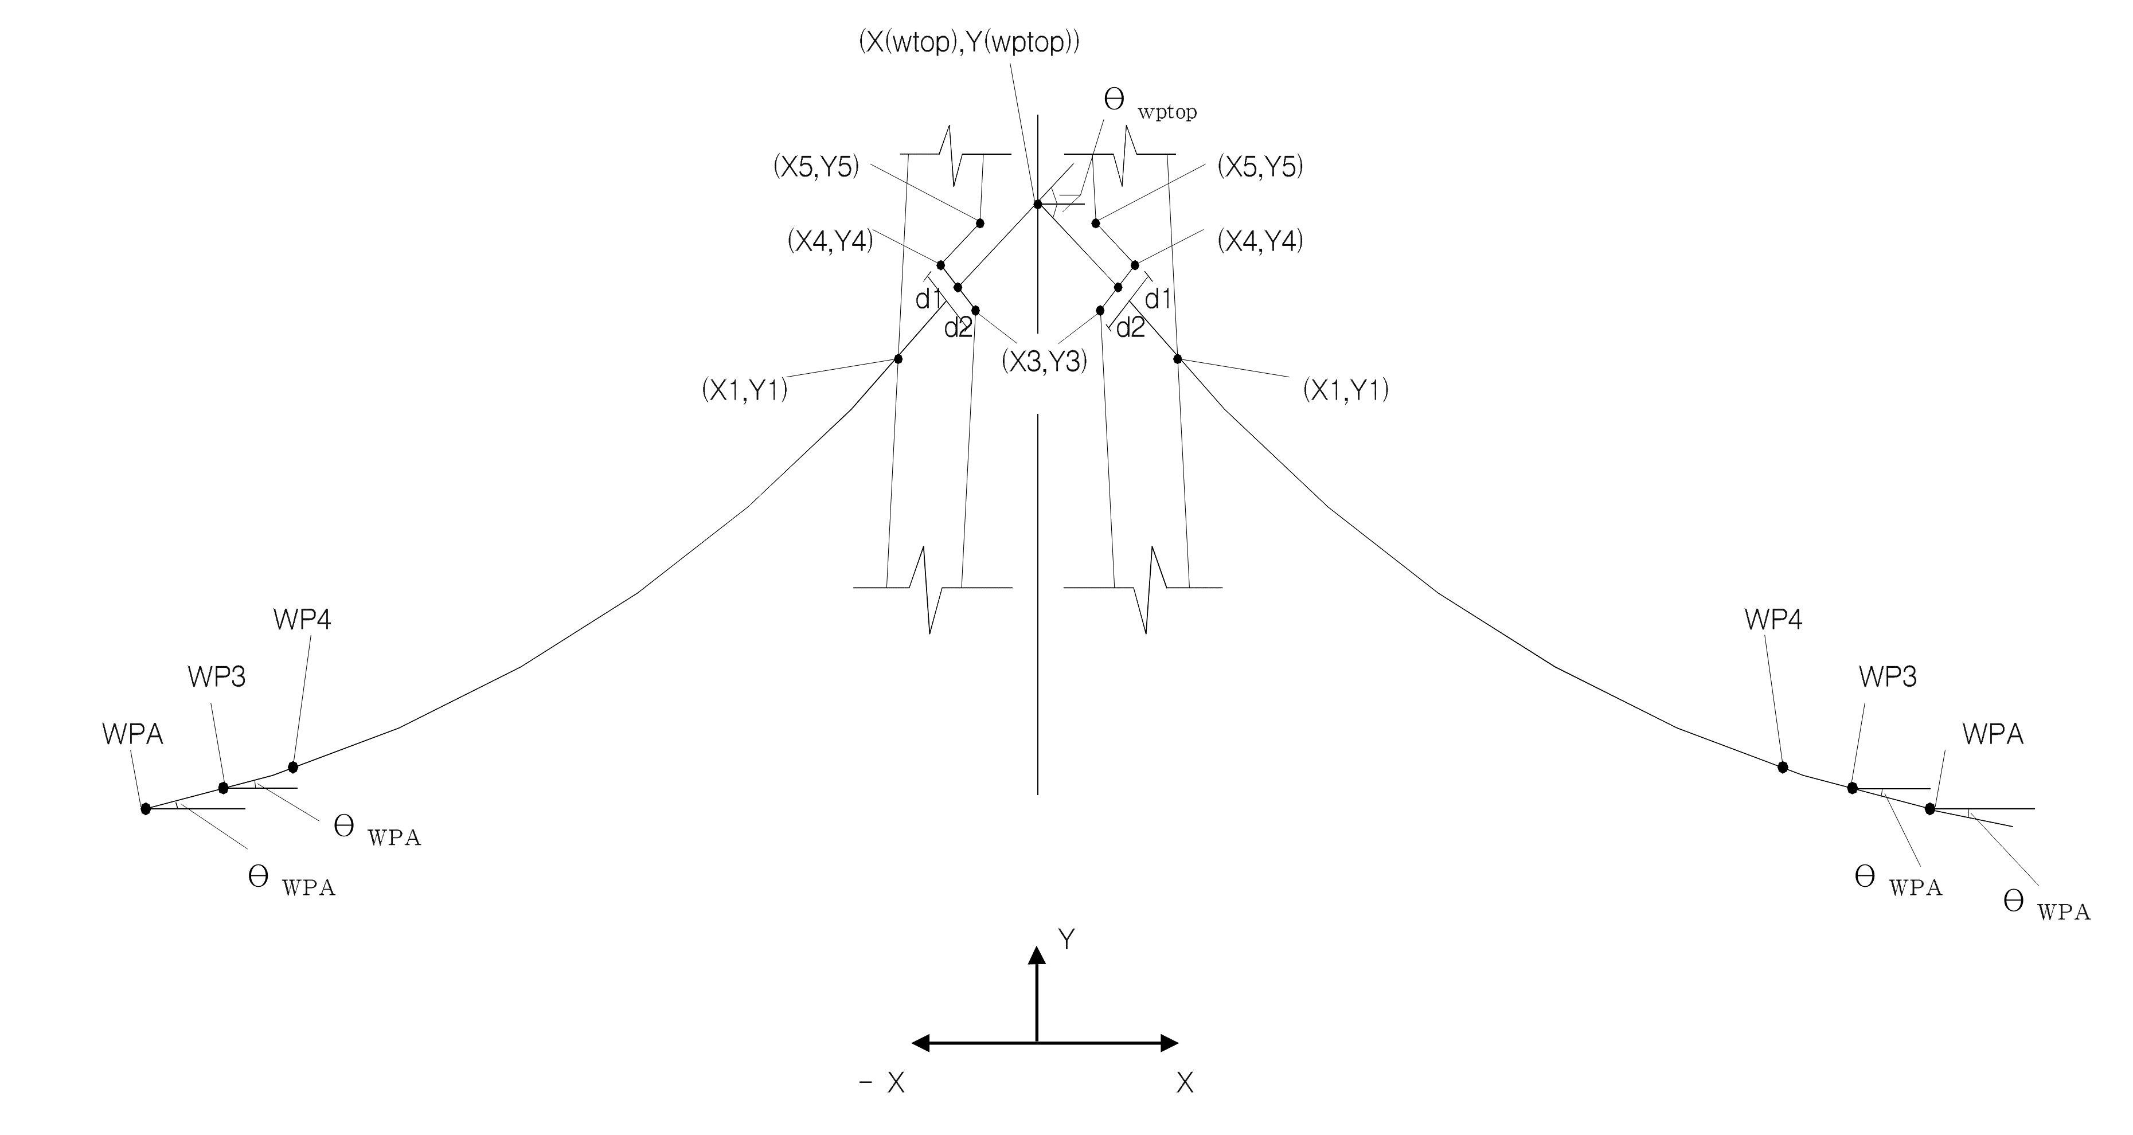
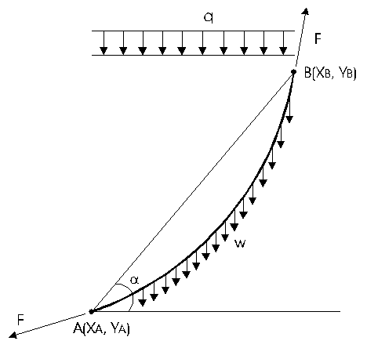

PY1 | Station of pylon | 4282

Cable # | Cable ID | 1
Station | Station of cable | 4302
L2 | Dimension of the anchorage at deck (refers to fig. | 2.029
L3 | Dimension of the anchorage at deck (refers to fig. | 1.975
X(WPTOP) | Refers to fig. | 0
Y(WPTOP) | Refers to fig. | 132.263
A | Area of cable (m2) | 0.01541
F | Cable force (kN) | 910.8
W | weight of cable (kN/m) | 0.13796
E | Young's modulus of cable | 19300000
X2(1) | First trial input | 3.5
d2 | Refers to fig. | 0.4
d1 | Refers to fig. | 0.4

