Example(ISO) (1)
 | REV | 4.0 |  |  |  |  |  | 需填写栏Columns to be completed by user.
 |  |  |  |  |  |  |  | 从下拉菜单选择选项 Click to select options from drop down menu.
项目名称Project: |  |  |  |  |  |  |  | 自动选项不要修改 Columns populated automatically. Do not modify.

功能分析Analysis Performed: |  |  |  |  |  |  | 分析人Performed By:
参考图纸Drawing Reference: |  |  |  |  |  |  | 日期Date:

公差叠加分析表Tolerance Stack Up |  |  |  |  |  |  |  |  |  |  |  |  |  |  |  | 尺寸链图 Dimension Chain Sketch
 |  |  |  |  |  |  |  |  |  |  |  |  |  |  |  | 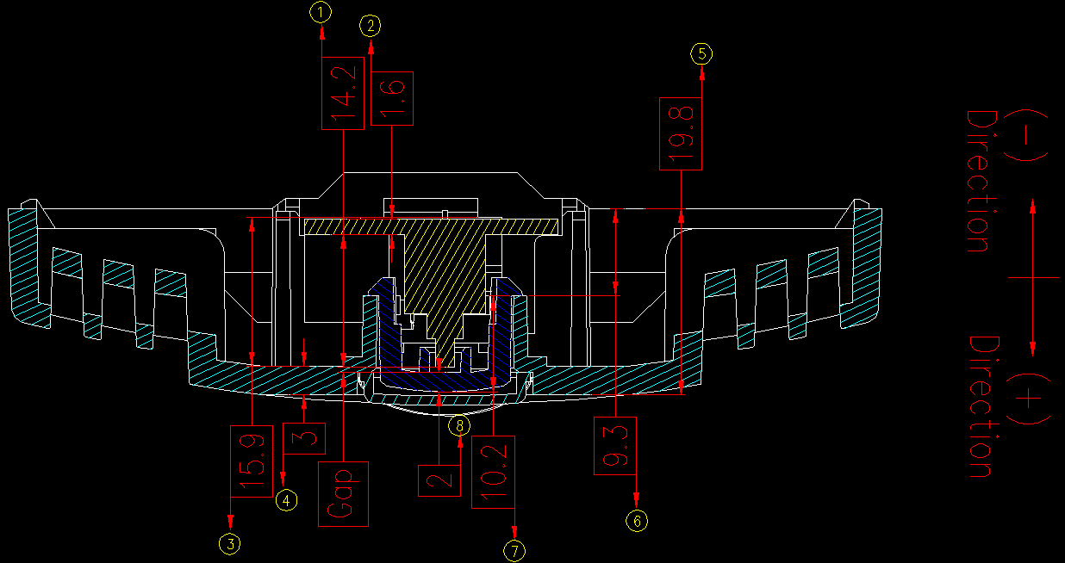
 | 图纸信息 Drawing Data |  |  |  |  |  | 尺寸数据 Dimensional Data |  |  |  | 对称型公差 Equal Bilateral Format
 | 尺寸编号 Dim. ID | 尺寸描述 Dim. Name | 起点 From |  | 终点 To |  | 标称尺寸 Nominal | 上公差Upper Tolerance | 下公差 Lower Tolerance | 尺寸方向 Polarity | 尺寸 Dimension | 公差 Tolerance |  | 工程能力指数CPK | 敏感度Sensortivity %
 | 1 | Height of power switch |  |  |  |  | 14.2 | 0.2 | -0.2 | Negative | -14.200 | ± | 0.2 | 1.5 | 37.54%
 | 2 | Thickness of PCB |  |  |  |  | 1.6 | 0.1 | -0.1 | Negative | -1.600 | ± | 0.1 | 1 | 28.15%
 | 3 | Height of hook for fix PCB |  |  |  |  | 15.9 | 0.4 | 0 | Positive | 16.100 | ± | 0.2 | 1.6 | 35.19%
 | 4 | Thickness of Panel |  |  |  |  | 3 | 0.1 | -0.1 | Positive | 3.000 | ± | 0.1 | 1 | 28.15%
 | 5 | Height of Panel |  |  |  |  | 19.8 | 0.2 | -0.2 | Negative | -19.800 | ± | 0.2 | 1.5 | 37.54%
 | 6 | Height of column for fix power button |  |  |  |  | 9.3 | 0.15 | -0.15 | Positive | 9.300 | ± | 0.15 | 1.5 | 28.15%
 | 7 | Height of hook |  |  |  |  | 10.2 | 0.15 | -0.15 | Positive | 10.200 | ± | 0.15 | 1 | 42.23%
 | 8 | Height of touch surface |  |  |  |  | 2.5 | 0.15 | -0.15 | Negative | -2.500 | ± | 0.15 | 1 | 42.23%
 | 9 |  |  |  |  |  |  |  |  | Click Here | 0.000 | ± | 0 | 1 | 0.00%
 | 10 |  |  |  |  |  |  |  |  | Click Here | 0.000 | ± | 0 | 1 | 0.00%
 | 11 |  |  |  |  |  |  |  |  | Click Here | 0.000 | ± | 0 | 1 | 0.00%
 | 12 |  |  |  |  |  |  |  |  | Click Here | 0.000 | ± | 0 | 1 | 0.00%
 | 13 |  |  |  |  |  |  |  |  | Click Here | 0.000 | ± | 0 | 1 | 0.00%
 | 14 |  |  |  |  |  |  |  |  | Click Here | 0.000 | ± | 0 | 1 | 0.00%
 | 15 |  |  |  |  |  |  |  |  | Click Here | 0.000 | ± | 0 | 1 | 0.00%
 | 安装偏移 Assembly Shift
 | 偏移编号 A.S. ID | 安装描述 Assembly Description |  |  | 孔或槽Hole/Slot |  |  | 轴或键Shaft/Key |  |  | 径向间隙 Radial Clearance
 |  | 孔Hole | 轴Shaft |  | 标称尺寸 Nominal | 上公差 Upper Tolerance | 下公差 Lower Tolerance | 标称尺寸 Nominal | 上公差 Upper Tolerance | 下公差 Lower Tolerance | 尺寸 Dimension | 公差 Tolerance |  | 工程能力指数CPK | 敏感度Sensortivity %
 | AS01 |  |  |  |  |  |  |  |  |  | 0 | ± | 0 | 1 | 0.00%
 | AS02 |  |  |  |  |  |  |  |  |  | 0 | ± | 0 | 1 | 0.00%
 | AS03 |  |  |  |  |  |  |  |  |  | 0 | ± | 0 | 1 | 0.00%
 | AS04 |  |  |  |  |  |  |  |  |  | 0 | ± | 0 | 1 | 0.00%
 | AS05 |  |  |  |  |  |  |  |  |  | 0 | ± | 0 | 1 | 0.00%
 | AS06 |  |  |  |  |  |  |  |  |  | 0 | ± | 0 | 1 | 0.00%
 |  |  |  |  |  |  |  |  |  |  | TOTAL |  | SUM | σ
 |  |  |  |  |  |  |  |  |  |  | 0.500 | ± | 1.25 | 0.11841

结果Results |  |  |  |  |  |  |  |  |  |  |  |  |  |  |  | 意见和建议 Recommends
 |  |  |  |  |  |  |  |  |  |  |  |  |  |  |  | Assumptions: - Height of power switch is refer to power switch spec. but there is no tolerance defined. Loop Creation Details: - Assembly biased to the hook for fixing PCB, such that gap is in a limit condition. Results: - The minimal gap is -0.092mm; interference will happen; the design is NOK; - The maximal gap is 1.092mm, the the operation distance of switch is 2.6mm; so, the moving distance of power button must be larger than 1.092+2.6=3.692mm; current design is 3.0mmm must be optimized.
 | 公差计算 Calculated Tolerance |  |  |  | 最小公差 MIN | 最大公差 MAX |  | 工程能力分析 Process Capability Analysis
 | 极限公差 Worst Case |  | 0.500 | ±1.250 | -0.750 | 1.750 |  | 目标范围 Target Limit |  | → | 预计σ水准 Calculated Sigma Level |  |  | 0.4σ

 | 和方根公差(5σ等效) RSS(Equivalent 5σ) |  | 0.500 | ±0.592 | -0.092 | 1.092 |  | 下限LSL | 上限USL |  | 预计CPK Calculated CPK |  |  | 0.14

 |  |  |  |  |  |  |  | 0 | 0.4 |  | 预估超差概率 Estimated Defect Rate |  |  | 33.641%

 |  |  |  |  |  |  |  |  |  |  | 预计超差数量PPM Calculated Defects PPM |  |  | 33641

 | Click Here | 1
 | Negative | 2
 | Positive | 3
 |  | 4
 |  | 5
 |  | 6

Example(ISO) (2)
 | REV | 4.0 |  |  |  |  |  | 需填写栏Columns to be completed by user.
 |  |  |  |  |  |  |  | 从下拉菜单选择选项 Click to select options from drop down menu.
项目名称Project: |  |  |  |  |  |  |  | 自动选项不要修改 Columns populated automatically. Do not modify.

功能分析Analysis Performed: |  |  |  |  |  |  | 分析人Performed By:
参考图纸Drawing Reference: |  |  |  |  |  |  | 日期Date:

1
2
？
5
AS01
AS03
3
4
AS02
7
6
公差叠加分析表Tolerance Stack Up |  |  |  |  |  |  |  |  |  |  |  |  |  |  |  | 尺寸链图 Dimension Chain Sketch
 |  |  |  |  |  |  |  |  |  |  |  |  |  |  |  | 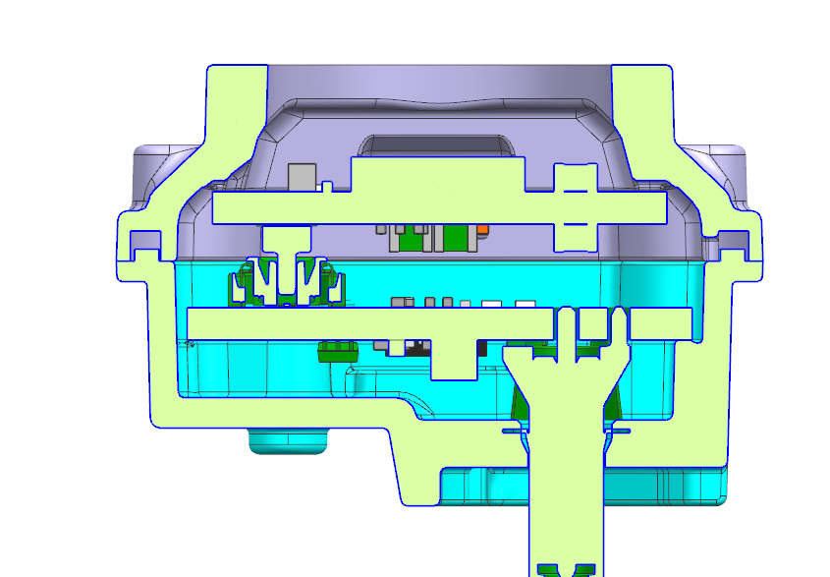
 | 图纸信息 Drawing Data |  |  |  |  |  | 尺寸数据 Dimensional Data |  |  |  | 对称型公差 Equal Bilateral Format
 | 尺寸编号 Dim. ID | 尺寸描述 Dim. Name | 起点 From |  | 终点 To |  | 标称尺寸 Nominal | 上公差Upper Tolerance | 下公差 Lower Tolerance | 尺寸方向 Polarity | 尺寸 Dimension | 公差 Tolerance |  | 工程能力指数CPK | 敏感度Sensortivity %
 | 1 | 距离 | 前壳密封圈处定位侧面 |  | SENSOR PCB定位PIN |  | 15.3 | 0.04 | -0.04 | Positive | 15.300 | ± | 0.04 | 1.2 | 10.75%
 | 2 | 距离 | SENSOR PCB定位PIN |  | 浮动连接器 |  | 9.063 | 0.1 | -0.1 | Negative | -9.063 | ± | 0.1 | 1 | 32.25%
 | 3 | 定位间隙 | 前壳 |  | 后壳 |  | 0.1 | 0.04 | -0.04 | Positive | 0.100 | ± | 0.04 | 1.6 | 8.06%
 | 4 | 距离 | 后壳密封圈处定位侧面 |  | POWER PCB定位PIN |  | 8.8022 | 0.04 | -0.04 | Negative | -8.802 | ± | 0.04 | 1 | 12.90%
 | 5 | 距离 | POWER PCB定位PIN |  | 浮动连接器 |  | 2.468 | 0.1 | -0.1 | Positive | 2.468 | ± | 0.1 | 1 | 32.25%
 | 6 | 距离 | POWER PCB定位PIN |  | 后壳过孔 |  | 11.371 | 0.075 | -0.075 | Positive | 11.371 | ± | 0.075 | 1.33 | 18.18%
 | 7 | 距离 | POWER PCB定位PIN |  | fakra 连接器 |  | 11.371 | 0.1 | -0.1 | Negative | -11.371 | ± | 0.1 | 1 | 32.25%
 | 8 |  |  |  |  |  |  |  |  | Click Here | 0.000 | ± | 0 | 1 | 0.00%
 | 9 |  |  |  |  |  |  |  |  | Click Here | 0.000 | ± | 0 | 1 | 0.00%
 | 10 |  |  |  |  |  |  |  |  | Click Here | 0.000 | ± | 0 | 1 | 0.00%
 | 11 |  |  |  |  |  |  |  |  | Click Here | 0.000 | ± | 0 | 1 | 0.00%
 | 12 |  |  |  |  |  |  |  |  | Click Here | 0.000 | ± | 0 | 1 | 0.00%
 | 13 |  |  |  |  |  |  |  |  | Click Here | 0.000 | ± | 0 | 1 | 0.00%
 | 14 |  |  |  |  |  |  |  |  | Click Here | 0.000 | ± | 0 | 1 | 0.00%
 | 15 |  |  |  |  |  |  |  |  | Click Here | 0.000 | ± | 0 | 1 | 0.00%
 | 安装偏移 Assembly Shift
 | 偏移编号 A.S. ID | 安装描述 Assembly Description |  |  | 孔或槽Hole/Slot |  |  | 轴或键Shaft/Key |  |  | 径向间隙 Radial Clearance
 |  | 孔Hole | 轴Shaft |  | 标称尺寸 Nominal | 上公差 Upper Tolerance | 下公差 Lower Tolerance | 标称尺寸 Nominal | 上公差 Upper Tolerance | 下公差 Lower Tolerance | 尺寸 Dimension | 公差 Tolerance |  | 工程能力指数CPK | 敏感度Sensortivity %
 | AS01 |  |  |  | 1.85 | 0.05 |  | 1.8 |  | -0.05 | 0 | ± | 0.075 | 1 | 24.19%
 | AS02 |  |  |  | 1.85 | 0.05 |  | 1.8 |  | -0.05 | 0 | ± | 0.075 | 1 | 24.19%
 | AS03 |  |  |  | 4.1 | 0.05 |  | 3.685 |  | 0.025 | 0 | ± | 0.22 | 1 | 70.94%
 | AS04 |  |  |  |  |  |  |  |  |  | 0 | ± | 0 | 1 | 0.00%
 | AS05 |  |  |  |  |  |  |  |  |  | 0 | ± | 0 | 1 | 0.00%
 | AS06 |  |  |  |  |  |  |  |  |  | 0 | ± | 0 | 1 | 0.00%
 |  |  |  |  |  |  |  |  |  |  | Total |  | SUM | σ
 |  |  |  |  |  |  |  |  |  |  | 0.003 | ± | 0.865 | 0.10337

结果Results |  |  |  |  |  |  |  |  |  |  |  |  |  |  |  | 意见和建议 Recommends
 |  |  |  |  |  |  |  |  |  |  |  |  |  |  |  | ACCEPTABLE NEED CONTNINUE TO IMPROVE CPK OF SUB TOLERANCE OF THE CHAIN.
 | 公差计算 Calculated Tolerance |  |  |  | 最小公差 MIN | 最大公差 MAX |  | 工程能力分析 Process Capability Analysis
 | 极限公差 Worst Case |  | 0.003 | ±0.865 | -0.862 | 0.868 |  | 目标范围 Target Limit |  | → | 预计σ水准 Calculated Sigma Level |  |  | 3.9σ

 | 和方根公差(5σ等效) RSS(Equivalent 5σ) |  | 0.003 | ±0.517 | -0.514 | 0.520 |  | 下限LSL | 上限USL |  | 预计CPK Calculated CPK |  |  | 1.29

 |  |  |  |  |  |  |  | -0.4 | 0.4 |  | 预估超差概率 Estimated Defect Rate |  |  | 0.006%

 |  |  |  |  |  |  |  |  |  |  | 预计超差数量PPM Calculated Defects PPM |  |  | 6

 | Click Here | 1
 | Negative | 2
 | Positive | 3
 |  | 4
 |  | 5
 |  | 6

