Product mix
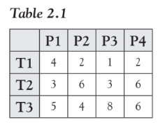
Let us take the case of a company that manufactures four products P1,
P2, P3, and P4. Each of these products requires processing in three treat-
ment plants T1, T2, and T3. The time required for processing (in hours)
of each unit of products P1, P2, P3, and P4 in the plants T1, T2, and T3
is given in Table 2.1.
Each of the treatment plants T1, T2, and T3 are available for 100
hours per week. The profit obtained by selling the products P1, P2, P3,
and P4 is 50, 100, 30, and 27, respectively. Whereas there is enough
demand for products P1, P3, and P4, the company forecasts a maximum
demand of 3 units for product P2. How many units of the products P1,
P2, P3, and P4 should be produced to maximize the demand?

1. Parameters table |  | P1 | P2 | P3 | P4
 | T1 | 4 | 2 | 1 | 2
 | T2 | 3 | 6 | 3 | 6
 | T3 | 5 | 4 | 8 | 6
 | Profit | 50 | 100 | 30 | 27

2. Decision Variables |  | P1 | P2 | P3 | P4
 | Units to produce (xᵢ) | 17.6 | 3 | 0 | 0

3. Constraints Table |  | Used Hours (Formula) | Limit
 | T1 | 76.4 | 100
 | T2 | 70.8 | 100
 | T3 | 100 | 100
 | P2 Limit | 3 | ≤ 3

4. Objective Function |  | 1180

Facility Location
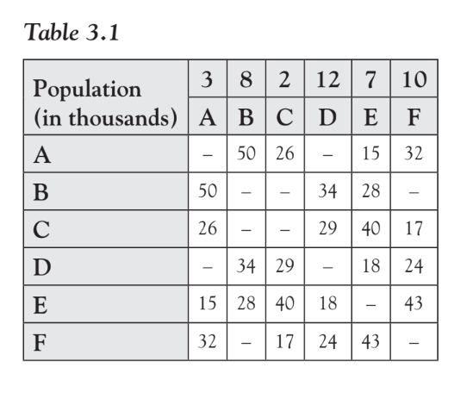
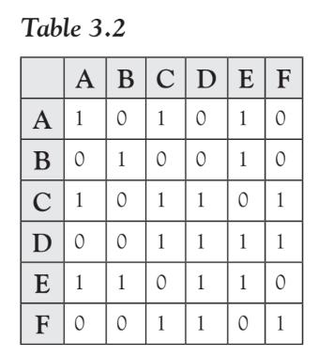
Let us consider six neighbouring towns A, B, C, D, E, and F. The distance
kij between towns i and j (in miles) is indicated in Table 3.1 for towns that
have roads connecting them. The population of the towns Pi
is also given in the first row of Table 3.1.

A supermarket chain wishes to set up supermarkets at two towns such
that the two supermarkets are accessible to the maximum number of peo-
ple of the six neighbouring towns.
Supermarkets are considered accessible
if the distance is less than 30 miles.
We define a binary variable dij which equals 1 if the town j is less than
30 miles from town i and 0 otherwise.
The other values of dij can be similarly obtained and are given in Table 3.2.

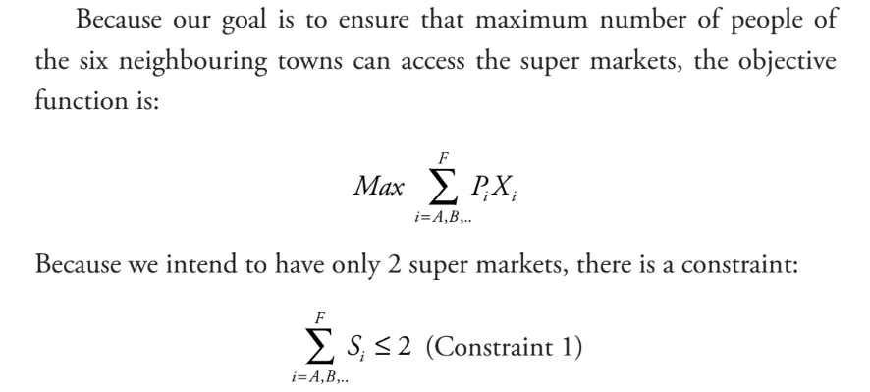
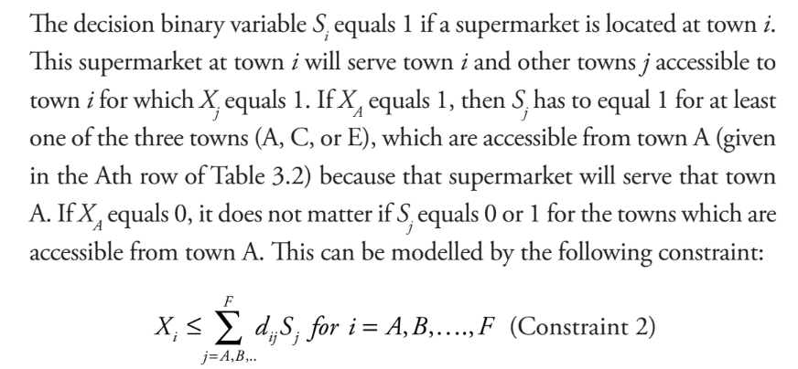

1. Supermarkets Serving the Maximum Number of People

1. Parameters
 | Town | A | B | C | D | E | F
 | Population (P_i) | 3 | 8 | 2 | 12 | 7 | 10
 | Accessibility Matrix (d_ij)
 |  | A | B | C | D | E | F
 | A | 1 | 0 | 1 | 0 | 1 | 0
 | B | 0 | 1 | 0 | 1 | 0 | 0
 | C | 1 | 0 | 1 | 1 | 0 | 1
 | D | 0 | 0 | 1 | 1 | 1 | 1
 | E | 1 | 1 | 0 | 1 | 1 | 0
 | F | 0 | 0 | 1 | 1 | 0 | 1

2. Decision Variables
 | Town | A | B | C | D | E | F
 | X_i (Served) | 1 | 1 | 1 | 1 | 1 | 1
 | S_j (Supermarket) | 0 | 0 | 1 | 1 | 0 | 0 | 2

3. Objective Function
 | Maximize total population served: |  |  | 42

Town | Formula (if X_i is in C49) | SUMPRODUCT Range (assumes row for d_ij starts at row 41)
A | 1 | 1
B | 1 | 1
C | 1 | 2
D | 1 | 2
E | 1 | 1
F | 1 | 2

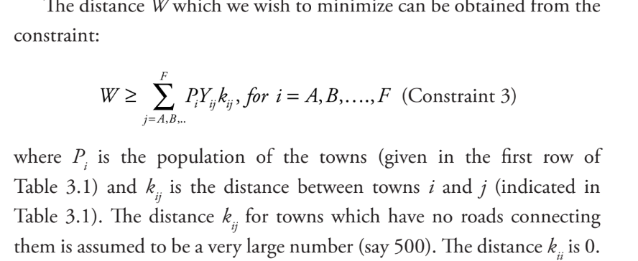
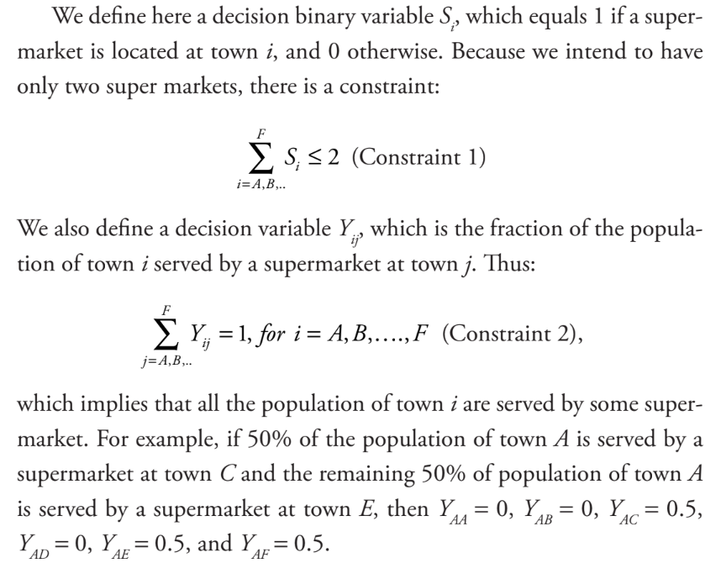
2. Supermarkets Near the Towns
In case, we want to locate supermarkets in such a way that we wish
to minimize the distance between the towns and the supermarkets,2
the formulation will be different.

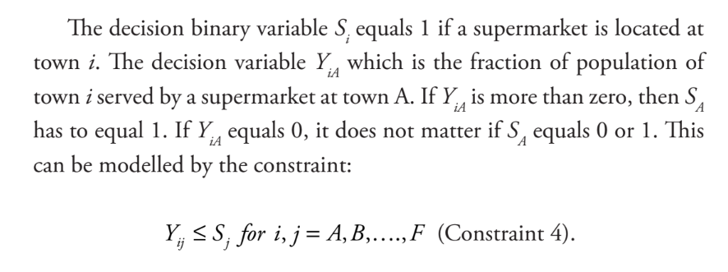

1. Parameters
 | Town | A | B | C | D | E | F
 | A | 3 | 3 | 3 | 3 | 3 | 3
 | B | 8 | 8 | 8 | 8 | 8 | 8
 | C | 2 | 2 | 2 | 2 | 2 | 2
 | D | 12 | 12 | 12 | 12 | 12 | 12
 | E | 7 | 7 | 7 | 7 | 7 | 7
 | F | 10 | 10 | 10 | 10 | 10 | 10

 | Accessibility Matrix (d_ij)
 |  | A | B | C | D | E | F
 | A | 0 | 50 | 26 | 500 | 15 | 32
 | B | 50 | 0 | 500 | 34 | 28 | 500
 | C | 26 | 500 | 0 | 29 | 40 | 17
 | D | 500 | 34 | 29 | 0 | 18 | 24
 | E | 15 | 28 | 40 | 18 | 0 | 43
 | F | 32 | 500 | 17 | 24 | 43 | 0

2. Decision Variables |  | Yij
 |  | A | B | C | D | E | F
 | A | 0 | 0 | 0 | 0 | 1 | 0 | 1
 | B | 0 | 0 | 0 | 0 | 1 | 0 | 1
 | C | 0 | 0 | 0 | 0 | 0 | 1 | 1
 | D | 0 | 0 | 0 | 0 | 1 | 0 | 1
 | E | 0 | 0 | 0 | 0 | 1 | 0 | 1
 | F | 0 | 0 | 0 | 0 | 0 | 1 | 1
 | Sj | 0 | 0 | 0 | 0 | 1 | 1 | 2

3. Objective Function
 | Minimize the distance between the towns and the supermarkets: |  |  | 519

3. Considering Supermarket Capital Costs and Customer Travelling Costs

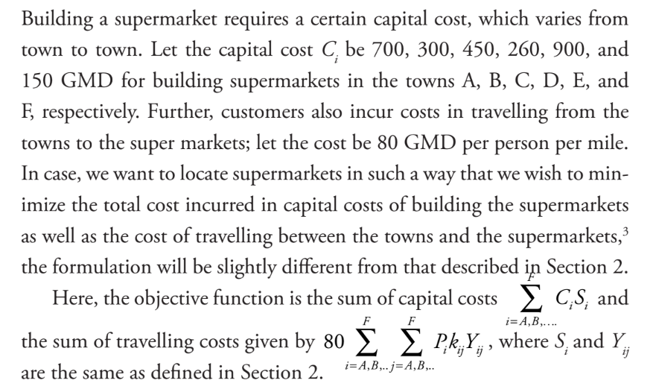

1. Parameters
 | Cost (Ci) | A | B | C | D | E | F
 |  | 700 | 300 | 450 | 260 | 900 | 150

 | Cost per person per mile |  | 80

 | Town | A | B | C | D | E | F
 | A | 3 | 3 | 3 | 3 | 3 | 3
 | B | 8 | 8 | 8 | 8 | 8 | 8
 | C | 2 | 2 | 2 | 2 | 2 | 2
 | D | 12 | 12 | 12 | 12 | 12 | 12
 | E | 7 | 7 | 7 | 7 | 7 | 7
 | F | 10 | 10 | 10 | 10 | 10 | 10

 | Accessibility Matrix (d_ij)
 |  | A | B | C | D | E | F
 | A | 0 | 50 | 26 | 500 | 15 | 32
 | B | 50 | 0 | 500 | 34 | 28 | 500
 | C | 26 | 500 | 0 | 29 | 40 | 17
 | D | 500 | 34 | 29 | 0 | 18 | 24
 | E | 15 | 28 | 40 | 18 | 0 | 43
 | F | 32 | 500 | 17 | 24 | 43 | 0

2. Decision Variables
 | Yij | A | B | C | D | E | F
 | A | 0 | 0 | 0 | 0 | 1 | 0 | 1
 | B | 0 | 0 | 0 | 0 | 1 | 0 | 1
 | C | 0 | 0 | 0 | 0 | 0 | 1 | 1
 | D | 0 | 0 | 0 | 0 | 1 | 0 | 1
 | E | 0 | 0 | 0 | 0 | 1 | 0 | 1
 | F | 0 | 0 | 0 | 0 | 0 | 1 | 1
 | Sj | 0 | 0 | 0 | 0 | 1 | 1 | 2

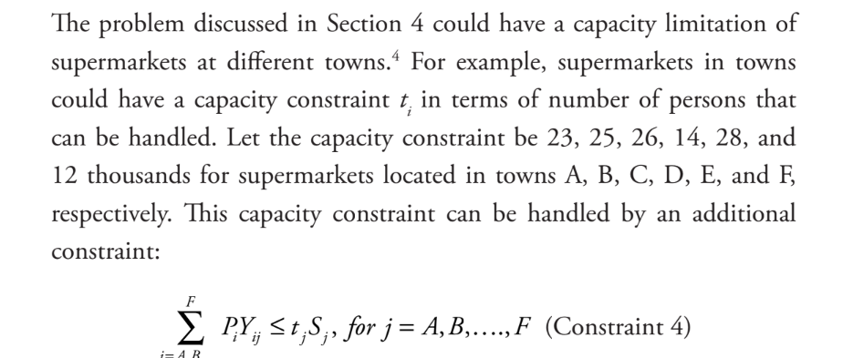
3. Objective Function
 | Minimize the cost in building and travelling between the towns and the supermarket |  |  | 42570

4. Capacity Limits of Supermarkets

1. Parameters
 | Capacity (ti) | A | B | C | D | E | F
 |  | 23 | 25 | 26 | 14 | 28 | 12

 | Cost (Ci) | A | B | C | D | E | F
 |  | 700 | 300 | 450 | 260 | 900 | 150

 | Cost per person per mile |  | 80

 | Town | A | B | C | D | E | F
 | A | 3 | 3 | 3 | 3 | 3 | 3
 | B | 8 | 8 | 8 | 8 | 8 | 8
 | C | 2 | 2 | 2 | 2 | 2 | 2
 | D | 12 | 12 | 12 | 12 | 12 | 12
 | E | 7 | 7 | 7 | 7 | 7 | 7
 | F | 10 | 10 | 10 | 10 | 10 | 10

 | Accessibility Matrix (d_ij)
 |  | A | B | C | D | E | F
 | A | 0 | 50 | 26 | 500 | 15 | 32
 | B | 50 | 0 | 500 | 34 | 28 | 500
 | C | 26 | 500 | 0 | 29 | 40 | 17
 | D | 500 | 34 | 29 | 0 | 18 | 24
 | E | 15 | 28 | 40 | 18 | 0 | 43
 | F | 32 | 500 | 17 | 24 | 43 | 0

2. Decision Variables
 | Yij | A | B | C | D | E | F
 | A | 3.5064543861E-15 | 0 | 0 | 0 | 1 | 0 | 1
 | B | 0 | 2.6667130919E-15 | 0 | 0 | 1 | 0 | 1
 | C | 3.8117657179E-15 | 0 | 1 | 0 | 0 | 1.3507713466E-15 | 1
 | D | 0 | 0 | 0.16666666667 | 4.891149214E-15 | 0.83333333333 | 0 | 1
 | E | 0 | 0 | 0 | 0 | 1 | 0 | 1
 | F | 3.7127708315E-15 | 0 | 1 | 0 | 0 | 0 | 1
 | Sj | 0 | 0 | 1 | 0 | 1 | 0 | 2

3. Objective Function
 | Minimize the cost in building and travelling between the towns and the supermarket |  |  | 55510
 | SUMPRODUCT(Population_i, Yij_column) <= Capacity_j * S_j
 |  | 5.5270602909E-14 | 2.1333704735E-14 | 14 | 5.8693790569E-14 | 28 | 2.7015426933E-15
 |  | 0 | 0 | 26 | 0 | 28 | 0

Single Delivery Truck Routing
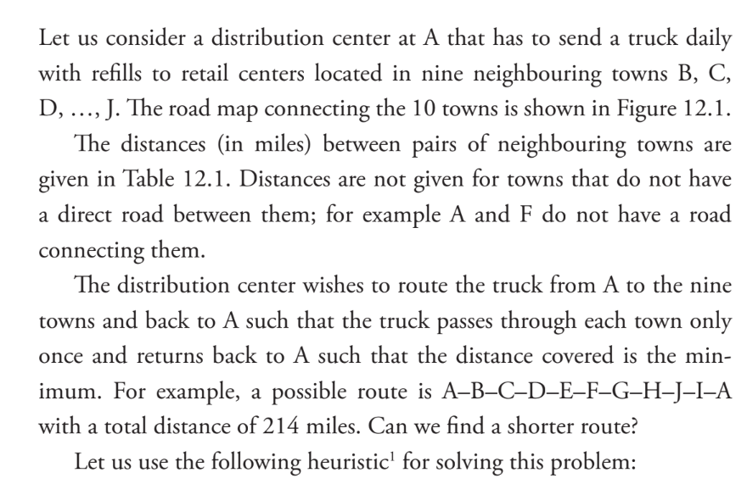

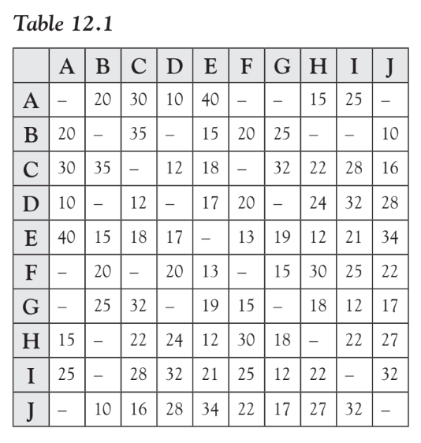

 |  | A | B | C | D | E | F | G | H | I | J
1 | A | 1000 | 20 | 30 | 10 | 40 | 1000 | 1000 | 15 | 25 | 1000
2 | B | 20 | 1000 | 35 | 1000 | 15 | 20 | 25 | 1000 | 1000 | 10
3 | C | 30 | 35 | 1000 | 12 | 18 | 1000 | 32 | 22 | 28 | 16
4 | D | 10 | 1000 | 12 | 1000 | 17 | 20 | 1000 | 24 | 32 | 28
5 | E | 40 | 15 | 18 | 17 | 1000 | 13 | 19 | 12 | 21 | 34
6 | F | 1000 | 20 | 1000 | 20 | 13 | 1000 | 15 | 30 | 25 | 22
7 | G | 1000 | 25 | 32 | 1000 | 19 | 15 | 1000 | 18 | 12 | 17
8 | H | 15 | 1000 | 22 | 24 | 12 | 30 | 18 | 1000 | 22 | 27
9 | I | 25 | 1000 | 28 | 32 | 21 | 25 | 12 | 22 | 1000 | 32
10 | J | 1000 | 10 | 16 | 28 | 34 | 22 | 17 | 27 | 32 | 1000

Name | Towns | Distances |  |  | Check A
A | 1 | 15 |  |  | 1 | 1
H | 8 | 22
I | 9 | 12
G | 7 | 15
F | 6 | 13
E | 5 | 15
B | 2 | 10
J | 10 | 16
C | 3 | 12
D | 4 | 10
A | 1
Sum |  | 140

