Explaination
 | Project 1 – House Price Prediction
1. Data Cleaning

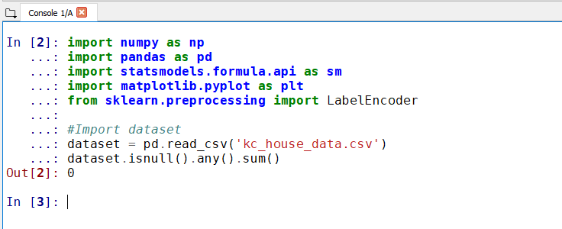
a. check if there is any data is missing.

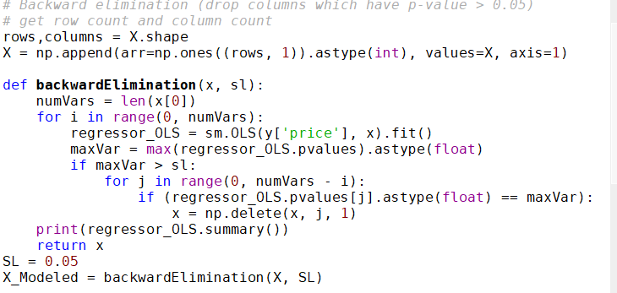
b. Using Backward elimination to drop columns which have p-value > 0.05

Result:
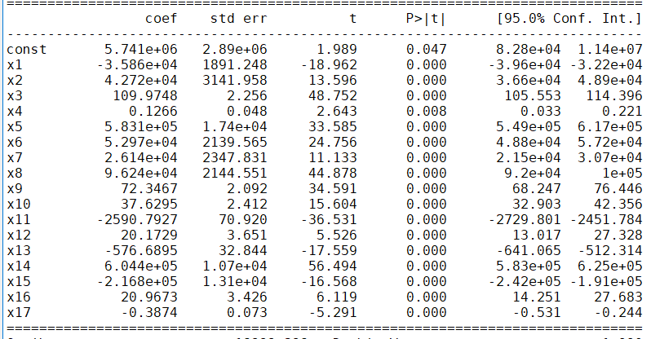

2. Fit models

Check each models’ r-squared value , accuracies mean value and accuracies std value.
Pick the model with the best r-squared score and best accuracy range.
RandomForest has the best r-squared score so use randomforset model’s prediction result.
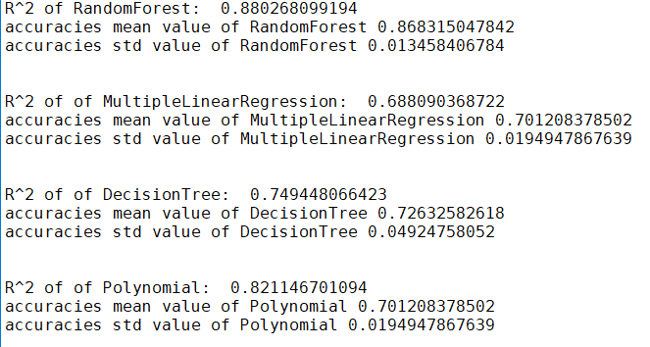

Note: the warning(SVR) below was happening when running the code. Will fix it late.

2. Output
A CSV file with Id and SalePrice columns.
The result is on Prediction sheet.

