CASUALTIES
Review INSTRUCTIONS sheet before entering iNCIDENT_DATE_TIME entries.
(Delete this graphic before submitting to DCIPS.)
CUI//PRVCY
Defense Casualty Information Processing System (DCIPS) Personnel Multiple Casualty Report Template
Multiple Casualty Report Template (Version 2)
PURPOSE: | The purpose of this spreadsheet is to provide units with the capability to record the minimal information needed by the Service Casualty Offices to create a casualty report for one or more reportable casualties. It may also be used by units who do not have reliable network communications, but need a means to record casualties for later transmission to higher headquarters for import into DCIPS. The spreadsheet is designed to be imported into DCIPS-PCR or DCIPS-CR web applications.
INSTRUCTIONS: | Casualty information must begin on the next row after casualty data elements (e.g., DOD_ID, LAST_NAME, etc.) report header rows. Do not skip rows when entering casualties. TYPE_OF_CASUALTY, INFLICTING_FORCE, SERVICE and PERSONNEL_TYPE are selected from the cell dropdowns. Refer to the INSTRUCIONS sheet in this workbook and/or the DCIPS Personnel Casualty Report Import Spreadsheet User Guide for additional information and options. See the INSTRUCTIONS sheet for more information.

1 | 2a | 2b | 2c | 3 | 4 | 5 | 6 | 7 | 8 | 9 | 10 | 11 | 12
DOD_ID | LAST_NAME | FIRST_NAME | MIDDLE_NAME | TYPE_OF_CASUALTY | INFLICTING_FORCE | SERVICE | PERSONNEL_TYPE | UNIT_NAME | INCIDENT_DATE_TIME | INCIDENT_LOCATION | CIRCUMSTANCES | PREPARER_NAME | REVIEWER_NAME

INSTRUCTIONS
NOTE: You may delete this sheet if you understand how to use this reporting spreadsheet.

INCIDENT_DATE_TIME. Incident Date and Time may be entered several ways. However, it generally follows civilian date time format of mm/dd/yyyy hh:mm AM/PM. The time portion (hours:minutes) may be entered as either civilian or military. Note that the colon is significant and must be used, e.g., 15:00 (not 1500), 8:00 AM (not 800 AM). Double clicking in the Incident Date cell will also toggle military versus civilian AM/PM). The Excel formula bar will also display the date/time format. The spaces between date, time and AM/PM are significant. The colon between hours and minutes is also significant. Examples:
11/2/2021 15:00
11/2/2021 3:00 PM
2 nov 2021 15:00
Or
11/2/2021 08:00
11/2/2021 8:00 AM
2 nov 2021 8:00 AM
Tabbing out of the cell will reformat the date/time according to the Excel formatting rules. You can view the date entered by double clicking in the cell or viewing in the Excel formula bar.
This spreadsheet template is primarily for submitting Initial (INIT) Casualty reports. Supplemental reports may be submitted using this spreadsheet. However, use caution to avoid duplicate reports. A new spreadsheet limited to only supplemental reports should be used for corrections or updates to previoiusly submitted initial reports.
Recommend using the CasRptSingleTemplate.xlsx for supplemental reports on individual updates on casualties.

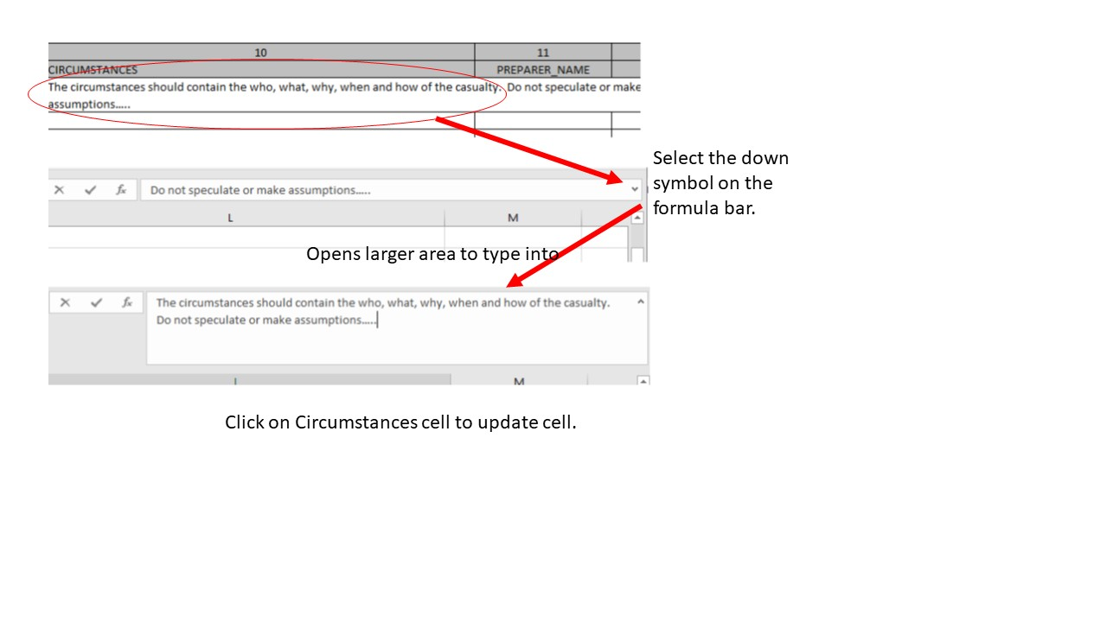
Circumstances may be filled out using the drop down on the Excel Formula Bar to allow easier input. Limit is 4000 characters.
Select the cell for circumstances. Then Select the down symbol in the upper right corner of the spreadsheet Ribbon.

