WOndDP
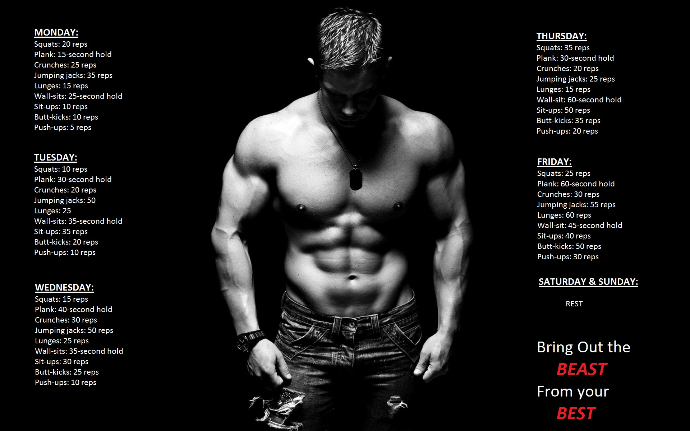
Work Out & Diet Plan

DAY | 6.30-7 AM | 7 -8 AM | 8-8.30 AM | 9:00:00 | 10-11 AM | 12.30 - 1 PM | 3.30-4 PM | 5-6.15PM | 6.15-6.30 PM | 8-8.30PM | 11-11.30PM
Monday | Cardio | Shoulder | Swimming | BF(2 boiled Egg) | Any Fruit | Veg Salad | (2 boiled Egg) | Practice | Any Fruit | Dinner(2Egg) | go to sleep
Tuesday | Cardio | Chest | Swimming | BF(2 boiled Egg) | Any Fruit | Veg Salad | (2 boiled Egg) | Practice | Any Fruit | Dinner(2Egg) | go to sleep
Wednesday | Cardio | Biceps | Swimming | BF(2 boiled Egg) | Any Fruit | Veg Salad | (2 boiled Egg) | Practice | Any Fruit | Dinner(2Egg) | go to sleep
Thursday | Cardio | Circuit | Swimming | BF(Fruits) | Any Fruit | Veg Salad | (Fruits) | Practice | Any Fruit | Dinner(2 banana) | go to sleep
Friday | Cardio | Circuit | Swimming | BF(2 boiled Egg) | Any Fruit | Veg Salad | (2 boiled Egg) | Practice | Any Fruit | Dinner(2Egg / Meat) | go to sleep
Saturday | rest | Match | Match | BF(2 banana) | Any Fruit | Veg Salad | (Fruits) | Practice | Any Fruit | Dinner(2 banana) | go to sleep
Sunday | rest | Match | Match | BF(2 boiled Egg) | Any Fruit | BF(2 boiled Egg + Meat) | Any Fruit | Match | Any Fruit | Dinner(2Egg) | go to sleep

Tigh and Abs will be included in the daily activity

Weight Tracker
 |  | Weight Tracking Chart

 | NOTE: Fields in yellow to be filled by you - Your Name, Start Weight, Target Weight, Height in cms & daily weight.
 | Name: RAJA

 | Start |  |  | Target |  |  | Height (In cms) | BMI Table
 | Weight (kg) | 92.10 |  | Weight (kg) | 70.00 |  | 171 | >30 | Obese
 | Date | 23-Nov-16 |  | Date | 21-Mar-17 | 118 | days | 25-30 | Overweight
 | Start BMI: | 31.50 |  | BMI: | 23.94 |  |  | <25 | Normal
 |  |  |  |  |  |  |  | < 18.5 | Danger of Anorexia
 | This represents | -187.29 | Grams per day or eat |  | 1,442 | calories less per day
Good Luck & Stay Fit!!
 | or | -1.31 | Kilogram per week |  | 10,095 | calories less per week
Weight tracking chart (Kg)
 | Target | Actual
1 | 91.91 | 92.00
2 | 91.73 | 91.50
3 | 91.54 | 91.70
4 | 91.35 | 91.40
5 | 91.16 | 91.40
6 | 90.98 | 90.80
7 | 90.79 | 91.50
8 | 90.60 | 91.80
9 | 90.41 | 91.20
10 | 90.23 | 90.70
11 | 90.04 | 90.70
12 | 89.85 | 91.00
13 | 89.67
14 | 89.48
15 | 89.29
16 | 89.10
17 | 88.92
18 | 88.73
19 | 88.54
20 | 88.35
21 | 88.17
22 | 87.98
23 | 87.79
24 | 87.61
25 | 87.42
26 | 87.23
27 | 87.04
28 | 86.86
29 | 86.67
30 | 86.48
31 | 86.29
32 | 86.11
33 | 85.92
34 | 85.73
35 | 85.54
36 | 85.36
37 | 85.17
38 | 84.98
39 | 84.80
40 | 84.61
41 | 84.42
42 | 84.23
43 | 84.05
44 | 83.86
45 | 83.67
46 | 83.48
47 | 83.30
48 | 83.11
49 | 82.92
50 | 82.74
...
 |  |  |  |  |  |  |  |  |  | [42]
 | Enter your weight in the table (in the morning, after toilet, before breakfast)

Day | Date | Weight (kg) | Loss/Gain | Total Loss | Target | Deviation from target | BMI
1 | 2016-11-24 | 92.00 | -0.10 | -0.10 | 91.91 | -88.00 | 31.46
2 | 2016-11-25 | 91.50 | -0.50 | -0.60 | 91.73 | 225.00 | 31.29
3 | 2016-11-26 | 91.70 | 0.20 | -0.40 | 91.54 | -162.00 | 31.36
4 | 2016-11-27 | 91.40 | -0.30 | -0.70 | 91.35 | -50.00 | 31.26
5 | 2016-11-28 | 91.40 | 0.00 | -0.70 | 91.16 | -237.00 | 31.26
6 | 2016-11-29 | 90.80 | -0.60 | -1.30 | 90.98 | 176.00 | 31.05
7 | 2016-11-30 | 91.50 | 0.70 | -0.60 | 90.79 | -712.00 | 31.29
8 | 2016-12-01 | 91.80 | 0.30 | -0.30 | 90.60 | -1199.00 | 31.39
9 | 2016-12-02 | 91.20 | -0.60 | -0.90 | 90.41 | -786.00 | 31.19
10 | 2016-12-03 | 90.70 | -0.50 | -1.40 | 90.23 | -473.00 | 31.02
11 | 2016-12-04 | 90.70 | 0.00 | -1.40 | 90.04 | -661.00 | 31.02
12 | 2016-12-05 | 91.00 | 0.30 | -1.10 | 89.85 | -1148.00 | 31.12
13 | 2016-12-06 |  | 0.00 | 0.00 | 89.67
14 | 2016-12-07 |  | 0.00 | 0.00 | 89.48
15 | 2016-12-08 |  | 0.00 | 0.00 | 89.29
16 | 2016-12-09 |  | 0.00 | 0.00 | 89.10
17 | 2016-12-10 |  | 0.00 | 0.00 | 88.92
18 | 2016-12-11 |  | 0.00 | 0.00 | 88.73
19 | 2016-12-12 |  | 0.00 | 0.00 | 88.54
20 | 2016-12-13 |  | 0.00 | 0.00 | 88.35
21 | 2016-12-14 |  | 0.00 | 0.00 | 88.17
22 | 2016-12-15 |  | 0.00 | 0.00 | 87.98
23 | 2016-12-16 |  | 0.00 | 0.00 | 87.79
24 | 2016-12-17 |  | 0.00 | 0.00 | 87.61
25 | 2016-12-18 |  | 0.00 | 0.00 | 87.42
26 | 2016-12-19 |  | 0.00 | 0.00 | 87.23
27 | 2016-12-20 |  | 0.00 | 0.00 | 87.04
28 | 2016-12-21 |  | 0.00 | 0.00 | 86.86
29 | 2016-12-22 |  | 0.00 | 0.00 | 86.67
30 | 2016-12-23 |  | 0.00 | 0.00 | 86.48
31 | 2016-12-24 |  | 0.00 | 0.00 | 86.29
32 | 2016-12-25 |  | 0.00 | 0.00 | 86.11
33 | 2016-12-26 |  | 0.00 | 0.00 | 85.92
34 | 2016-12-27 |  | 0.00 | 0.00 | 85.73
35 | 2016-12-28 |  | 0.00 | 0.00 | 85.54
36 | 2016-12-29 |  | 0.00 | 0.00 | 85.36
37 | 2016-12-30 |  | 0.00 | 0.00 | 85.17
38 | 2016-12-31 |  | 0.00 | 0.00 | 84.98
39 | 2017-01-01 |  | 0.00 | 0.00 | 84.80
40 | 2017-01-02 |  | 0.00 | 0.00 | 84.61
41 | 2017-01-03 |  | 0.00 | 0.00 | 84.42
42 | 2017-01-04 |  | 0.00 | 0.00 | 84.23
43 | 2017-01-05 |  | 0.00 | 0.00 | 84.05
44 | 2017-01-06 |  | 0.00 | 0.00 | 83.86
45 | 2017-01-07 |  | 0.00 | 0.00 | 83.67
46 | 2017-01-08 |  | 0.00 | 0.00 | 83.48
47 | 2017-01-09 |  | 0.00 | 0.00 | 83.30
48 | 2017-01-10 |  | 0.00 | 0.00 | 83.11
49 | 2017-01-11 |  | 0.00 | 0.00 | 82.92
50 | 2017-01-12 |  | 0.00 | 0.00 | 82.74
51 | 2017-01-13 |  | 0.00 | 0.00 | 82.55
52 | 2017-01-14 |  | 0.00 | 0.00 | 82.36
53 | 2017-01-15 |  | 0.00 | 0.00 | 82.17
54 | 2017-01-16 |  | 0.00 | 0.00 | 81.99
55 | 2017-01-17 |  | 0.00 | 0.00 | 81.80
56 | 2017-01-18 |  | 0.00 | 0.00 | 81.61
57 | 2017-01-19 |  | 0.00 | 0.00 | 81.42
58 | 2017-01-20 |  | 0.00 | 0.00 | 81.24
59 | 2017-01-21 |  | 0.00 | 0.00 | 81.05
60 | 2017-01-22 |  | 0.00 | 0.00 | 80.86
61 | 2017-01-23 |  | 0.00 | 0.00 | 80.68
62 | 2017-01-24 |  | 0.00 | 0.00 | 80.49
63 | 2017-01-25 |  | 0.00 | 0.00 | 80.30
64 | 2017-01-26 |  | 0.00 | 0.00 | 80.11
65 | 2017-01-27 |  | 0.00 | 0.00 | 79.93
66 | 2017-01-28 |  | 0.00 | 0.00 | 79.74
67 | 2017-01-29 |  | 0.00 | 0.00 | 79.55
68 | 2017-01-30 |  | 0.00 | 0.00 | 79.36
69 | 2017-01-31 |  | 0.00 | 0.00 | 79.18
70 | 2017-02-01 |  | 0.00 | 0.00 | 78.99
71 | 2017-02-02 |  | 0.00 | 0.00 | 78.80
72 | 2017-02-03 |  | 0.00 | 0.00 | 78.62
73 | 2017-02-04 |  | 0.00 | 0.00 | 78.43
74 | 2017-02-05 |  | 0.00 | 0.00 | 78.24
75 | 2017-02-06 |  | 0.00 | 0.00 | 78.05
76 | 2017-02-07 |  | 0.00 | 0.00 | 77.87
77 | 2017-02-08 |  | 0.00 | 0.00 | 77.68
78 | 2017-02-09 |  | 0.00 | 0.00 | 77.49
79 | 2017-02-10 |  | 0.00 | 0.00 | 77.30
80 | 2017-02-11 |  | 0.00 | 0.00 | 77.12
81 | 2017-02-12 |  | 0.00 | 0.00 | 76.93
82 | 2017-02-13 |  | 0.00 | 0.00 | 76.74
83 | 2017-02-14 |  | 0.00 | 0.00 | 76.56
84 | 2017-02-15 |  | 0.00 | 0.00 | 76.37
85 | 2017-02-16 |  | 0.00 | 0.00 | 76.18
86 | 2017-02-17 |  | 0.00 | 0.00 | 75.99
87 | 2017-02-18 |  | 0.00 | 0.00 | 75.81
88 | 2017-02-19 |  | 0.00 | 0.00 | 75.62
89 | 2017-02-20 |  | 0.00 | 0.00 | 75.43
90 | 2017-02-21 |  | 0.00 | 0.00 | 75.24
91 | 2017-02-22 |  | 0.00 | 0.00 | 75.06
92 | 2017-02-23 |  | 0.00 | 0.00 | 74.87
93 | 2017-02-24 |  | 0.00 | 0.00 | 74.68
94 | 2017-02-25 |  | 0.00 | 0.00 | 74.49
95 | 2017-02-26 |  | 0.00 | 0.00 | 74.31
96 | 2017-02-27 |  | 0.00 | 0.00 | 74.12
97 | 2017-02-28 |  | 0.00 | 0.00 | 73.93
98 | 2017-03-01 |  | 0.00 | 0.00 | 73.75
99 | 2017-03-02 |  | 0.00 | 0.00 | 73.56
100 | 2017-03-03 |  | 0.00 | 0.00 | 73.37
101 | 2017-03-04 |  | 0.00 | 0.00 | 73.18
102 | 2017-03-05 |  | 0.00 | 0.00 | 73.00
103 | 2017-03-06 |  | 0.00 | 0.00 | 72.81
104 | 2017-03-07 |  | 0.00 | 0.00 | 72.62
105 | 2017-03-08 |  | 0.00 | 0.00 | 72.43
106 | 2017-03-09 |  | 0.00 | 0.00 | 72.25
107 | 2017-03-10 |  | 0.00 | 0.00 | 72.06
108 | 2017-03-11 |  | 0.00 | 0.00 | 71.87
109 | 2017-03-12 |  | 0.00 | 0.00 | 71.69
110 | 2017-03-13 |  | 0.00 | 0.00 | 71.50
111 | 2017-03-14 |  | 0.00 | 0.00 | 71.31
112 | 2017-03-15 |  | 0.00 | 0.00 | 71.12
113 | 2017-03-16 |  | 0.00 | 0.00 | 70.94
114 | 2017-03-17 |  | 0.00 | 0.00 | 70.75
115 | 2017-03-18 |  | 0.00 | 0.00 | 70.56
116 | 2017-03-19 |  | 0.00 | 0.00 | 70.37
117 | 2017-03-20 |  | 0.00 | 0.00 | 70.19
118 | 2017-03-21 |  | 0.00 | 0.00 | 70.00

