Sheet1
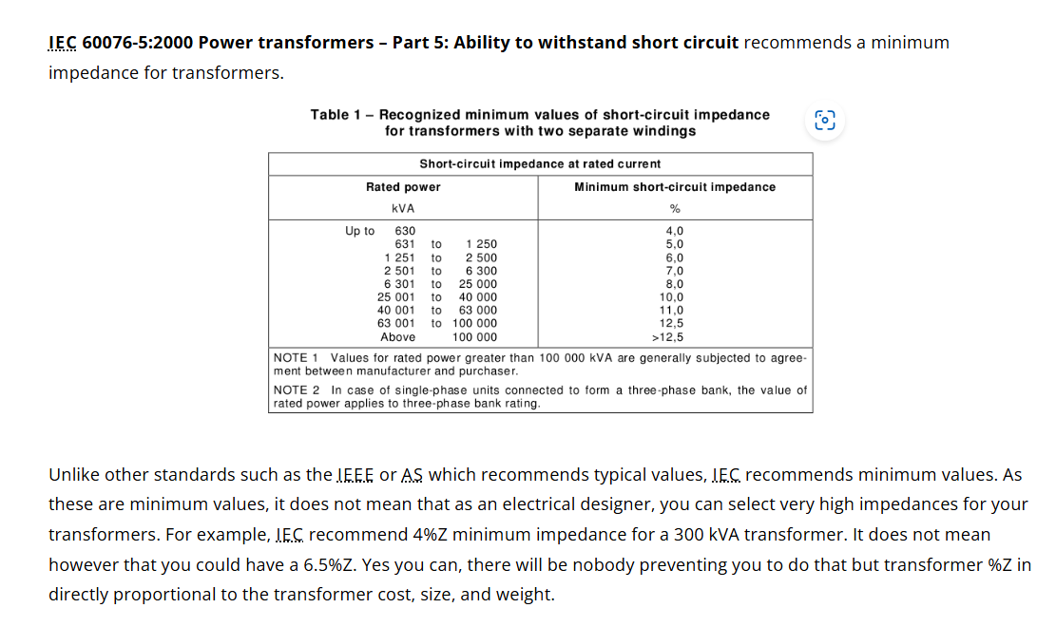
Name | f_nom [HZ] | s_nom [MVA] | v_nom_0 [KV] | v_nom_1 [KV] | vsc [%] | PF | vscr [%] | pfe [Kw] | i0 [A] | I_base_33kv | i0 [%] | phase_shift [degree] | tap_side [0 or 1] | tap_neutral | tap_min | tap_max | tap_step [%]
Thurso_20_MVA | 50 | 20 | 33 | 33 | 8 | 0.19611613514 | 1.5689290811 | 11 | 0.98130676293 | 349.90925405 | 0.28044607325 | 0 | 0 | 0.9285 | 0.8141 | 1.0429 | 1.43
Thurso_30_MVA | 50 | 30 | 33 | 33 | 10 | 0.23533060079 | 2.3533060079 | 14 | 1.0408186484 | 524.86388108 | 0.19830258585 | 0 | 0 | 0.9285 | 0.8141 | 1.0429 | 1.43
SCORRADALE_24_MVA | 50 | 24 | 33 | 11 | 8 | 0.036439870677 | 0.29151896542 | 14 | 6.721661556 | 419.89110487 | 1.6008106574 | 0 | 0 | 0.975 | 0.8600 | 1.0900 | 1.4375
SCORRADALE_15_MVA | 50 | 15 | 33 | 11 | 8 | 0.059489210287 | 0.4759136823 | 11 | 3.2350419311 | 262.43194054 | 1.2327165377 | 0 | 0 | 0.9285 | 0.8141 | 1.0429 | 1.43
SCORRADALE_12.5_MVA | 50 | 12.5 | 33 | 11 | 8 | 0.066661734081 | 0.53329387265 | 8 | 2.099610872 | 218.69328378 | 0.96007103449 | 0 | 0 | 1 | 0.8750 | 1.1250 | 1.25
SCORRADALE_8.0_MVA | 50 | 8 | 33 | 11 | 8 | 0.070248557636 | 0.56198846109 | 5 | 1.2452542295 | 139.96370162 | 0.88969798246 | 0 | 0 | 0.9285 | 0.8141 | 1.0429 | 1.43
SCORRADALE_4.0_MVA | 50 | 4 | 33 | 11 | 7 | 0.12736812542 | 0.89157687793 | 5 | 0.68680694818 | 69.981850811 | 0.98140723662 | 0 | 0 | 0.9285 | 0.8141 | 1.0429 | 1.43
SCORRADALE_2.5_MVA | 50 | 2.5 | 33 | 11 | 6 | 0.12783025715 | 0.7669815429 | 2.79 | 0.38185279471 | 43.738656757 | 0.8730327427 | 0 | 0 | 0.9285 | 0.8141 | 1.0429 | 1.43
SCORRADALE_1.6_MVA | 50 | 1.6 | 33 | 11 | 5 | 0.12778528928 | 0.63892644641 | 1.98 | 0.27108766859 | 27.992740324 | 0.96842133156 | 0 | 0 | 0.9285 | 0.8141 | 1.0429 | 1.43
SCORRADALE_1.0_MVA | 50 | 1 | 33 | 11 | 4 | 0.12764718749 | 0.51058874995 | 1.395 | 0.1912002211 | 17.495462703 | 1.0928560413 | 0 | 0 | 0.9285 | 0.8141 | 1.0429 | 1.43
SCORRADALE_0.2_MVA | 50 | 0.2 | 33 | 11 | 4 | 0.12980898335 | 0.51923593338 | 0.468 | 0.063076347521 | 3.4990925405 | 1.8026487379 | 0 | 0 | 1 | 0.9500 | 1.0500 | 1.25

