Rabbitmq
RabbitMQ是一个在AMQP基础上完整的，可服用的企业消息系统。通常用于应用程序之间或者程序的不同组件之间通过消息来进行集成
Rabbitmq是一个消费的代理；通过生产者客户端生产一个信息，转送给消费者客户端;在这个传输过程中，根据你的需要可以经过路由、缓冲、持久化来得到这个消息。

1. 环境安装

 | rabbit
 | windows
 | http://www.rabbitmq.com/download.html
 | rabbitmq-server-3.3.3.exe

 | erlang
 | http://www.erlang.org/download.html

2. 启动
 | ①：cmd 下运行services.mac 直接开启rabbit
 | ②：rabbitmq-server.bat start
 | rabbitmq-server.bat stop

3. 启动管理插件
 | rabbitmq-plugins enable rabbitmq_management

4. 管理rabbitmq
 | ① 建一个virtulahosts /campaign-api
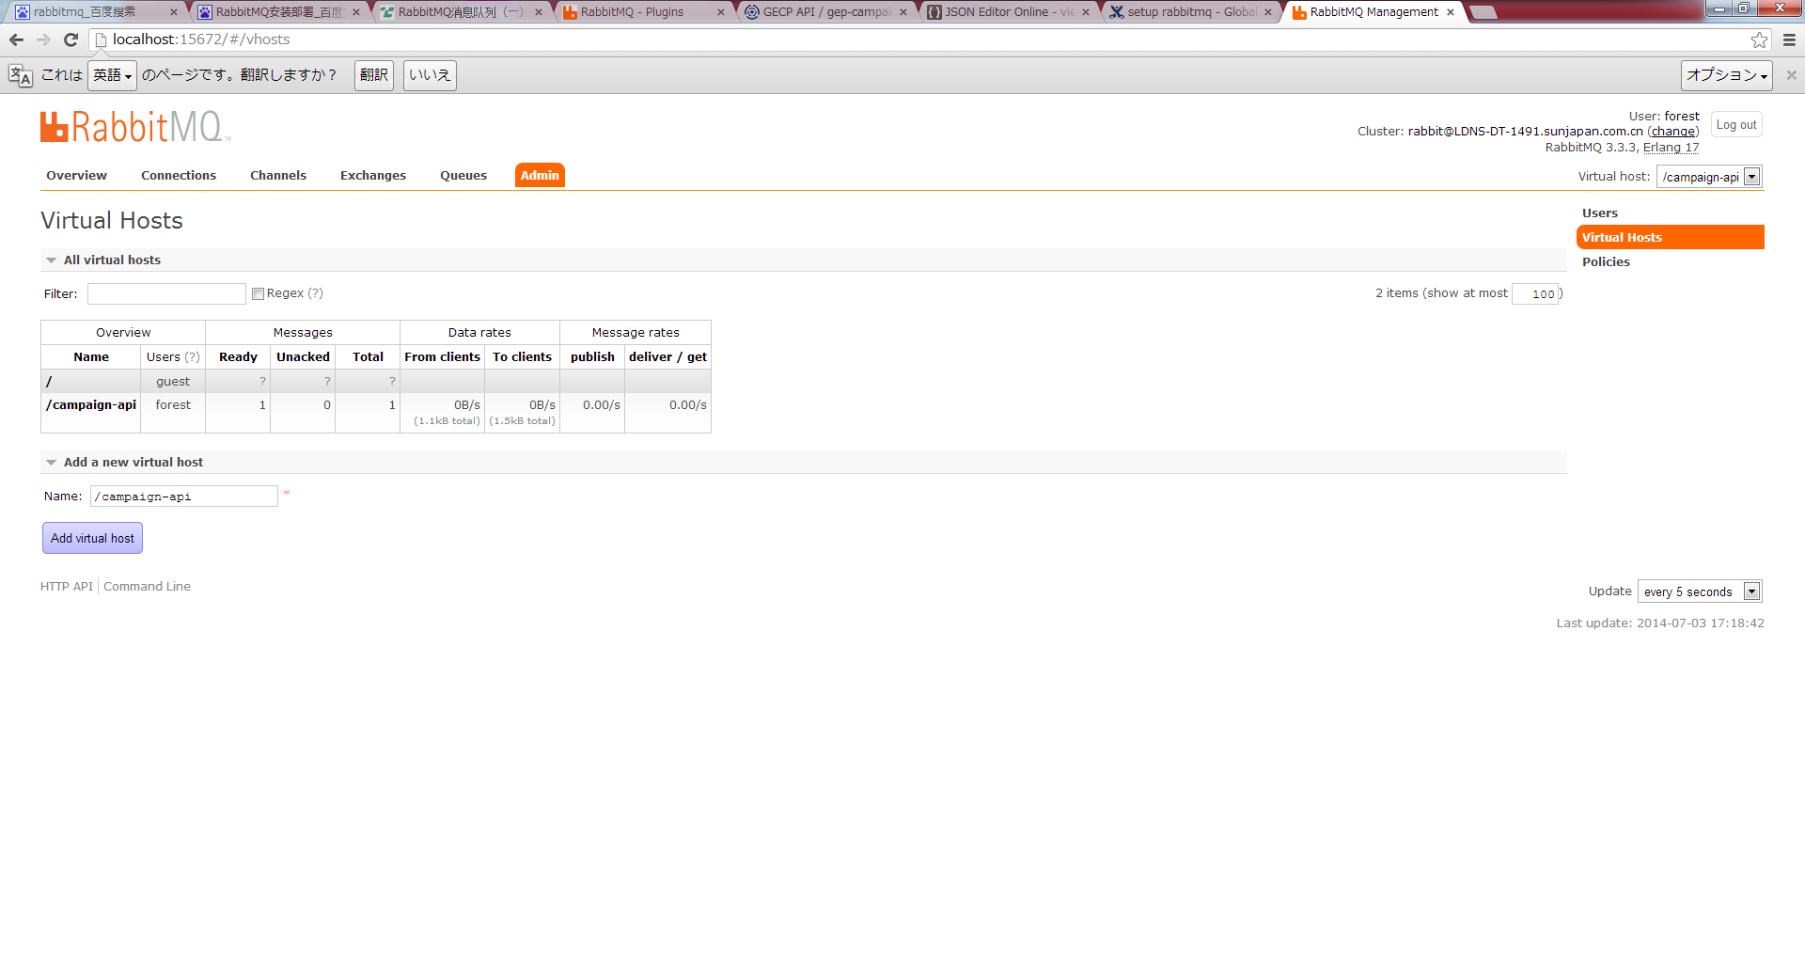

 | ② 建一个user forest,指定权限到/campaign-api
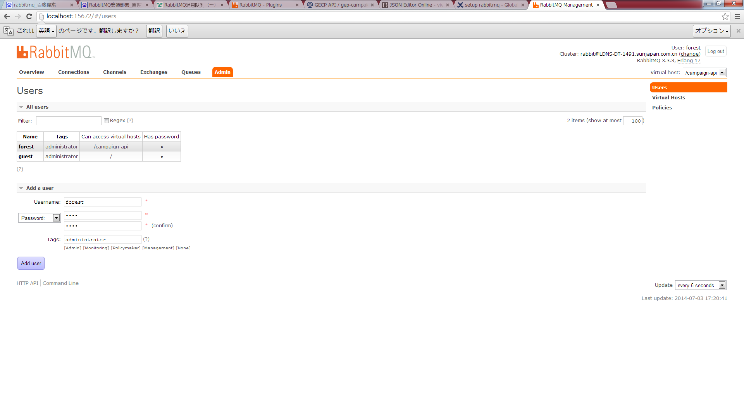

 | ③ 最重要就是建立一对exchange, queue, 通过routekey绑定在一起
 | create exchange :global.entry
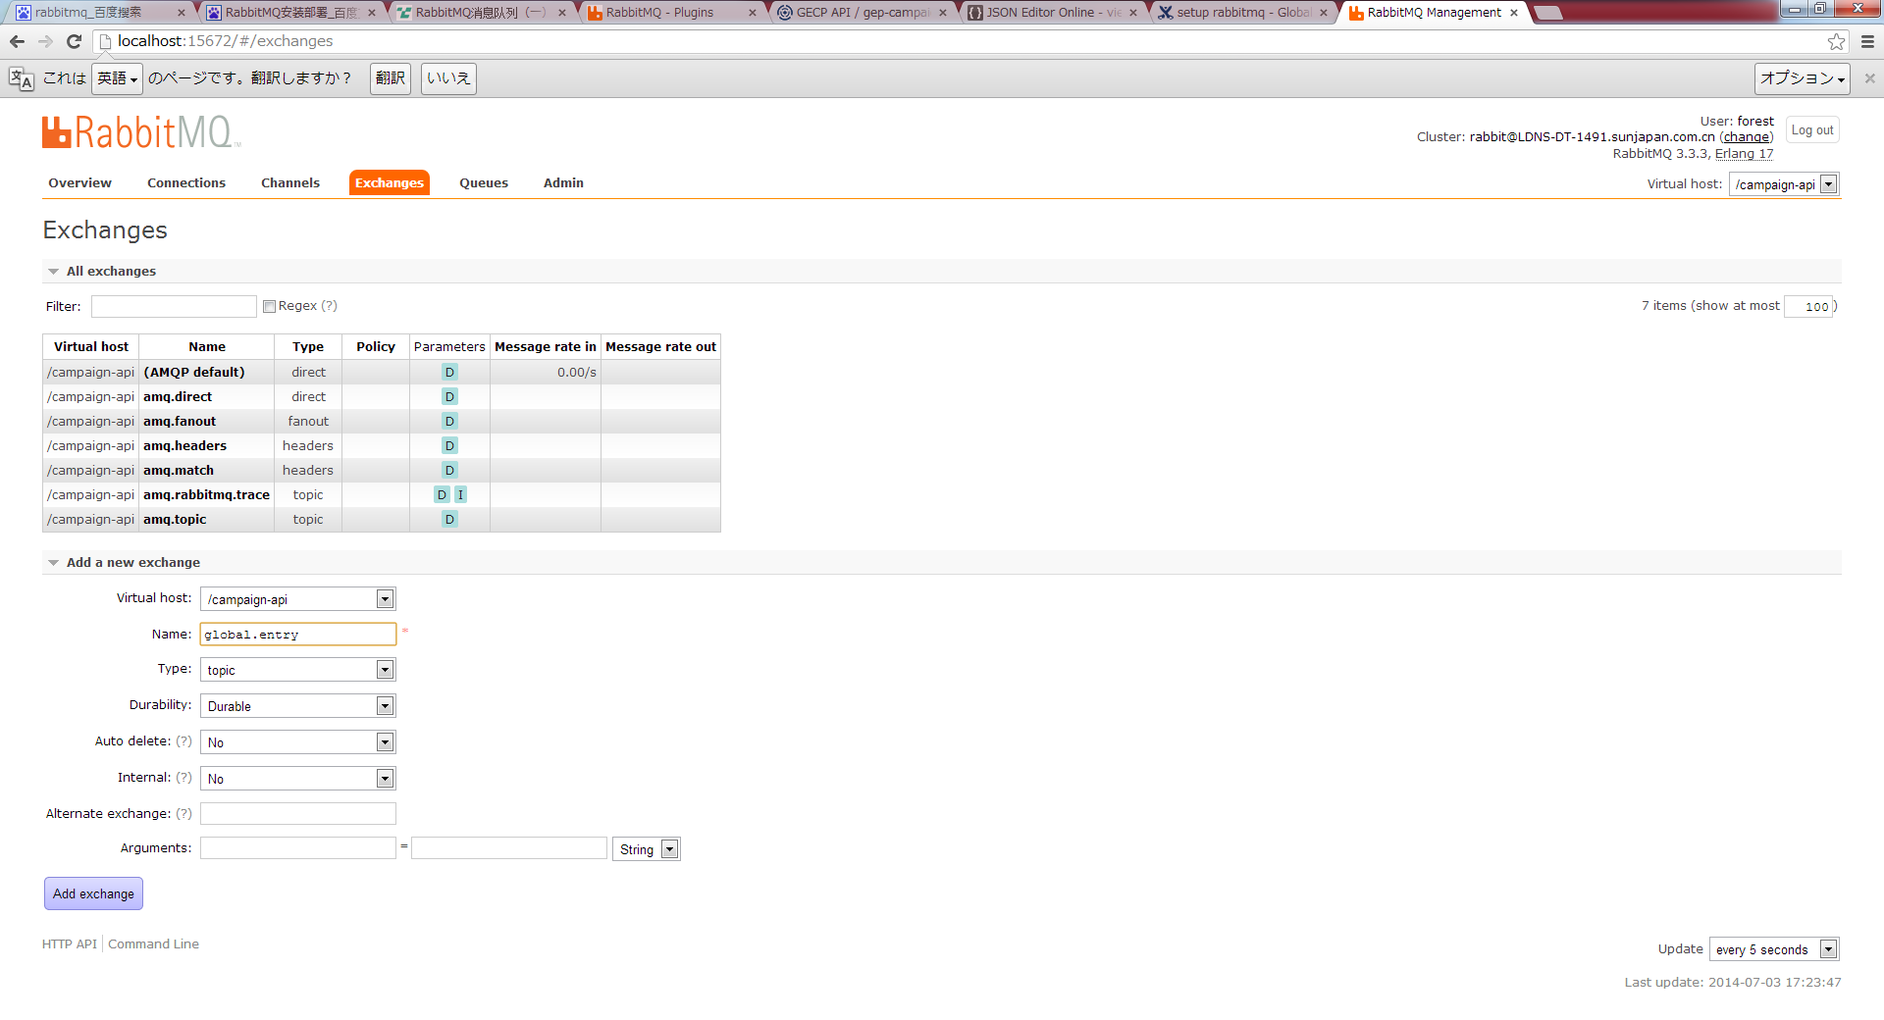

 | create queue : campaign.malls.my
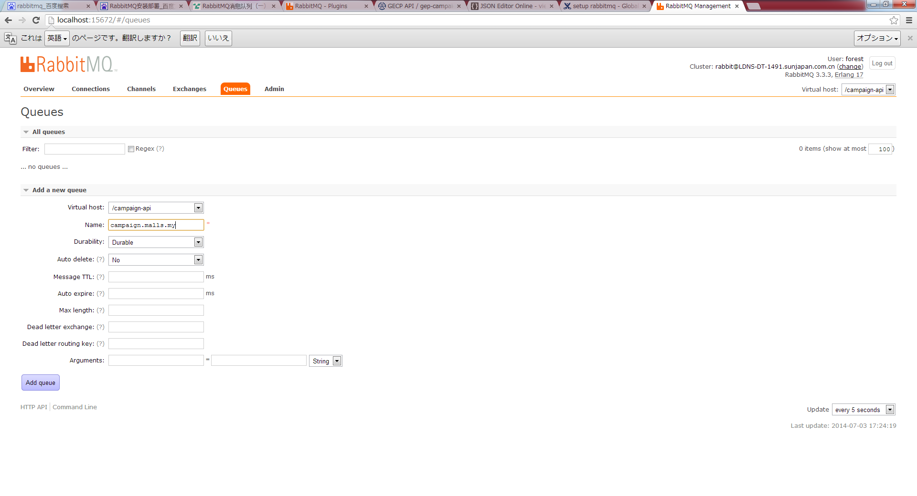

 | bind a queue to exchange
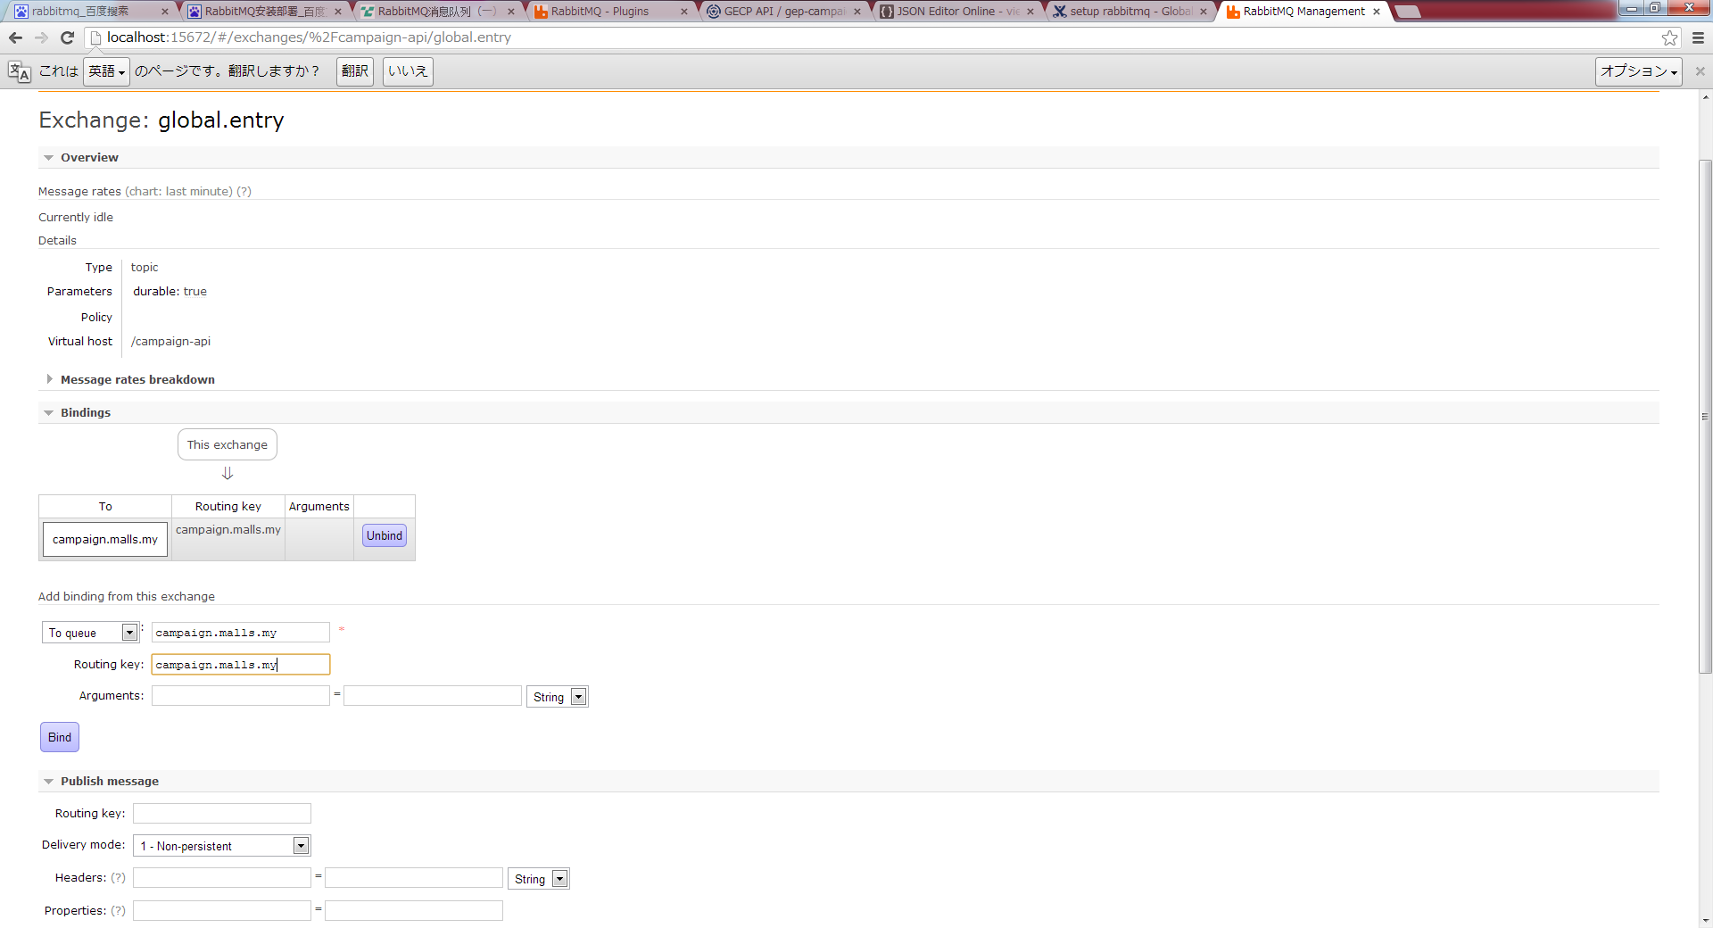

5. 消息生产者： MQProducer

 | package com.forest;

 | import java.io.IOException;

 | import com.rabbitmq.client.Address;
 | import com.rabbitmq.client.Connection;
 | import com.rabbitmq.client.ConnectionFactory;

 | public class MqConnectionFactory {

 |  | public static Connection getConnection() throws IOException {
 |  |  | ConnectionFactory connectionFactory = new ConnectionFactory();
 |  |  | connectionFactory.setUsername("forest");
 |  |  | connectionFactory.setPassword("1234");
 |  |  | connectionFactory.setVirtualHost("/campaign-api");
 |  |  | connectionFactory.setConnectionTimeout(10000);
 |  |  | connectionFactory.setRequestedHeartbeat(60);
 |  |  | Connection connection =
 |  |  |  | connectionFactory.newConnection(Address.parseAddresses("localhost:5672"));
 |  |  | return connection;
 |  | }

 | }

 | package com.forest;

 | import java.io.IOException;

 | import com.rabbitmq.client.Channel;
 | import com.rabbitmq.client.Connection;

 | public class MQProducer {

 |  | public static void main(String args[]) throws IOException {
 |  |  | Connection connection = MqConnectionFactory.getConnection();
 |  |  | Channel channel = connection.createChannel();
 |  |  | String baseExchangeName = "global.entry";
 |  |  | String routingKey = "campaign.malls.my";
 |  |  | String message = "rabbit message hello world!";
 |  |  | channel.basicPublish(baseExchangeName, routingKey, null, message.getBytes());
 |  |  | System.out.println("sended message !");
 |  |  | channel.close();
 |  |  | connection.close();
 |  | }

 | }

 | 结果：
 |  | sended message !

 | 成功发送一个message，可以到上面配置的rabbitmq 管理页面，查看这条信息

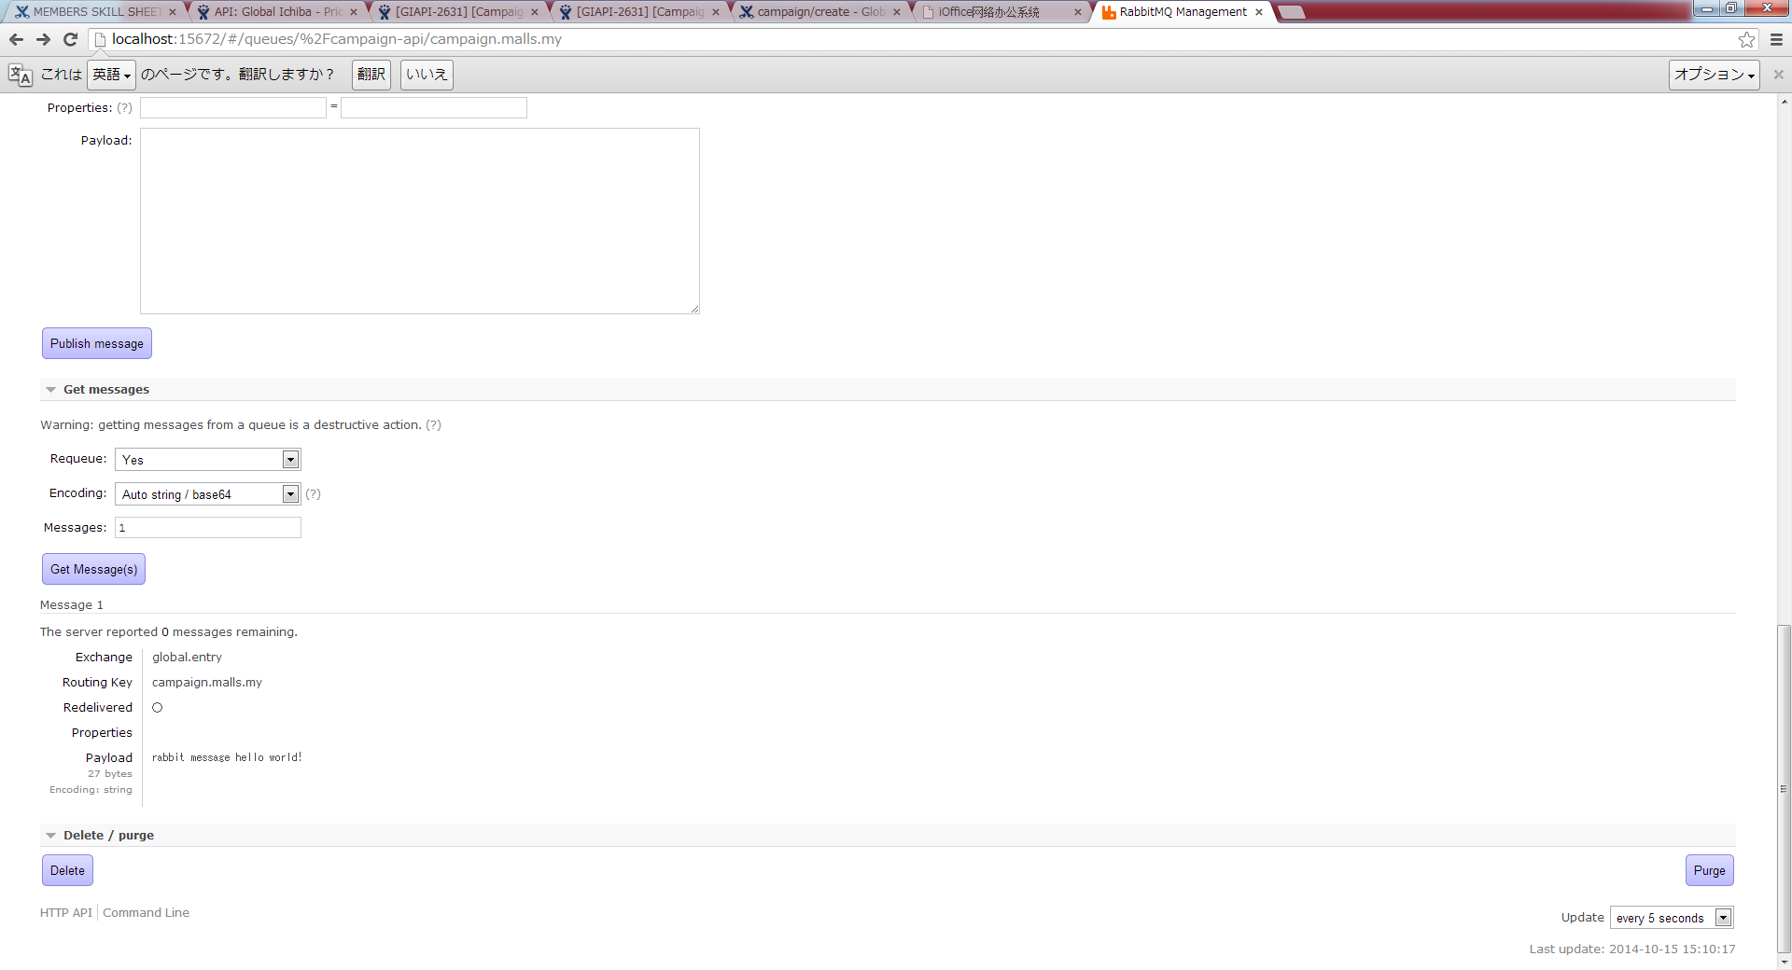

6. 消息消费者MQConsumer
 | package com.forest;

 | import java.io.IOException;

 | import com.rabbitmq.client.Channel;
 | import com.rabbitmq.client.Connection;
 | import com.rabbitmq.client.ConsumerCancelledException;
 | import com.rabbitmq.client.QueueingConsumer;
 | import com.rabbitmq.client.ShutdownSignalException;

 | public class MQConsumer {

 |  | public static void main(String args[]) throws IOException, ShutdownSignalException, ConsumerCancelledException, InterruptedException {
 |  |  | Connection connection = MqConnectionFactory.getConnection();
 |  |  | Channel channel = connection.createChannel();
 |  |  | String routingKey = "campaign.malls.my";
 |  |  | channel.queueDeclare();
 | System.out.println(" [*] Waiting for messages. To exit press CTRL+C");

 | QueueingConsumer consumer = new QueueingConsumer(channel);
 | channel.basicConsume(routingKey, true, consumer);

 | while (true) {
 | QueueingConsumer.Delivery delivery = consumer.nextDelivery();
 | String message = new String(delivery.getBody());
 | System.out.println(" [x] Received '" + message + "'");
 | }
 |  | }

 | }

 | 结果：
 |  | [*] Waiting for messages. To exit press CTRL+C
 |  | [x] Received 'rabbit message hello world!'

