Bug 1
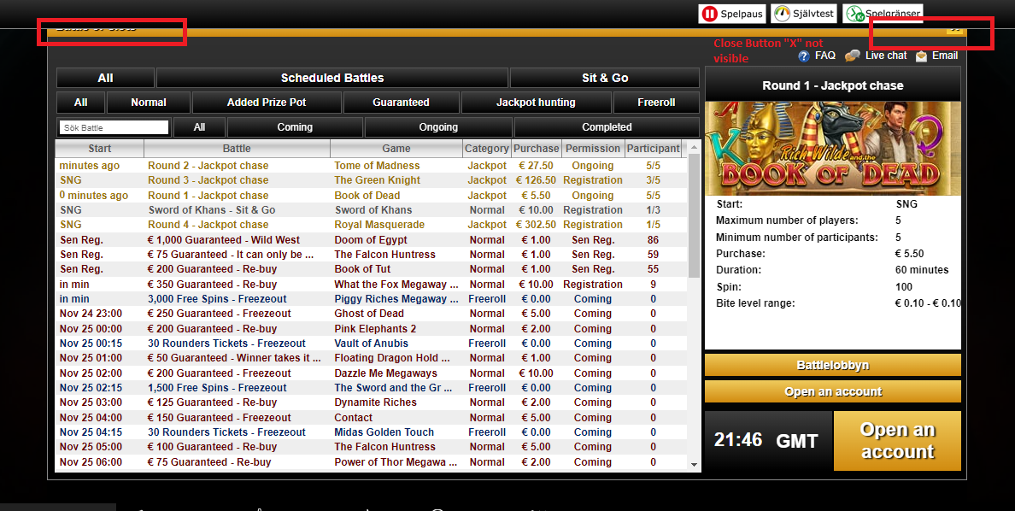
BUG REPORT : www.videoslots.com

Bug Name: | Close button and logo not visible in "Battle of Slots" popup page.
Bug ID: | 1
Area Path: | HomePage -> Battle of Slots
Severity: | Medium
Priority: | Medium
Assigned to: | Developer-A
Reported By | Kinjal Pujara
Reported On: | 24-Nov-21
Reason | UI Defect
Status: | Active

Description: | After Navigating to "Battel of Slots" page , Closing page Button "X" and "Battle of Slots"logo is hidden behind the header panel.
Steps to Reproduce: | 1) Click on "Battle of Slots" button on Home page. 2) Close Button "X" and logo is hidden behind the header panel 3) See attached screenshot for reference
Expected Result: | Close Button and logo in "Battle of Slots" page should be visible to user so he can easily move back to the home page.

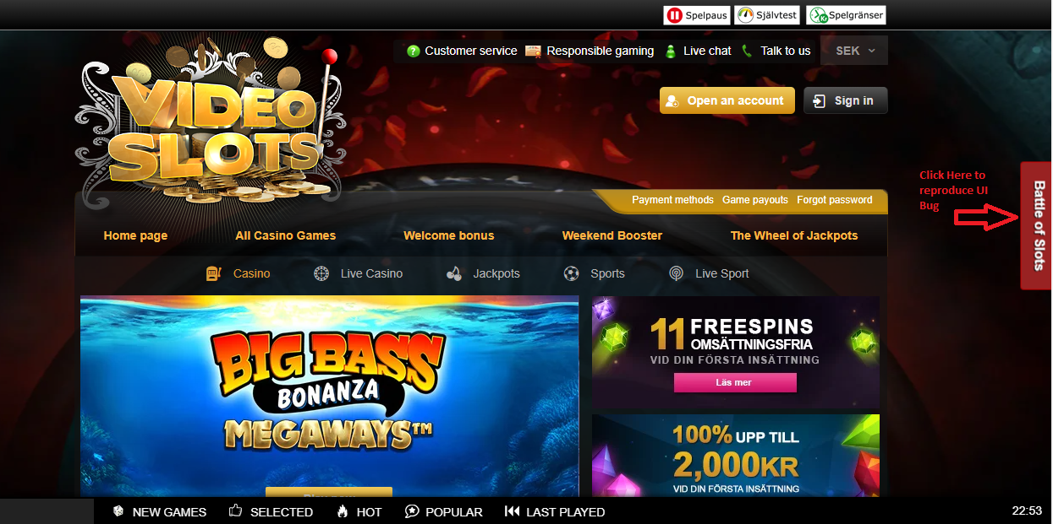
ScreenShot:

