楽曲分類
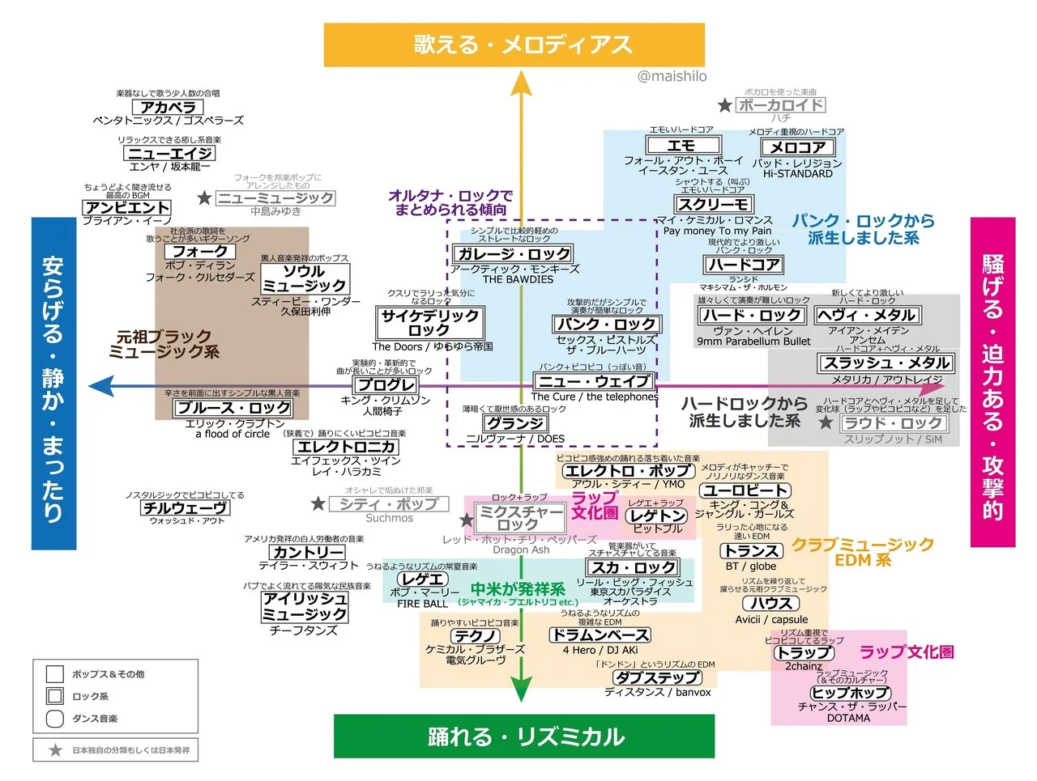

あてはまらないもの

