PLANET
NB: Only BLUE CELLS are editable!

Star Mass | 1.170 | Msol | ℹ | 2.32713E+30 | kg
Star Luminosity | 1.874 | Lsol | ℹ | 7.1732402399E+26 | W
Habitable Zone (Inner) | 1.305 | AU | ℹ | 162.96 | million km
Habitable Zone (Outer) | 1.880 | AU | ℹ | 281.78 | million km

TERRESTRIAL PLANET PHYSICAL CHARACTERISTICS

Mass | 1.623 | MEarth | ℹ | 9.692556E+24 | kg
CMF | 38 | % | ℹ
Density | 6.219 | g/cm³ | ℹ
Radius | 1.129 | REarth | ℹ | 7190.96 | km
Gravity | 1.274 | g | ℹ | 12.498 | m/s²
Escape Velocity | 1.199 | VEarth | ℹ | 13.41 | km/s
Axial Tilt | 26.1 | º | ℹ
Rotation Direction | Prograde |  | ℹ
Tropics | 0 - 26.1 | º N/S | ℹ
Polar Circles | 63.9 - 90 | º N/S | ℹ
Rotation Period | 31 | Earth hrs | ℹ
Albedo (Bond) | 0.33 |  | ℹ
Greenhouse Effect | 2.03 |  | ℹ
Surface Temperature (Avg.) | 292 | K | ℹ | 19 | ºC

Distance to Horizon
Height of Observer | 1.65 | m | ℹ
Horizon Distance | 4.871 | km | ℹ

TERRESTRIAL PLANET ORBITAL CHARACTERISTICS

Semi-Major axis | 1.48 | AU | ℹ | 221.408 | million km
Eccentricity | 0.019 |  | ℹ
Perihelion | 1.452 | AU | ℹ | 217.201248 | million km
Aphelion | 1.508 | AU | ℹ | 225.614752 | million km
Orbital Period | 1.665 | Earth yrs | ℹ
 | 607.964 | Earth days | ℹ
Inclination | 2.4 | º | ℹ
Orbital direction | Prograde |  | ℹ

TERRESTRIAL PLANET ATMOSPHERIC CHARACTERISTICS

Atmospheric Pressure & Composition

Atmospheric Pressure | 1.3 | atm | ℹ | 131.69 | kPa

GAS | % | PP (atm)
Oxygen (O2) | 13.74 | 0.17862 | ℹ | 18.09 | kPa
Carbon Dioxide (CO2) | 0.13 | 0.00169 | ℹ | 0.171 | kPa
Argon (Ar) | 1.28 | 0.01664 | ℹ | 1.69 | kPa
Nitrogen (N2) | 84.85 | 1.10305 | ℹ | 111.74 | kPa | PH3,H2S

Atmospheric Density | 1.558 | kg/m³ | ℹ

Atmospheric Circulation Cells

Atmospheric Circulation Cells | 3 | cells | ℹ
Cell 1 | 0-30 | º N/S | ℹ
Cell 2 | 30-60 | º N/S
Cell 3 | 60-90 | º N/S

TERRESTRIAL PLANET SKY & PLANT COLOR
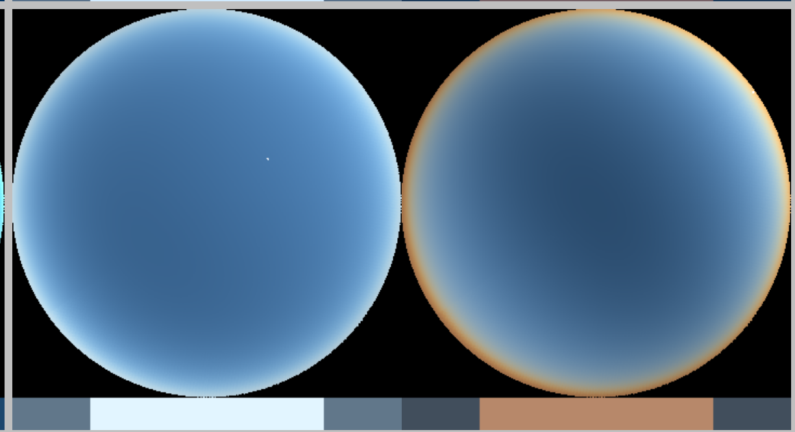
Sky Color
Plant Color

APPARENT SIZE & BRIGHTNESS
NB: Only Light Blue Cells are Editable
Top-down View of Planetary System
 | Planets | Home World | Home
0.00 |  | 0.00
-50.00 | 0.00 | 0.00
50.00 | 0.00 | 0.00
0.00 | 50.00 | 0.00
1.00 |  | 0.00 | 0
-0.36 | 0.13 | 0.00
0.68 | 0.24 | 0.00
-1.22 | 0.91 | 0.00
1.54 | 4.97 | 0.00
5.91 | 7.54 | 0.00
4.15 | 18.74 | 0.00
2.60 | 29.96 | 0.00
27.19 | 28.62 | 0.00
 | 0.00 | 0.00
 | 0.00 | 0.00
 | 0.00 | 0.00
 | 0.00 | 0.00
 | 0.00 | 0.00
 | 0.00 | 0.00
 | 0.00 | 0.00
 | 0.00 | 0.00
 | 0.00 | 0.00
 | 0.00 | 0.00
 | 0.00 | 0.00
Star Mass | 1.170 | Msol | ℹ
Star Luminosity | 1.874 | Lsol | ℹ
Star Radius | 1.094 | Rsol | ℹ
Star Magnitude | 4.13 | M | ℹ

STAR APPARENT BRIGHTNESS & SIZE
(As viewed from each of the planets in your system)

Planets | Semi-major axis | Magnitude | Brightness | Apparent Size
HOME | 1.000 | -27.44 | 1.8739 | 1.094
Mercury | 0.387 | -29.50 | 12.5070 | 2.825
Venus | 0.723 | -28.15 | 3.5817 | 1.512
Mars | 1.524 | -26.53 | 0.8071 | 0.718
Jupiter | 5.204 | -23.86 | 0.0692 | 0.210
Saturn | 9.583 | -22.54 | 0.0204 | 0.114
Uranus | 19.191 | -21.03 | 0.0051 | 0.057
Neptune | 30.070 | -20.05 | 0.0021 | 0.036
Pluto | 39.482 | -19.46 | 0.0012 | 0.028

PLANETS APPARENT BRIGHTNESS
(As viewed from your home world)
 |  |  |  |  |  |  | General | Current
Planet | Albedo (Geometric) | Radius | Atmosphere | Distance (from HOME) | Min | Max | Naked eye planet? | Apparent Magnitude | Observable? | Visibility/brightness
Mercury | 0.142 | 0.383 | FALSE | 1.370 | 0.613 | 1.387 | Yes | -2.76 | Too close to star | NA
Venus | 0.689 | 0.950 | TRUE | 0.400 | 0.277 | 1.723 | Yes | -5.46 | In twilight | Naked eye (very bright)
Mars | 0.170 | 0.533 | TRUE | 2.400 | 0.524 | 2.524 | Yes | -0.14 | In twilight | Naked eye (very bright)
Jupiter | 0.538 | 10.973 | TRUE | 5.000 | 4.204 | 6.204 | Yes | -3.65 | At night | Naked eye (very bright)
Saturn | 0.499 | 9.140 | TRUE | 9.000 | 8.583 | 10.583 | Yes | -0.63 | At night | Naked eye (very bright)
Uranus | 0.488 | 4.007 | TRUE | 19.000 | 18.191 | 20.191 | Yes | +4.31 | At night | Naked eye (bright)
Neptune | 0.422 | 3.883 | TRUE | 30.000 | 29.070 | 31.070 | Maybe | +6.50 | At night | Possibly with naked eye
Pluto | 0.575 | 0.187 | FALSE | 38.800 | 38.482 | 40.482 | No | +14.03 | At night | With telescope
0 |  |  | FALSE
0 |  |  | FALSE
0 |  |  | FALSE
0 |  |  | FALSE
0 |  |  | FALSE
0 |  |  | FALSE
0 |  |  | FALSE
0 |  |  | FALSE
0 |  |  | FALSE
0 |  |  | FALSE
0 |  |  | FALSE

MOON APPARENT SIZE AND BRIGHTNESS
(As viewed from the home world)

Semi-Major Axis | 384,748 | km | ℹ
Radius | 1.000 | Rmoon | ℹ
Albedo (Geometric) | 0.113 |  | ℹ
Phase | 0 | º | ℹ
Absolute Magnitude | -1.08 |  | ℹ
Apparent Magnitude | -14.03 |  | ℹ
Brightness | 3.50 |  | ℹ
Apparent Size | 1.00 |  | ℹ
Eclipses | Annular Eclipses Only |  | ℹ

TECTONICS
NB: Only BLUE CELLS are editable!

Gravity | 1.274 | g | ℹ | 12.49794 | m/s²

MOUNTAINS

Max Peak Height | 7274 | m | ℹ

Active Mountain Range Characteristics

Type | Himalayan |  | ℹ
Scaling Factor | 1.9 |  | ℹ

0

ℹ | Height (m) | Height Range (m) |  |  |  | Width (km) | Width Range (km)
Foreland Basin | 180 | 30 - 190 |  |  |  | 120 | 60 - 250
Foreslope | 4000 | Taper to peak of 1890 - 5050 |  |  |  | 25 | 20 - 60
Plateau | 2700 | 1890 - 3790 |  |  |  | 700 | 190 - 880
Back Slope | 4100 | Taper from peak of 1890 - 4420 |  |  |  | 110 | 20 - 130
 |  | 0 |  |  |  | 200 | 0
 | 800 | 0 |  |  |  |  | 0

Inactive Mountain Range Characteristics
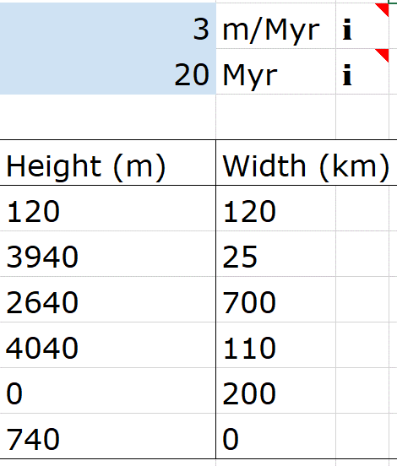
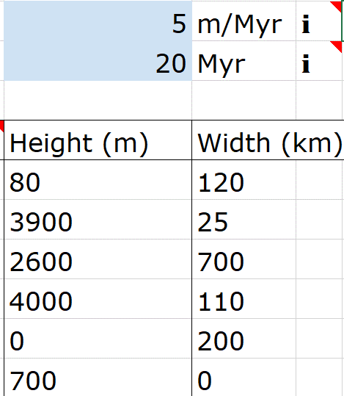
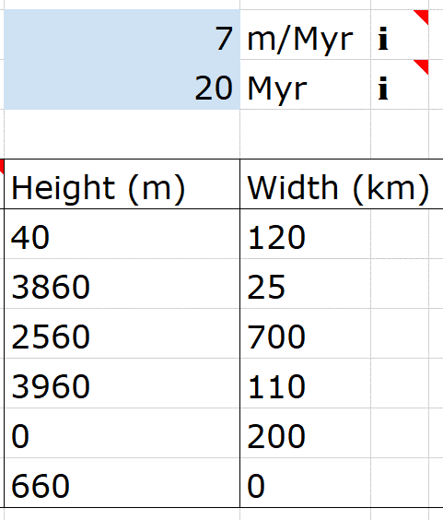
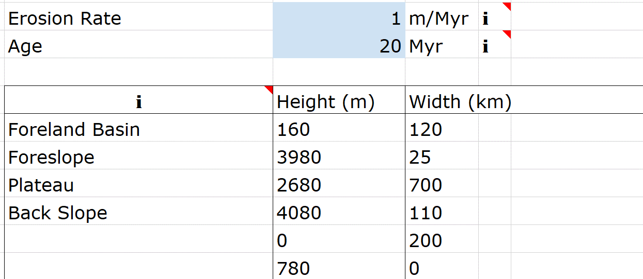
Erosion Rate | 16 | m/Myr | ℹ
Age | 20 | Myr | ℹ

ℹ | Height (m) | Width (km)
Foreland Basin | 0 | 120
Foreslope | 3680 | 25
Plateau | 2380 | 700
Back Slope | 3780 | 110
 | 0 | 200
 | 480 | 0

OCEANS

Ocean Depth Calculator |  |  | ℹ

Avg. Height Mid-Ocean Ridge | 3000 | m | ℹ

Ocean Crust Age | Ocean Depth
0 | 3000 | m
10 | 4107 | m
20 | 4565 | m
30 | 4835 | m
40 | 5066 | m
50 | 5262 | m
100 | 5887 | m
150 | 6168 | m
200 | 6296 | m
250 | 6353 | m
300 | 6379 | m
350 | 6390 | m
400 | 6396 | m
450 | 6398 | m
500 | 6399 | m
600 | 6400 | m
700 | 6400 | m
800 | 6400 | m
900 | 6400 | m
1000 | 6400 | m

