PLANET
NB: Only BLUE CELLS are editable!

Star Mass | 1.170 | Msol | ℹ | 2.32713E+30 | kg
Star Luminosity | 1.874 | Lsol | ℹ | 7.1732402399E+26 | W
Habitable Zone (Inner) | 1.305 | AU | ℹ | 162.96 | million km
Habitable Zone (Outer) | 1.880 | AU | ℹ | 281.78 | million km

TERRESTRIAL PLANET PHYSICAL CHARACTERISTICS

Mass | 1.623 | MEarth | ℹ | 9.692556E+24 | kg
CMF | 38 | % | ℹ
Density | 6.219 | g/cm³ | ℹ
Radius | 1.129 | REarth | ℹ | 7190.96 | km
Gravity | 1.274 | g | ℹ | 12.498 | m/s²
Escape Velocity | 1.199 | VEarth | ℹ | 13.41 | km/s
Axial Tilt | 26.1 | º | ℹ
Rotation Direction | Prograde |  | ℹ
Tropics | 0 - 26.1 | º N/S | ℹ
Polar Circles | 63.9 - 90 | º N/S | ℹ
Rotation Period | 31 | Earth hrs | ℹ
Albedo (Bond) | 0.33 |  | ℹ
Greenhouse Effect | 2.03 |  | ℹ
Surface Temperature (Avg.) | 292 | K | ℹ | 19 | ºC

Distance to Horizon
Height of Observer | 1.65 | m | ℹ
Horizon Distance | 4.871 | km | ℹ

TERRESTRIAL PLANET ORBITAL CHARACTERISTICS

Semi-Major axis | 1.48 | AU | ℹ | 221.408 | million km
Eccentricity | 0.019 |  | ℹ
Perihelion | 1.452 | AU | ℹ | 217.201248 | million km
Aphelion | 1.508 | AU | ℹ | 225.614752 | million km
Orbital Period | 1.665 | Earth yrs | ℹ
 | 607.964 | Earth days | ℹ
Inclination | 2.4 | º | ℹ
Orbital direction | Prograde |  | ℹ

TERRESTRIAL PLANET ATMOSPHERIC CHARACTERISTICS

Atmospheric Pressure & Composition

Atmospheric Pressure | 1.3 | atm | ℹ | 131.69 | kPa

GAS | % | PP (atm)
Oxygen (O2) | 13.74 | 0.17862 | ℹ | 18.09 | kPa
Carbon Dioxide (CO2) | 0.13 | 0.00169 | ℹ | 0.171 | kPa
Argon (Ar) | 1.28 | 0.01664 | ℹ | 1.69 | kPa
Nitrogen (N2) | 84.85 | 1.10305 | ℹ | 111.74 | kPa | PH3,H2S

Atmospheric Density | 1.558 | kg/m³ | ℹ

Atmospheric Circulation Cells

Atmospheric Circulation Cells | 3 | cells | ℹ
Cell 1 | 0-30 | º N/S | ℹ
Cell 2 | 30-60 | º N/S
Cell 3 | 60-90 | º N/S

TERRESTRIAL PLANET SKY & PLANT COLOR
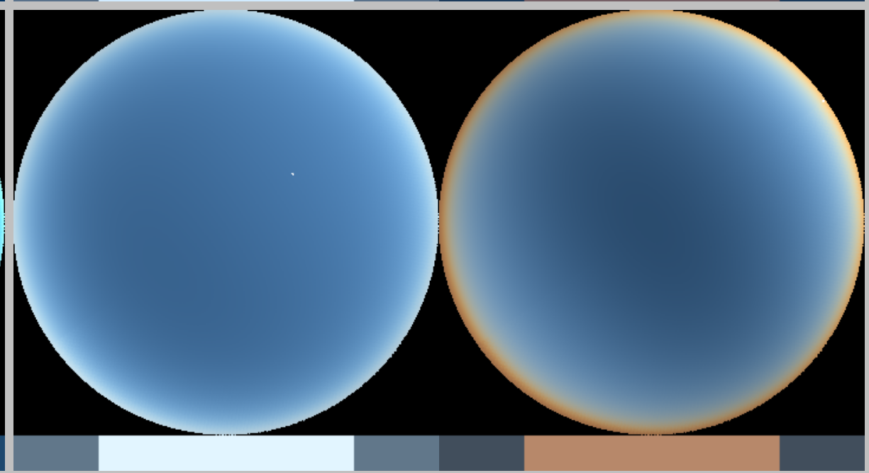
Sky Color
Plant Color

APPARENT SIZE & BRIGHTNESS
NB: Only Light Blue Cells are Editable
Top-down View of Planetary System
 | Planets | Home World | Home
0.00 |  | 0.00
-40.00 | 0.00 | 0.00
40.00 | 0.00 | 0.00
0.00 | 40.00 | 0.00
1.48 |  | 0.00 | 0
0.40 | 0.00 | 0.00
0.67 | 0.00 | 0.00
0.94 | 0.00 | 0.00
2.56 | 0.00 | 0.00
9.04 | 0.00 | 0.00
17.68 | 0.00 | 0.00
34.96 | 0.00 | 0.00
4.72 | 0.00 | 0.00
0 | 0.00 | 0.00
0 | 0.00 | 0.00
0 | 0.00 | 0.00
0 | 0.00 | 0.00
0 | 0.00 | 0.00
0 | 0.00 | 0.00
0 | 0.00 | 0.00
0 | 0.00 | 0.00
0 | 0.00 | 0.00
0 | 0.00 | 0.00
0 | 0.00 | 0.00
Star Mass | 1.170 | Msol | ℹ
Star Luminosity | 1.874 | Lsol | ℹ
Star Radius | 1.094 | Rsol | ℹ
Star Magnitude | 4.13 | M | ℹ

STAR APPARENT BRIGHTNESS & SIZE
(As viewed from each of the planets in your system)

Planets | Semi-major axis | Magnitude | Brightness | Apparent Size
HOME | 1.480 | -26.59 | 0.8555 | 0.739
Vesper-4923b | 0.400 | -29.43 | 11.7132 | 2.734
Vesper-4923c | 0.670 | -28.31 | 4.1747 | 1.632
Vesper-4923d | 0.940 | -27.58 | 2.1208 | 1.163
Vesper-4923f | 2.560 | -25.40 | 0.2859 | 0.427
Vesper-4923g | 9.040 | -22.66 | 0.0229 | 0.121
Vesper-4923h | 17.680 | -21.21 | 0.0060 | 0.062
Vesper-4923i | 34.960 | -19.73 | 0.0015 | 0.031
Vesper-4923i1 | 4.720 | -24.07 | 0.0841 | 0.232

PLANETS APPARENT BRIGHTNESS
(As viewed from your home world)
 |  |  |  |  |  |  | General | Current
Planet | Albedo (Geometric) | Radius | Atmosphere | Distance (from HOME) | Min | Max | Naked eye planet? | Apparent Magnitude | Observable? | Visibility/brightness
Vesper-4923b | 0.290 | 0.776 | TRUE | 1.080 | 1.080 | 1.880 | Yes | NA | Transit | NA
Vesper-4923c | 0.740 | 0.690 | FALSE | 0.810 | 0.810 | 2.150 | Yes | NA | Transit | NA
Vesper-4923d | 0.710 | 0.710 | TRUE | 0.540 | 0.540 | 2.420 | Yes | NA | Transit | NA
Vesper-4923f | 0.538 | 10.973 | TRUE | 1.080 | 1.080 | 4.040 | Yes | -8.59 | Day and night | Naked eye (very bright)
Vesper-4923g | 0.499 | 9.140 | TRUE | 7.560 | 7.560 | 10.520 | Yes | -1.15 | At night | Naked eye (very bright)
Vesper-4923h | 0.488 | 4.007 | TRUE | 16.200 | 16.200 | 19.160 | Yes | +3.78 | At night | Naked eye (bright)
Vesper-4923i | 0.422 | 3.883 | TRUE | 33.480 | 33.480 | 36.440 | No | +7.06 | At night | With telescope
Vesper-4923i1 | 0.575 | 0.187 | FALSE | 3.240 | 3.240 | 6.200 | Yes | +3.89 | At night | Naked eye (bright)
0 |  |  | FALSE
0 |  |  | FALSE
0 |  |  | FALSE
0 |  |  | FALSE
0 |  |  | FALSE
0 |  |  | FALSE
0 |  |  | FALSE
0 |  |  | FALSE
0 |  |  | FALSE
0 |  |  | FALSE
0 |  |  | FALSE

MOON APPARENT SIZE AND BRIGHTNESS
(As viewed from the home world)

Semi-Major Axis | 290,518 | km | ℹ
Radius | 1.227 | Rmoon | ℹ
Albedo (Geometric) | 0.176 |  | ℹ
Phase | 0 | º | ℹ
Absolute Magnitude | -2.01 |  | ℹ
Apparent Magnitude | -13.87 |  | ℹ
Brightness | 3.02 |  | ℹ
Apparent Size | 1.62 |  | ℹ
Eclipses | Total Eclipses Possible |  | ℹ

TECTONICS
NB: Only BLUE CELLS are editable!

Gravity | 1.274 | g | ℹ | 12.49794 | m/s²

MOUNTAINS

Max Peak Height | 7274 | m | ℹ

Active Mountain Range Characteristics

Type | Himalayan |  | ℹ
Scaling Factor | 1.9 |  | ℹ

0

ℹ | Height (m) | Height Range (m) |  |  |  | Width (km) | Width Range (km)
Foreland Basin | 180 | 30 - 190 |  |  |  | 120 | 60 - 250
Foreslope | 4000 | Taper to peak of 1890 - 5050 |  |  |  | 25 | 20 - 60
Plateau | 2700 | 1890 - 3790 |  |  |  | 700 | 190 - 880
Back Slope | 4100 | Taper from peak of 1890 - 4420 |  |  |  | 110 | 20 - 130
 |  | 0 |  |  |  | 200 | 0
 | 800 | 0 |  |  |  |  | 0

Inactive Mountain Range Characteristics
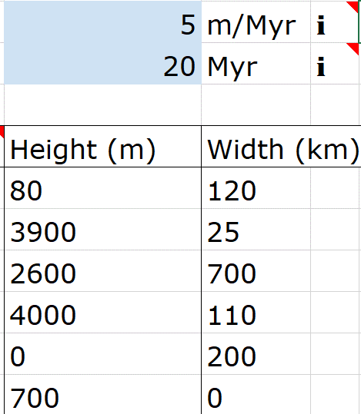
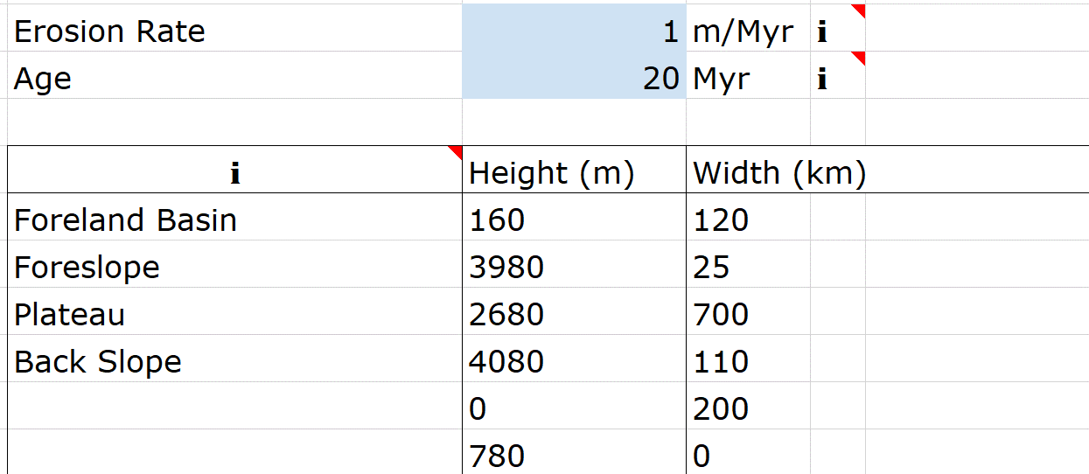
Erosion Rate | 16 | m/Myr | ℹ
Age | 20 | Myr | ℹ

ℹ | Height (m) | Width (km)
Foreland Basin | 0 | 120
Foreslope | 3680 | 25
Plateau | 2380 | 700
Back Slope | 3780 | 110
 | 0 | 200
 | 480 | 0

OCEANS

Ocean Depth Calculator |  |  | ℹ

Avg. Height Mid-Ocean Ridge | 3000 | m | ℹ

Ocean Crust Age | Ocean Depth
0 | 3000 | m
10 | 4107 | m
20 | 4565 | m
30 | 4835 | m
40 | 5066 | m
50 | 5262 | m
100 | 5887 | m
150 | 6168 | m
200 | 6296 | m
250 | 6353 | m
300 | 6379 | m
350 | 6390 | m
400 | 6396 | m
450 | 6398 | m
500 | 6399 | m
600 | 6400 | m
700 | 6400 | m
800 | 6400 | m
900 | 6400 | m
1000 | 6400 | m

