Bisection Method
 | By Bisection Method

a) given f(x) = x^3-3,
finsd out the approximate initial bounds for the function to approximate the root ..
b) find ot the approximated root of given function using false position technique.
c) find out theaccuracy of the method based on the following condition ,
Er<Es, Where Es=0.001
(1,2) are the initial roots of the equation.
 |  |  |  |  | x | f(x)=x^3-3 |  |  |  |  |  |  |  |  | x | f(x)= X^4 - X-10
 |  |  |  |  | 0 | -3 |  |  |  |  |  |  |  |  | 0 | -10
 |  |  |  |  | 1 | -2 |  |  |  |  |  |  |  |  | 1 | -10
 |  |  |  |  | 2 | 5 |  |  |  |  |  |  |  |  | 2 | 4
 |  |  |  |  | 3 | 24 |  |  |  |  |  |  |  |  | 3 | 68
 |  |  |  |  | 4 | 61 |  |  |  |  |  |  |  |  | 4 | 242

f(X)=X^3-3 |  |  |  |  |  |  |  |  | f(x)= X^4 - X-10
 |  |  |  |  |  |  |  |  |  |  |  |  |  |  |  |  | Es = 0.001
Iteration | Xl | Xu | f(Xl) | f(Xu) | Xmid | f(Xmid) | f(Xl)*f(Xmid) | Error | S.no | Xl | Xu | f(Xl) | f(Xu) | Xmid | f(Xmid) | f(Xl)*f(Xmid) | Error
1 | 1 | 2 | -2 | 5 | 1.5 | 0.375 | -0.75 |  | 1 | 1 | 2 | -10 | 4 | 1.5 | -6.4375 | 64.375
2 | 1 | 1.5 | -2 | 0.375 | 1.25 | -1.046875 | 2.09375 | FALSE | 2 | 1.5 | 2 | -10 | 4 | 1.75 | -2.37109375 | 23.7109375 | FALSE
3 | 1.25 | 1.5 | -2 | 0.375 | 1.375 | -0.400390625 | 0.80078125 | FALSE | 3 | 1.75 | 2 | -10 | 4 | 1.875 | 0.48461914062 | -4.8461914062 | FALSE
4 | 1.375 | 1.5 | -2 | 0.375 | 1.4375 | -0.029541015625 | 0.05908203125 | FALSE | 4 | 1.75 | 1.875 | -10 | 0.48461914062 | 1.8125 | -1.0202484131 | 10.202484131 | FALSE
5 | 1.4375 | 1.5 | -2 | 0.375 | 1.46875 | 0.16842651367 | -0.33685302734 | FALSE | 5 | 1.8125 | 1.875 | -10 | 0.48461914062 | 1.84375 | -0.28773403168 | 2.8773403168 | FALSE
6 | 1.4375 | 1.46875 | -2 | 0.16842651367 | 1.453125 | 0.068378448486 | -0.13675689697 | FALSE | 6 | 1.84375 | 1.875 | -10 | 0.48461914062 | 1.859375 | 0.093378126621 | -0.93378126621 | FALSE
7 | 1.4375 | 1.453125 | -2 | 0.068378448486 | 1.4453125 | 0.019154071808 | -0.038308143616 | FALSE | 7 | 1.84375 | 1.859375 | -10 | 0.093378126621 | 1.8515625 | -0.098433431238 | 0.98433431238 | FALSE
8 | 1.4375 | 1.4453125 | -2 | 0.019154071808 | 1.44140625 | -0.0052594542503 | 0.010518908501 | FALSE | 8 | 1.8515625 | 1.859375 | -10 | 0.093378126621 | 1.85546875 | -0.002842847025 | 0.02842847025 | FALSE
9 | 1.44140625 | 1.4453125 | -2 | 0.019154071808 | 1.443359375 | 0.0069307908416 | -0.013861581683 | FALSE | 9 | 1.85546875 | 1.859375 | -10 | 0.093378126621 | 1.857421875 | 0.045188675183 | -0.45188675183 | FALSE
10 | 1.44140625 | 1.443359375 | -2 | 0.0069307908416 | 1.4423828125 | 0.00083154160529 | -0.0016630832106 | TRUE | 10 | 1.85546875 | 1.857421875 | -10 | 0.045188675183 | 1.8564453125 | 0.021153193681 | -0.21153193681 | TRUE

f(x) = x^2 − sin(x) − 0.5

Iteration | Xl | Xu | f(Xl) | f(Xu) | Xmid | f(Xmid) | f(Xl)*f(Xmid) | Error
1 | 0 | 2 | -0.5 | 2.5907025732 | 1 | -0.34147098481 | 0.1707354924
2 | 1 | 2 | -0.5 | 2.5907025732 | 1.5 | 0.7525050134 | -0.3762525067 | FALSE
3 | 1 | 1.5 | -0.5 | 0.7525050134 | 1.25 | 0.11351538064 | -0.056757690322 | FALSE
4 | 1 | 1.25 | -0.5 | 0.11351538064 | 1.125 | -0.1366425941 | 0.06832129705 | FALSE
5 | 1.125 | 1.25 | -0.5 | 0.11351538064 | 1.1875 | -0.017280667385 | 0.0086403336924 | FALSE
6 | 1.1875 | 1.25 | -0.5 | 0.11351538064 | 1.21875 | 0.046682496923 | -0.023341248462 | FALSE
7 | 1.1875 | 1.21875 | -0.5 | 0.046682496923 | 1.203125 | 0.014342864486 | -0.0071714322432 | FALSE
8 | 1.1875 | 1.203125 | -0.5 | 0.014342864486 | 1.1953125 | -0.0015583278887 | 0.00077916394433 | TRUE

 | prepared by manal liaquat

False Position Method
 |  | By False Position Method

a) given f(x) = x^3-3,
find out the approximate initial bounds for the function to approximate the root ..
b) find ot the approximated root of given function using false position technique.
c) find out theaccuracy of the method based on the following condition ,
Er<Es, Where Es=0.001

 |  |  |  |  |  |  | f(x)=x^3-3 |  |  |  |  |  |  |  | x | f(x)= X^4 - X-10
 |  |  |  |  |  | 0 | -3 |  |  |  |  |  |  |  | 0 | -10
 |  |  |  |  |  | 1 | -2 |  |  |  |  |  |  |  | 1 | -10
 |  |  |  |  |  | 2 | 5 |  |  |  |  |  |  |  | 2 | 4
 |  |  |  |  |  | 3 | 24 |  |  |  |  |  |  |  | 3 | 68
 |  |  |  |  |  | 4 | 61 |  |  |  |  |  |  |  | 4 | 242
(1,2) are the initial roots of the equation.

f(X)=X^3-3 |  |  |  |  |  |  |  |  | f(x) = X^4 - X -10

s.no | Xl | Xu | f(Xl) | f(Xu) | Xr | f(Xr) | f(Xr)*f(Xl) | Error | s.no | Xl | Xu | f(Xl) | f(Xu) | Xr | f(Xr) | f(Xr)*f(Xl) | Error
1 | 1 | 2 | -2 | 5 | 1.2857142857 | -0.87463556851 | 1.749271137 |  | 1 | 1 | 2 | -10 | 4 | 1.7142857143 | -3.0778842149 | 30.778842149
2 | 1.2857142857 | 2 | -0.87463556851 | 5 | 1.3920595533 | -0.30242551404 | 0.26451211141 | FALSE | 2 | 1.7142857143 | 2 | -3.0778842149 | 4 | 1.8385312463 | -0.41279851602 | 1.2705460364 | FALSE
3 | 1.3920595533 | 2 | -0.30242551404 | 5 | 1.4267336288 | -0.09578547176 | 0.028967970535 | FALSE | 3 | 1.8385312463 | 2 | -0.41279851602 | 4 | 1.8536359609 | -0.047771715191 | 0.019720093139 | FALSE
4 | 1.4267336288 | 2 | -0.09578547176 | 5 | 1.4375093159 | -0.029483264198 | 0.0028240683703 | FALSE | 4 | 1.8536359609 | 2 | -0.047771715191 | 4 | 1.8553633461 | -0.0054304689535 | 0.0002594228162 | TRUE
5 | 1.4375093159 | 2 | -0.029483264198 | 5 | 1.4408066847 | -0.0089949640316 | 0.000265200901 | FALSE
6 | 1.4408066847 | 2 | -0.0089949640316 | 5 | 1.441810863 | -0.0027368115571 | 2.4617521517E-05 | TRUE

f(x) = x^2 − sin(x) − 0.5

s.no | Xl | Xu | f(Xl) | f(Xu) | Xr | f(Xr) | f(Xr)*f(Xl) | Error
1 | 0 | 2 | -0.5 | 2.5907025732 | 0.32355102968 | -0.71325006456 | 0.35662503228
2 | 0.32355102968 | 2 | -0.71325006456 | 2.5907025732 | 0.6854591644 | -0.66317426441 | 0.4730090869 | FALSE
3 | 0.6854591644 | 2 | -0.66317426441 | 2.5907025732 | 0.95337638905 | -0.40644831381 | 0.26954606153 | FALSE
4 | 0.95337638905 | 2 | -0.40644831381 | 2.5907025732 | 1.0953106519 | -0.18936507474 | 0.076967115322 | FALSE
5 | 1.0953106519 | 2 | -0.18936507474 | 2.5907025732 | 1.1569338164 | -0.077078497131 | 0.01459597537 | FALSE
6 | 1.1569338164 | 2 | -0.077078497131 | 2.5907025732 | 1.18129199 | -0.029646625957 | 0.0022851173738 | FALSE
7 | 1.18129199 | 2 | -0.029646625957 | 2.5907025732 | 1.1905548509 | -0.011154187102 | 0.00033068401288 | TRUE
8 | 1.1905548509 | 2 | -0.011154187102 | 2.5907025732 | 1.1940249507 | -0.0041617730344 | 4.6421195103E-05 | TRUE

Newton Forward
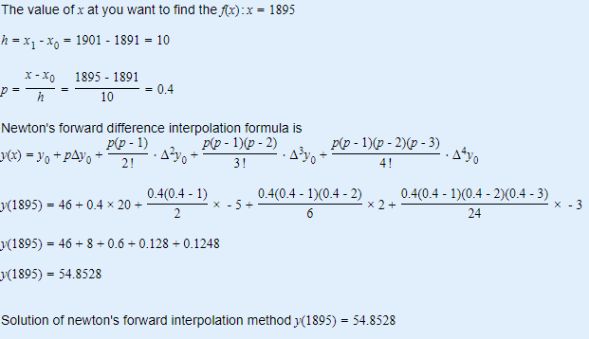
 |  |  |  |  |  | Newton Forward Difference
x | 1891 | 1901 | 1911 | 1921 | 1931
y | 46 | 66 | 81 | 93 | 101

x | y | Δy | Δ2y | Δ3y | Δ4y
1891 | 46
 |  | 20
1901 | 66 |  | -5
 |  | 15 |  | 2
1911 | 81 |  | -3 |  | -3
 |  | 12 |  | -1
1921 | 93 |  | -4
 |  | 8
1931 | 101

Newton Backward
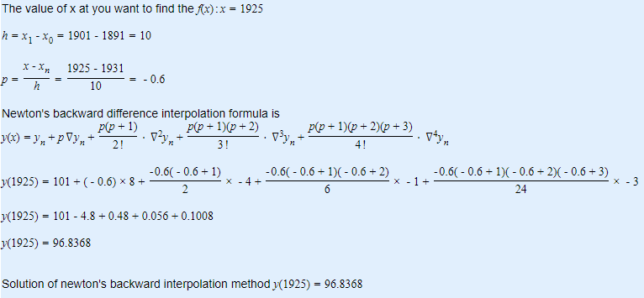
x | 1891 | 1901 | 1911 | 1921 | 1931
y | 46 | 66 | 81 | 93 | 101

x | y | Δy | Δ2y | Δ3y | Δ4y
1891 | 46
 |  | 20
1901 | 66 |  | -5
 |  | 15 |  | 2
1911 | 81 |  | -3 |  | -3
 |  | 12 |  | -1
1921 | 93 |  | -4
 |  | 8
1931 | 101

Newton Divided Difference
 | x | 300 | 304 | 305 | 307
 | y | 2.4771 | 2.4829 | 2.4843 | 2.4871

 | x | y | 1st order | 2nd order
 | 300 | 2.4771
 |  |  | 0.00145
 | 304 | 2.4829 |  | 0
 |  |  | 0.0014
 | 305 | 2.4843 |  | 0
 |  |  | 0.0014
 | 307 | 2.4871

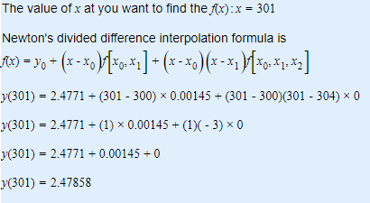

Solution of divided difference interpolation method y(301)=2.47858

