n-type
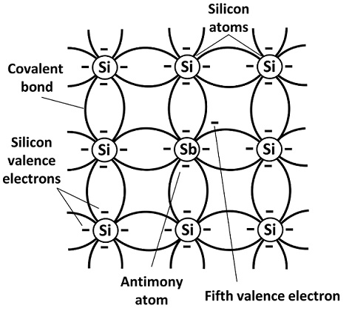
n-type

 | contains one or more impurities based on atoms like phosphorus, arsenic, antimony and bismuth

p-type
p-type

 | Dopants with five electrons in its valence layer. Phosporus is commonly used for this purpose, as well as arsenic or antimony.
 | Material

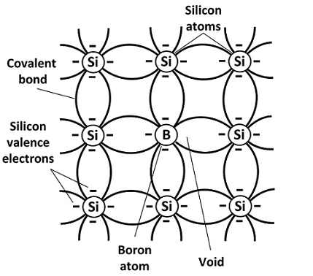

 | p-type doping means adding impurities to the semiconductor to change their properties

MOSFET
