Industry
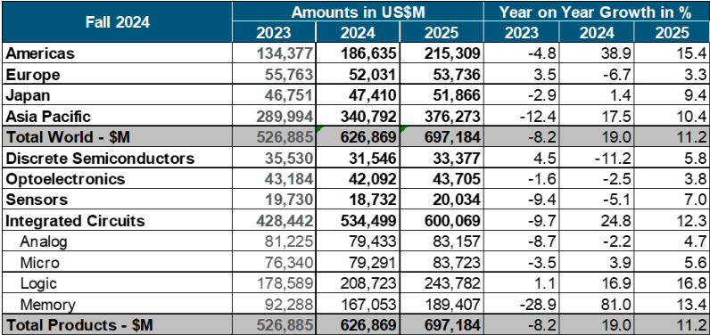
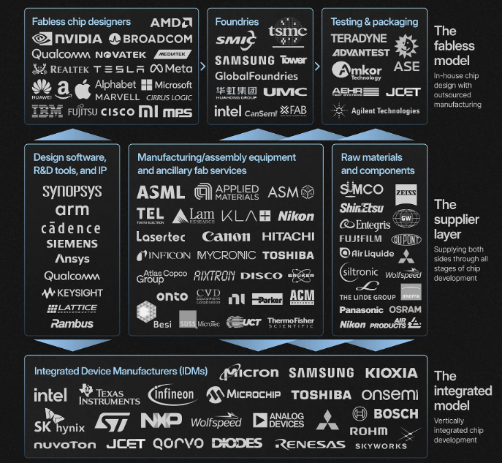

SIA | Sales
2023 | 527
2024 | 627 | 19%
2025 | 697 | 11%

