Mix
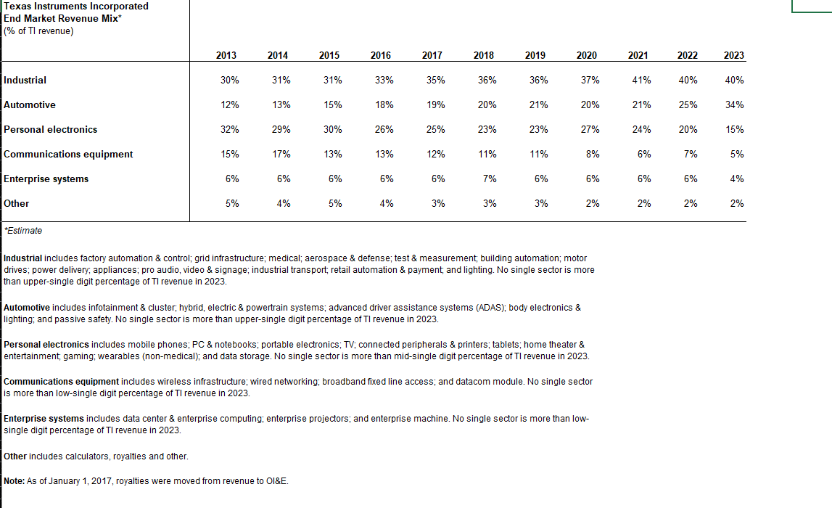
picture is from texas instruments IR

