Sheet1
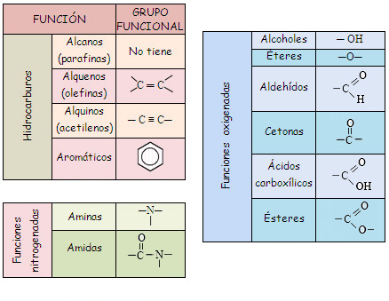
No. | Polymer | Structure | id Number | Linear Formula | Molecular Weight | Details | Solvent | Concentration | Applications | Characterizations | Source
1 | Nylon6,6, PA-6,6 |  | 32131-17-2 | [-CO(CH2)4CONH(CH2)6NH-]n | 262.35 |  | Formic acid | 10 wt.% | Protective clothing |  | A review on polymer nanofibers by electrospinning and their applications in nanocomposites https://www.sigmaaldrich.com/catalog/substance/nylon66262353213117211?lang=es&region=MX https://www.sigmaaldrich.com/catalog/product/aldrich/gf69322888?lang=es&region=MX
2 | Polyurethanes, PU |  | 81367 | NA | NA |  | Dimethyl formamide | 10 wt.% | Protective clothing |  | A review on polymer nanofibers by electrospinning and their applications in nanocomposites https://www.sigmaaldrich.com/catalog/product/sial/81367?lang=es&region=MX http://www.essentialchemicalindustry.org/polymers/polyurethane.html https://polymerdatabase.com/polymer%20classes/Polyurethane%20type.html
 |  |  |  |  |  |  | Dimethyl formamide | 10 wt.% | Electret filter
3 | Polybenzimidazole, PBI |  | GF14432329 | NA | NA |  | Dimethyl accetamide | 10 wt.% | Protective clothing |  | A review on polymer nanofibers by electrospinning and their applications in nanocomposites https://polymerdatabase.com/polymer%20classes/Polybenzimidazole%20type.html
 |  |  |  |  |  |  |  |  | nanofiber reinforced composites
4 | Polycarbonate, PC | 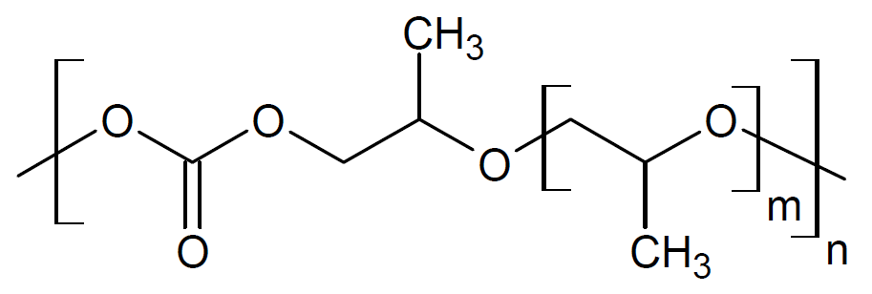 | GF91107222 | NA | NA |  | Dimethyl formamide:tetrahydrofuran (1:1) | 10 wt.% | Protective clothing |  | A review on polymer nanofibers by electrospinning and their applications in nanocomposites https://www.sigmaaldrich.com/catalog/product/aldrich/gf91107222?lang=es&region=MX https://polymerdatabase.com/polymer%20classes/Polycarbonate%20type.html
 |  |  |  |  |  |  | Dichlormethane | 15 wt.% | Sensor, filter
 |  |  |  |  |  | Mw=60,000 | Chloroform, tetrahydrofuran
 |  |  |  |  |  | MI=8–10 g/10 min | Dimethylformamide:tetrahydrofuran (1:1) | 14–15 wt.%
 |  |  |  |  |  |  | Dimethylformamide:tetrahydrofuran (1:1) | 20 wt.% | Electret filter
5 | Polyacrylonitrile, PAN |  | 25014-41-9 | (C3H3N)n | average Mw 150,000 (Typical) |  | Dimethyl formamide | 600 mgPAN/10-5m3 dimethylformamide |  |  | A review on polymer nanofibers by electrospinning and their applications in nanocomposites https://www.sigmaaldrich.com/catalog/substance/polyacrylonitrile123452501441911?lang=es&region=MX
 |  |  |  |  |  |  | Dimethyl formamide
 |  |  |  |  |  |  | Dimethyl formamide |  | Carbon nanofiber
 |  |  |  |  |  |  | Dimethyl formamide
 |  |  |  |  |  |  | Dimethyl formamide | 15 wt.%
6 | Polyvinil alcohol, PVA |  | 9002-89-5 | [-CH2CHOH-]n | Mw 89,000-98,000, 99+% hydrolyzed | Mn=65,000 | Distilled water | 8–16 wt.% |  |  | A review on polymer nanofibers by electrospinning and their applications in nanocomposites https://www.sigmaaldrich.com/catalog/product/aldrich/341584?lang=es&region=MX
 |  |  |  |  |  |  | Distilled water | 4–10 wt.%
 |  |  |  |  |  | Mn=150,000 |  | 1–10 wt.%
7 | Polylactic acid, PLA |  | 26100-51-6 | NA | Mw ~60,000 | poly(d, l-lactic acid) Mw =109,000 | Dimethyl formamide |  | Membrane for prevention of surfery induced-adhesion |  | A review on polymer nanofibers by electrospinning and their applications in nanocomposites https://www.sigmaaldrich.com/catalog/product/aldrich/38534?lang=es&region=MX
 |  |  |  |  |  | poly(l-lactic acid) Mw =100,000 | Methylene chloride and dimethyl formamide |  | Same as above
 |  |  |  |  |  | poly(l-lactic acid) Mn =150,000 g/mol | Dichlormethane | 5 wt.% | Sensor, Filter
 |  |  |  |  |  | Mw=205 kDa |  | 14 wt.% | Drug delivery system
 |  |  |  |  |  |  | Dichloromethane
8 | Polyethylene-co-vinyl acetate, PEVA |  | 24937-78-8 | (CH2CH2)m[CH2CH(OCOCH3)]n | NA | Mw=60.4kDa |  | 14 wt.% | Drug delivery system |  | A review on polymer nanofibers by electrospinning and their applications in nanocomposites https://www.sigmaaldrich.com/catalog/substance/polyethylenecovinylacetate123452493778811?lang=es&region=MX
9 | PEVA/PLA | DUPLICATE | DUPLICATE | DUPLICATE | DUPLICATE | PEVA/PLA=50/50 |  | 14 wt.% | Drug delivery system |  | A review on polymer nanofibers by electrospinning and their applications in nanocomposites https://www.sigmaaldrich.com/catalog/product/aldrich/38534?lang=es&region=MX https://www.sigmaaldrich.com/catalog/substance/polyethylenecovinylacetate123452493778811?lang=es&region=MX
10 | Polymethacrylate (PMA) / tetrahydroperfluorooctylacrylate (TAN) | 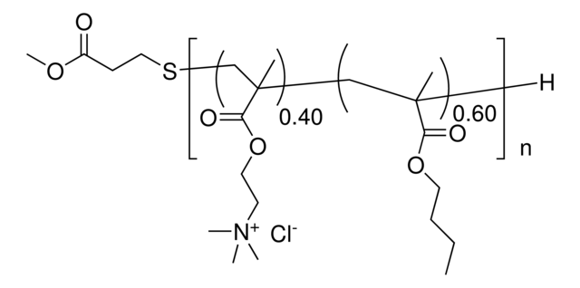 / NA | 880134P / NA | NA / NA | NA / NA | 0–10% TAN | Dimethyl formamide : toluene (1:9) |  |  |  | A review on polymer nanofibers by electrospinning and their applications in nanocomposites https://www.sigmaaldrich.com/catalog/product/avanti/880134p?lang=es&region=MX http://polymerdatabase.com/polymer%20classes/Polymethacrylate%20type.html
11 | Polyethylene oxide, PEO |  | 25322-68-3 | (-CH2CH2O-)n | NA | 2,000,000 g/mol | Distilled water | 7–10 wt.% |  |  | A review on polymer nanofibers by electrospinning and their applications in nanocomposites https://www.sigmaaldrich.com/catalog/substance/polyethyleneoxide123452532268311?lang=es&region=MX
 |  |  |  |  |  | Mw =400,000 | Distilled water | 7–10 wt.%
 |  |  |  |  |  | Mw =400,000 | Distilled water | 4–10 wt.%
 |  |  |  |  |  | Mw =9105 g/mol | Distilled water and ethanol or NaCl | 1–4.3 wt.%
 |  |  |  |  |  |  | Distilled water, distilled water and chloroform, distilled water and isopropanol
 |  |  |  |  |  | Mw=1,000,000 | Distilled water:ethanol (3:2) | 4 wt.% | Microelectronic wiring, interconnects
 |  |  |  |  |  | Mw=300,000 | Distilled water, chloroform, acetone, ethanol | 4–10%
 |  |  |  |  |  | Mn=58,000 |  | 1–10 wt.%
 |  |  |  |  |  | Mn=100,000 |  | 1–10 wt.%
 |  |  |  |  |  |  | Isopropyle alcohol+water | 10 wt.% | Electret filter
 |  |  |  |  |  |  | Isopropanol:water (6:1)
 |  |  |  |  |  | M=300 K | Isopropanol:water (6:1) | 3–10 wt.%
 |  |  |  |  |  | M=100 K to 2 M | Chloroform | 0.5–30 wt.%
12 | Collagen-PEO | < too many Os > / | NA / 25322-68-3 | NA / (-CH2CH2O-)n | 2.5±3.1 g mol^(-1)x10^5 / NA | Purified collagen, nominal molecular weight 900 kD | Hydrochloric acid | 1–2 wt% | Wound healing, tissue engineering, hemostatic agents |  | A review on polymer nanofibers by electrospinning and their applications in nanocomposites https://www.sigmaaldrich.com/catalog/product/roche/11179179001?lang=es&region=MX https://www.researchgate.net/profile/Sachin_Navale5/post/How_can_I_convert_solid_polypyrrole_powder_into_liquid_form/attachment/59d64087c49f478072eaa531/AS%3A273788690731026%401442287718284/download/polymer_data_handbook.pdf http://www.softschools.com/formulas/chemistry/collagen_formula/482/ https://www.sigmaaldrich.com/catalog/substance/polyethyleneoxide123452532268311?lang=es&region=MX
 |  |  |  |  |  | PEO: Mn=900,000 | Hydrochloric acid (pH =2.0) | 1 wt% | Wound healing, tissue engineering
13 | Polyaniline (PANI) / PEO blend | 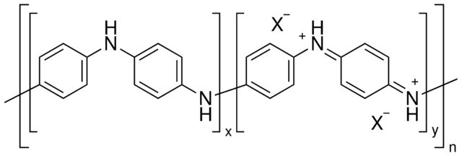 / | 428329 / 25322-68-3 | NA / (-CH2CH2O-)n | average Mw >15,000 / NA |  | Chloroform |  | Conductive fiber |  | A review on polymer nanofibers by electrospinning and their applications in nanocompositeshttps://www.sigmaaldrich.com/catalog/substance/polyethyleneoxide123452532268311?lang=es&region=MX https://www.sigmaaldrich.com/catalog/product/aldrich/428329?lang=es&region=MX
 |  |  |  |  |  |  | Camphorsulfonic acid | 2 wt.% | Conducting fiber
 |  |  |  |  |  | Pan: Mw=120,000 Da, PEO: Mw=900,000 Da | Chloroform | 2–4 wt.% | Conducting fiber
 |  |  |  |  |  | Pan / HCSA / PEO |  | 11–50 wt.%
14 | Polyaniline (PANI) / Polystyrene (PS) | / | 428329 / 81401 | NA / [CH2CH(C6H5)]n | average Mw >15,000 / NA |  | Chloroform |  | Conductive fiber |  | A review on polymer nanofibers by electrospinning and their applications in nanocomposites https://www.sigmaaldrich.com/catalog/product/aldrich/428329?lang=es&region=MX https://www.sigmaaldrich.com/catalog/product/sial/81401?lang=es&region=MX
 |  |  |  |  |  |  | Camphorsulfonic acid | 2 wt.% | Conductive fiber
15 | Silk-like polymer with fibronectin functionality | NA | NA | NA | NA |  | Formic acid | 0.8–16.2 wt.% | Implantable device |  | A review on polymer nanofibers by electrospinning and their applications in nanocomposites
16 | Polyvinylcarbazole | 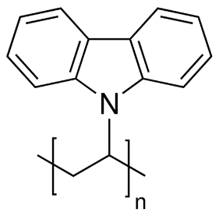 | 25067-59-8 | C14H11N | average Mn 25,000-50,000 | Mw =1,100,000 g/mol | Dichlormethane | 7.5 wt.% | Sensor, filter |  | A review on polymer nanofibers by electrospinning and their applications in nanocomposites https://www.sigmaaldrich.com/Graphics/COfAInfo/SigmaSAPQM/SPEC/36/368350/368350-BULK_______ALDRICH__.pdf https://www.sigmaaldrich.com/catalog/substance/poly9vinylcarbazole123452506759811?lang=es&region=MX
17 | 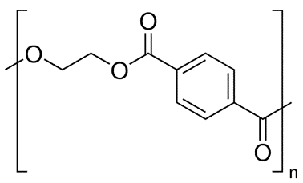 Polyethylene Terephthalate, PET |  | 25038-59-9 | (C10H8O4)n | NA | Mw=10,000–20,000 g/mol | Dichlormethane and trifluoracetic | 4 wt.% |  |  | A review on polymer nanofibers by electrospinning and their applications in nanocomposites https://www.sigmaaldrich.com/catalog/product/usp/1546900?lang=es&region=MX
 |  |  |  |  |  |  | Dichloromethane:trifluoroacetic acid (1:1) | 12–18 wt.%
18 | polyacrylic acid-polypyrene methanol, PAA-PM | / NA | 9003-01-4 / NA | NA / NA | average Mv ~450,000 / NA | Mw=50,000 g/mol | Dimethyl formamide |  | Optical sensor |  | A review on polymer nanofibers by electrospinning and their applications in nanocomposites https://www.sigmaaldrich.com/catalog/product/aldrich/181285?lang=es&region=MX&cm_sp=Insite-_-prodRecCold_xviews-_-prodRecCold3-1
19 | Polystyrene, PS |  | 81401 | [CH2CH(C6H5)]n | NA | Mw=190,000 | Tetrahydrofuran, dimethylformamide, CS2(carbon disulfide), toluene | 18–35 wt.% |  |  | A review on polymer nanofibers by electrospinning and their applications in nanocomposites https://www.sigmaaldrich.com/catalog/product/sial/81401?lang=es&region=MX
 |  |  |  |  |  | M=200 kDa | Methylethylketone | 0.08 | Enzymatic biotransformation
 |  |  |  |  |  |  | Chloroform, dimethylformamide | 2.5–10.7%
 |  |  |  |  |  |  | Tetrahydrofuran | 25 wt.%
 |  |  |  |  |  | M=280,000 | Dimethylformamide | 30 wt.% | (Flat ribbons)
 |  |  |  |  |  | Mw=280,000 | Tetrahydrofuran | 15 wt.% | Catalyst, filter
 |  |  |  |  |  | Mw=280,000/Mw=28,000: 90/1 | Tetrahydrofuran | 15 wt.% | Catalyst, filter
 |  |  |  |  |  | Mw=280,000/Mw=28,000 : 50/50 | Tetrahydrofuran | 15 wt.% | Catalyst, filter
 |  |  |  |  |  | Mw=280,000/Mw=2,430;90/10 | Tetrahydrofuran | 15 wt.% | Catalyst, filter
20 | Polymethacrylate, PMMA |  | 880134P | NA | NA | Mw=540,000 | Tetrahydrofuran, acetone, chloroform |  |  |  | A review on polymer nanofibers by electrospinning and their applications in nanocomposites https://www.sigmaaldrich.com/catalog/product/avanti/880134p?lang=es&region=MX
21 | Polyamide, PA | 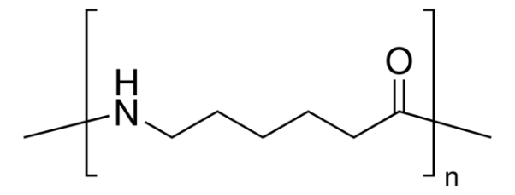 | 63428-83-1 | NA | NA |  | Dimethylacetamide |  | Glass fiber filter media |  | A review on polymer nanofibers by electrospinning and their applications in nanocomposites https://www.sigmaaldrich.com/catalog/product/sial/02395?lang=es&region=MX
22 | Silk/PEO blend | NA / | NA / 25322-68-3 | NA / (-CH2CH2O-)n | NA / NA | Mw(PEO)=900,000 g/mol | Silkaqueous solutions | 4.8–8.8 wt.% | Biomaterial scaffolds |  | A review on polymer nanofibers by electrospinning and their applications in nanocomposites https://www.sigmaaldrich.com/catalog/substance/polyethyleneoxide123452532268311?lang=es&region=MX
23 | poly vinyl phenol, PVP |  | 24979-70-2 | [CH2CH(C6H4OH)]n | average Mw ~25,000 | Mw=20,000, 100,000 | Tetrahydrofuran | 20, 60% (wt./vol.) | Antimicrobial agent |  | A review on polymer nanofibers by electrospinning and their applications in nanocomposites https://www.sigmaaldrich.com/catalog/product/aldrich/436224?lang=es&region=MX
24 | Polyvinylchloride, PVC |  | 9002-86-2 | (CH2CHCl)n |  |  | Tetrahydrofuran/dimethylformamide=100/0, 80/20, 60/40, 50/50, 40/60, 20/80, 0/100 (vol.%) | 10–15 wt.% |  |  | A review on polymer nanofibers by electrospinning and their applications in nanocomposites https://www.sigmaaldrich.com/catalog/substance/polyvinylchloride12345900286211?lang=es&region=MX
25 | Cellulose acetate, CA | < too many Os > | 9004-35-7 | NA | NA |  | Acetone, acetic acid, dimethylacetamide | 12.5–20% | Membrane |  | A review on polymer nanofibers by electrospinning and their applications in nanocomposites https://www.sigmaaldrich.com/catalog/substance/celluloseacetate12345900435711?lang=es&region=MX
26 | Mixture of PAA-PM (polyacrylic acid – poly (pyrene methanol) ) and polyurethane | / NA / | 9003-01-4 / NA / 81367 | NA / NA / NA | average Mv ~450,000 / NA / NA |  | Dimethylformamide | 26 wt.% | Optical sensor |  | A review on polymer nanofibers by electrospinning and their applications in nanocomposites https://www.sigmaaldrich.com/catalog/product/aldrich/181285?lang=es&region=MX&cm_sp=Insite-_-prodRecCold_xviews-_-prodRecCold3-1 https://www.sigmaaldrich.com/catalog/product/sial/81367?lang=es&region=MX http://www.essentialchemicalindustry.org/polymers/polyurethane.html https://polymerdatabase.com/polymer%20classes/Polyurethane%20type.html
27 | Polyvinil alcohol (PVA)/Silica | / NA | 9002-89-5 / 7631-86-9 | [-CH2CHOH-]n / SiO2 | Mw 89,000-98,000, 99+% hydrolyzed / 60.08 | PVA: Mn=86,000, silica content (wt.%): 0, 22, 34, 40, 49, 59 | Distilled water |  |  |  | A review on polymer nanofibers by electrospinning and their applications in nanocomposites https://www.sigmaaldrich.com/catalog/product/aldrich/341584?lang=es&region=MX https://www.sigmaaldrich.com/catalog/substance/silica6008763186911?lang=es&region=MX
28 | Polyacrylamide, PAAm |  | 9003-05-8 | (C3H5NO)n | NA | Mn=5,000,000 |  | 1–10 wt.% |  |  | A review on polymer nanofibers by electrospinning and their applications in nanocomposites https://www.sigmaaldrich.com/catalog/substance/polyacrylamide12345900305811?lang=es&region=MX
29 | PLGA | 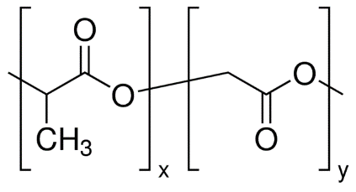 | P2191 | [C3H4O2]x[C2H2O2]y | mol wt 30,000-60,000 | PLGA(PLA/PGA)=(85/15) | Tetrahydrofuran:dimethylformamide (1:1) | 1 g/20 ml | Scaffold for tissue engineering |  | A review on polymer nanofibers by electrospinning and their applications in nanocomposites https://www.sigmaaldrich.com/catalog/product/sigma/p2191?lang=es&region=MX
30 | Collagen | < too many Os > | NA | NA | 2.5±3.1 g mol^(-1)x10^5 |  | Hexafluoro-2-propanol |  | Scaffold for tissue engineering |  | A review on polymer nanofibers by electrospinning and their applications in nanocomposites https://www.sigmaaldrich.com/catalog/product/roche/11179179001?lang=es&region=MX https://www.researchgate.net/profile/Sachin_Navale5/post/How_can_I_convert_solid_polypyrrole_powder_into_liquid_form/attachment/59d64087c49f478072eaa531/AS%3A273788690731026%401442287718284/download/polymer_data_handbook.pdf http://www.softschools.com/formulas/chemistry/collagen_formula/482/
31 | Polycaprolactone, PCL |  | 440752 | (C6H10O2)n | average Mw ~14,000 |  | Chloroform:methanol (3:1) toluene:methanol (1:1), and dichloromethane:methanol (3:1) |  |  |  | A review on polymer nanofibers by electrospinning and their applications in nanocomposites https://www.sigmaaldrich.com/catalog/product/aldrich/440752?lang=es&region=MX
32 | Poly(2-hydroxyethyl methacrylate), HEMA |  | 25249-16-5 | (C6H10O3)n | NA | M=200,000 | Ethanol:formic acid (1:1), ethanol | 12, 20 wt.% / 8, 16, 20 wt.% | (Flat ribbons) |  | A review on polymer nanofibers by electrospinning and their applications in nanocomposites https://www.sigmaaldrich.com/catalog/product/sigma/p3932?lang=es&region=MX
33 | Poly(vinylidene fluoride), PVDF |  | 24937-79-9 | (CH2CF2)n | average Mw ~180,000 | M=107,000 | Dimethylformamide:dimethylacetamide (1/1) | 20 wt.% | (Flat ribbons) |  | A review on polymer nanofibers by electrospinning and their applications in nanocomposites
34 | Polyether imide, PEI |  | 61128-46-9 | (C39H30N2O6)n | NA |  | Hexafluoro-2-propanol | 10 wt.% | (Flat ribbons) |  | A review on polymer nanofibers by electrospinning and their applications in nanocomposites https://www.sigmaaldrich.com/catalog/substance/polyetherimide123456112846911?lang=es&region=MX
35 | Polyethylene glycol, PEG |  | 25322-68-3 | H(OCH2CH2)nOH | average Mn 400 | M=10 K | Chloroform | 0.5–30 wt.% |  |  | A review on polymer nanofibers by electrospinning and their applications in nanocomposites https://www.sigmaaldrich.com/catalog/product/aldrich/202398?lang=es&region=MX
36 | nylon-4,6, PA-4,6 | NA | GF12649473 | < AM341025 > | NA |  | Formic acid | 10 wt.% | Transparent composite |  | A review on polymer nanofibers by electrospinning and their applications in nanocomposites https://www.sigmaaldrich.com/catalog/search?term=AM341025&interface=All&N=0&mode=match%20partialmax&lang=es&region=MX&focus=product
37 | Poly(ferrocenyldimethylsilane), PFDMS | 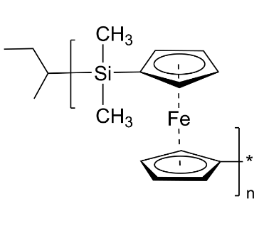 | P4270-FES | NA | Mn x10^3 97 | Mw=87,000 g/mol | Tetrahydrofuran:dimethylformamide (9:1) | 30 wt.% |  |  | A review on polymer nanofibers by electrospinning and their applications in nanocomposites https://www.polymersource.ca/index.php?route=product/category&path=2_2183_14_88_2076&subtract=1&categorystart=A-1.2.8.7&serachproduct=
38 | Nylon6 (PA-6) /montmorillonnite (Mt) | / NA | 32131-17-2 / 1318-93-0 | [-CO(CH2)4CONH(CH2)6NH-]n / (Na,Ca)0.33(Al,Mg)2(Si4O10)(OH)2 · nH2O | 262.35 / NA | Mt content=7.5 wt.% | Hexa-fluoro-isopropanol (HFIP), HFIP/dimethylformamide: 95/5 (wt%) | 10 wt.% |  |  | A review on polymer nanofibers by electrospinning and their applications in nanocomposites https://www.sigmaaldrich.com/catalog/substance/nylon66262353213117211?lang=es&region=MX https://www.sigmaaldrich.com/catalog/product/aldrich/gf69322888?lang=es&region=MX https://www.mindat.org/min-2821.html https://www.sigmaaldrich.com/catalog/product/aldrich/69866?lang=es&region=MX
39 | Poly(vinyl alcohol-co-ethylene) |  | 25067-34-9 | (CH2CH2)x[CH2CH(OH)]y | NA | Vinyl alcohol repeat unit: 56–71 mol% | Isopropanol/water: 70/30 (%v/v) | 2.5–20%w/v | Biomedical |  | A review on polymer nanofibers by electrospinning and their applications in nanocomposites https://www.sigmaaldrich.com/catalog/product/aldrich/414093?lang=es&region=MX
40 | Polyacrylnitrile (PAN) / TiO2 | / NA | 25014-41-9 / 2188-41-9 | (C3H3N)n / TiO2 | average Mw 150,000 (Typical) / NA |  |  |  | Photovoltaic and conductive polymers |  | A review on polymer nanofibers by electrospinning and their applications in nanocomposites https://www.sigmaaldrich.com/catalog/substance/polyacrylonitrile123452501441911?lang=es&region=MX https://www.sigmaaldrich.com/catalog/product/aldrich/791326?lang=es&region=MX
41 | Polycaprolactone (PCL) / metal |  | 440752 | (C6H10O2)n | average Mw ~14,000 | Metals: gold, ZnO, |  |  | ZnO: cosmetic use |  | A review on polymer nanofibers by electrospinning and their applications in nanocomposites https://www.sigmaaldrich.com/catalog/product/aldrich/440752?lang=es&region=MX
42 | Polyvinyl pyrrolidone, PVP |  | 9003-39-8 | (C6H9NO)n | average mol wt 40,000 |  |  |  |  |  | A review on polymer nanofibers by electrospinning and their applications in nanocomposites https://www.sigmaaldrich.com/catalog/product/sial/pvp40?lang=es&region=MX
43 | Poly phenylene isophthalamide |  | 25765-47-3 | (C14H14N2O2)n | NA |  |  |  |  |  | A review on polymer nanofibers by electrospinning and their applications in nanocomposites https://www.sigmaaldrich.com/catalog/product/aldrich/446521?lang=es&region=MX https://www.sigmaaldrich.com/catalog/product/aldrich/431184?lang=es&region=MX&cm_sp=Insite-_-prodRecCold_xviews-_-prodRecCold3-1
44 | Poly(glycolide) (PGA) | 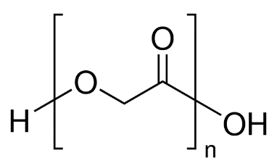 | 26124-68-5 | (C2H4O3)n | NA |  |  |  | Nonwoven TE (Tissue engineering) scaffolds | SEM (Scanning electron microscopy), TEM (Transmission electron microscopy) , in vitro rat cardiac fibroblast culture, in vivo rat model | Electrospinning: A fascinating fiber fabrication technique https://www.sigmaaldrich.com/catalog/product/aldrich/457620?lang=es&region=MX
45 | Poly(lactide-co-glycolide)(PLGA) | < too many Os > | 764868 | C6H7O6((((C3H4O2)x(C2H2O2)y)m)H)5 | average Mn 15,000 |  |  |  | Biomedical applications, wound healing | SEM, WAXD (Wide angle X-ray diffraction), SAXS (Small angle X-ray scattering), degradation analysis | Electrospinning: A fascinating fiber fabrication technique https://www.sigmaaldrich.com/catalog/product/aldrich/764868?lang=es&region=MX
46 | Poly(ε-caprolactone) (PCL) | DUPLICATE | DUPLICATE | DUPLICATE | DUPLICATE |  |  |  | Bone tissue engineering | SEM, in vitro rat mesenchymal stem cell culture | Electrospinning: A fascinating fiber fabrication technique
47 | Poly(l-lactide) (PLLA) |  | 94829 | CH3(CH2)15O(C6H8O4)nH | average Mn 40,000 |  |  |  | 3D cell substrate | SEM, in vitro human chondrocyte culture | Electrospinning: A fascinating fiber fabrication technique
48 | Polyurethane (PU) | DUPLICATE | DUPLICATE | DUPLICATE | DUPLICATE |  |  |  | Nonwoven tissue template wound healing | SEM, in vivo guinea pig model | Electrospinning: A fascinating fiber fabrication technique
49 | Poly(ethylene-co-vinyl alcohol) (PEVA) | DUPLICATE? | DUPLICATE? | DUPLICATE? | DUPLICATE? |  |  |  | Nonwoven tissue engineering scaffold | SEM, in vitro human aortic smooth muscle cell and dermal fibroblast cultures | Electrospinning: A fascinating fiber fabrication technique | Poly(vinyl alcohol-co-ethylene) SAME?
50 | Polystyrene (PS) | DUPLICATE | DUPLICATE | DUPLICATE | DUPLICATE |  |  |  | Skin tissue engineering | SEM, in vitro human fibroblast, keratinocyte, and endothelial single or cocultures | Electrospinning: A fascinating fiber fabrication technique
51 | Syndiotactic 1,2-polybutadiene | 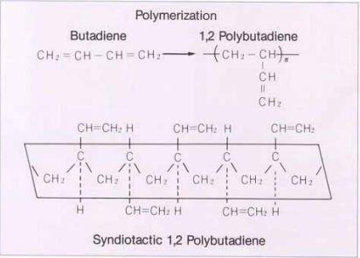 | NA | NA | NA |  |  |  | Tissue engineering applications | ESEM (Environmental scanning electron microscopy), XRD (X-ray diffractometry), FTIR (Fourier transform infra red) | Electrospinning: A fascinating fiber fabrication technique http://www.jsr.co.jp/jsr_e/pd/tpe_rb.shtml http://www.jsr.co.jp/jsr_e/pdf/pd/tpe/jsr-rb02.pdf Syndiotactic 1,2-polybutadiene fibers produced by electrospinning (https://www.infona.pl/resource/bwmeta1.element.elsevier-fe0e459f-dd19-3cfe-8279-71054301b885) https://www.sciencedirect.com/science/article/pii/S0167577X06008196
51.1 | Poly(styrene-co-butadiene) | 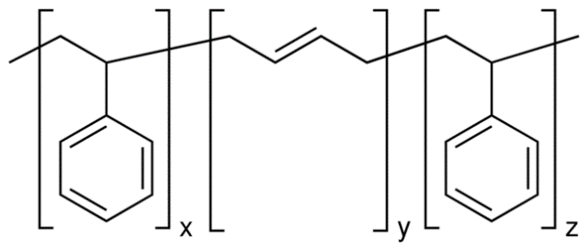 | 9003-55-8 | [CH2CH(C6H5)]x(CH2CH=CHCH2)y | average Mw ~140,000 |  |  |  |  |  | https://www.sigmaaldrich.com/catalog/substance/polystyrenecobutadiene12345900355811?lang=es&region=MX https://www.sigmaaldrich.com/catalog/product/aldrich/182877?lang=es&region=MX | styrene 30 wt. %, average Mw ~140,000 by GPC, contains <0.5 wt. % antioxidant
51.2 | Poly(styrene-co-α-methylstyrene) | 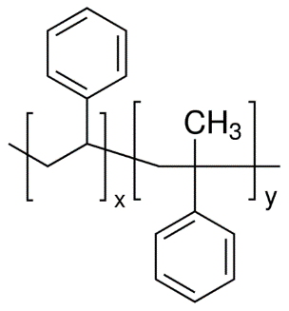 | 9011-11-4 | [CH2CH(C6H5)]x[CH2C(CH3)(C6H5)]y | NA |  |  |  |  |  | https://www.sigmaaldrich.com/catalog/product/aldrich/457205?lang=es&region=MX
51.3 | Polybutadiene |  | 9003-17-2 | (CH2CH=CHCH2)n | NA |  |  |  |  |  | https://www.sigmaaldrich.com/catalog/substance/polybutadiene12345900317211?lang=es&region=MX
51.4 | Polybutadiene, phenyl terminated | 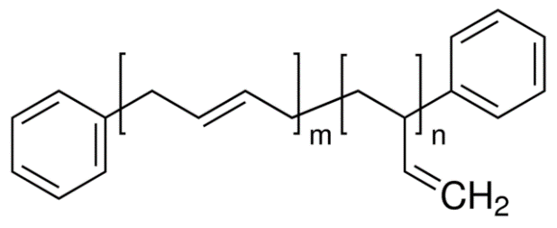 | 605258 | NA | average Mn ~1,800 |  |  |  |  |  | https://www.sigmaaldrich.com/catalog/product/aldrich/200433?lang=es&region=MX
52 | Fibrinogen | ? | ? | ? | ? |  |  |  | Wound healing | SEM,TEM,mechanical Evaluation | Electrospinning: A fascinating fiber fabrication technique
53 | Poly (vinyl alcohal) / cellulose acetate (PVA/CA) | ? | ? | ? | ? |  |  |  | Biomaterials | SEM, FTIR, WAXD, mechanical evaluation | Electrospinning: A fascinating fiber fabrication technique
54 | Cellulose acetate | DUPLICATE | DUPLICATE | DUPLICATE | DUPLICATE |  |  |  | Adsorptive membranes/felts | SEM, FTIR | Electrospinning: A fascinating fiber fabrication technique
55 | Poly(vinyl alcohol) |  | 9002-89-5 | [-CH2CHOH-]n | NA |  |  |  | Wound dressings | SEM, EDX (Energy dispersive X-ray) | Electrospinning: A fascinating fiber fabrication technique https://www.sigmaaldrich.com/catalog/substance/polyvinylalcohol12345900289511?lang=es&region=MX
56 | Silk fibroin, silk/PEO (Poly (ethylene oxide)) | ? | ? | ? | ? |  |  |  | Nanofibrous TE scaffold | SEM, FTIR, XPS (X-ray photoelectron spectroscopy) | Electrospinning: A fascinating fiber fabrication technique
57 | Silk | ? | ? | ? | ? |  |  |  | Biomedical Applications | SEM, TEM, WAXD | Electrospinning: A fascinating fiber fabrication technique
58 | Silk fibroin | ? | ? | ? | ? |  |  |  | Nanofibrous scaffolds for wound healing | SEM, ATR-IR (Attenuated total reflectance infra red spectroscopy), C CP/MAS NMR, WAXD, NMR (Nuclear magnetic resonance), in vitro human keratinocyte culture | Electrospinning: A fascinating fiber fabrication technique
59 | Silk/chitosan | < too many Os > | 9012-76-4 | NA | NA |  |  |  | Wound dressings | SEM, viscosity analysis, conductivity measurement | Electrospinning: A fascinating fiber fabrication technique https://www.sigmaaldrich.com/catalog/substance/chitosan12345901276411?lang=es&region=MX
60 | Chitosan/PEO | < too many Os > | 9012-76-4 | NA | NA |  |  |  | TE scaffold, drug delivery, wound healing | SEM, XPS, FTIR, DSC (Differential scanning calorimeter) | Electrospinning: A fascinating fiber fabrication technique https://www.sigmaaldrich.com/catalog/substance/chitosan12345901276411?lang=es&region=MX
61 | Gelatin | < too many Os > | 900496 | (C40H59N11O13)n | NA |  |  |  | Scaffold for wound healing | SEM, mechanical evaluation | Electrospinning: A fascinating fiber fabrication technique https://www.sigmaaldrich.com/catalog/substance/gelatinmethacryloyl1234598765?lang=es&region=MX
62 | Hyaluronic acid, (HA) | < too many Os > | 9067-32-7 | NA | NA |  |  |  | Medical implant | SEM | Electrospinning: A fascinating fiber fabrication technique https://www.sigmaaldrich.com/catalog/substance/hyaluronicacidsodiumsaltfromstreptococcusequi12345906732711?lang=es&region=MX
63 | Cellulose | DUPLICATE | DUPLICATE | DUPLICATE | DUPLICATE |  |  |  | Affinity membrane | SEM, DSC, ATR-FTIR (Attenuated total reflectance fourier transform infra red spectroscopy) | Electrospinning: A fascinating fiber fabrication technique
64 | Gelatin/polyaniline | DUPLICATE | DUPLICATE | DUPLICATE | DUPLICATE |  |  |  | Tissue engineering scaffolds | SEM, DSC, conductivity measurement, tensile testing | Electrospinning: A fascinating fiber fabrication technique
65 | Collagen/chitosan | DUPLICATE | DUPLICATE | DUPLICATE | DUPLICATE |  |  |  | Biomaterials | SEM, FTIR | Electrospinning: A fascinating fiber fabrication technique

