solutionPrepNCarac
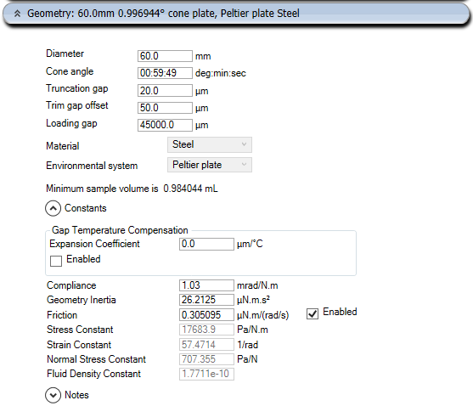
 |  | e.g. 2000 | (prepare 2 ml of solution; times 1000 to get cuantities in mg)
 |  | 2500 |  |  |  |  |  |  |  |  | 2 |  | https://youtu.be/Tty4MsoV7sc
Planned |  | PEO/TBT wt% in SU8 | m SU8 [mg] | v SU8 [ul] | m PEO [mg] | m TBT [mg] |  | [uL] | available | used | to be used | balance
 |  | 0.000 | 2807.500 | 2500.000 | 0.000 | 11.280 |  | DCM | 100000 | 3800 | 15000 | 96200
 |  | 0.001 | 2807.500 | 2500.000 | 0.028 | 12.280 |  | DMAc | 1000000
 |  | 0.010 | 2807.500 | 2500.000 | 0.281 | 11.280 |  | MEK | 500000
 |  | 0.100 | 2807.500 | 2500.000 | 2.810 | 11.300 |  | CHL | 1000000
 |  | 0.250 | 2807.500 | 2500.000 | 7.036 | 11.320 |  | NMP | 100000 | 3800 | 15000 | 96200
 |  | 0.500 | 2807.500 | 2500.000 | 14.108 | 11.340 |  | DMF | 100000 | 3800 | 18000 | 96200
 |  | 0.750 | 2807.500 | 2500.000 | 21.215 | 11.370 |  | SU8 | ? | 9200 | 26250 | #VALUE!
 |  | 1.000 | 2807.500 | 2500.000 | 28.359 | 11.400 |  | THF | 100000 | 14300 | 21000 | ?
 |  |  |  |  |  |  |  |  |  | 30000 | 36750 | -30000
 |  | g/ml | 1.1230 |  | 1.2100 | 0.4000
 |  |  | 2807.5 | g |  |  |  | [mg] | available | used | to be used | balance
 |  |  |  |  |  |  |  | PVK | 5000 | 435 | 3382 | 4565
Sample Set 02 | 0 | 0.250 | 1684.500 | 1500.000 | 4.222 | 11.32 |  | PANI | 5000
 |  | #DIV/0! | 0.000 |  |  |  |  | PSMS | 250000 | 770 | 1080 | 249230
 |  | #DIV/0! | 0.000 |  |  |  |  | PSB | 1000000 | 4100 | 3700 | 995900
 |  | #DIV/0! | 0.000 |  |  |  |  | PS | 1000000 | 4700 | 2610 | 995300
 |  | #DIV/0! | 0.000 |  |  |  |  | PEO | ? | 170 |  | ?
 |  | #DIV/0! | 0.000 |  |  |  |  | TBT | ? | 170 |  | ?
 |  | #DIV/0! | 0.000

Planned |  | PS wt% in THF | m THF [mg] | v THF [ul] | m PS [mg]
 |  | 0.10 | 2220.000 | 2500.000 | 2.222
 |  | 0.34 | 2220.000 | 2500.000 | 7.574
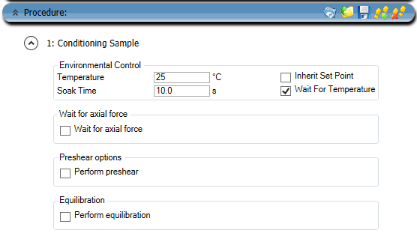
 |  | 1.22 | 2220.000 | 2500.000 | 27.419
 |  | 4.28 | 2220.000 | 2500.000 | 99.265
 |  | 15.00 | 2220.000 | 2500.000 | 391.765
 |  | 21.21 | 2220.000 | 2500.000 | 597.616
 |  | 30.00 | 2220.000 | 2500.000 | 951.429

 |  | g/ml | 0.8880 |  | 1.0600
 |  |  | 2220 | g

Sample Set 02 | 1 | 15.000 | 1332.000 | 1500 | 235.059
 | 2 | 21.210 | 1332.000 | 1500 | 358.57
 |  | #DIV/0! | 0.000
 |  | #DIV/0! | 0.000
 |  | #DIV/0! | 0.000
 |  | #DIV/0! | 0.000
 |  | #DIV/0! | 0.000

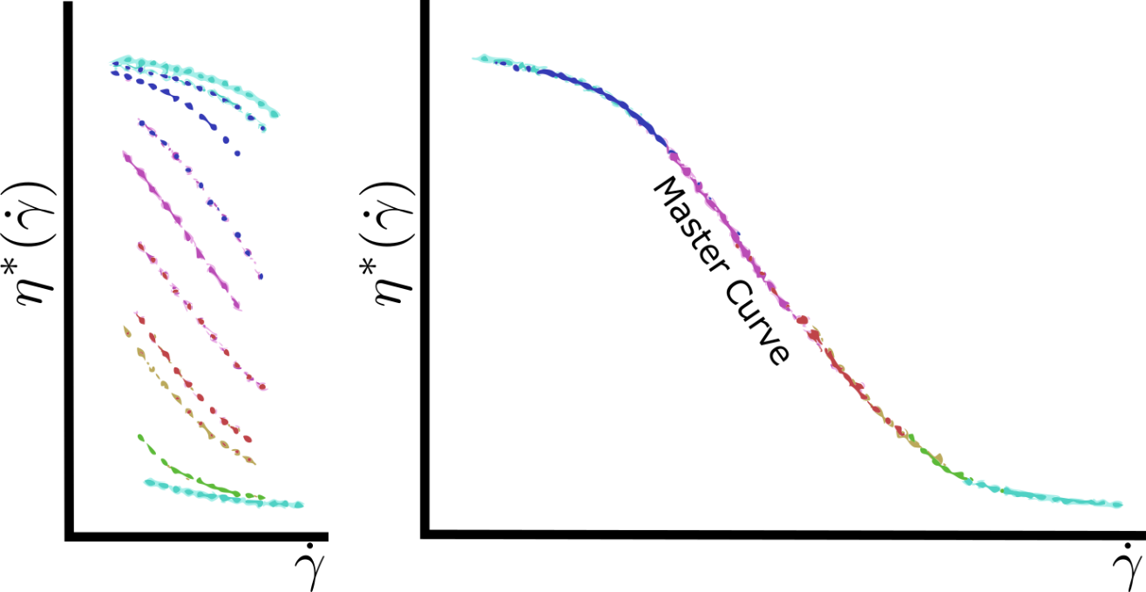
Planned |  | PSB wt% in 75THF/25DMF | m THF [mg] | v THF [ul] | m DMF [mg] | v DMF [ul] | m PSB [mg]
 |  | 0.10 | 1665.000 | 1875.000 | 593.750 | 625.000 | 2.261
 |  | 0.34 | 1665.000 | 1875.000 | 593.750 | 625.000 | 7.706
 |  | 1.22 | 1665.000 | 1875.000 | 593.750 | 625.000 | 27.990
 |  | 4.28 | 1665.000 | 1875.000 | 593.750 | 625.000 | 100.997
 |  | 15.00 | 1665.000 | 1875.000 | 593.750 | 625.000 | 398.603
 |  | 19.36 | 1665.000 | 1875.000 | 593.750 | 625.000 | 542.279
 |  | 25.00 | 1665.000 | 1875.000 | 593.750 | 625.000 | 752.917

 |  | g/ml | 0.8880 |  | 0.9500 |  | 1.0400
 |  |  | 2258.75 | g

Sample Set 02 | 4 | 15.000 | 999.000 | 1125.000 | 356.250 | 375.000 | 239.162
 | 5 | 19.360 | 999.000 | 1125.000 | 356.250 | 375.000 | 325.368
 |  | #DIV/0! | 0.000 |  | 0.000
 |  | #DIV/0! | 0.000 |  | 0.000
 |  | #DIV/0! | 0.000 |  | 0.000
 |  | #DIV/0! | 0.000 |  | 0.000
 |  | #DIV/0! | 0.000 |  | 0.000

Planned |  | PSB wt% in NMP | m NMP [mg] | v NMP [ul] | m PSB [mg]
 |  | 0.10 | 2567.500 | 2500.000 | 2.570
 |  | 0.43 | 2567.500 | 2500.000 | 11.088
 |  | 1.85 | 2567.500 | 2500.000 | 48.394
 |  | 8.00 | 2567.500 | 2500.000 | 223.261
 |  | 10.95 | 2567.500 | 2500.000 | 315.712
 |  | 15.00 | 2567.500 | 2500.000 | 453.088

 |  | g/ml | 1.027 |  | 1.0400
 |  |  | 2567.5 | g

Sample Set 02 | 6 | 8.000 | 1540.500 | 1500.000 | 133.957
 | 7 | 10.950 | 1540.500 | 1500.000 | 189.427
 |  | #DIV/0! | 0.000
 |  | #DIV/0! | 0.000
 |  | #DIV/0! | 0.000
 |  | #DIV/0! | 0.000

Planned |  | PVK wt% in CHL | m CHL [mg] | v CHL [ul] | m PVK [mg]
 |  | 0.10 | 3708.000 | 2500.000 | 3.712 |  | 0.100
 |  | 0.35 | 3708.000 | 2500.000 | 13.024 |  | 0.340
 |  | 1.22 | 3708.000 | 2500.000 | 45.796 |  | 1.220
 |  | 4.28 | 3708.000 | 2500.000 | 165.799 |  | 4.280
 |  | 15.00 | 3708.000 | 2500.000 | 654.353 |  | 15.000

 |  | g/ml | 1.4832 |  | 1.2000
 |  |  | 3708 | g

Sample Set 02 |  | #DIV/0! | 0
 |  | #DIV/0! | 0
 |  | #DIV/0! | 0
 |  | #DIV/0! | 0
 |  | #DIV/0! | 0

Planned |  | PVK wt% in DCM | m DCM [mg] | v DCM [ul] | m PVK [mg]
 |  | 0.10 | 3313.750 | 2500.000 | 3.317
 |  | 0.35 | 3313.750 | 2500.000 | 11.639
 |  | 1.22 | 3313.750 | 2500.000 | 40.927
 |  | 4.28 | 3313.750 | 2500.000 | 148.170
 |  | 15.00 | 3313.750 | 2500.000 | 584.779

 |  | g/ml | 1.3255 |  | 1.2000
 |  |  | 3313.75 | g

Sample Set 02 |  | #DIV/0! | 0
 |  | #DIV/0! | 0
 |  | #DIV/0! | 0
 |  | #DIV/0! | 0
 |  | #DIV/0! | 0

Planned |  | PSMS wt% in DMF | m DMF [mg] | v DMF [ul] | m PSMS [mg]
 |  | 0.10 | 2375.000 | 2500.000 | 2.377
 |  | 0.60 | 2375.000 | 2500.000 | 14.336
 |  | 1.00 | 2375.000 | 2500.000 | 23.990
 |  | 2.00 | 2375.000 | 2500.000 | 48.469
 |  | 5.00 | 2375.000 | 2500.000 | 125.000
 |  | 10.00 | 2375.000 | 2500.000 | 263.889
 |  | 15.00 | 2375.000 | 2500.000 | 419.118

 |  | g/ml | 0.9500 |  | 1.0700
 |  |  | 2375 | g

Sample Set 02 | 3 | 5.000 | 1425 | 1500 | 75
 |  | #DIV/0! | 0
 |  | #DIV/0! | 0
 |  | #DIV/0! | 0
 |  | #DIV/0! | 0
 |  | #DIV/0! | 0
 |  | #DIV/0! | 0

