solutionPrepNCarac
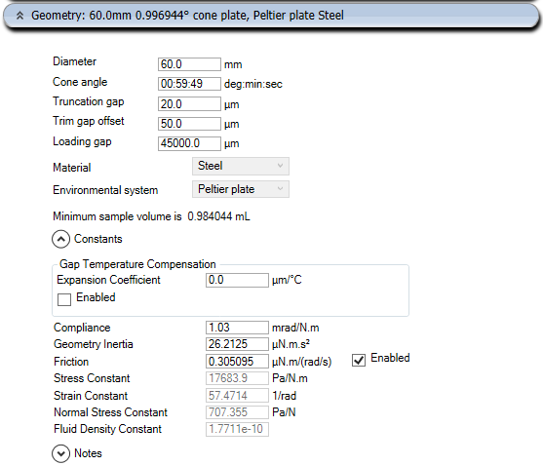
 |  | e.g. 2000 | (prepare 2 ml of solution; times 1000 to get cuantities in mg)
 |  | 1500 |  |  |  |  |  |  |  |  |  | 2 |  | https://youtu.be/Tty4MsoV7sc
Planned |  | PEO/TBT wt% in SU8 | m SU8 [mg] | v SU8 [ul] | m PEO [mg] | m TBT [mg] |  |  | [uL] | available | used | to be used | balance
 |  | 0.000 | 1684.500 | 1500.000 | 0.000 | 11.280 |  |  | DCM | 100000 | 3800 | 15000 | 96200
 |  | 0.001 | 1684.500 | 1500.000 | 0.017 | 12.280 |  |  | DMAc | 1000000
 |  | 0.010 | 1684.500 | 1500.000 | 0.168 | 11.280 |  |  | MEK | 500000
 |  | 0.100 | 1684.500 | 1500.000 | 1.686 | 11.300 |  |  | CHL | 1000000
 |  | 0.250 | 1684.500 | 1500.000 | 4.222 | 11.320 |  |  | NMP | 100000 | 3800 | 15000 | 96200
 |  | 0.500 | 1684.500 | 1500.000 | 8.465 | 11.340 |  |  | DMF | 100000 | 3800 | 18000 | 96200
 |  | 0.750 | 1684.500 | 1500.000 | 12.729 | 11.370 |  |  | SU8 | ? | 9200 | 26250 | #VALUE!
 |  | 1.000 | 1684.500 | 1500.000 | 17.015 | 11.400 |  |  | THF | 100000 | 14300 | 21000 | ?
 |  |  |  |  |  |  |  |  |  |  | 30000 | 36750 | -30000
 |  | g/ml | 1.1230 |  | 1.2100 | 0.4000
 |  |  | 1684.5 | g |  |  |  |  | [mg] | available | used | to be used | balance
 |  |  |  |  |  |  |  |  | PVK | 5000 | 435 | 3382 | 4565
Sample Set 02 | 0 | 0.250 | 1684.500 | 1500.000 | 4.222 | 11.32 |  |  | PANI | 5000
 |  | #DIV/0! | 0.000 |  |  |  |  |  | PSMS | 250000 | 770 | 1080 | 249230
 |  | #DIV/0! | 0.000 |  |  |  |  |  | PSB | 1000000 | 4100 | 3700 | 995900
 |  | #DIV/0! | 0.000 |  |  |  |  |  | PS | 1000000 | 4700 | 2610 | 995300
 |  | #DIV/0! | 0.000 |  |  |  |  |  | PEO | ? | 170 |  | ?
 |  | #DIV/0! | 0.000 |  |  |  |  |  | TBT | ? | 170 |  | ?
 |  | #DIV/0! | 0.000

Planned |  | PS wt% in THF | m THF [mg] | v THF [ul] | m PS [mg] | m PEO [mg]
 |  | 0.10 | 1332.000 | 1500.000 | 1.333 | 6.6934673367
 |  | 0.34 | 1332.000 | 1500.000 | 4.544
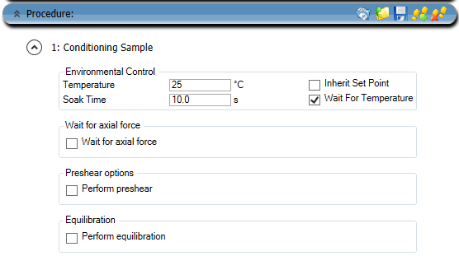
 |  | 1.22 | 1332.000 | 1500.000 | 16.451
 |  | 4.28 | 1332.000 | 1500.000 | 59.559
 |  | 15.00 | 1332.000 | 1500.000 | 235.059
 |  | 21.21 | 1332.000 | 1500.000 | 358.570
 |  | 30.00 | 1332.000 | 1500.000 | 570.857

 |  | g/ml | 0.8880 |  | 1.0600
 |  |  | 1332 | g

Sample Set 02 | 1 | 15.000 | 1332.000 | 1500 | 235.059
 | 2 | 21.210 | 1332.000 | 1500 | 358.57
 |  | #DIV/0! | 0.000
 |  | #DIV/0! | 0.000
 |  | #DIV/0! | 0.000
 |  | #DIV/0! | 0.000
 |  | #DIV/0! | 0.000

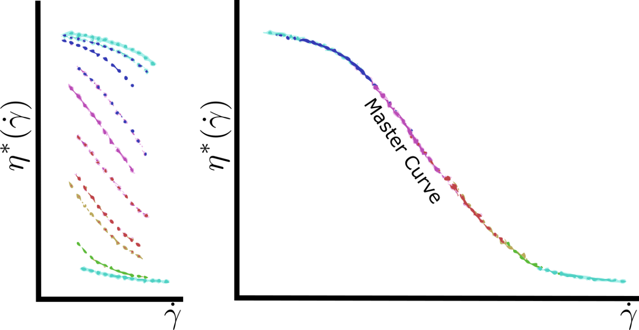
Planned |  | PSB wt% in 75THF/25DMF | m THF [mg] | v THF [ul] | m DMF [mg] | v DMF [ul] | m PSB [mg] | m PEO [mg]
 |  | 0.10 | 999.000 | 1125.000 | 356.250 | 375.000 | 1.357 | 6.8103015075
 |  | 0.34 | 999.000 | 1125.000 | 356.250 | 375.000 | 4.624
 |  | 1.22 | 999.000 | 1125.000 | 356.250 | 375.000 | 16.794
 |  | 4.28 | 999.000 | 1125.000 | 356.250 | 375.000 | 60.598
 |  | 15.00 | 999.000 | 1125.000 | 356.250 | 375.000 | 239.162
 |  | 19.36 | 999.000 | 1125.000 | 356.250 | 375.000 | 325.368
 |  | 25.00 | 999.000 | 1125.000 | 356.250 | 375.000 | 451.750

 |  | g/ml | 0.8880 |  | 0.9500 |  | 1.0400
 |  |  | 1355.25 | g

Sample Set 02 | 4 | 15.000 | 999.000 | 1125.000 | 356.250 | 375.000 | 239.162
 | 5 | 19.360 | 999.000 | 1125.000 | 356.250 | 375.000 | 325.368
 |  | #DIV/0! | 0.000 |  | 0.000
 |  | #DIV/0! | 0.000 |  | 0.000
 |  | #DIV/0! | 0.000 |  | 0.000
 |  | #DIV/0! | 0.000 |  | 0.000
 |  | #DIV/0! | 0.000 |  | 0.000

Planned |  | PSB wt% in NMP | m NMP [mg] | v NMP [ul] | m PSB [mg] | m PEO [mg]
 |  | 0.10 | 1540.500 | 1500.000 | 1.542 | 7.7412060302
 |  | 0.43 | 1540.500 | 1500.000 | 6.653
 |  | 1.85 | 1540.500 | 1500.000 | 29.036
 |  | 8.00 | 1540.500 | 1500.000 | 133.957
 |  | 10.95 | 1540.500 | 1500.000 | 189.427
 |  | 15.00 | 1540.500 | 1500.000 | 271.853

 |  | g/ml | 1.027 |  | 1.0400
 |  |  | 1540.5 | g

Sample Set 02 | 6 | 8.000 | 1540.500 | 1500.000 | 133.957
 | 7 | 10.950 | 1540.500 | 1500.000 | 189.427
 |  | #DIV/0! | 0.000
 |  | #DIV/0! | 0.000
 |  | #DIV/0! | 0.000
 |  | #DIV/0! | 0.000

Planned |  | PVK wt% in CHL | m CHL [mg] | v CHL [ul] | m PVK [mg] | m PEO [mg]
 |  | 0.10 | 2224.800 | 1500.000 | 2.227 | 11.179899497
 |  | 0.35 | 2224.800 | 1500.000 | 7.814
 |  | 1.22 | 2224.800 | 1500.000 | 27.478
 |  | 4.28 | 2224.800 | 1500.000 | 99.479
 |  | 8.00 | 2224.800 | 1500.000 | 193.461
 |  | 15.00 | 2224.800 | 1500.000 | 392.612

 |  | g/ml | 1.4832 |  | 1.2000
 |  |  | 2224.8 | g

Sample Set 02 |  | #DIV/0! | 0
 |  | #DIV/0! | 0
 |  | #DIV/0! | 0
 |  | #DIV/0! | 0
 |  | #DIV/0! | 0

Planned |  | PVK wt% in DCM | m DCM [mg] | v DCM [ul] | m PVK [mg] | m PEO [mg]
 |  | 0.10 | 1988.250 | 1500.000 | 1.990 | 9.9912060302
 |  | 0.35 | 1988.250 | 1500.000 | 6.983
 |  | 1.22 | 1988.250 | 1500.000 | 24.556
 |  | 4.28 | 1988.250 | 1500.000 | 88.902
 |  | 8.00 | 1988.250 | 1500.000 | 172.891
 |  | 15.00 | 1988.250 | 1500.000 | 350.868

 |  | g/ml | 1.3255 |  | 1.2000
 |  |  | 1988.25 | g

Sample Set 02 |  | #DIV/0! | 0
 |  | #DIV/0! | 0
 |  | #DIV/0! | 0
 |  | #DIV/0! | 0
 |  | #DIV/0! | 0

Planned |  | PSMS wt% in DMF | m DMF [mg] | v DMF [ul] | m PSMS [mg] | m PEO [mg]
 |  | 0.10 | 1425.000 | 1500.000 | 1.426 | 7.1608040201
 |  | 0.60 | 1425.000 | 1500.000 | 8.602
 |  | 1.00 | 1425.000 | 1500.000 | 14.394
 |  | 2.00 | 1425.000 | 1500.000 | 29.082
 |  | 5.00 | 1425.000 | 1500.000 | 75.000
 |  | 10.00 | 1425.000 | 1500.000 | 158.333
 |  | 15.00 | 1425.000 | 1500.000 | 251.471

 |  | g/ml | 0.9500 |  | 1.0700
 |  |  | 1425 | g

Sample Set 02 | 3 | 5.000 | 1425 | 1500 | 75
 |  | #DIV/0! | 0
 |  | #DIV/0! | 0
 |  | #DIV/0! | 0
 |  | #DIV/0! | 0
 |  | #DIV/0! | 0
 |  | #DIV/0! | 0

Planned |  | PVK wt% in SU8 | m SU8 [mg] | v SU8 [ul] | m PVK [mg] | m PEO [mg]
 |  | 0.05 | 1684.500 | 1500.000 | 0.843 | 4.2218045113
 |  | 0.10 | 1684.500 | 1500.000 | 1.686
 |  | 0.25 | 1684.500 | 1500.000 | 4.222
 |  | 0.50 | 1684.500 | 1500.000 | 8.465
 |  | 0.75 | 1684.500 | 1500.000 | 12.729
 |  | 1.00 | 1684.500 | 1500.000 | 17.015

 |  | g/ml | 1.1230 |  | 1.2000
 |  |  | 1684.5 | g

