Order
Safety | Solvents | CAS Number | Presentation | Price (MXP) | Supplier | Summary
 | 1-Methyl-2-pyrrolidinone (NMP) | 872-50-4 | anhydrous, 99.5% 328634-100ML 328634-1L | 1,643.00 3,293.00 | https://www.sigmaaldrich.com/catalog/substance/1methyl2pyrrolidinone991387250411?lang=es&region=MX | https://pubchem.ncbi.nlm.nih.gov/compound/13387
 | Carbon disulfide (CS2) | 75-15-0 | anhydrous, ≥99% 335266-100ML 335266-1L | 1,409.00 5,819.00 | https://www.sigmaaldrich.com/catalog/substance/carbondisulfide76147515011?lang=es&region=MX | https://pubchem.ncbi.nlm.nih.gov/compound/6348
 | Chloroform (CHCl3) | 67-66-3 | 100-200 ppm amylenes as stabilizer, ≥99.5% C2432-25ML C2432-500ML C2432-1L | 780.00 1,357.00 1,637.00 | https://www.sigmaaldrich.com/catalog/substance/chloroform119386766311?lang=es&region=MX | https://pubchem.ncbi.nlm.nih.gov/compound/6212
 | Cyclopentane (C5H10) | 287-92-3 | reagent grade, 98% 459747-100ML 459747-500ML 459747-2L | 1,125.00 3,714.00 7,190.00 | https://www.sigmaaldrich.com/catalog/substance/cyclopentane701328792311?lang=es&region=MX | https://pubchem.ncbi.nlm.nih.gov/compound/9253
 | Dichloromethane (Methylene chloride) | 75-09-2 | anhydrous, ≥99.8%, 40-150 ppm amylene as stabilizer 270997-100ML 270997-1L | 954.00 1,340.00 | https://www.sigmaaldrich.com/catalog/substance/dichloromethane84937509211?lang=es&region=MX | https://pubchem.ncbi.nlm.nih.gov/compound/6344
 | Dimethylacetamide (DMAc) | 127-19-5 | anhydrous, 99.8% 271012-100ML 271012-1L | 1,200.00 2,628.00 | https://www.sigmaaldrich.com/catalog/substance/nndimethylacetamide871212719511?lang=es&region=MX | https://pubchem.ncbi.nlm.nih.gov/compound/31374
250 ml | Dimethylformamide (DMF) | 68-12-2 | anhydrous, 99.8% 227056-100ML 227056-1L | 1,218.00 2,144.00 | https://www.sigmaaldrich.com/catalog/substance/nndimethylformamide73096812211?lang=es&region=MX | https://pubchem.ncbi.nlm.nih.gov/compound/6228
 | Hexyl acetate (Capryl acetate) | 142-92-7 | 99% 108154-1L | 2,386.00 | https://www.sigmaaldrich.com/catalog/substance/hexylacetate1442114292711?lang=es&region=MX | https://pubchem.ncbi.nlm.nih.gov/compound/8908
 | n-Butyl acetate | 123-86-4 | analytical standard 442666-U (1000MG, NEAT) | 474.00 | https://www.sigmaaldrich.com/catalog/substance/nbutylacetate1161612386411?lang=es&region=MX | https://pubchem.ncbi.nlm.nih.gov/compound/31272
 | Pentyl acetate (Amyl acetate) | 628-63-7 | 99% 109584-1L | 3,237.00 | https://www.sigmaaldrich.com/catalog/substance/pentylacetate1301862863711?lang=es&region=MX | https://pubchem.ncbi.nlm.nih.gov/compound/12348
1 L | Tetrahydrofuran (THF) | 109-99-9 | anhydrous, ≥99.9%, inhibitor-free 401757-1L | 2,388.00 | https://www.sigmaaldrich.com/catalog/substance/tetrahydrofuran721110999911?lang=es&region=MX | https://pubchem.ncbi.nlm.nih.gov/compound/8028
 | Dihydrolevoglucosenone (Cyrene) | 53716-82-8 | 807796-100ML 807796-1L | 2,074.00 4,569.00 | https://www.sigmaaldrich.com/catalog/product/sial/807796?lang=es&region=MX | https://pubchem.ncbi.nlm.nih.gov/compound/10975499
 | Dimethyl sulfoxide (DMSO) | 67-68-5 | anhydrous, ≥99.9% 276855-100ML | 1,446.00 | https://www.sigmaaldrich.com/catalog/substance/dimethylsulfoxide78136768511?lang=es&region=MX | https://pubchem.ncbi.nlm.nih.gov/compound/679
 | Polymers
 | Polystyrene (PS) | 9003-53-6 | average Mw 192,000 430102-1KG | 1,203.00 | https://www.sigmaaldrich.com/catalog/substance/polystyrene12345900353611?lang=es&region=MX | https://pubchem.ncbi.nlm.nih.gov/compound/7501
 | Poly(styrene-co-butadiene) | 9003-55-8 | butadiene 4 wt. %, melt index 6 g/10 min (200°C/5kg) 430072-1KG | 1,356.00 | https://www.sigmaaldrich.com/catalog/substance/polystyrenecobutadiene12345900355811?lang=es&region=MX | https://pubchem.ncbi.nlm.nih.gov/compound/62697
 | Poly(styrene-co-α-methylstyrene) | 9011-11-4 | 457205-250G | 1,152.00 | https://www.sigmaaldrich.com/catalog/product/aldrich/457205?lang=es&region=MX | https://pubchem.ncbi.nlm.nih.gov/compound/165735
 | Polybenzimidazole (PBI) | 26985-65-9 | rod, diam. 9.5 mm, L 25 mm, black GF31259527-1EA | 6,664.00 | https://www.sigmaaldrich.com/catalog/product/aldrich/gf31259527?lang=es&region=MX | https://pubchem.ncbi.nlm.nih.gov/substance/135318603
 | Polyaniline (PANI / emeraldine salt) | 25233-30-1 | average Mw >15,000, powder (Infusible), 3-100 μm particle size 428329-5G | 1,586.00 | https://www.sigmaaldrich.com/catalog/substance/polyanilineemeraldinesalt1234598765?lang=es&region=MX | https://pubchem.ncbi.nlm.nih.gov/substance/315665505
 | Polyvinylcarbazole (PVK) | 25067-59-8 | average Mw ~1,100,000, powder, 182605-5G | 1,727.00 | https://www.sigmaaldrich.com/catalog/substance/poly9vinylcarbazole123452506759811?lang=es&region=MX | https://pubchem.ncbi.nlm.nih.gov/#query=Polyvinylcarbazole
 | Lab Materials
 | Latex gloves
 | dark glass vials
 | small/tiny magnetic stirrers
 | Syringes
 | Deposition Tips
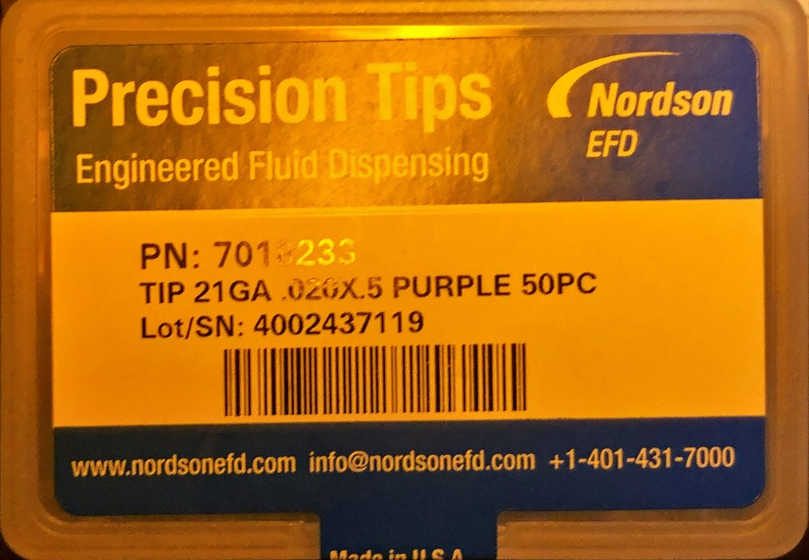

 | Miscellaneous
 | SU-8 3025 | para Braulio

