Theoretical Frameworks
Theoretical Frameworks

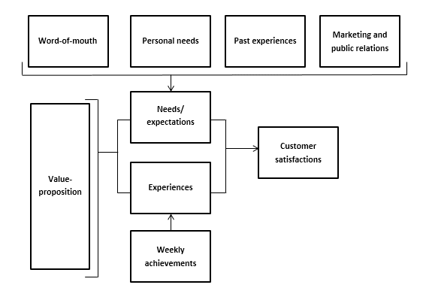
This is an empty tab for you to paste in copies of theoretical frameworks from the existing literature to inform your own potential framework design.
Below are some examples.
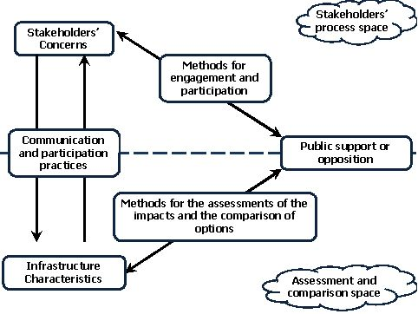

Source: http://www.inspire-grid.eu/index.php/about-inspire-grid/theo-frame/
 | Source: https://www.scribbr.com/dissertation/theoretical-framework-example/

Measures & Scales
Measures & Scales

This is an empty tab for you to paste in copies of measures and scales from the existing literature to inform your methodology.
Some examples are included below.
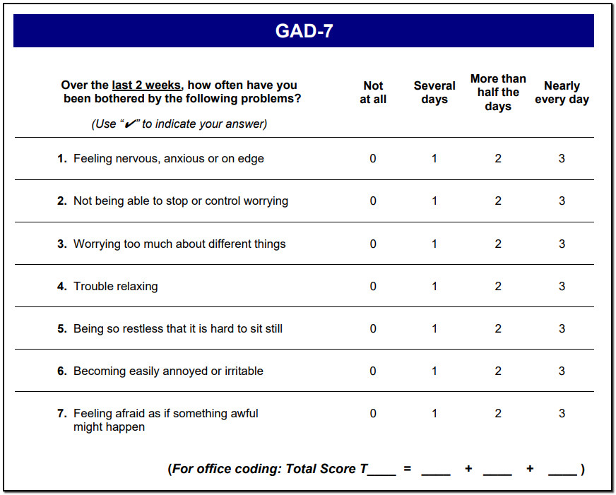
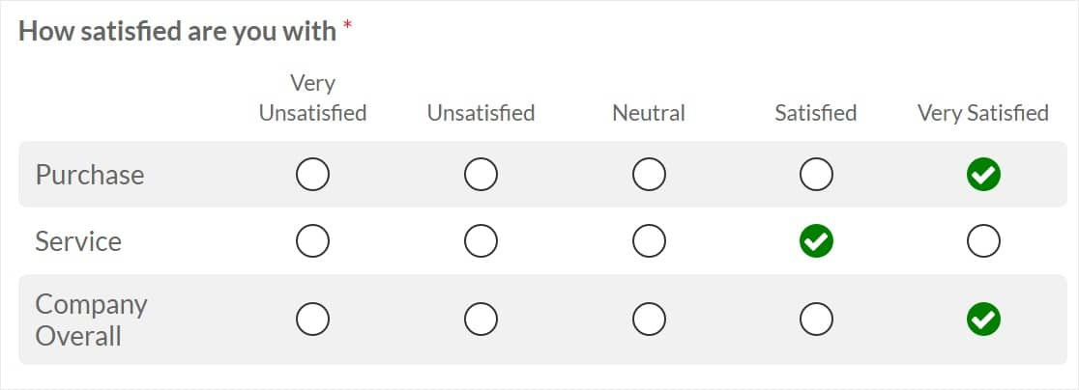

 | Source: https://wpforms.com/beginners-guide-what-is-a-likert-scale-and-how-to-use-it/

Source: http://therapymeetsnumbers.com/made-to-measure-gad-7/

Interview & Survey Questions
Interview & Survey Questions

This is an empty tab for you to paste in potential interview and/or survey questions for future reference.
An example is provided below.

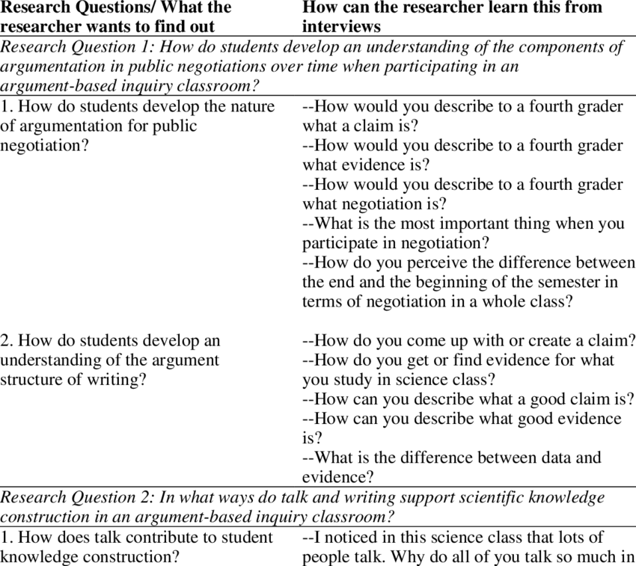

Source: https://www.researchgate.net/figure/10-The-Matrix-of-Research-Questions-and-Interview-Questions_tbl6_265811194

