Hoja1
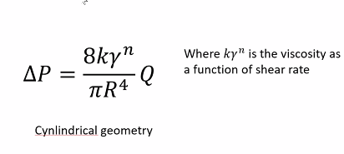
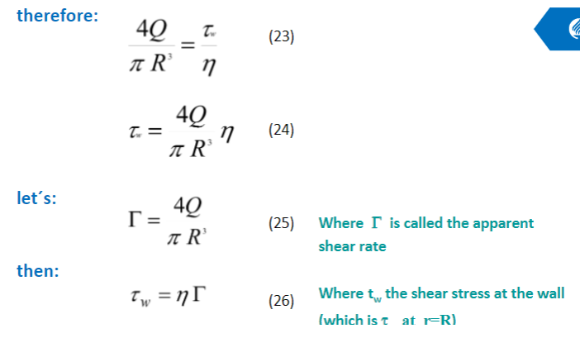
Area/hole (m2) | Radius/hole (m) |  | k
 | 0.00127 |  | 4670.1
5.067074791E-06 | Length die (m)
 | 0.03175

Volume (m3) | Flow rate (m3/s)

1.6087962461E-07 | 1.6087962461E-07

Pv | Apparent shear rate
0.03175 | 100

Viscosity η | Pressure drop Mpa |  | DelP=Pf-Pi
425.91879236 | 6707.3729463 |  |  |  | L/D die
 |  |  |  |  | 12.5
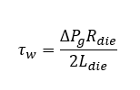
 | ΔP 500 (Mpa) |  | MFI | ηo | ẏ | Power law
 | 13.414745893 | El bueno | 2.5 | 2900 | 2.5 | 0.48

Shear rate wall ẏw | Shear stress wall τw
100 | 42591.879236

