Hoja1
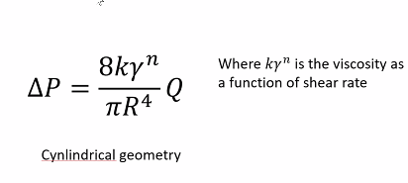
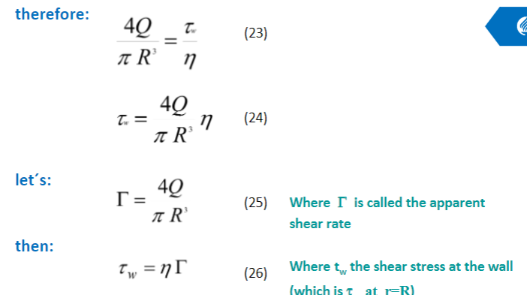
Area/hole (m2) |  | Radius/hole (m) |  | k
 |  | 0.00127 |  | 4670.1
5.067074791E-06 |  | Length die (m)
 |  | 0.03175

Volume (m3) |  | Flow rate (m3/s)

1.6087962461E-07 |  | 1.6087962461E-07

 |  | Apparent shear rate
 |  | 100

Viscosity η |  | Pressure drop Mpa |  | DelP=Pf-Pi
425.91879236 |  | 6707.3729463 |  |  |  | L/D die
 |  |  |  |  |  | 12.5
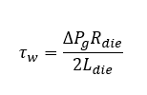
 |  | ΔP 500 (Mpa) |  | MFI | ηo | ẏ | Power law
 |  | 13.414745893 | El bueno | 2.5 | 2900 | 2.5 | 0.48

Shear rate wall ẏw |  | Shear stress wall τw
100 |  | 42591.879236

0.75 | g/cm3 | 7.5 | kg/m3
1.6087962461E-07 | m3/s | 1.2065971846E-06
Energy consumption |  | Price KWH
172.65274268 | kWh | 507.59906347

