SS analysis
Charger Design |  |  | Derrick Shen, Kiran Elango | 13/8/2026

Charger design specifications

Parameter | Value | Unit
Vin(DC) | 5 | V
Vout(DC) | 3.5 | V
Voltage regulation (ripple) | < 0.05 | -
Max Iout(avg) | 0.5 | A
Efficiency(avg) | > 0.65 | -

Evaluating voltage divider parameters (Theoretical)

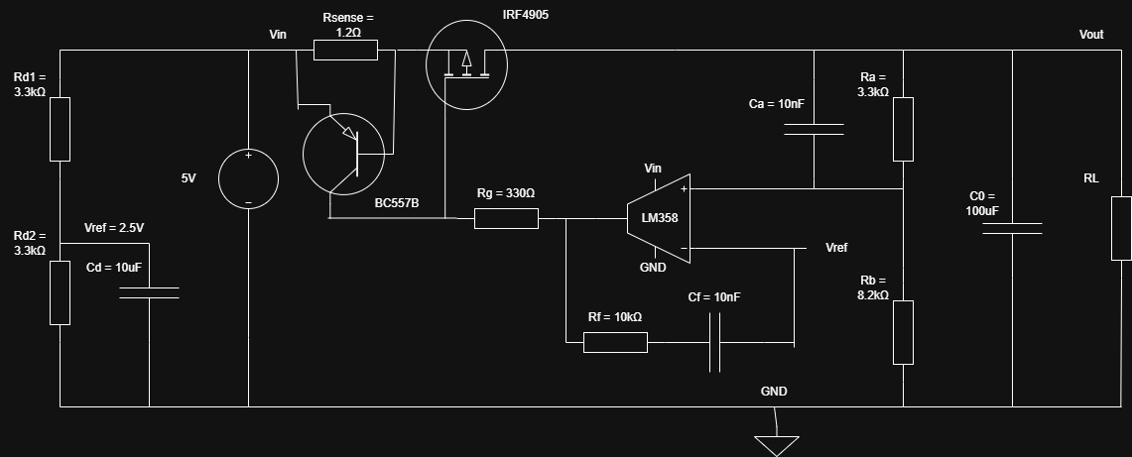
Parameter | Value | Unit
Vref(DC) | 2.5 | V
Vref / Vout | 0.71428571429 | V
Selected resistor to ground(Ra) | 8200 | Ω
Resistor to Vout(Rb) | 3280 | Ω
E12 resistor to Vout(Rb) | 3300 | Ω

Evaluating current limiting transistor parameters (Theoretical)

Parameter | Value | Unit
Max Iout(avg) | 0.5 | A
BC557B PNP VBE(on) | -0.62 | V
Rsense | 1.24 | Ω
E12 Rsense | 1.47 | Ω
Actual Iout limit | 0.42176870748 | A

Evaluating OpAmp feedback parameters (Theoretical)

Parameter | Value | Unit
Max supply rail voltage | 5 | V
Min supply rail voltage | 0 | V
Max LM358 output voltage | 3.5 | V
LM358 sink current limit | 0.02 | A
Rg | 330 | Ω
Max sink current | 0.015151515152 | A

Derivation of circuit parameters

Parameter | Value | Unit | Derivation
Vin(DC) | 5 | V | Given design specification.
Vout(DC) | 3.5 | V | Given design specification.
Duty cycle (D) | 0.7 | - | For an ideal buck converter in CCM, the output voltage equals the input voltage multiplied by the duty cycle: Vout = D × Vin Rearranging: D = Vout / Vin = 3.5 / 5 = 0.7
Max Iout(avg) | 0.5 | A | Given design specification.

Steady-state operating conditions of each subsystem

Parameter | Value | Unit
Vout(DC) | 3.5 | V
Iout(avg) | 0 | A
Pout | 0.75 | W
Efficiency (target) | 0.665 | -
Pin | 1.1278195489 | W
Ploss | 0.37781954887 | W

Vref(DC) | 2.5 | V
Selected resistor to ground (Ra) | 8200 | Ω
E12 resistor to Vout (Rb) | 3300 | Ω
Vfb at regulation (Vout × Rb/(Ra+Rb)) | 2.4956521739 | V
Error signal (Verror = Vref − Vfb) | 0.004347826087 | V

BC557B PNP VBE(on) | -0.62 | V
E12 Rsense | 1.47 | Ω
Actual Iout limit (|VBE| / Rsense) | 0.42176870748 | A
Sense voltage at Iout limit (Vsense = |VBE|) | 0.62 | V

Max supply rail voltage | 5 | V
Min supply rail voltage | 0 | V
Max LM358 output voltage | 3.5 | V
LM358 sink current limit | 0.02 | A
Rg | 330 | Ω
Max sink current (Vout / Rg) | 0.010606060606 | A

Derivation of control parameters

Parameter | Value | Unit | Derivation
Nominal duty cycle (D) | 0.7 | - | Derived in circuit parameters section above: D = Vout / Vin

Min duty cycle (stability margin) | 0.2 | - | Minimum pulse width the PWM driver can reliably produce. Below this the converter may skip pulses.
Max duty cycle (deadtime margin) | 0.95 | - | Upper limit to ensure the low-side switch or diode has a minimum off-time for safe commutation.

Feedback divider ratio (Rb / (Ra + Rb)) | 0.28695652174 | - | The output is sensed via a resistor divider Ra (to GND) and Rb (to Vout). At the inverting input of the LM358: Vfb = Vout × Rb / (Ra + Rb) Regulation occurs when Vfb = Vref, so the ratio sets the output voltage.
DC closed-loop gain (Acl = Vref / Vfb) | 1.0017421603 | V/V | At the regulation point Vfb ≈ Vref, so Acl ≈ 1. The LM358 open-loop gain is ~100 dB, providing large loop gain to minimise steady-state error.
LM358 open-loop DC gain | 100000 | V/V | Datasheet value for LM358: ~100 dB ≈ 100,000 V/V. High open-loop gain ensures the closed-loop error signal is driven to near zero.
Gain-bandwidth product (GBW) | 1000000 | Hz | Datasheet value: 1 MHz for LM358. At the closed-loop bandwidth target, the available open-loop gain is GBW / f_target.
Closed-loop bandwidth target (fs / 20) | 0 | Hz | A standard design rule places the control bandwidth at fs/10 to fs/20 to avoid amplifying switching noise. At this frequency the loop must still have sufficient phase margin (>45°).
Loop gain margin check (Aol / Acl) | 99826.086957 | - | Ratio of open-loop to closed-loop gain. A large ratio confirms the OpAmp has ample gain headroom to hold regulation accurately over the load range.

Current limit threshold (= |VBE(on)|) | 0.62 | V | The BC557B turns on when the voltage across Rsense reaches |VBE(on)| ≈ 0.62 V. This clamps the gate drive, reducing the duty cycle and limiting Iout.
Rsense (E12) | 1.47 | Ω | Derived from the current limit condition: Rsense = |VBE| / Imax = 0.62 / 0.5 = 1.24 Ω Nearest E12 value: 1.2 Ω (gives actual limit slightly above 0.5 A).
Actual current limit (|VBE| / Rsense) | 0.42176870748 | A | Imax(actual) = |VBE| / Rsense Slightly above 0.5 A due to E12 rounding of Rsense downward.
Gate resistor Rg | 330 | Ω | Limits the peak current the LM358 must sink when pulling the MOSFET gate low. Also slows the gate transition slightly, reducing EMI.
Max gate drive current (Vout / Rg) | 0.010606060606 | A | Worst-case gate sink current ≈ Vout / Rg. Must be below LM358 sink limit of 20 mA.

