Sheet1
Defect ID | Defect Description | Steps to Reproduce | Screenshot
1 | The search button is not clickable | 1) Navigate https://betashop.alter.game/ 2) enter the any asset on the search bar 3) click on the search button | https://nimb.ws/6tUljQm
2 | The chicken image is not displayed on the page | 1) Navigate https://betashop.alter.game/ 2) click on see all button 3) click on chicken asset | https://nimb.ws/w5AONTf
3 | Duplicate chicken asset found on the All Categories page | 1) Navigate https://betashop.alter.game/ 2) click on see all button 3) Check the chicken assets | https://nimb.ws/2pPkUYx
4 | Clicking on the 'Send Message' button navigates to the Discord page instead of the expected page. | 1) Navigate https://betashop.alter.game/ 2) Scroll down 3) Click on send message button 4) Navigated to Discord page | https://nimb.ws/yNWdzcq
5 | The links for 'Alter ID,' 'Alter Shop,' and 'Alter Polls' on the homepage are not clickable and do not have associated URLs | 1) Navigate https://betashop.alter.game/ 2) Scroll down to other links 3) Click on any Alter id, alter shop, alter poll | https://nimb.ws/jZofVnl
6 | The maximum price range is set to 100 in the sort and filter section, but the price tag displays 0-97 instead of 0-100 | 1) Navigate to Outdoor Assets page 2) set the price range from 0 to 100 on the filter section 3) observe the price on the price tag | https://nimb.ws/FPYD7mq
7 | The Alter Body Stats in the filter section are not affecting the two body assets when tested with different filter ranges | 1)Navigate to https://betashop.alter.game/. 2)Search for "Pistol" in the search bar. 3)Test with different ranges on the Alter body stats. 4)Observe the results in the assets. | https://nimb.ws/4raMY6H
8 | I am able to upload a profile picture with the file extension .webp, which should only accept .jpg and .png formats | 1) Log in to the Altershop web application. 2)Click on the profile menu. 3)Click on the "My Account" tab. 4)Set the profile picture with a .webp file extension and click the "Save" button. | 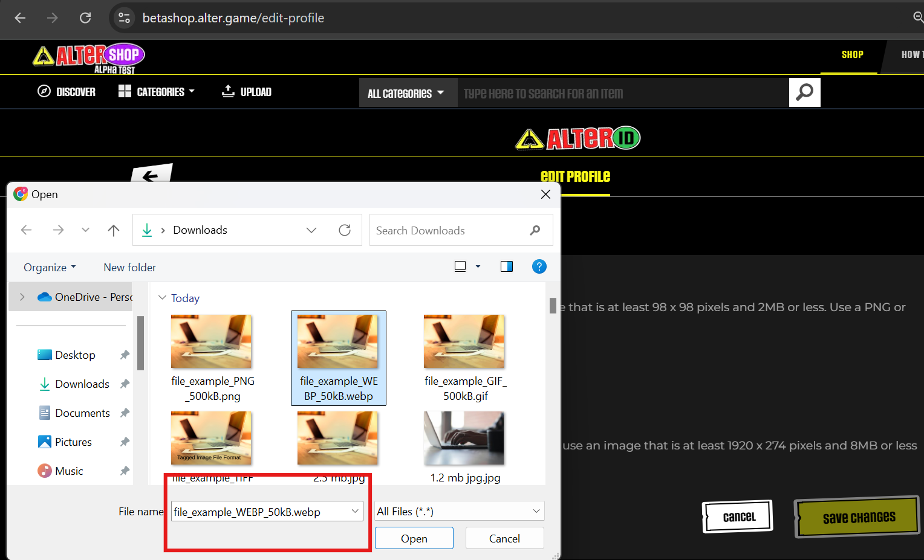
9 | I am able to upload a GIF file as a profile picture, even though only JPG and PNG formats are supported | 1) Log in to the Altershop web application. 2)Click on the profile menu. 3)Click on the "My Account" tab. 4)Set the profile picture with a Gif file extension and click the "Save" button. | 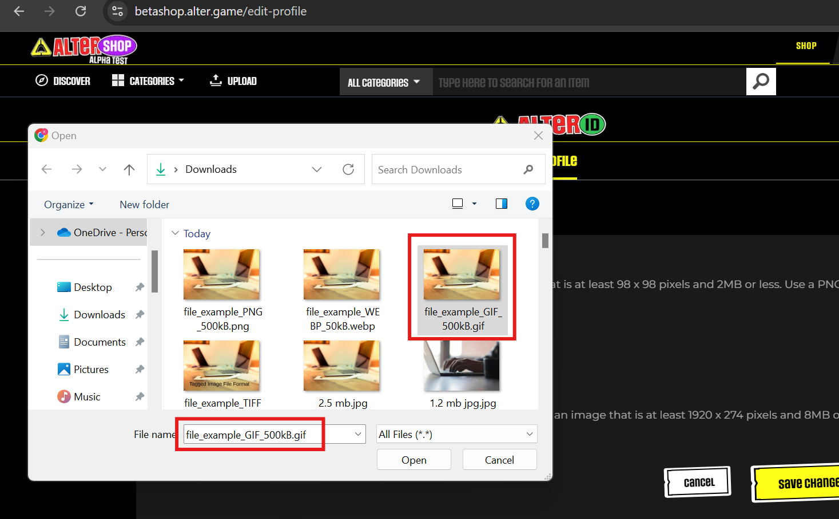
10 | The 'Save' button is disabled for the default cropped picture while uploading a banner | Log in to the Altershop web application. Click on the profile menu. Click on the "My Account" tab. Click on the "Change" button for the banner image. Select the image. When the "Customize Picture" window opens, click on the "Save" button. | https://nimb.ws/e5yFsPn
11 | The 3D asset uploader fails to upload .gltf files when attempting to upload assets. File size : 4mb | 1) Click on the upload module on the homepage 2) click on the upload 3D asset uploader 3) select the 3D gltf file 4) An alert message is displayed : please upload only .glb or .gltf formats
12 | Unable to upload an 8MB .glb file using the 3D asset uploader | The upload functionality for 3D assets fails when attempting to upload an 8MB .glb file. The file does not upload successfully, and no error message is displayed. | 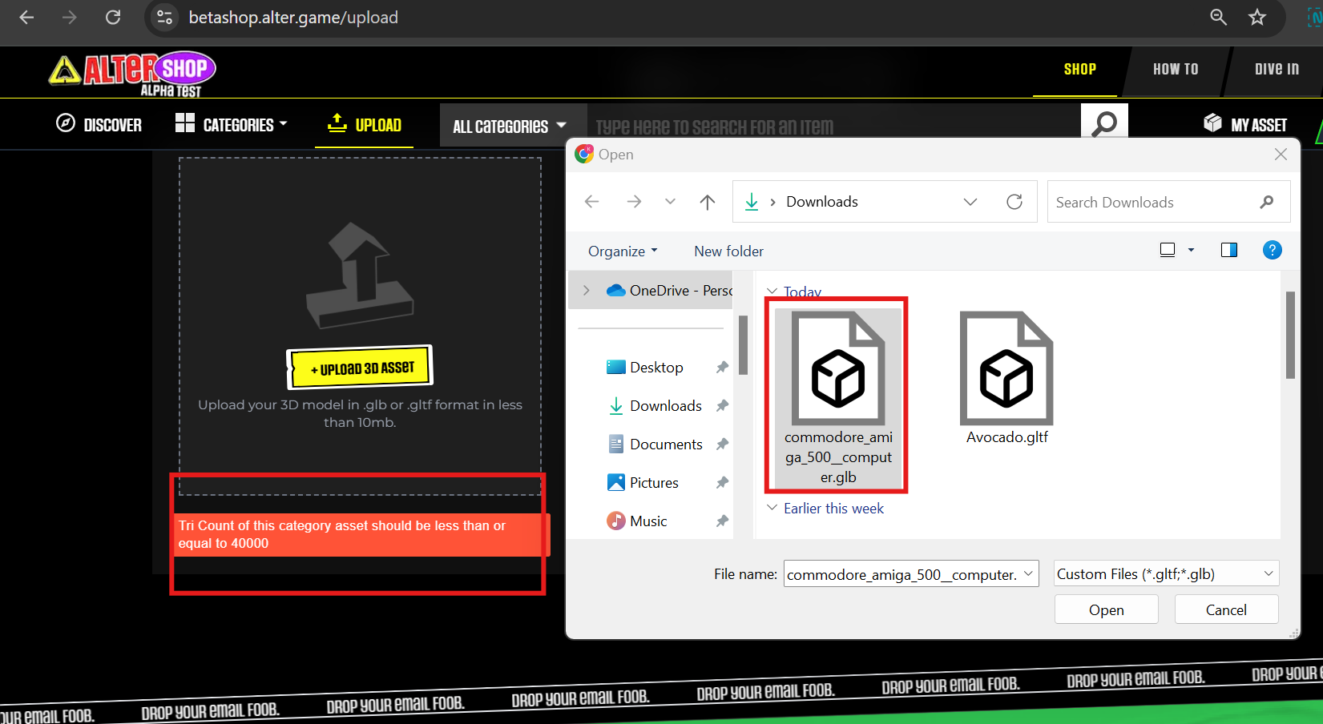
13 | The 3D asset upload is not processing | Unable to upload the glb. Or gltf file formats and proceed the uploader
14 | After entering numbers into the name text field, the web application did not display the alert message as expected | 1) Click on the upload module on the homepage 2) enter a number in the Name text field 3) Didn't display any alert message : Invalid name | https://nimb.ws/QEZhzMs
15 | When clicking on the "Post Comment" button without entering any text, an error message "Error: Please type your comment text" is displayed on a blank screen. This error should instead be displayed within the comment box itself. | 1) On the homepage click on how to tab 2) click on contests button 3) on the contest category click on the comment icon and any contest post 4) fill all the details except comment text field 5) check the error displaying on separate blank page | https://nimb.ws/XSTQGWm
16 | There is no validation on the "Name" and "Website" text fields in the comment box. Users can enter numeric values into these fields and, upon clicking "Post Comment," the comment is successfully posted without any validation errors. | 1) On the homepage click on how to tab 2) click on contests button 3) on the contest category click on the comment icon and any contest post 4) enter the numbers in name and website field 5) click on the post comment button | https://nimb.ws/S3GkvzF
17 | In the "Share Article" window, I copied the text link and pasted it into another window to test the link. However, a 404 Not Found error was displayed. | 1) Navigate to the URL : https://feeds.alter.game/ contests/challenging-all-game-devs-to- our-first-game-jam-with-total-prizes-of- 350-the-alter-contest-7/ 2) in share article window copy the link 3) paste in on another tab and check | https://nimb.ws/ACWg6MU
18 | On the Charu author page, the Alter game profile icon is operable when hovered over with the mouse, but there is no response when it is clicked. | 1) navigate to the URL : https://feeds.alter.game /author/charu/ 2) Click on the alter game profile icon
19 | On the Discord Discover page, a UI issue has been identified where the "Operating Systems" box does not fit within the current page layout and is overlapping on the background page | 1) Navigate to https://discord.com/guild- discovery 2) click on downloads app button 3) check all the opearting system framebox alignment | https://nimb.ws/NLOpoQR
20 | At 100% screen resolution, the asset tag overlaps with the search icon | 1) Login to altershop 2) navigate to homepage 3) by default screen is in 100% resolution where My asset tag is overlapping on search bar | https://nimb.ws/YGqRtTM
21 | I clicked the copy button more than three times, but the web application displayed an invalid error message: 'Gas price error! Try a new asset | 1) Navigate to transaction details page 2) click on the copy button 3) Invalid error is displaying
22 | Every time I refresh the transaction page, the web application prompts me to log in with a password to access the transaction page | 1) Navigate to transaction details page 2) refresh the page in chrome browser | https://nimb.ws/LAvT91q
23 | I clicked on the thumbs-up emoji, but the web app incorrectly added the like count to the existing emoji instead of updating it properly | 1) navigate to https://betashop.alter.game /trending/348 2) click on the thumbs-up icon 3) check the like count | https://nimb.ws/LdyxQUT
24 | After selecting the contact name, there is no ok button or selected name is not displaying in enter details page unable to select the name | 1) navigate to https://id-testing-mohanraj .d1ltz1jkeaxpf3.amplifyapp.com/send-assets 2) click on the choose a contact 3) select the contact | https://nimb.ws/lfDsdT0
25 | QR code image is not displayed to scan | 1)https://id-testing-mohanraj.d1ltz1jkeaxpf3 .amplifyapp.com/wallet#walletScreen 2)QR code image is not loaded | https://nimb.ws/14gNWjk

