Executive Dashboard
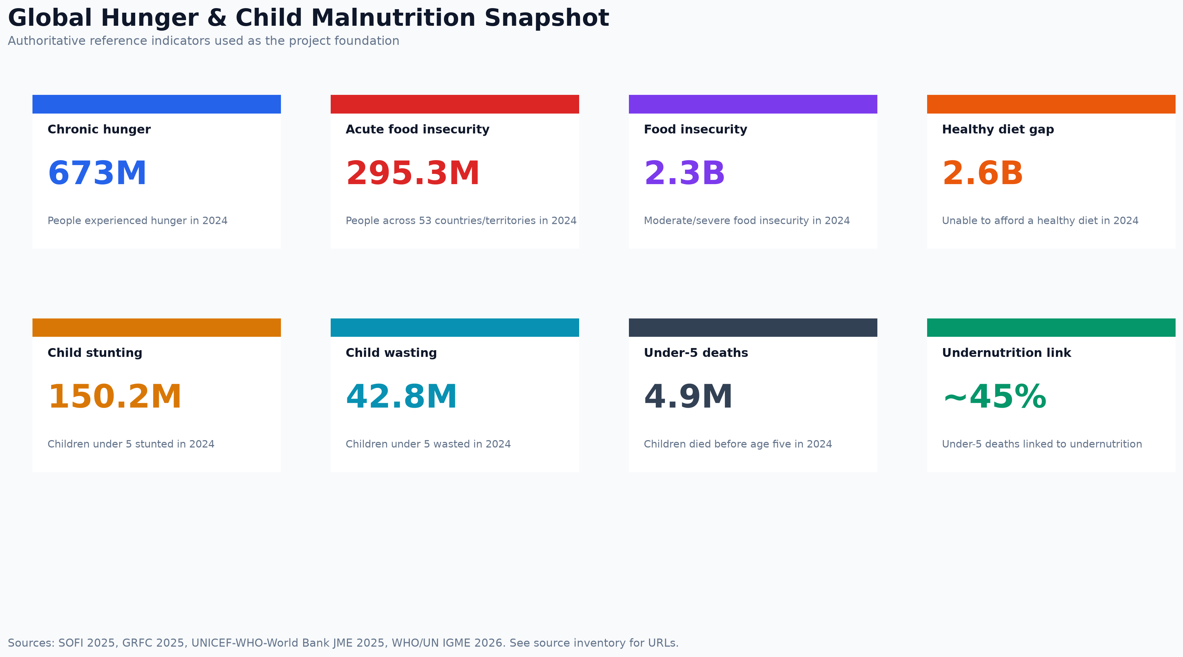
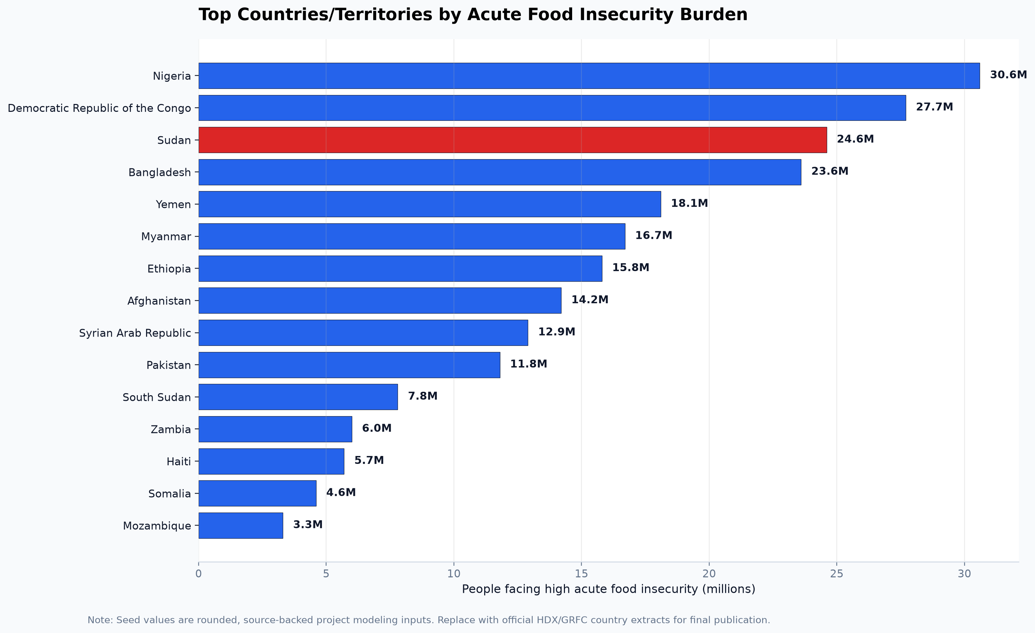
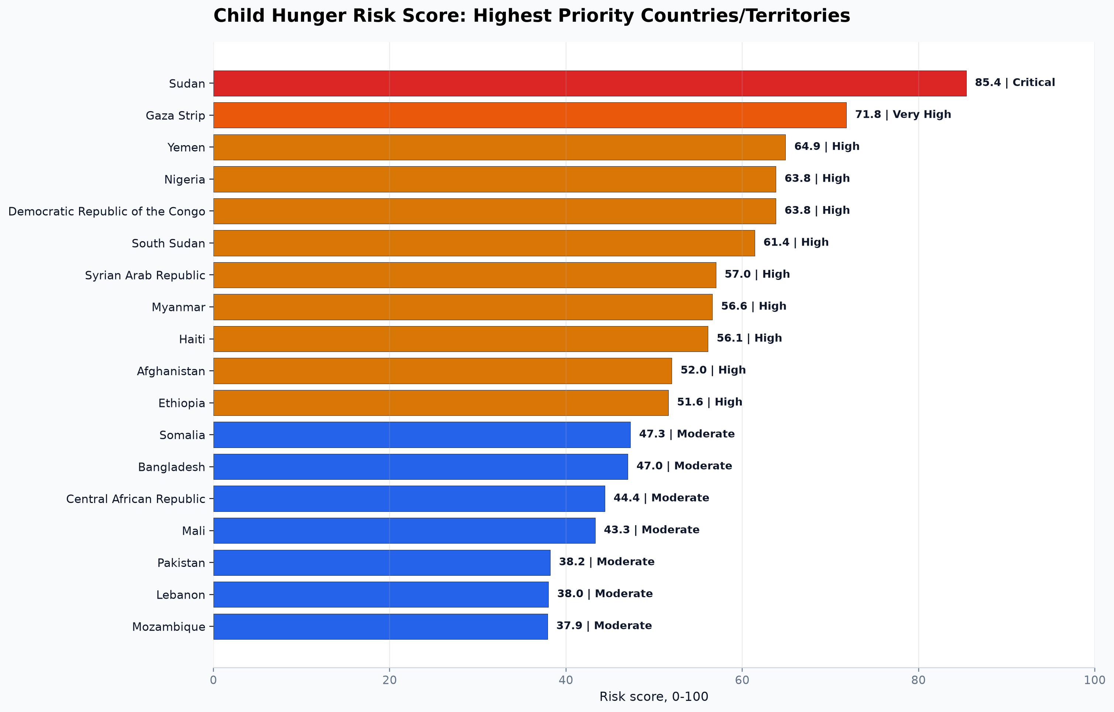
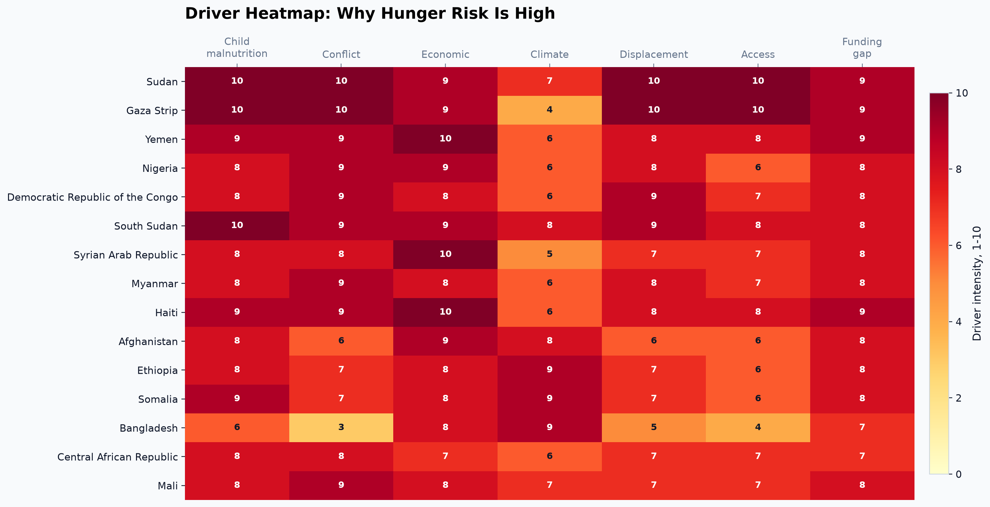
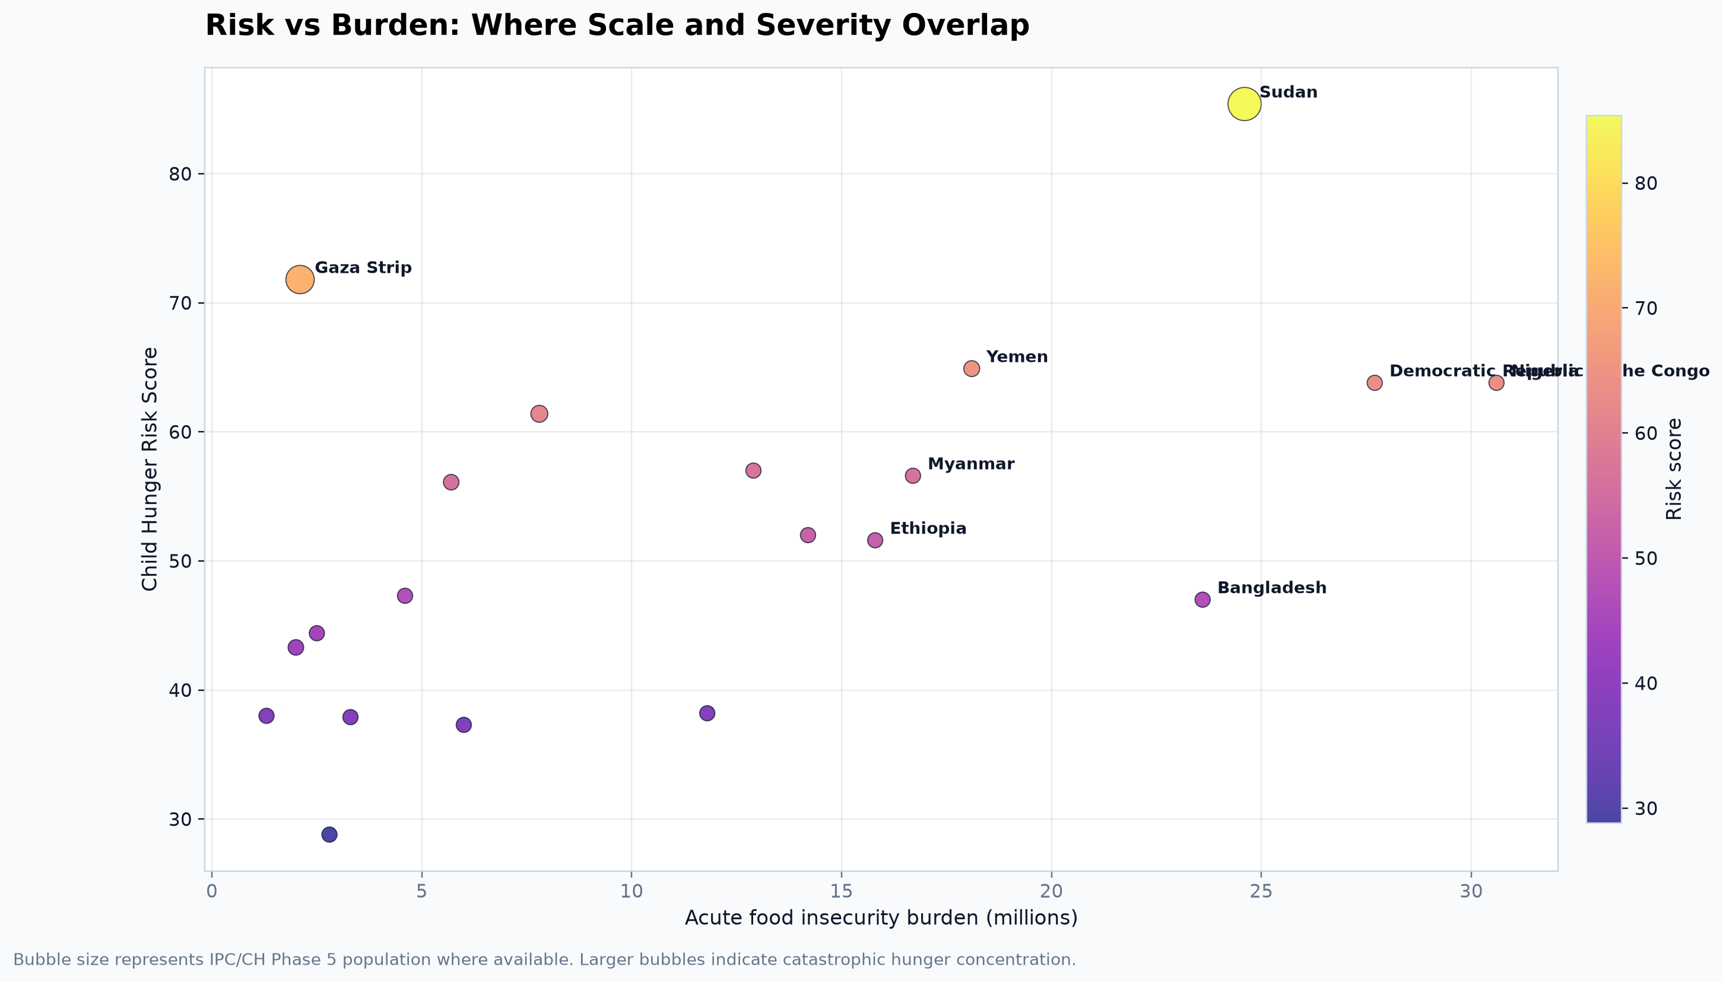
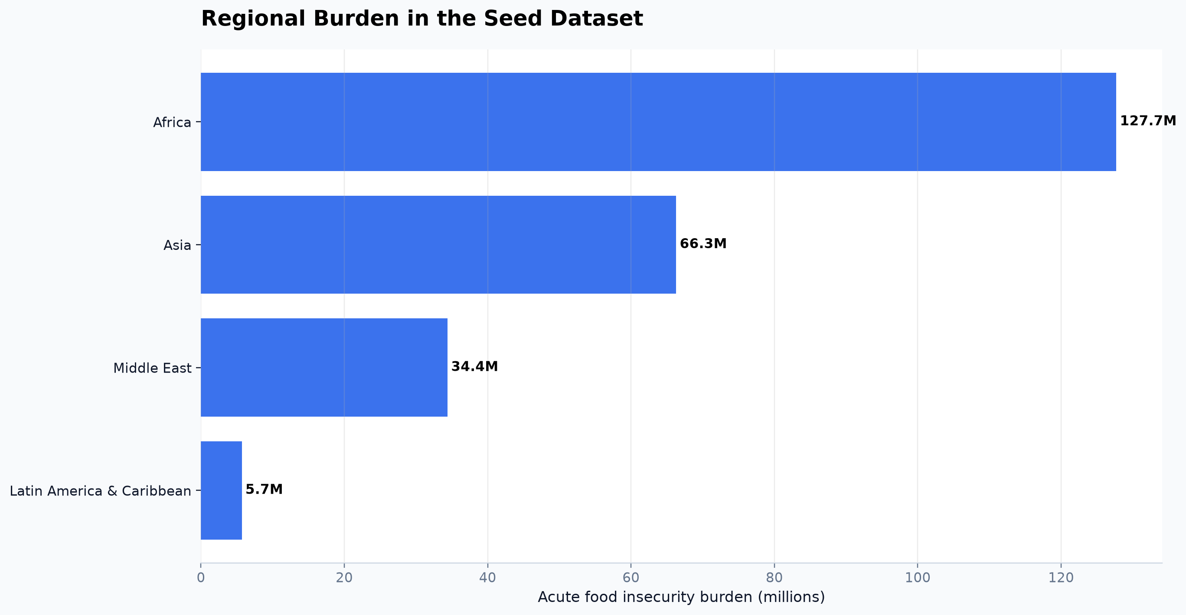
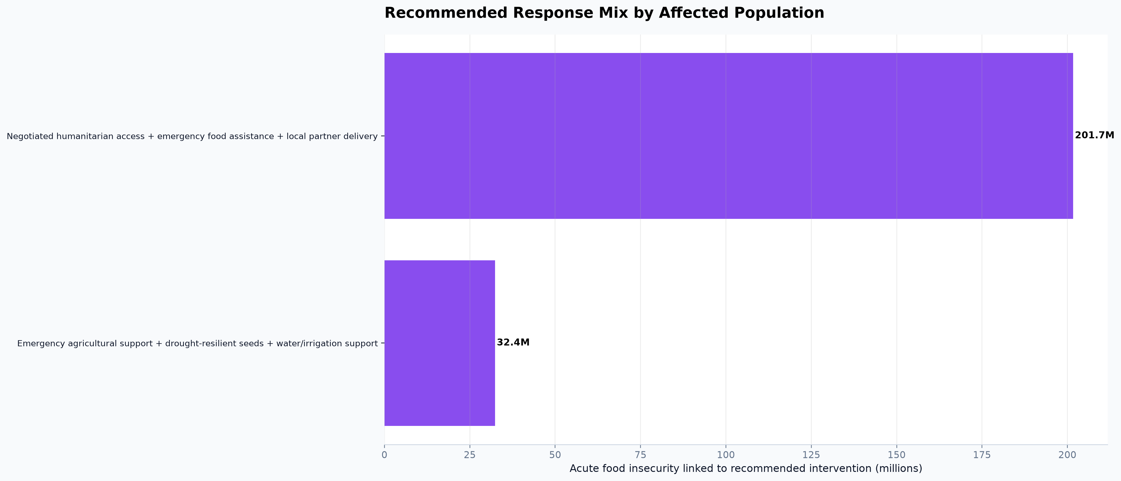
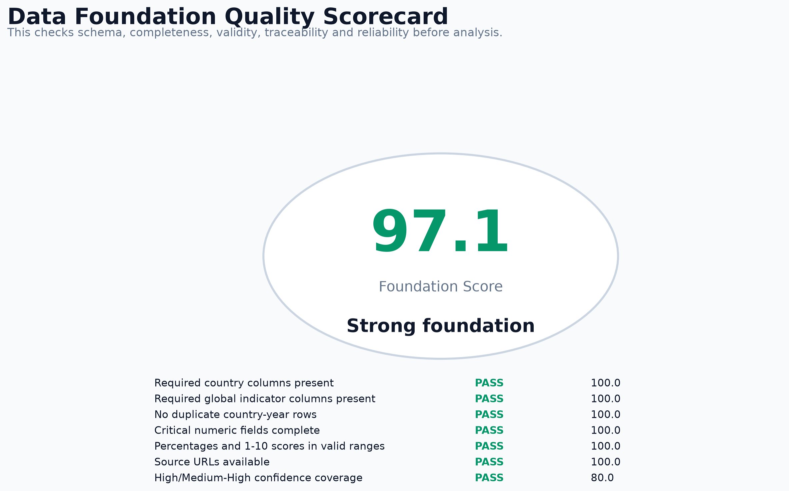
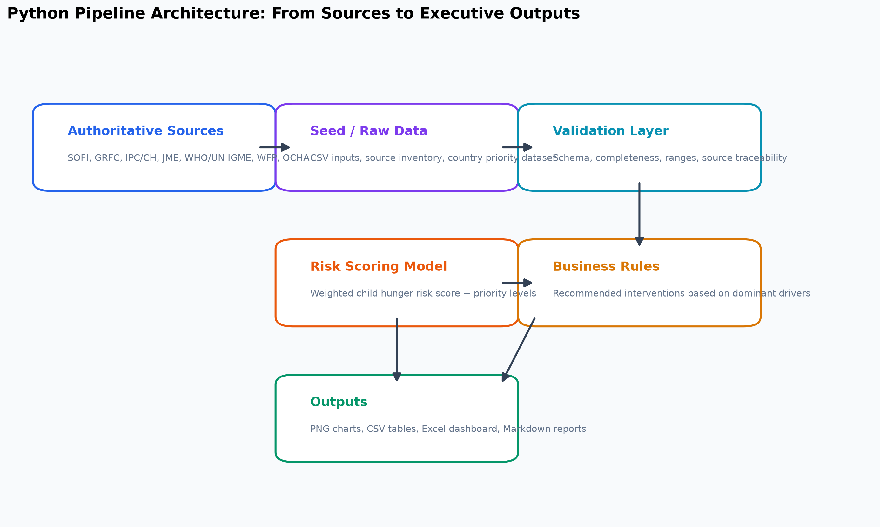
Global Hunger & Child Malnutrition Analytics
Python pipeline outputs: PNG visuals, spreadsheet dashboard, risk model, quality scorecard, and executive reports.

673M | 295.3M | 2.3B | 2.6B
Global hunger | Acute food insecurity | Moderate/severe food insecurity | Healthy diet unaffordability

150.2M | 42.8M | 4.9M | 97.1/100
Children stunted | Children wasted | Under-5 deaths | Foundation score

