Sales_Contract
SALES AND PURCHASE CONTRACT

(OST-2023-65)
This contract is made on August 3, 2023 between:
OCEANIC SEAFOOD TRADING CO. LTD
TRUST COMPANY COMPLEX，AJELTAKE ROAD, AJELTAKE ISLAND，MAJURO，REPUBLIC OF THE MARSHALL ISLANDS MH 96960
(hereafter called “Seller”)
ICEBERG CO.,LTD
ADD:6F, TSUKIJI CITY PLAZA, 2-7-10 TSUKIJI, CHUO-KU, TOKYO 104-0045, JAPAN
(hereafter called “Buyer”)

1. Subject of the Contract
1.1. The Seller agrees to sell and the Buyer agrees to purchase Frozen Opilio Snow Crab with the following terms and conditions:
- Frozen Boiled Opilio (Snow) crab sections (sets in shell)
- f/v "Viliga" via Lyra (ETA Pusan July 31, 2023)
- BL No: BNVL16M (Pack 5 KG)
Grade | C/T | N/kg | Price | Amount
3L | 931 | 18,620.00 | 22 $ | 40 000,00 $
2L | 1,560 | 31,200.00 | 22 $ | 60 000,00 $
L | 952 | 19,040.00 | 22 $ | 50 000,00 $
M | 114 | 2,280.00 | 22 $ | 4 000,00 $
N/M | 13 | 260.00 | 22 $ | 400,00 $
TOTAL | 3,570 | 71,400.00 |  | 154 000,00 $

- Frozen Boiled Opilio (Snow) crab sections (sets in shell)
- f/v "Western Enterprice" via Lyra (ETA Pusan July 31, 2023)
- BL No: BNWE16M (Pack 20 KG)
Grade | C/T | N/kg | Price | Amount
3L | 931 | 18,620 | 22 $ | 40 000,00 $
2L | 1,560 | 31,200 | 22 $ | 60 000,00 $
L | 952 | 19,040 | 22 $ | 50 000,00 $
M | 114 | 2,280 | 22 $ | 4 000,00 $
N/M | 13 | 260 | 22 $ | 400,00 $
TOTAL | 3,570 | 71,400.00 |  | 154 000,00 $

- Frozen Boiled Opilio (Snow) crab sections (sets in shell)
- f/v "Viliga" via Lyra (ETA Pusan July 31, 2023)
- BL No: BNVL16M (Pack 5 KG)
Grade | C/T | N/kg | Price | Amount
3L | 931 | 18,620 | 22 $ | 40 000,00 $
2L | 1,560 | 31,200 | 22 $ | 60 000,00 $
L | 952 | 19,040 | 22 $ | 50 000,00 $
M | 114 | 2,280 | 22 $ | 4 000,00 $
N/M | 13 | 260 | 22 $ | 400,00 $
TOTAL | 3,570 | 71,400.00 |  | 154 000,00 $

Total amount of this Contract is 562 000,00 $

2. Delivery
Supply of products is carried out on FCA Terms.

3. Inspection.
The Buyer has performed production inspection on the moment of contract signing. There are no complaints on production quality.

4. Payment
4.1 The payment to be in US Dollar 100% value should be made by T.T. to the designated the Seller’s or Agent’s bank account within 5 banking days after the all parties signed the contract.
4.2 The Seller performs production tittle transfer after 100% payment to Seller’s banking account.

5. Payment details
OCEANIC SEAFOOD TRADING CO. LTD
TRUST COMPANY COMPLEX，AJELTAKE ROAD, AJELTAKE ISLAND，MAJURO，REPUBLIC OF THE MARSHALL ISLANDS MH 96960
A/C NO: NRA18809142010500009370
BENEFICAIRY’S BANK: ZHEJIANG CHOUZHOU COMMERCIAL BANK CO., LTD, HEAD OFFICE
ADDRESS: 13F,CHOUYIN MANSION NO.158WANGCHAO RD SHANGCHENG DISTRICT HANGZHOU CHINA, 310016
SWIFT: CZCBCN2X

6. Documentation
The Seller provides the Buyer with the following documentation:
- Invoice;
- Health Certificate issued by Rosselkhoznadzor (on request);
- IUU Catch Certificate issued by the Territory Department (on request);
- Bill of Lading (copy);

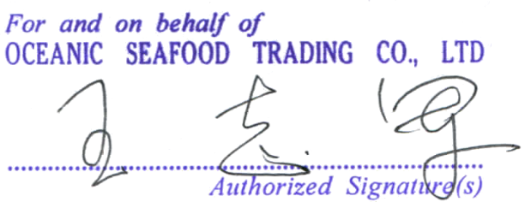

_______________________________________ |  |  | ____________________________________________
OCEANIC SEAFOOD TRADING CO. LTD |  |  | ICEBERG CO.,LTD

