Sales_Contract
SALES AND PURCHASE CONTRACT

(OST-2023-65)
This contract is made on August 3, 2023 between:
OCEANIC SEAFOOD TRADING CO. LTD
TRUST COMPANY COMPLEX，AJELTAKE ROAD, AJELTAKE ISLAND，MAJURO，REPUBLIC OF THE MARSHALL ISLANDS MH 96960
(hereafter called “Seller”)
ICEBERG CO.,LTD
ADD:6F, TSUKIJI CITY PLAZA, 2-7-10 TSUKIJI, CHUO-KU, TOKYO 104-0045, JAPAN
(hereafter called “Buyer”)

1. Subject of the Contract
1.1. The Seller agrees to sell and the Buyer agrees to purchase goods produced by f/v "Talan" with following in table assortment:

Goods Description | Grade | Unit Price/kg | N/kg | Amount
Blue King Crab Live (Filling 80-90%) | A | $56.00 | 25,190.00 | $1,410,640.00
Blue King Crab Live (Filling 80-90%) | B | $39.20 | 1,050.00 | $41,160.00
Opilio Snow Crab Live (Filling 80-90%) | A | $11.00 | 16,128.00 | $177,408.00
Opilio Snow Crab Live (Filling 80-90%) | B | $7.70 | 672.00 | $5,174.00
TOTAL |  |  | 43,040.00 | $1,634,382.00
* ETA Zarubino November 11, 2023
2. Delivery and Receipt of Product
2.1 Terms of delivery: supply of products is carried out on FCA Terms.
2.2 Landed terms: provision of all vehicles with tanks filled with chilled sea water
2.3 Sales terms: no water deduction

4. Payment
4.1 The payment to be in US Dollar 100% value should be made by T.T. to the Seller’s account. The Buyer should pay advance 95 % after contract signing. The remaining of the payment 5% to the designated the Seller's bank account withing 3 banking days after discharging of Goods.

4.2 All banking charges (including cable charge, correspondent bank charge, etc.) MUST BE paid by the Buyer. In case of no payment or delay in payment for Product, the Buyer shall pay fine at the daily rate 0,3% of delayed payment. In case of payment delay for more than one day, the Seller shall have the right to cancel the Contract

5. Payment details
OCEANIC SEAFOOD TRADING CO. LTD
TRUST COMPANY COMPLEX，AJELTAKE ROAD, AJELTAKE ISLAND，MAJURO，REPUBLIC OF THE MARSHALL ISLANDS MH 96960
A/C NO: NRA18809142010500009370
BENEFICAIRY’S BANK: ZHEJIANG CHOUZHOU COMMERCIAL BANK CO., LTD, HEAD OFFICE
ADDRESS: 13F,CHOUYIN MANSION NO.158WANGCHAO RD SHANGCHENG DISTRICT HANGZHOU CHINA, 310016
SWIFT: CZCBCN2X

6. Documentation
The Seller provides the Buyer with the following documentation:
- Invoice;
- Bill of Lading (copy);

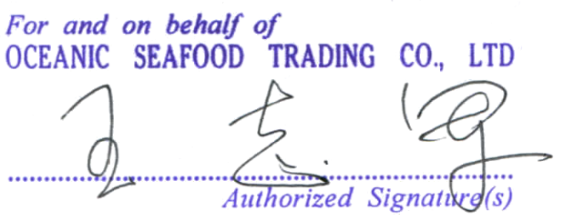 - | -
_______________________________________ |  |  | ____________________________________________
OCEANIC SEAFOOD TRADING CO. LTD |  |  | ICEBERG CO.,LTD

