Invoice
OCEANIC SEAFOOD TRADING CO. LTD
TRUST COMPANY COMPLEX，AJELTAKE ROAD, AJELTAKE ISLAND，MAJURO，REPUBLIC OF THE MARSHALL ISLANDS MH 96960
______________________________________________________________________________________________________________________
INVOICE

 |  |  |  |  |  | DATE: August 3, 2023
 |  |  |  |  |  | INVOICE No: OST-2023-VL-65
To: | ICEBERG CO.,LTD
From: | OCEANIC SEAFOOD TRADING CO. LTD
Terms: | FCA, ZARUBINO
Subject: | REQUEST FOR PAYMENT OF FOLLOWING IN TABLE GOODS

BL No | Goods Description | Vessel Name | Grade | Price/kg | N/kg | Amount
- | Blue King Crab Live (Filling 80-90%) | f/v "Talan" | A | $56.00 | 25,190.00 | $1,410,640.00

* Payment: | All banking charges (including cable charge, corresponding bank charge, etc) MUST BE paid by the buyer in US dollars.

COUNTRY OF ORIGIN RUSSIA
____________________________________________________________________________________
 |  | Total: 116,995 tn |  |  |  | 1 634 382,40 $

OCEANIC SEAFOOD TRADING CO. LTD
TRUST COMPANY COMPLEX，AJELTAKE ROAD, AJELTAKE ISLAND，MAJURO，REPUBLIC OF THE MARSHALL ISLANDS MH 96960
A/C NO: NRA18809142010500009370
BENEFICAIRY’S BANK: ZHEJIANG CHOUZHOU COMMERCIAL BANK CO., LTD, HEAD OFFICE
ADDRESS: 13F,CHOUYIN MANSION NO.158WANGCHAO RD SHANGCHENG DISTRICT HANGZHOU CHINA, 310016
SWIFT: CZCBCN2X
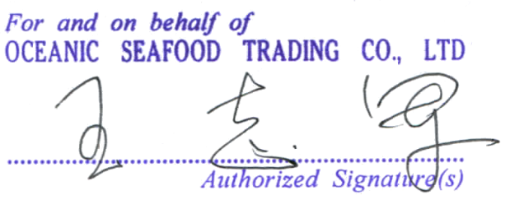

 |  |  |  | ____________________________________________________
 |  |  |  | OCEANIC SEAFOOD TRADING CO. LTD

